Sheet1
22/10/2018
1.Client Name not geting displayed Online for completed Order if we Order as Pro for both sell and buy Order on both Dealer and admin Login |  |  |  |  | S

2.at admin side Rejected Order Not Showing.

3.Wrong (05:30:00 hrs) last Modifiyed time for Rejected Order BSE and For NSE Showing (00:00:00 hrs).

 |  |  |  | N=NO
 |  |  |  | Y=YES

 |  |  | rej show in admin
 |  | NSE EQ | N
 |  | NSE FO | Y
 |  | NSE CURR | Y
 |  | NSE COM | Y

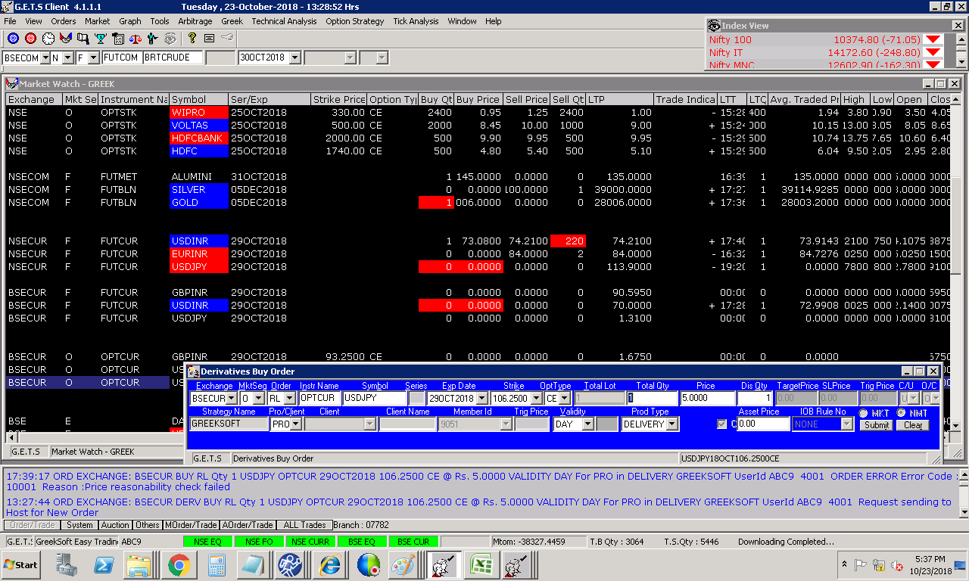
 |  | BSE | N
 |  | BSE CURR | N | Showing rejected Of price
 |  | BSE COM | Y

 | A

