Authorization (Авторизація)
Тестування дистанційної платформи "НТУ Дніпровська Політехніка"

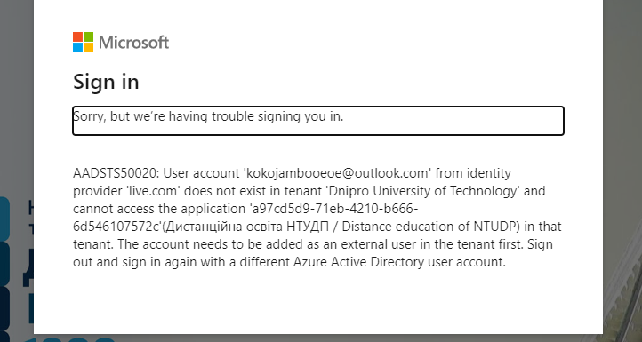
Preconditions | Open in your browser: https://do.nmu.org.ua/user/profile.php |  |  |  |  | Preconditions | Open in your browser: https://do.nmu.org.ua/user/profile.php
 | You should have account office 365 from University |  |  |  |  |  | You should have account office 365 from University

 | You should have account office 365 |  |  |  |  |  | You should have account office 365

Test ID | 1 |  |  |  |  | Test ID | 2
Test Priority | High |  |  |  |  | Test Priority | High
Module name | Authorization |  |  |  |  | Module name | Authorization
Test title | User can log in |  |  |  |  | Test title | User can't log in
Test Description | User can log in with office 365 account from UNI |  |  |  |  | Test Description | User can't log in with not from University office 365 account

Step | 1 | 2 | RESULT |  |  | Step | 1 | 2 | RESULT
Test Step | Open in browser: https://do.nmu.org.ua/user/profile.php | Press button "Login through Office 365" | Passed |  |  | Test Step | Open in browser: https://do.nmu.org.ua/user/profile.php | Press button "Login through Office 365" | Passed
Test Data | \ | \ |  |  |  | Test Data | \ | \
Expected Result | User see Welcome Page | User see his profile |  |  |  | Expected Result | User see Welcome Page | User see Error Page
Actual Result (N/A, Blocked, Passed, Failed) | Passed | Passed |  |  |  | Actual Result (N/A, Blocked, Passed, Failed) | Passed | Passed

Preconditions | Open in your browser: https://do.nmu.org.ua/user/profile.php

Test ID | 3
Test Priority | High
Module name | Authorization
Test title | Authorization with a non-existing account
Test Description | User can't log in with not from University office 365 account

Step | 1 | 2 | 3 | RESULT
Test Step | Open in browser: https://do.nmu.org.ua/user/profile.php | Press button "Login through Office 365" | Enter in the input non-existing email | Passed | 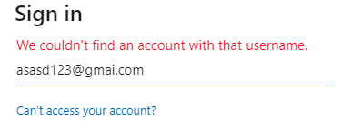
Test Data | \ | \ | For example: asasd123@gmai.com
Expected Result | User see Welcome Page | User see Sign In Page | User see error message
Actual Result (N/A, Blocked, Passed, Failed) | Passed | Passed | Passed

Navigation (Навігація)
Тестування дистанційної платформи "НТУ Дніпровська Політехніка"

Preconditions | The user logged into account and profile page is opened |  |  |  | Preconditions | The user logged into account

 |  |  |  |  |  | Item should not be present in the Navigation panel

Test ID | 4 |  |  |  | Test ID | 5
Test Priority | Medium |  |  |  | Test Priority | High
Module name | Navigation |  |  |  | Module name | Navigation
Test title | The navigation panel is present on the left and interactive |  |  |  | Test title | New items are displayed in Navigation panel
Test Description | User can see and interact with navigation panel on the left |  |  |  | Test Description | User can see new items and interact with them

Step | 1 | 2 | 3 | RESULT | Step | 1 | 2 | 3 | 4 | RESULT
Test Step | Links works | Move your cursor above the text | Press on the grey arrow | Passed | Test Step | Open the main page | Click on the "Department of System Analysis and Control" | Click on the "Дослідження операцій (275-18з-1)" | Click on the button "Зареєструвати мене" | Passed
Test Data | \ | \ | \ |  | Test Data | \ | \ | \ | \
Expected Result | Color of the links font blue and user can press on them | Underline hover effect is present | Items in the list are collapsed |  | Expected Result | User can see the main page | Page with courses for that department has been opened | Page "Дослідження операцій (275-18з-1)" has been opened | "Дослідження операцій (275-18з-1)" has been added to the list of your courses |  | 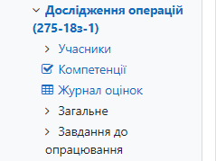
Actual Result (N/A, Blocked, Passed, Failed) | Passed | Passed | Passed |  | Actual Result (N/A, Blocked, Passed, Failed) | Passed | Passed | Passed | Passed
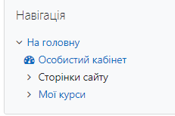

Preconditions | The user logged into account |  |  |  |  |  |  |  |  |  |  | Preconditions | The user logged into account

 | Item should be present in the Navigation panel

Test ID | 6 |  |  |  |  |  |  |  |  |  |  | Test ID | 7
Test Priority | High |  |  |  |  |  |  |  |  |  |  | Test Priority | Low
Module name | Navigation |  |  |  |  |  |  |  |  |  |  | Module name | Navigation
Test title | Deleted items aren't displayed in Navigation panel |  |  |  |  |  |  |  |  |  |  | Test title | User has access to the profile page within Navigation panel
Test Description | User can't see deleted items and interact with them |  |  |  |  |  |  |  |  |  |  | Test Description

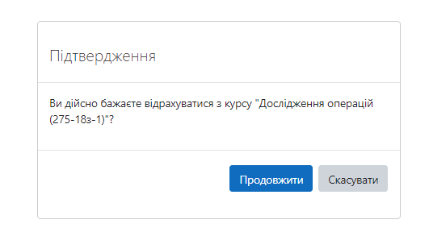
Step | 1 | 2 | 3 | RESULT |  |  |  |  |  |  |  | Step | 1 | 2 | RESULT
Test Step | Open the course page | Click on the "Відрахувати мене з "Дослідження операцій (275-18з-1)"" | Click on the submit button | Passed |  |  |  |  |  |  |  | Test Step | Open the main page | Click on the "Особистий кабінет" | Failed
Test Data | \ | \ | \ |  |  |  |  |  |  |  |  | Test Data | https://do.nmu.org.ua/index.php | \
Expected Result | User can see the course page | User sees pop up with confirmation | Course has been deleted and user can no longer see it in the Navigation panel |  |  |  |  |  |  |  |  | Expected Result | User can see the main page | Link works properly. User see his profile
Actual Result (N/A, Blocked, Passed, Failed) | Passed | Passed | Passed |  |  |  |  |  |  |  |  | Actual Result (N/A, Blocked, Passed, Failed) | Passed | Failed
BUG ID |  |  |  |  |  |  |  |  |  |  |  | BUG ID |  |  | BG -1
 |  |  |  |  |  |  |  |  |  |  |  | page lang detection: 22.779052734375 ms

Page Editing (Редагування стр)
Тестування дистанційної платформи "НТУ Дніпровська Політехніка"

Preconditions | The user logged into account and profile page is opened |  |  |  |  |  | Before
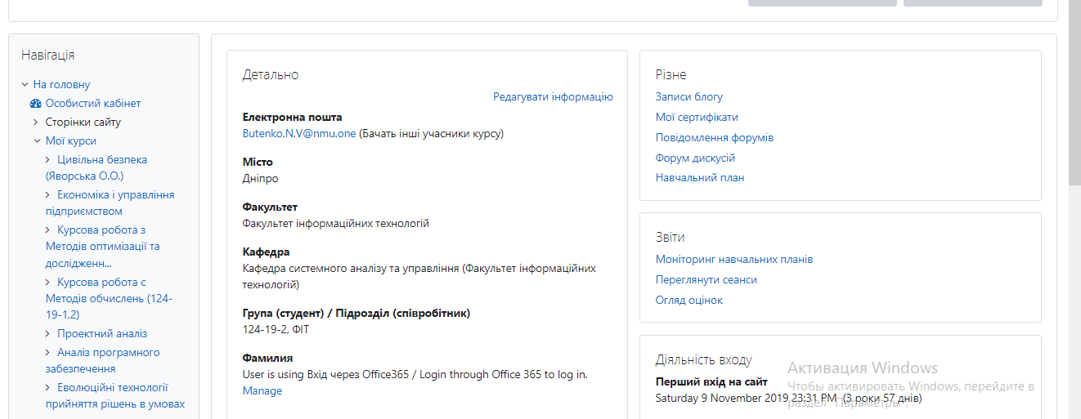

Test ID | 8
Test Priority | Medium
Module name | Editing
Test title | User can edit page profile
Test Description | User can move Navigation block undependly

Step | 1 | 2 | 3 | RESULT
Test Step | Press on "Редагування" button | Drag and drop Navigation block on the page | Press on "Зупинити налаштування цієї сторінки" button | Passed
Test Data | \ | \ | \ |  |  | After
Expected Result | Editing menu appeared | Block moved | Bloc position is saved
Actual Result (N/A, Blocked, Passed, Failed) | Passed | Passed | Passed
BUG ID

Preconditions | The user logged into account and profile page is opened

Test ID | 9
Test Priority | Medium
Module name | Editing
Test title | User can return default view
Test Description | User can hit the button and return default view of the profile page

Step | 1 | 2 | 3 | 4 | RESULT
Test Step | Press on "Редагування" button | Drag and drop Navigation block on the page | Press on "Зупинити налаштування цієї сторінки" button | Press on "Перевстановити в типову" button | Passed
Test Data | \ | \ | \ | \
Expected Result | Editing menu appeared | Block moved | Block position is saved | Default view established
Actual Result (N/A, Blocked, Passed, Failed) | Passed | Passed | Passed | Passed
BUG ID

UserInfo Editing
Тестування дистанційної платформи "НТУ Дніпровська Політехніка"

Preconditions | The user logged into account and profile page is opened |  |  |  | Preconditions | The user logged into account and profile page is opened

 |  |  |  |  |  | User in the editing menu

Test ID | 9 |  |  |  | Test ID | 10
Test Priority | High |  |  |  | Test Priority | High
Module name | Editing |  |  |  | Module name | Editing
Test title | User have access to edit profile info |  |  |  | Test title | All of important fields should be filled
Test Description | User have access to edit profile info and have a list of categories of personal info |  |  |  | Test Description | User can't leave blank spaces in inputs: "Ім'я", "Прізвище", "Електронна пошта", "Група"

Step | 1 | 2 | 3 | RESULT | Step | 1 | 2 | RESULT
Test Step | Press on "Редагувати інформацію" button | Press on the grey arrow | Pay attention on the list of categories | Passed | Test Step | Delete all of texts from important inputs | Press on "Оновити профіль" button | Passed
Test Data | \ | \ | \ |  | Test Data | \ | \
Expected Result | Editing menu appeared | Item in the list are collapsed | User sees 6 categories in the list. "Основне", "Інші поля", "Фото користувача" - has been opened by default |  | Expected Result | All important inputs are cleaned | Change not saved. User get error messages |  | 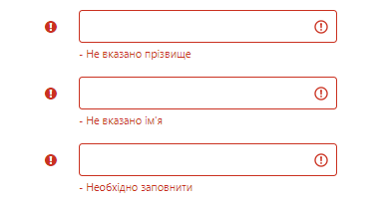
Actual Result (N/A, Blocked, Passed, Failed) | Passed | Passed | Failed |  | Actual Result (N/A, Blocked, Passed, Failed) | Passed | Passed
BUG ID |  |  | BG-2 |  | BUG ID

Preconditions | The user logged into account and profile page is opened |  |  |  |  |  |  |  | Preconditions | The user logged into account and profile page is opened

 | User in the editing menu |  |  |  |  |  |  |  |  | User in the editing menu

Test ID | 11 |  |  |  |  |  |  |  | Test ID | 12
Test Priority | High |  |  |  |  |  |  |  | Test Priority | High
Module name | Editing |  |  |  |  |  |  |  | Module name | Editing
Test title | Name and Surname fields only for letters |  |  |  |  |  |  |  | Test title | Changes are saved
Test Description | User can't enter just numbers in fields "Ім'я", "Прізвище" |  |  |  |  |  |  |  | Test Description | User can save changes

Step | 1 | 2 | RESULT |  |  |  |  |  | Step | 1 | 2 | 3 | 4 | 5 | 6 | RESULT
Test Step | Enter only numbers in "Ім'я" input and save | Enter only numbers in "Прізвище" input and save | Failed |  |  |  |  |  | Test Step | Enter value in "Ім'я" input and save | Enter value in "Прізвище" input and save | Enter value in "Електронна пошта" input and save | Enter value in "Ідентифікатор профілю MoodleNet" input and save | Enter value in "Місто" input and save | Enter value in "Опис" input and save | Passed
Test Data | \ | \ |  |  |  |  |  |  | Test Data | \ | \ | \ | \ | \ | \
Expected Result | User get error message | User get error message |  |  |  |  |  |  | Expected Result | Information has been saved and info displayed on the page | Information has been saved and info displayed on the page | Information has been saved and info displayed on the page | Information has been saved and info displayed on the page | Information has been saved and info displayed on the page | Information has been saved and info displayed on the page
Actual Result (N/A, Blocked, Passed, Failed) | Failed | Failed |  |  |  |  |  |  | Actual Result (N/A, Blocked, Passed, Failed) | Passed | Passed | Passed | Passed | Passed | Passed
BUG ID |  |  |  |  |  |  |  |  | BUG ID
 |  |  |  |  |  |  |  |  |  |  | *Localization error

Preconditions | The user logged into account and profile page is opened |  |  |  |  |  |  |  |  | Preconditions |  | The user logged into account and profile page is opened

 | User in the editing menu |  |  |  |  |  |  |  |  |  |  | User in the editing menu

Test ID | 14 |  |  |  |  |  |  |  |  | Test ID |  | 15
Test Priority | Medium |  |  |  |  |  |  |  |  | Test Priority |  | Medium
Module name | Editing |  |  |  |  |  |  |  |  | Module name |  | Editing
Test title | Delete photo |  |  |  |  |  |  |  |  | Test title |  | New photo
Test Description | User can delete photo from their profile |  |  |  |  |  |  |  |  | Test Description |  | User can upload photo from their profile

Step | 1 | 2 | RESULT |  |  |  |  |  |  | Step |  | 1 | 2 | 3 | RESULT
Test Step | Press on "Видалити" checkbox | Press on "Оновити профіль" button | Passed | 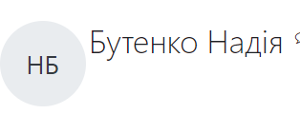 |  |  |  |  |  | Test Step |  | Press on file icon | Press "choose file" button and upload the picture | Press on "Оновити профіль" button | Passed | 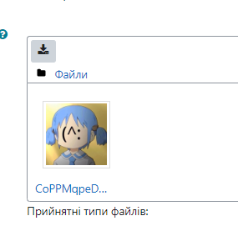
Test Data | \ | \ |  |  |  |  |  |  |  | Test Data |  | \ | \ | \
Expected Result | Checkbox has been activated | Photo has been deleted |  |  |  |  |  |  |  | Expected Result |  | Pop up "Вибір файлу" has been appeared | Picture appeared in the textbox | Photo has been established
Actual Result (N/A, Blocked, Passed, Failed) | Passed | Passed |  |  |  |  |  |  |  | Actual Result (N/A, Blocked, Passed, Failed) |  | Passed | Passed | Passed
BUG ID |  |  |  |  |  |  |  |  |  | BUG ID

Preconditions | The user logged into account and profile page is opened |  |  |  |  |  |  |  |  | Preconditions |  | The user logged into account and profile page is opened

 | User in the editing menu |  |  |  |  |  |  |  |  |  |  | User in the editing menu
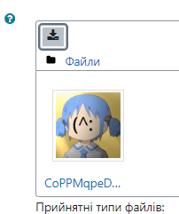

Test ID | 16 |  |  |  |  |  |  |  |  | Test ID |  | 17
Test Priority | Medium |  |  |  |  |  |  |  |  | Test Priority |  | Medium
Module name | Editing |  |  |  |  |  |  |  |  | Module name |  | Editing
Test title | Upload photo |  |  |  |  |  |  |  |  | Test title |  | Upload big size picture
Test Description | User can upload only 1 picture |  |  |  |  |  |  |  |  | Test Description |  | User can upload only 512 MB picture

Step | 1 | 2 | RESULT |  |  |  |  |  |  | Step |  | 1 | 2 | 3 | RESULT
Test Step | Press on file icon | Press one more time on the file icon | Passed |  |  |  |  |  |  | Test Step |  | Press on file icon | Press "choose file" button and upload the picture | Press on "Оновити профіль" button | Passed
Test Data | \ | \ |  |  |  |  |  |  |  | Test Data |  | \ | \ | \
Expected Result | Pop up "Вибір файлу" has been appeared | User can only download his picture |  |  |  |  |  |  |  | Expected Result |  | Pop up "Вибір файлу" has been appeared | Picture appeared in the textbox | User ger error message
Actual Result (N/A, Blocked, Passed, Failed) | Passed | Passed |  |  |  |  |  |  |  | Actual Result (N/A, Blocked, Passed, Failed) |  | Passed | Passed | Passed
BUG ID |  |  |  |  |  |  |  |  |  | BUG ID

Preconditions | The user logged into account and profile page is opened

 | User in the editing menu


Test ID | 18
Test Priority | Medium
Module name | Editing
Test title | List of categories is iteractive
Test Description | User can collapse or expand list of categories

Step | 1 | 2 | 3 | RESULT
Test Step | Collaps each of items in list | Press on "Розгорнути всі" label | Press on "Згорнути всe" label | Passed
Test Data | \ | \ | \
Expected Result | Items are collapsed | Items are expand | Items collapsed
Actual Result (N/A, Blocked, Passed, Failed) | Passed | Passed | Passed
BUG ID

RESULT
Test Coverage
 | Passed | Failed | Blocked | N/A
Authorization | 3
Naviation | 3 | 1
Page Editing | 2
UserInfo | 8 | 1
Localization |  | 2
 | Passed | Failed | Blocked | N/A | TOTAL
Authorization | 3 |  |  |  | 3
Naviation | 3 | 1 |  |  | 4
Page Editing | 2 |  |  |  | 2
UserInfo | 8 | 1 |  |  | 9
Localization |  | 2 |  |  | 2
 |  |  |  |  | 20

