Sheet1
Optimization In Data Science Summary
Family | Algorithm | Batch | Updates | Formula | Summary
GD | Gradient Descent | Full Training Set | For Every Data Instance |  | Simplest optimization function in the family. Its primary function is to iteratively move in the opposite direction of the gradient until the max number of iterations is reached or a stopping rule is applied. The following are the basic steps: 1. Initialize the inputs (weights) randomly and select a learning rate 2. Calculate the gradient 3. Adjust the inputs (weights) with the gradients 4. Use new inputs (weights) to repeats steps 2 and 3 until some condition (ie. inputs (weights) no longer significantly reduce error, max iterations, etc.)
 | Batch Gradient Desecent | Full Training Set | Once Per Batch
SGD | Pure Stochastic Gradient Descent | Mini-batch: Randomly chosen subset of the training set. All data in the trainset must be included in a mini-batch | For Every Data Instance |  | To improve the computional power and storage requirements of gradient descent we can add the idea of mini batches. Mini-batches are randomly chosen subsets of the training set. All data in the trainset must be included in a mini-batch for every epoch. This introduces or could introduce a significant amount of noise in our data. We can either update our parameters for data instance in the mini-batch or once per mini-batch.
 | Stochastic Gradient Descent | Mini-batch: Randomly chosen subset of the training set. All data in the trainset must be included in a mini-batch | Once Per Batch
SGDM | Stochastic Gradient Descent with Momentum | Mini-batch: Randomly chosen subset of the training set. All data in the trainset must be included in a mini-batch | Once Per Batch |  | Now, to fix the noise introduced with SGD we add in momentum. This takes into account the gradients before the current gradient as a moving weighted average. This will help the algorithm to cut through the noise and converge faster.
ADAM | Stochastic Gradient Descent with ADAptive Moment Estimation | Mini-batch: Randomly chosen subset of the training set. All data in the trainset must be included in a mini-batch | Once Per Batch | 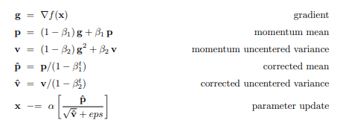 | Finally, to improve perfomance further we combine momentum from SGDM with the exponential moving average of the sum of squared gradients borrowed from RMSprop (another algorithm). This allows us to have very high weighted momentum in the beginning epochs, but fades exponentiallly as the time steps increase. All of this afford better preformance over the other models and allows us to converge faster.

