Sheet1
cohesion | no of edges | factor | modularity
0.1 | 9 | 0.09 | 0.17553191489 | for cohesion (0.1-0.5) -> Eqn : V1 * V2 * (1-C) * 0.1
0.2 | 8 | 0.08 | 0.20454545455
0.3 | 7 | 0.07 | 0.28135802469
0.4 | 6 | 0.06 | 0.3511342155
0.5 | 5 | 0.05 | 0.41916232639
0.6 | 2 | 0.022184874962 | 0.5805785124 | for cohesion (0.6 - 0.9) -> Eqn : V1 * V2 * log10(C) *(-0.1)
0.7 | 1 | 0.015490195999 | 0.64832899306
0.8 | 1 | 0.0096910013008 | 0.65663580247
0.9 | 1 | 0.0045757490561 | 0.66212039774

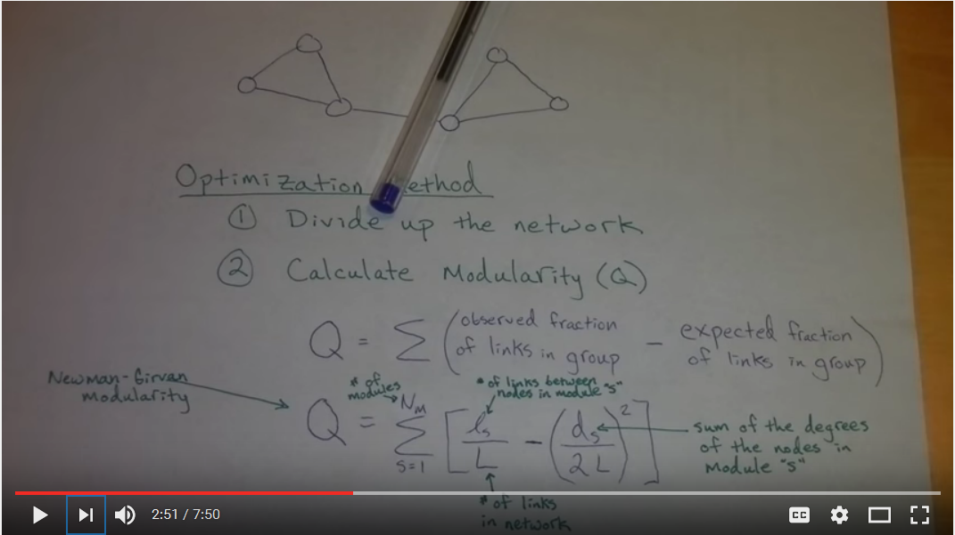

 |  |  |  |  | We calculated the Newman Girvan Modularity(Q) here. Equation is : Q = (summation of all the modules)[(ls/L) - square(ds/2L)] here ls = number of links between nodes in the module s L = number of links in the network ds = sum of the degrees of the nodes in module s

Sheet2
cohesion | no of edges | factor | modularity
0.1 | 36 | 0.09 | 0.17553191489 | for cohesion (0.1-0.5) -> Eqn : V1 * V2 * (1-C) * 0.1
0.2 | 32 | 0.08 | 0.20454545455
0.3 | 28 | 0.07 | 0.28135802469
0.4 | 24 | 0.06 | 0.3511342155
0.5 | 20 | 0.05 | 0.41916232639
0.6 | 8 | 0.022184874962 | 0.5805785124 | for cohesion (0.6 - 0.9) -> Eqn : V1 * V2 * log10(C) *(-0.1)
0.7 | 6 | 0.015490195999 | 0.64832899306
0.8 | 3 | 0.0096910013008 | 0.65663580247
0.9 | 1 | 0.0045757490561 | 0.66212039774
 | factor
0.1 | 0.09
0.2 | 0.08
0.3 | 0.07
0.4 | 0.06
0.5 | 0.05
0.6 | 0.022184874962
0.7 | 0.015490195999
0.8 | 0.0096910013008
0.9 | 0.0045757490561

 | modularity
0.1 | 0.17553191489
0.2 | 0.20454545455
0.3 | 0.28135802469
0.4 | 0.3511342155
0.5 | 0.41916232639
0.6 | 0.5805785124
0.7 | 0.64832899306
0.8 | 0.65663580247
0.9 | 0.66212039774

 |  |  |  |  | We calculated the Newman Girvan Modularity(Q) here. Equation is : Q = (summation of all the modules)[(ls/L) - square(ds/2L)] here ls = number of links between nodes in the module s L = number of links in the network ds = sum of the degrees of the nodes in module s

Sheet3
cohesion | no of edges | factor | modularity
0.1 | 9 | 0.9 | 0.17553191489 | for cohesion (0.1-0.5) -> Eqn : max (v1,v2) * (1-C)
0.2 | 8 | 0.8 | 0.20454545455
0.3 | 7 | 0.7 | 0.28135802469
0.4 | 6 | 0.6 | 0.3511342155
0.5 | 5 | 0.5 | 0.41916232639
0.6 | 3 | 0.22184874962 | 0.5805785124 | for cohesion (0.6 - 0.9) -> Eqn : V1 * V2 * log10(C) *(-0.1)
0.7 | 2 | 0.015490195999 | 0.64832899306
0.8 | 1 | 0.0096910013008 | 0.65663580247
0.9 | 1 | 0.0045757490561 | 0.66212039774
 | factor
0.1 | 0.09
0.2 | 0.08
0.3 | 0.07
0.4 | 0.06
0.5 | 0.05
0.6 | 0.022184874962
0.7 | 0.015490195999
0.8 | 0.0096910013008
0.9 | 0.0045757490561
 | no of edges
0.1 | 36
0.2 | 32
0.3 | 28
0.4 | 24
0.5 | 20
0.6 | 8
0.7 | 6
0.8 | 3
0.9 | 1

 | modularity
0.1 | 0.17553191489
0.2 | 0.20454545455
0.3 | 0.28135802469
0.4 | 0.3511342155
0.5 | 0.41916232639
0.6 | 0.5805785124
0.7 | 0.64832899306
0.8 | 0.65663580247
0.9 | 0.66212039774

 |  |  |  |  | We calculated the Newman Girvan Modularity(Q) here. Equation is : Q = (summation of all the modules)[(ls/L) - square(ds/2L)] here ls = number of links between nodes in the module s L = number of links in the network ds = sum of the degrees of the nodes in module s

Sheet4
cohesion | no of edges | outside edges | taking high | log(10) factor | Modularity
0.1 | 12 | 12 | 12 | -1 | 0.21
0.2 | 8 | 8 | 9 | -0.69897000434 | 0.3287037037
0.3 | 6 | 6 | 7 | -0.52287874528 | 0.4358974359
0.4 | 4 | 5 | 5 | -0.39794000867 | 0.49400328241
0.5 | 3 | 4 | 4 | -0.30102999566 | 0.53248646397
0.6 | 2 | 3 | 3 | -0.22184874962 | 0.5709502551
0.7 | 1 | 2 | 2 | -0.15490195999 | 0.60288920578
0.8 | 1 | 1 | 2 | -0.096910013008 | 0.6287755102
0.9 | 1 | 1 | 1 | -0.045757490561 | 0.63098862362

