PovertyReport
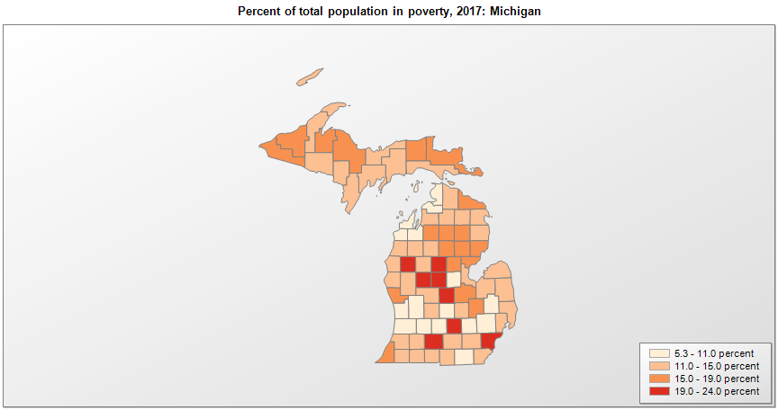
 | Percent | Number
 |  |  |  | All people in poverty (2017) |  |  | Children ages 0-17 in poverty (2017)
 |  |  |  |  | 90% confidence interval of estimate |  |  | 90% confidence interval of estimate
FIPS* |  | Name | RUC Code | Percent | Lower Bound | Upper Bound | Percent | Lower Bound | Upper Bound
26000 |  | Michigan |  | 14.1 | 13.9 | 14.3 | 19.6 | 19.1 | 20.1
26001 |  | Alcona | 9 | 14.6 | 11.4 | 17.8 | 28.7 | 21.4 | 36
26003 |  | Alger | 7 | 13 | 10 | 16 | 18.4 | 13.7 | 23.1
26005 |  | Allegan | 4 | 9.5 | 7.8 | 11.2 | 12.5 | 9.7 | 15.3
26007 |  | Alpena | 7 | 13.8 | 11.3 | 16.3 | 21.5 | 16.1 | 26.9
26009 |  | Antrim | 9 | 11.1 | 9.1 | 13.1 | 17.8 | 13 | 22.6
26011 |  | Arenac | 8 | 15.7 | 12.9 | 18.5 | 25.9 | 20.1 | 31.7
26013 |  | Baraga | 9 | 16.7 | 13.4 | 20 | 23.6 | 18 | 29.2
26015 |  | Barry | 2 | 8.8 | 7.1 | 10.5 | 11.7 | 8.9 | 14.5
26017 |  | Bay | 3 | 14.5 | 12.6 | 16.4 | 19.4 | 15.4 | 23.4
26019 |  | Benzie | 9 | 9.4 | 7.6 | 11.2 | 15.2 | 11.3 | 19.1
26021 |  | Berrien | 3 | 17.3 | 15.5 | 19.1 | 26.6 | 22.9 | 30.3
26023 |  | Branch | 6 | 12.6 | 10.4 | 14.8 | 19.1 | 14.6 | 23.6
26025 |  | Calhoun | 3 | 19.1 | 17.2 | 21 | 28.4 | 24.7 | 32.1
26027 |  | Cass | 2 | 12 | 9.5 | 14.5 | 17.9 | 13.5 | 22.3
26029 |  | Charlevoix | 7 | 10.1 | 8.1 | 12.1 | 15.2 | 11.4 | 19
26031 |  | Cheboygan | 7 | 14.3 | 11.4 | 17.2 | 25.8 | 19.4 | 32.2
26033 |  | Chippewa | 7 | 17 | 14 | 20 | 21.7 | 17 | 26.4
26035 |  | Clare | 6 | 22.3 | 19.2 | 25.4 | 37.8 | 31.5 | 44.1
26037 |  | Clinton | 2 | 7.4 | 6.3 | 8.5 | 7.7 | 5.7 | 9.7
26039 |  | Crawford | 7 | 16.6 | 13.1 | 20.1 | 30.5 | 23.2 | 37.8
26041 |  | Delta | 5 | 12.6 | 10.1 | 15.1 | 18.2 | 14 | 22.4
26043 |  | Dickinson | 7 | 12.1 | 9.9 | 14.3 | 15.7 | 12 | 19.4
26045 |  | Eaton | 2 | 8.7 | 7.4 | 10 | 12.7 | 10 | 15.4
26047 |  | Emmet | 7 | 8.5 | 6.8 | 10.2 | 12.1 | 9.1 | 15.1
26049 |  | Genesee | 2 | 18.3 | 16.9 | 19.7 | 26.3 | 23.3 | 29.3
26051 |  | Gladwin | 6 | 16.6 | 13.7 | 19.5 | 27.3 | 20.7 | 33.9
26053 |  | Gogebic | 7 | 18.7 | 15.1 | 22.3 | 28 | 21.6 | 34.4
26055 |  | Grand Traverse | 5 | 9.3 | 7.8 | 10.8 | 11.4 | 8.8 | 14
26057 |  | Gratiot | 6 | 19.5 | 17 | 22 | 22.5 | 18.3 | 26.7
26059 |  | Hillsdale | 6 | 14 | 11.9 | 16.1 | 20.2 | 15.8 | 24.6
26061 |  | Houghton | 5 | 14.9 | 12.3 | 17.5 | 15.3 | 11.3 | 19.3
26063 |  | Huron | 7 | 13.4 | 11.2 | 15.6 | 20.4 | 16.5 | 24.3
26065 |  | Ingham | 2 | 19.8 | 18.4 | 21.2 | 23.7 | 20.6 | 26.8
26067 |  | Ionia | 4 | 11.6 | 9.7 | 13.5 | 14.5 | 11.4 | 17.6
26069 |  | Iosco | 7 | 17 | 14.2 | 19.8 | 28.1 | 21.8 | 34.4
26071 |  | Iron | 7 | 13.5 | 10.5 | 16.5 | 24 | 17.9 | 30.1
26073 |  | Isabella | 4 | 23.8 | 22.2 | 25.4 | 17 | 13.5 | 20.5
26075 |  | Jackson | 3 | 13.3 | 11.5 | 15.1 | 21.2 | 17.3 | 25.1
26077 |  | Kalamazoo | 2 | 14 | 12.6 | 15.4 | 16.1 | 13.2 | 19
26079 |  | Kalkaska | 7 | 17.1 | 14.7 | 19.5 | 24 | 18.7 | 29.3
26081 |  | Kent | 2 | 10.4 | 9.3 | 11.5 | 14.1 | 11.9 | 16.3
26083 |  | Keweenaw | 9 | 12.2 | 9.5 | 14.9 | 15.5 | 11.6 | 19.4
26085 |  | Lake | 9 | 22.1 | 17.7 | 26.5 | 38.8 | 28.9 | 48.7
26087 |  | Lapeer | 1 | 8.7 | 7.2 | 10.2 | 11.9 | 8.9 | 14.9
26089 |  | Leelanau | 9 | 7.1 | 5.7 | 8.5 | 10.9 | 8.1 | 13.7
26091 |  | Lenawee | 4 | 10.4 | 8.6 | 12.2 | 14.3 | 11.1 | 17.5
26093 |  | Livingston | 1 | 5.3 | 4.6 | 6 | 6.3 | 5.1 | 7.5
26095 |  | Luce | 7 | 19 | 14.5 | 23.5 | 26.3 | 19.5 | 33.1
26097 |  | Mackinac | 7 | 14.3 | 11.8 | 16.8 | 21.9 | 16.5 | 27.3
26099 |  | Macomb | 1 | 11.2 | 10.3 | 12.1 | 15.7 | 13.9 | 17.5
26101 |  | Manistee | 7 | 13.5 | 10.7 | 16.3 | 22.1 | 16.6 | 27.6
26103 |  | Marquette | 5 | 16.7 | 14.9 | 18.5 | 17.7 | 14.6 | 20.8
26105 |  | Mason | 7 | 13.3 | 10.8 | 15.8 | 21.2 | 16.2 | 26.2
26107 |  | Mecosta | 6 | 20.3 | 17.6 | 23 | 26.7 | 22 | 31.4
26109 |  | Menominee | 7 | 11.8 | 9.4 | 14.2 | 17 | 12.4 | 21.6
26111 |  | Midland | 3 | 10.7 | 9 | 12.4 | 13 | 10.3 | 15.7
26113 |  | Missaukee | 9 | 14.2 | 11.5 | 16.9 | 21.7 | 16.6 | 26.8
26115 |  | Monroe | 3 | 11.7 | 10.3 | 13.1 | 14.4 | 11.8 | 17
26117 |  | Montcalm | 2 | 14.9 | 12.4 | 17.4 | 21.2 | 16.3 | 26.1
26119 |  | Montmorency | 9 | 14.1 | 10.5 | 17.7 | 28.5 | 20.8 | 36.2
26121 |  | Muskegon | 3 | 15.2 | 13.3 | 17.1 | 21.5 | 17.4 | 25.6
26123 |  | Newaygo | 6 | 14.4 | 12 | 16.8 | 21.4 | 16.9 | 25.9
26125 |  | Oakland | 1 | 7.8 | 7.2 | 8.4 | 9.3 | 7.9 | 10.7
26127 |  | Oceana | 6 | 14.6 | 11.9 | 17.3 | 21.5 | 16.1 | 26.9
26129 |  | Ogemaw | 9 | 16.2 | 13.3 | 19.1 | 27 | 19.9 | 34.1
26131 |  | Ontonagon | 9 | 15.6 | 12.3 | 18.9 | 27.2 | 20.7 | 33.7
26133 |  | Osceola | 9 | 14.7 | 12.2 | 17.2 | 22.8 | 17.4 | 28.2
26135 |  | Oscoda | 9 | 18 | 14.5 | 21.5 | 29.4 | 21.9 | 36.9
26137 |  | Otsego | 7 | 12 | 9.7 | 14.3 | 18.6 | 14.4 | 22.8
26139 |  | Ottawa | 2 | 8.2 | 7.2 | 9.2 | 8.2 | 6.8 | 9.6
26141 |  | Presque Isle | 7 | 15.4 | 12.9 | 17.9 | 27 | 21.6 | 32.4
26143 |  | Roscommon | 7 | 18.8 | 15.9 | 21.7 | 37.8 | 30.7 | 44.9
26145 |  | Saginaw | 3 | 17.5 | 15.6 | 19.4 | 24.2 | 19.7 | 28.7
26147 |  | St. Clair | 1 | 12.4 | 10.5 | 14.3 | 18.6 | 15 | 22.2
26149 |  | St. Joseph | 4 | 13 | 10.4 | 15.6 | 19.4 | 15 | 23.8
26151 |  | Sanilac | 6 | 14.5 | 12.5 | 16.5 | 22.1 | 17.6 | 26.6
26153 |  | Schoolcraft | 7 | 14.6 | 11.7 | 17.5 | 23.2 | 17.3 | 29.1
26155 |  | Shiawassee | 4 | 11.1 | 8.9 | 13.3 | 16.5 | 12.5 | 20.5
26157 |  | Tuscola | 6 | 14.2 | 12.1 | 16.3 | 19.8 | 15.6 | 24
26159 |  | Van Buren | 2 | 12.8 | 10.6 | 15 | 18.1 | 13.9 | 22.3
26161 |  | Washtenaw | 2 | 12.9 | 11.8 | 14 | 11.4 | 9.1 | 13.7
26163 |  | Wayne | 1 | 22.6 | 21.8 | 23.4 | 33.4 | 31.7 | 35.1
26165 |  | Wexford | 7 | 13.5 | 11 | 16 | 20.9 | 16.1 | 25.7

See the county-level poverty rates from the 1990 and 2000 Census of Population. See important notes about intercensal model-based poverty estimates. The 2013 rural-urban continuum codes classify metropolitan counties (codes 1 through 3) by size of the Metropolitan Statistical Area (MSA), and nonmetropolitan counties (codes 4 through 9) by degree of urbanization and proximity to metro areas. See rural-urban continuum codes for precise definitions of each code. Source: Census Bureau, Small Area Income and Poverty Estimates.

*See the Census Bureau web site for a description of FIPS codes.

