PovertyReport
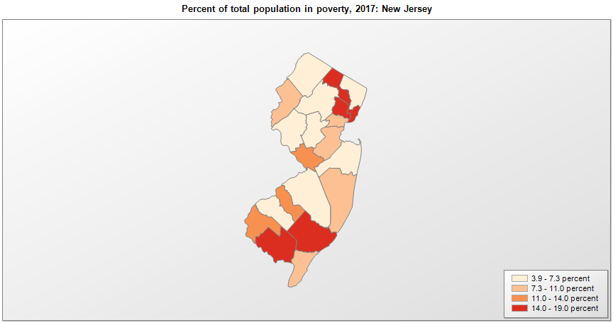
 | Percent | Number
 |  |  |  | All people in poverty (2017) |  |  | Children ages 0-17 in poverty (2017)
 |  |  |  |  | 90% confidence interval of estimate |  |  | 90% confidence interval of estimate
FIPS* |  | Name | RUC Code | Percent | Lower Bound | Upper Bound | Percent | Lower Bound | Upper Bound
34000 |  | New Jersey |  | 10 | 9.8 | 10.2 | 13.8 | 13.2 | 14.4
34001 |  | Atlantic | 2 | 14.4 | 12.8 | 16 | 21.1 | 18 | 24.2
34003 |  | Bergen | 1 | 6.6 | 5.8 | 7.4 | 6.8 | 5.6 | 8
34005 |  | Burlington | 1 | 6.5 | 5.6 | 7.4 | 8.2 | 6.8 | 9.6
34007 |  | Camden | 1 | 11.7 | 10.3 | 13.1 | 16.6 | 14 | 19.2
34009 |  | Cape May | 3 | 10.4 | 8.5 | 12.3 | 16.3 | 12.4 | 20.2
34011 |  | Cumberland | 3 | 18.4 | 16.1 | 20.7 | 28.1 | 24 | 32.2
34013 |  | Essex | 1 | 15.7 | 14.4 | 17 | 21.2 | 18.7 | 23.7
34015 |  | Gloucester | 1 | 6.7 | 5.6 | 7.8 | 9.2 | 7.4 | 11
34017 |  | Hudson | 1 | 14.1 | 12.8 | 15.4 | 21.9 | 18.6 | 25.2
34019 |  | Hunterdon | 1 | 3.9 | 3.1 | 4.7 | 3.5 | 2.6 | 4.4
34021 |  | Mercer | 2 | 11.4 | 10 | 12.8 | 15.1 | 12.8 | 17.4
34023 |  | Middlesex | 1 | 8.5 | 7.7 | 9.3 | 11 | 9.4 | 12.6
34025 |  | Monmouth | 1 | 7.3 | 6.4 | 8.2 | 9.3 | 7.7 | 10.9
34027 |  | Morris | 1 | 4.9 | 4.1 | 5.7 | 5.1 | 4 | 6.2
34029 |  | Ocean | 1 | 10.2 | 9.1 | 11.3 | 15.7 | 13 | 18.4
34031 |  | Passaic | 1 | 16.5 | 15 | 18 | 24.4 | 21.6 | 27.2
34033 |  | Salem | 1 | 13.3 | 11.3 | 15.3 | 21.7 | 18.4 | 25
34035 |  | Somerset | 1 | 5.3 | 4.4 | 6.2 | 5.5 | 4.2 | 6.8
34037 |  | Sussex | 1 | 5.3 | 4.2 | 6.4 | 6.2 | 4.7 | 7.7
34039 |  | Union | 1 | 9.3 | 8 | 10.6 | 13.4 | 11.2 | 15.6
34041 |  | Warren | 2 | 7.4 | 5.9 | 8.9 | 9.7 | 7.4 | 12

See the county-level poverty rates from the 1990 and 2000 Census of Population. See important notes about intercensal model-based poverty estimates. The 2013 rural-urban continuum codes classify metropolitan counties (codes 1 through 3) by size of the Metropolitan Statistical Area (MSA), and nonmetropolitan counties (codes 4 through 9) by degree of urbanization and proximity to metro areas. See rural-urban continuum codes for precise definitions of each code. Source: Census Bureau, Small Area Income and Poverty Estimates.

*See the Census Bureau web site for a description of FIPS codes.

