PovertyReport
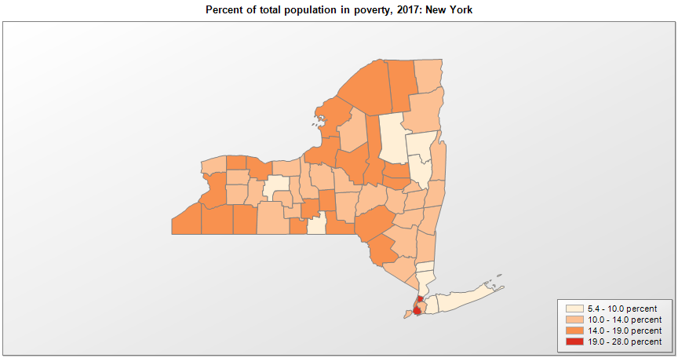
 | Percent | Number
 |  |  |  | All people in poverty (2017) |  |  | Children ages 0-17 in poverty (2017)
 |  |  |  |  | 90% confidence interval of estimate |  |  | 90% confidence interval of estimate
FIPS* |  | Name | RUC Code | Percent | Lower Bound | Upper Bound | Percent | Lower Bound | Upper Bound
36000 |  | New York |  | 14.1 | 13.9 | 14.3 | 19.9 | 19.4 | 20.4
36001 |  | Albany | 2 | 11.3 | 9.9 | 12.7 | 13.2 | 10.2 | 16.2
36003 |  | Allegany | 7 | 16.3 | 13.6 | 19 | 25 | 20.1 | 29.9
36005 |  | Bronx | 1 | 27.9 | 26.6 | 29.2 | 39.3 | 36.7 | 41.9
36007 |  | Broome | 2 | 17.5 | 16 | 19 | 21.2 | 17.6 | 24.8
36009 |  | Cattaraugus | 4 | 15.8 | 13.7 | 17.9 | 23.4 | 19 | 27.8
36011 |  | Cayuga | 4 | 12.6 | 10.2 | 15 | 19.7 | 15.2 | 24.2
36013 |  | Chautauqua | 4 | 17.7 | 15.4 | 20 | 27.5 | 22.9 | 32.1
36015 |  | Chemung | 3 | 15.3 | 12.8 | 17.8 | 23.7 | 18.9 | 28.5
36017 |  | Chenango | 6 | 12.6 | 10.3 | 14.9 | 18.2 | 13.5 | 22.9
36019 |  | Clinton | 5 | 13.7 | 11.2 | 16.2 | 17.3 | 13.3 | 21.3
36021 |  | Columbia | 6 | 10.5 | 8.5 | 12.5 | 16.2 | 12.5 | 19.9
36023 |  | Cortland | 4 | 15.7 | 12.9 | 18.5 | 20.1 | 15.6 | 24.6
36025 |  | Delaware | 6 | 17.9 | 15.2 | 20.6 | 30 | 24.9 | 35.1
36027 |  | Dutchess | 1 | 10.1 | 8.9 | 11.3 | 12.9 | 10.8 | 15
36029 |  | Erie | 1 | 14.5 | 13.5 | 15.5 | 21.4 | 19.2 | 23.6
36031 |  | Essex | 6 | 10.6 | 8.1 | 13.1 | 16.8 | 12.6 | 21
36033 |  | Franklin | 7 | 18.9 | 16.3 | 21.5 | 26.7 | 22 | 31.4
36035 |  | Fulton | 4 | 15.9 | 13.5 | 18.3 | 25.3 | 20.6 | 30
36037 |  | Genesee | 4 | 10.8 | 9.1 | 12.5 | 14.5 | 11.4 | 17.6
36039 |  | Greene | 6 | 12.7 | 9.9 | 15.5 | 19.5 | 14.7 | 24.3
36041 |  | Hamilton | 8 | 9.8 | 7.5 | 12.1 | 15.8 | 11.8 | 19.8
36043 |  | Herkimer | 2 | 14.3 | 11.6 | 17 | 21.2 | 16.4 | 26
36045 |  | Jefferson | 3 | 15.1 | 13 | 17.2 | 21 | 17 | 25
36047 |  | Kings | 1 | 19.8 | 18.9 | 20.7 | 26.7 | 24.7 | 28.7
36049 |  | Lewis | 6 | 12.5 | 9.8 | 15.2 | 20.2 | 15.4 | 25
36051 |  | Livingston | 1 | 12 | 9.7 | 14.3 | 14.6 | 11.1 | 18.1
36053 |  | Madison | 2 | 10.8 | 8.7 | 12.9 | 14.4 | 11 | 17.8
36055 |  | Monroe | 1 | 14.6 | 13.7 | 15.5 | 22.2 | 20.2 | 24.2
36057 |  | Montgomery | 4 | 17.8 | 14.9 | 20.7 | 28.7 | 22.9 | 34.5
36059 |  | Nassau | 1 | 6.2 | 5.5 | 6.9 | 7.7 | 6.4 | 9
36061 |  | New York | 1 | 16.3 | 15.2 | 17.4 | 23.4 | 20.7 | 26.1
36063 |  | Niagara | 1 | 12.4 | 10.7 | 14.1 | 17.6 | 13.9 | 21.3
36065 |  | Oneida | 2 | 16.1 | 14.3 | 17.9 | 24.9 | 21.3 | 28.5
36067 |  | Onondaga | 2 | 13.7 | 12.5 | 14.9 | 19.9 | 17.5 | 22.3
36069 |  | Ontario | 1 | 9.3 | 7.7 | 10.9 | 13.1 | 10.2 | 16
36071 |  | Orange | 1 | 10.9 | 9.1 | 12.7 | 16.5 | 13.2 | 19.8
36073 |  | Orleans | 1 | 15.2 | 13 | 17.4 | 23.7 | 19.5 | 27.9
36075 |  | Oswego | 2 | 16.3 | 13.8 | 18.8 | 23.2 | 19 | 27.4
36077 |  | Otsego | 7 | 13.1 | 10.4 | 15.8 | 19.6 | 15.2 | 24
36079 |  | Putnam | 1 | 5.4 | 4.3 | 6.5 | 5.9 | 4.4 | 7.4
36081 |  | Queens | 1 | 12.2 | 11.4 | 13 | 16.3 | 14.3 | 18.3
36083 |  | Rensselaer | 2 | 11.5 | 9.9 | 13.1 | 15.4 | 12.1 | 18.7
36085 |  | Richmond | 1 | 11.9 | 10.6 | 13.2 | 16.8 | 14 | 19.6
36087 |  | Rockland | 1 | 13.3 | 11.6 | 15 | 21.8 | 18.5 | 25.1
36089 |  | St. Lawrence | 4 | 18.9 | 16.4 | 21.4 | 28.8 | 24.6 | 33
36091 |  | Saratoga | 2 | 6.6 | 5.6 | 7.6 | 7.9 | 6.3 | 9.5
36093 |  | Schenectady | 2 | 12.8 | 10.7 | 14.9 | 18.8 | 14.8 | 22.8
36095 |  | Schoharie | 2 | 13.9 | 11.4 | 16.4 | 19.1 | 14.5 | 23.7
36097 |  | Schuyler | 6 | 13.9 | 11.4 | 16.4 | 23 | 18 | 28
36099 |  | Seneca | 6 | 12 | 9.5 | 14.5 | 19.2 | 14 | 24.4
36101 |  | Steuben | 4 | 12.8 | 10.9 | 14.7 | 19.1 | 15 | 23.2
36103 |  | Suffolk | 1 | 7 | 6.3 | 7.7 | 8.9 | 7.4 | 10.4
36105 |  | Sullivan | 4 | 14.9 | 11.9 | 17.9 | 24.8 | 19.1 | 30.5
36107 |  | Tioga | 2 | 9.9 | 7.7 | 12.1 | 15.8 | 11.7 | 19.9
36109 |  | Tompkins | 3 | 18.6 | 16.4 | 20.8 | 15 | 11.6 | 18.4
36111 |  | Ulster | 3 | 13.7 | 11.7 | 15.7 | 17.4 | 13.8 | 21
36113 |  | Warren | 3 | 9.7 | 7.5 | 11.9 | 15.4 | 11.4 | 19.4
36115 |  | Washington | 3 | 11.7 | 9.5 | 13.9 | 17.6 | 13.5 | 21.7
36117 |  | Wayne | 1 | 12.1 | 10.5 | 13.7 | 16.3 | 13.1 | 19.5
36119 |  | Westchester | 1 | 8.5 | 7.7 | 9.3 | 10.6 | 8.9 | 12.3
36121 |  | Wyoming | 6 | 11.2 | 9.3 | 13.1 | 15 | 12 | 18
36123 |  | Yates | 1 | 13.9 | 11 | 16.8 | 24.4 | 18.5 | 30.3

See the county-level poverty rates from the 1990 and 2000 Census of Population. See important notes about intercensal model-based poverty estimates. The 2013 rural-urban continuum codes classify metropolitan counties (codes 1 through 3) by size of the Metropolitan Statistical Area (MSA), and nonmetropolitan counties (codes 4 through 9) by degree of urbanization and proximity to metro areas. See rural-urban continuum codes for precise definitions of each code. Source: Census Bureau, Small Area Income and Poverty Estimates.

*See the Census Bureau web site for a description of FIPS codes.

