PovertyReport
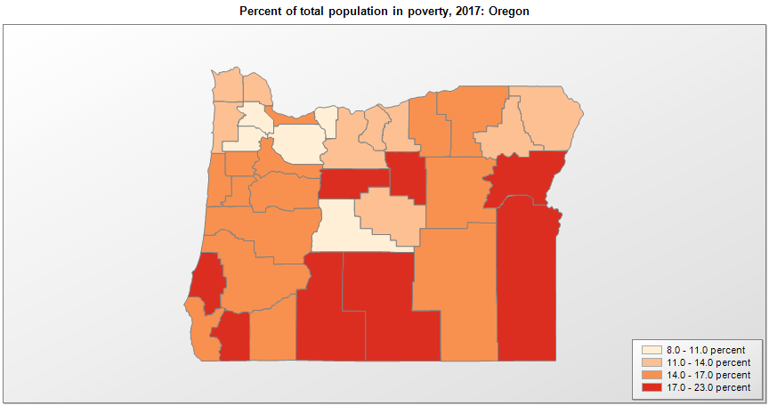
 | Percent | Number
 |  |  |  | All people in poverty (2017) |  |  | Children ages 0-17 in poverty (2017)
 |  |  |  |  | 90% confidence interval of estimate |  |  | 90% confidence interval of estimate
FIPS* |  | Name | RUC Code | Percent | Lower Bound | Upper Bound | Percent | Lower Bound | Upper Bound
41000 |  | Oregon |  | 13.2 | 12.9 | 13.5 | 16.5 | 15.6 | 17.4
41001 |  | Baker | 7 | 17.7 | 14.1 | 21.3 | 27.1 | 20.9 | 33.3
41003 |  | Benton | 3 | 16 | 14.3 | 17.7 | 12 | 9 | 15
41005 |  | Clackamas | 1 | 8.3 | 7.3 | 9.3 | 9.9 | 7.9 | 11.9
41007 |  | Clatsop | 4 | 12.2 | 9.7 | 14.7 | 17.4 | 12.5 | 22.3
41009 |  | Columbia | 1 | 12.3 | 10.3 | 14.3 | 16.6 | 13.1 | 20.1
41011 |  | Coos | 5 | 19.9 | 17 | 22.8 | 27.3 | 21.2 | 33.4
41013 |  | Crook | 6 | 13.3 | 10.4 | 16.2 | 20.9 | 15.5 | 26.3
41015 |  | Curry | 7 | 15.5 | 12.1 | 18.9 | 24.5 | 18.3 | 30.7
41017 |  | Deschutes | 3 | 9.7 | 8 | 11.4 | 12.4 | 9.4 | 15.4
41019 |  | Douglas | 4 | 14.9 | 12.4 | 17.4 | 22.6 | 17.6 | 27.6
41021 |  | Gilliam | 9 | 11.2 | 8.4 | 14 | 17.7 | 13 | 22.4
41023 |  | Grant | 9 | 15.3 | 11.7 | 18.9 | 24.5 | 18 | 31
41025 |  | Harney | 7 | 15.7 | 12.1 | 19.3 | 22.9 | 16.6 | 29.2
41027 |  | Hood River | 6 | 10.6 | 8 | 13.2 | 14.6 | 10.6 | 18.6
41029 |  | Jackson | 3 | 14.3 | 12.2 | 16.4 | 21 | 17 | 25
41031 |  | Jefferson | 6 | 17.2 | 13.9 | 20.5 | 26.3 | 20 | 32.6
41033 |  | Josephine | 3 | 17.8 | 14.8 | 20.8 | 26.7 | 20.5 | 32.9
41035 |  | Klamath | 5 | 19.2 | 16.3 | 22.1 | 25.8 | 19.7 | 31.9
41037 |  | Lake | 7 | 18.9 | 15 | 22.8 | 23.6 | 17.7 | 29.5
41039 |  | Lane | 2 | 16.6 | 15.1 | 18.1 | 18.4 | 14.9 | 21.9
41041 |  | Lincoln | 5 | 16.2 | 13.4 | 19 | 25.8 | 19.9 | 31.7
41043 |  | Linn | 3 | 14.3 | 12 | 16.6 | 18.2 | 13.9 | 22.5
41045 |  | Malheur | 6 | 22.2 | 17.3 | 27.1 | 29.8 | 22.4 | 37.2
41047 |  | Marion | 2 | 15.2 | 13.4 | 17 | 20.4 | 17.2 | 23.6
41049 |  | Morrow | 6 | 14.2 | 11 | 17.4 | 18.6 | 13.8 | 23.4
41051 |  | Multnomah | 1 | 14.4 | 13.4 | 15.4 | 17.3 | 15 | 19.6
41053 |  | Polk | 2 | 14.7 | 12.7 | 16.7 | 16.4 | 13.1 | 19.7
41055 |  | Sherman | 9 | 12.2 | 9.1 | 15.3 | 17.4 | 12.7 | 22.1
41057 |  | Tillamook | 6 | 13.9 | 11 | 16.8 | 21.5 | 16.4 | 26.6
41059 |  | Umatilla | 4 | 15.6 | 13.1 | 18.1 | 19.5 | 15.3 | 23.7
41061 |  | Union | 7 | 13.3 | 10.5 | 16.1 | 17.6 | 12.7 | 22.5
41063 |  | Wallowa | 9 | 13.5 | 10.4 | 16.6 | 20.2 | 14.8 | 25.6
41065 |  | Wasco | 6 | 13.8 | 10.7 | 16.9 | 20.8 | 15.5 | 26.1
41067 |  | Washington | 1 | 8 | 7.1 | 8.9 | 9.4 | 7.7 | 11.1
41069 |  | Wheeler | 9 | 20.6 | 16.3 | 24.9 | 40.2 | 30.6 | 49.8
41071 |  | Yamhill | 1 | 11 | 9.1 | 12.9 | 12.8 | 9.6 | 16

See the county-level poverty rates from the 1990 and 2000 Census of Population. See important notes about intercensal model-based poverty estimates. The 2013 rural-urban continuum codes classify metropolitan counties (codes 1 through 3) by size of the Metropolitan Statistical Area (MSA), and nonmetropolitan counties (codes 4 through 9) by degree of urbanization and proximity to metro areas. See rural-urban continuum codes for precise definitions of each code. Source: Census Bureau, Small Area Income and Poverty Estimates.

*See the Census Bureau web site for a description of FIPS codes.

