6s19p
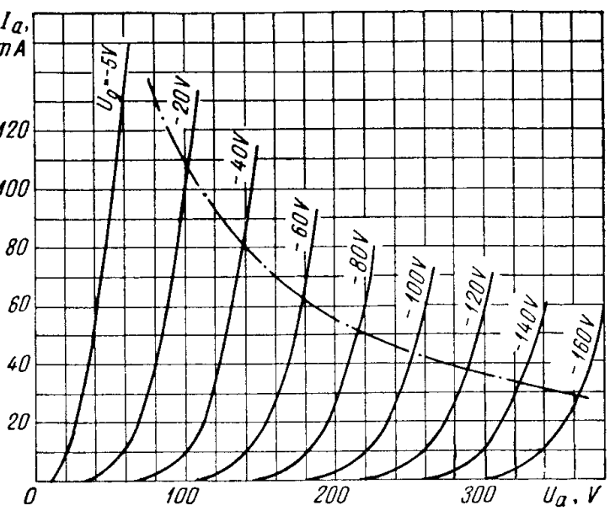

 |  |  |  | more lowers graph
 |  |  |  |  | more improves curvature
 |  |  |  |  |  | higher lower graph orientation

 |  |  |  |  |  |  | more spread graphs apart

 |  |  |  |  |  |  |  | diform lower part
 |  |  |  |  |  |  |  |  |  |  |  | 1000 | 1.95 | 4 | 9 | 1200 | 0
 |  |  |  |  |  |  |  |  | move graph left |  |  | 400 | 1.9 | 3.5 | 11 | 2500 | -8
 |  |  |  | Kg1 | ex | mu | kp | kvb | vgc |  |  | 1500 | 2.5 | 6 | 7.5 | 1500 | 0
 |  |  |  | 2500 | 2 | 2.6 | 13 | 2000 | -3 |  |  | 7000 | 2.45 | 3.2 | 9.9 | 1500 | 3
 |  |  |  |  |  | 1 |  |  |  |  |  | 2500 | 2 | 2.6 | 14 | 2000 | -3.5
E1
 |  | Vg
Va |  | -5 | -20 | -40 | -60 | -80 | -100 | -120 | -140 | -160 | -160 | -160
 | 0 | 0 | 0 | 0 | 0 | 0 | 0 | 0 | 0 | 0 | 0 | 0
 | 30 | 7.1866132287 | 1.049203931 | 0.010605102433 | 8.5054476988E-05 | 6.8060814171E-07 | 5.446145067E-09 | 4.3579498983E-11 | 3.4895163682E-13 | 2.5620531338E-15 | 2.5620531338E-15 | 2.5620531338E-15
 | 60 | 16.785819666 | 6.0762127809 | 0.37477412938 | 0.012079306121 | 0.00037469830005 | 1.1608810771E-05 | 3.5964761766E-07 | 1.1142075966E-08 | 3.4518746834E-10 | 3.4518746834E-10 | 3.4518746834E-10
 | 90 | 27.581183348 | 14.876571737 | 3.1224819161 | 0.29067174176 | 0.022299257351 | 0.0016802561645 | 0.00012643357457 | 9.5127101773E-06 | 7.1571928989E-07 | 7.1571928989E-07 | 7.1571928989E-07
 | 120 | 38.796559215 | 25.222829929 | 9.78635581 | 2.0431921151 | 0.29550157739 | 0.039343565395 | 0.0051754435814 | 0.00067970913087 | 8.9249697993E-05 | 8.9249697993E-05 | 8.9249697993E-05
 | 150 | 50.175897819 | 36.164615385 | 18.963333818 | 6.7348116281 | 1.6181275261 | 0.32530215739 | 0.062495563975 | 0.011896096611 | 0.002260415962 | 0.002260415962 | 0.002260415962
 | 180 | 61.629300093 | 47.369375741 | 29.280077144 | 14.2247902 | 5.0633165923 | 1.4284324152 | 0.36551393508 | 0.090869400246 | 0.022422628194 | 0.022422628194 | 0.022422628194
 | 210 | 73.120402666 | 58.705963108 | 40.119806143 | 23.458384856 | 10.993109783 | 4.1190093072 | 1.3405661952 | 0.41114029399 | 0.12358372865 | 0.12358372865 | 0.12358372865
 | 240 | 84.632550739 | 70.115459123 | 51.224273691 | 33.631149772 | 18.918959287 | 8.8589335755 | 3.5541900877 | 1.3039595426 | 0.45998725929 | 0.45998725929 | 0.45998725929
 | 270 | 96.157320639 | 81.568448153 | 62.476022448 | 44.310806475 | 28.153941896 | 15.54137835 | 7.4370658813 | 3.198984904 | 1.2962139554 | 1.2962139554 | 1.2962139554
 | 300 | 107.69010268 | 93.048969787 | 73.816223114 | 55.278398855 | 38.18694112 | 23.725764109 | 13.072529327 | 6.4658208421 | 2.9674789018 | 2.9674789018 | 2.9674789018
 | 330 | 119.22820937 | 104.54777019 | 85.212860336 | 66.41947982 | 48.705007333 | 32.951328466 | 20.238631475 | 11.265532026 | 5.7835369235 | 5.7835369235 | 5.7835369235
 | 360 | 130.76999066 | 116.05918727 | 96.647290125 | 77.670889481 | 59.525892808 | 42.868531706 | 28.59141304 | 17.52462696 | 9.9278146682 | 9.9278146682 | 9.9278146682

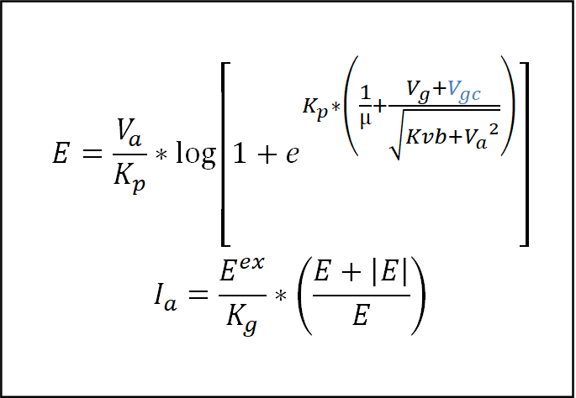
Ip
 |  | Vg
Va |  | -5 | -20 | -40 | -60 | -80 | -100 | -120 | -140 | -160 | -160 | -160
 | 0 | 0 | 0 | 0 | 0 | 0 | 0 | 0 | 0 | 0 | 0 | 0
 | 30 | 0.02065896388 | 0.00044033155555 | 4.4987279048E-08 | 2.8937056223E-12 | 1.8529097702E-16 | 1.1864198436E-20 | 7.5966909266E-25 | 4.8706897935E-29 | 2.6256465041E-33 | 2.6256465041E-33 | 2.6256465041E-33
 | 60 | 0.11270549674 | 0.014768144704 | 5.6182259222E-05 | 5.8363854545E-08 | 5.6159526424E-11 | 5.3905795009E-14 | 5.1738563556E-17 | 4.9658342736E-20 | 4.766175532E-23 | 4.766175532E-23 | 4.766175532E-23
 | 90 | 0.30428866994 | 0.088524954655 | 0.0038999573265 | 3.3796024582E-05 | 1.9890275137E-07 | 1.1293043113E-09 | 6.3941795116E-12 | 3.6196661967E-14 | 2.0490164077E-16 | 2.0490164077E-16 | 2.0490164077E-16
 | 120 | 0.60206920277 | 0.25447645984 | 0.038309104016 | 0.0016698536077 | 3.4928472896E-05 | 6.191664552E-07 | 1.0714086506E-08 | 1.8480180103E-10 | 3.1862034367E-12 | 3.1862034367E-12 | 3.1862034367E-12
 | 150 | 1.0070482888 | 0.52315176239 | 0.14384321179 | 0.018143075066 | 0.0010473346763 | 4.2328597441E-05 | 1.5622782066E-06 | 5.6606845835E-08 | 2.0437921284E-09 | 2.0437921284E-09 | 2.0437921284E-09
 | 180 | 1.519268252 | 0.89754310325 | 0.34292916702 | 0.080937862496 | 0.010254869966 | 0.00081616766589 | 5.3440174695E-05 | 3.3028991604E-06 | 2.0110970206E-07 | 2.0110970206E-07 | 2.0110970206E-07
 | 210 | 2.1386373144 | 1.3785560418 | 0.64383953799 | 0.22011832802 | 0.048339385083 | 0.0067864950692 | 0.00071884708945 | 6.7614536535E-05 | 6.1091751952E-06 | 6.1091751952E-06 | 6.1091751952E-06
 | 240 | 2.8650674579 | 1.9664710432 | 1.049570486 | 0.45242169399 | 0.14317080821 | 0.031392281638 | 0.0050529068718 | 0.00068012419552 | 8.4635311485E-05 | 8.4635311485E-05 | 8.4635311485E-05
 | 270 | 3.698492125 | 2.6613646936 | 1.5613013524 | 0.78537902819 | 0.31705777772 | 0.096613776411 | 0.022123979569 | 0.0040934017665 | 0.00067206824729 | 0.00067206824729 | 0.00067206824729
 | 300 | 4.6388632861 | 3.4632443114 | 2.1795339179 | 1.222280552 | 0.58329698884 | 0.22516475302 | 0.068356409206 | 0.016722735665 | 0.003522372413 | 0.003522372413 | 0.003522372413
 | 330 | 5.6861463642 | 4.3720945003 | 2.9044926267 | 1.7646189198 | 0.94887109572 | 0.43431601908 | 0.16384088159 | 0.050764884733 | 0.013379719738 | 0.013379719738 | 0.013379719738
 | 360 | 6.8403161831 | 5.3878939799 | 3.7362794754 | 2.4131068291 | 1.4173327658 | 0.73508440427 | 0.32698755985 | 0.12284502003 | 0.039424601634 | 0.039424601634 | 0.039424601634

6n13s
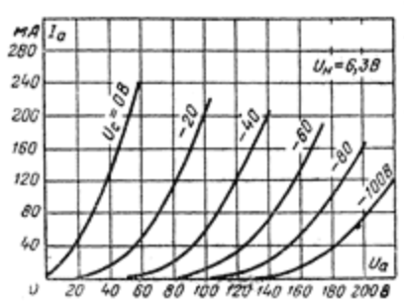

 |  |  |  | more lowers graph
 |  |  |  |  | more improves curvature
 |  |  |  |  |  | higher lower graph orientation

 |  |  |  |  |  |  | more spread graphs apart

 |  |  |  |  |  |  |  | diform lower part
 |  |  |  |  |  |  |  |  |  |  |  | 1300 | 1.6 | 2 | 8.5 | 2000 | -3
 |  |  |  |  |  |  |  |  | move graph left |  |  | 1300 | 1.55 | 2 | 8.4 | 300 | 3
 |  |  |  | Kg1 | ex | mu | kp | kvb | vgc |  |  | 500 | 1.5 | 3 | 6.2 | 400 | 2
 |  |  |  | 510 | 1.5 | 2.97 | 6.2 | 650 | 2.3 |  |  | 600 | 1.55 | 2.9 | 6.8 | 500 | 2
 |  |  | original | 1060 | 1.4 | 100 | 600 | 300 | 0 |  |  | 510 | 1.5 | 2.97 | 6.2 | 650 | 2.3
E1
 |  | Vg
Va |  | 0 | -20 | -40 | -60 | -80 | -100 | -100 | -100 | -100 | -100 | -100
 | 0 | 0 | 0 | 0 | 0 | 0 | 0 | 0 | 0 | 0 | 0 | 0
 | 20 | 8.4014085704 | 0.77806319625 | 0.019108705805 | 0.00041741245943 | 9.0921832019E-06 | 1.9803596076E-07 | 1.9803596076E-07 | 1.9803596076E-07 | 1.9803596076E-07 | 1.9803596076E-07 | 1.9803596076E-07
 | 40 | 15.974159888 | 3.7840445411 | 0.3662930307 | 0.027540866363 | 0.0020208131463 | 0.00014800571255 | 0.00014800571255 | 0.00014800571255 | 0.00014800571255 | 0.00014800571255 | 0.00014800571255
 | 60 | 23.237954512 | 8.860028273 | 1.9529317028 | 0.3177139358 | 0.048088965184 | 0.0071928935665 | 0.0071928935665 | 0.0071928935665 | 0.0071928935665 | 0.0071928935665 | 0.0071928935665
 | 80 | 30.411378047 | 14.938406562 | 5.218429823 | 1.3909864078 | 0.33111856706 | 0.076367376706 | 0.076367376706 | 0.076367376706 | 0.076367376706 | 0.076367376706 | 0.076367376706
 | 100 | 37.552725588 | 21.46741562 | 9.8124706928 | 3.6227863525 | 1.1774648206 | 0.36321598446 | 0.36321598446 | 0.36321598446 | 0.36321598446 | 0.36321598446 | 0.36321598446
 | 120 | 44.680407893 | 28.21768247 | 15.259560212 | 7.0130389224 | 2.8547365828 | 1.0882975448 | 1.0882975448 | 1.0882975448 | 1.0882975448 | 1.0882975448 | 1.0882975448
 | 140 | 51.801423931 | 35.087916742 | 21.230084537 | 11.34688315 | 5.4528640881 | 2.4432754184 | 2.4432754184 | 2.4432754184 | 2.4432754184 | 2.4432754184 | 2.4432754184
 | 160 | 58.91884567 | 42.028842617 | 27.527385562 | 16.379919023 | 8.9102658752 | 4.5286869206 | 4.5286869206 | 4.5286869206 | 4.5286869206 | 4.5286869206 | 4.5286869206
 | 180 | 66.034176666 | 49.014291824 | 34.03615235 | 21.913765256 | 13.093386213 | 7.3502024252 | 7.3502024252 | 7.3502024252 | 7.3502024252 | 7.3502024252 | 7.3502024252
 | 200 | 73.148217429 | 56.029317623 | 40.687127251 | 27.805144107 | 17.857420878 | 10.848829836 | 10.848829836 | 10.848829836 | 10.848829836 | 10.848829836 | 10.848829836
 | 220 | 80.26142347 | 63.064857463 | 47.437211336 | 33.954567735 | 23.074904191 | 14.935430953 | 14.935430953 | 14.935430953 | 14.935430953 | 14.935430953 | 14.935430953
 | 220 | 80.26142347 | 63.064857463 | 47.437211336 | 33.954567735 | 23.074904191 | 14.935430953 | 14.935430953 | 14.935430953 | 14.935430953 | 14.935430953 | 14.935430953

Ip
 |  | Vg
Va |  | 0 | -20 | -40 | -60 | -80 | -100 | -100 | -100 | -100 | -100 | -100
 | 0 | 0 | 0 | 0 | 0 | 0 | 0 | 0 | 0 | 0 | 0 | 0
 | 20 | 0.047748307505 | 0.0013457120252 | 5.1793675931E-06 | 1.6721604078E-08 | 5.3756636902E-11 | 1.728008655E-13 | 1.728008655E-13 | 1.728008655E-13 | 1.728008655E-13 | 1.728008655E-13 | 1.728008655E-13
 | 40 | 0.12518631753 | 0.01443325164 | 0.00043468315173 | 8.9618200821E-06 | 1.7812261472E-07 | 3.530592067E-09 | 3.530592067E-09 | 3.530592067E-09 | 3.530592067E-09 | 3.530592067E-09 | 3.530592067E-09
 | 60 | 0.21964770495 | 0.051710946322 | 0.0053513136594 | 0.0003511431662 | 2.0677497236E-05 | 1.1961489821E-06 | 1.1961489821E-06 | 1.1961489821E-06 | 1.1961489821E-06 | 1.1961489821E-06 | 1.1961489821E-06
 | 80 | 0.328839496 | 0.11321037693 | 0.02337435282 | 0.0032167266213 | 0.00037359850084 | 4.1380109212E-05 | 4.1380109212E-05 | 4.1380109212E-05 | 4.1380109212E-05 | 4.1380109212E-05 | 4.1380109212E-05
 | 100 | 0.45122382164 | 0.19502912428 | 0.060269471455 | 0.013520535987 | 0.0025052538293 | 0.00042921733435 | 0.00042921733435 | 0.00042921733435 | 0.00042921733435 | 0.00042921733435 | 0.00042921733435
 | 120 | 0.5856059999 | 0.29390829071 | 0.11688071232 | 0.036415744875 | 0.0094575551957 | 0.0022261339759 | 0.0022261339759 | 0.0022261339759 | 0.0022261339759 | 0.0022261339759 | 0.0022261339759
 | 140 | 0.73104207054 | 0.40753620751 | 0.19180388923 | 0.074945350963 | 0.024967027151 | 0.0074883901325 | 0.0074883901325 | 0.0074883901325 | 0.0074883901325 | 0.0074883901325 | 0.0074883901325
 | 160 | 0.88677035956 | 0.53425792108 | 0.28318958214 | 0.12998626037 | 0.052151381655 | 0.018896800178 | 0.018896800178 | 0.018896800178 | 0.018896800178 | 0.018896800178 | 0.018896800178
 | 180 | 1.0521628773 | 0.6728432845 | 0.3893502988 | 0.20114318911 | 0.092898305306 | 0.039073181393 | 0.039073181393 | 0.039073181393 | 0.039073181393 | 0.039073181393 | 0.039073181393
 | 200 | 1.2266917504 | 0.82234266645 | 0.50887997909 | 0.28748656202 | 0.14796463451 | 0.070065491019 | 0.070065491019 | 0.070065491019 | 0.070065491019 | 0.070065491019 | 0.070065491019
 | 220 | 1.4099058441 | 0.98199878769 | 0.64063188414 | 0.38795122976 | 0.21734001045 | 0.11317655273 | 0.11317655273 | 0.11317655273 | 0.11317655273 | 0.11317655273 | 0.11317655273
 | 220 | 1.4099058441 | 0.98199878769 | 0.64063188414 | 0.38795122976 | 0.21734001045 | 0.11317655273 | 0.11317655273 | 0.11317655273 | 0.11317655273 | 0.11317655273 | 0.11317655273

