Лист1
№ | Summary | Description | Steps to reproduce | Reproducibility | Severity | Priority | Symptom | Workaround | Comments | Attachments
1 | An error occurred when using the "Share" function via Facebook. | When you go to a news, publication, exhibition or any other page where there is a "Share" function, an error appears when using the "Share" function via Facebook. https://www.hermitagemuseum.org | 1. Go to the news page. 2. Go to any news item. 3. Click the "Share" button. 4. Select the Facebook logo. Defect: after choosing to share via facebook, an error appears (href should represent a valid URL). | Always | Major | High | Missing feature | No | When using the "Share" function with other social networks offered, everything works. | 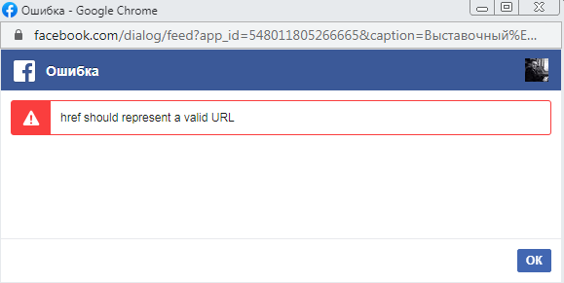

2 | Error in the title of the tab. | When using the site in Russian on the pages "Using images" and "About the site", the name of the tabs is indicated in English. https://www.hermitagemuseum.org | 1. Go to the Image Usage page." 2. Go to the page "About the site". Defect: the name of the tabs in English, when using the Russian version. | Always | Minor | Low | Cosmetic flaw | No | -

3 | In the English version, the content is in Russian. | When using the site in English, when you go to the "Hermitagetheatre" tab, all the content in this section is in Russian. https://www.hermitagemuseum.org | 1. Go to the menu. 2. Go to the "Hermitagetheatre" section. (https://www.hermitagemuseum.org/wps/portal/hermitage/hermitagetheatre?lng=en) Defect: when using the English version, in the section on the content in Russian. | Always | Medium | Normal | Localization issue | No | - | 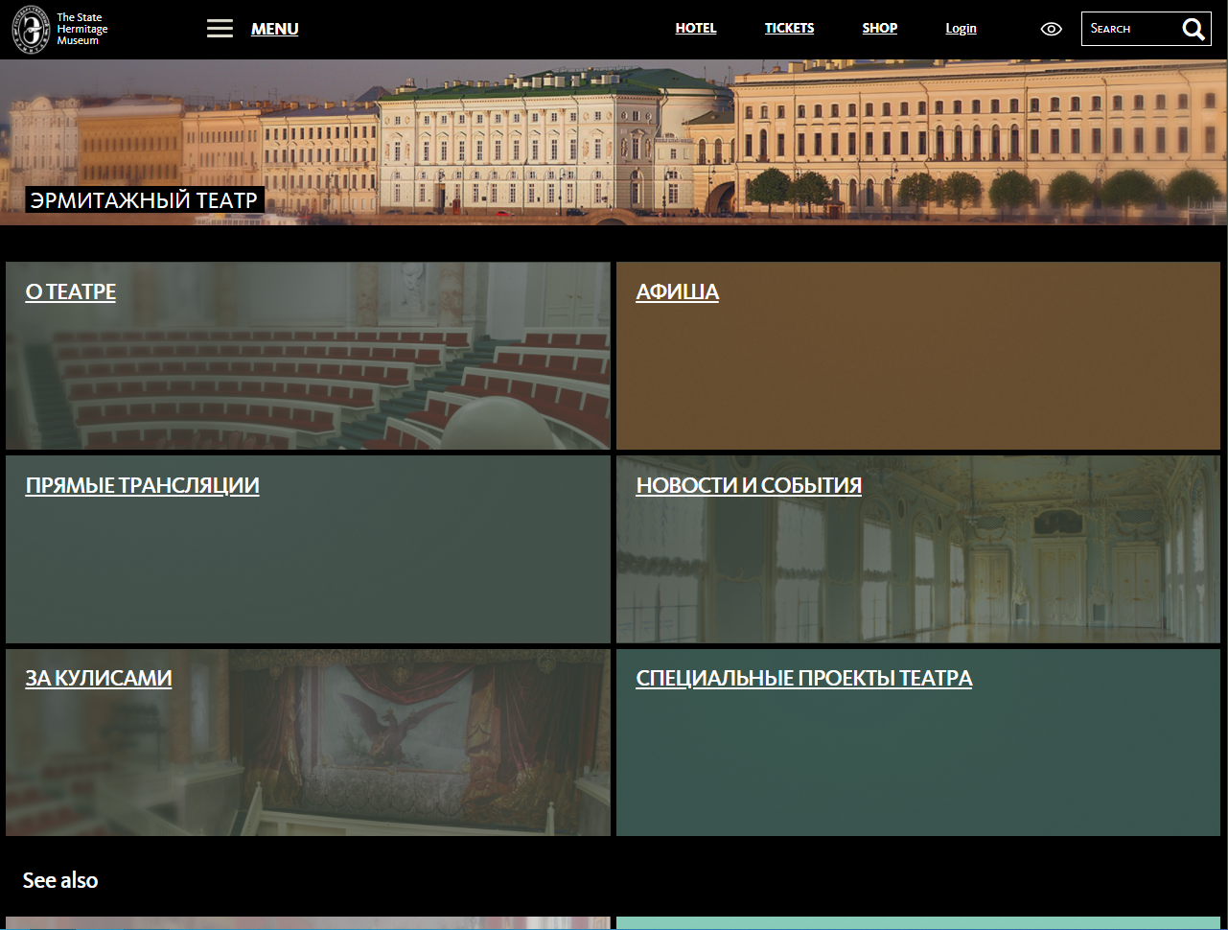

4 | In the past events, you can leave an application for participation. | In the past events, you can leave an application for participation. https://rigamall.ru/ | 1. Go to the menu. 2. Go to the "Events" section. 3. Select a past event. 4. Fill out the registration form | Always | Medium | Normal | Missing feature | No | - | -

5 | The <a> tag is not open in the description of the "OBI Recycling" campaign. | The <a> tag is not open in the description of the "OBI Recycling" campaign, because of this, the text is not displayed. https://rigamall.ru/ | 1. Go to the menu. 2. Go to the "Discounts and Promotions" section. 3. Select "OBI Recycling". | Always | Minor | Low | Cosmetic flaw | No | - | 