Quick look
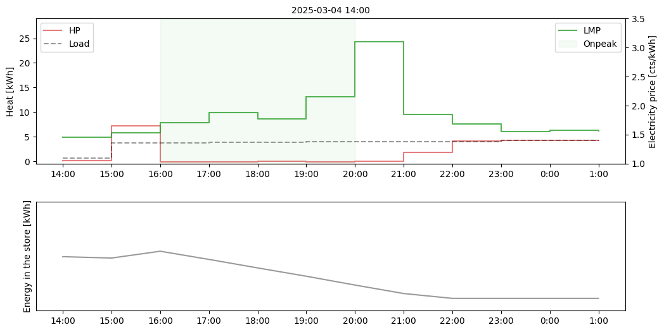

Plot
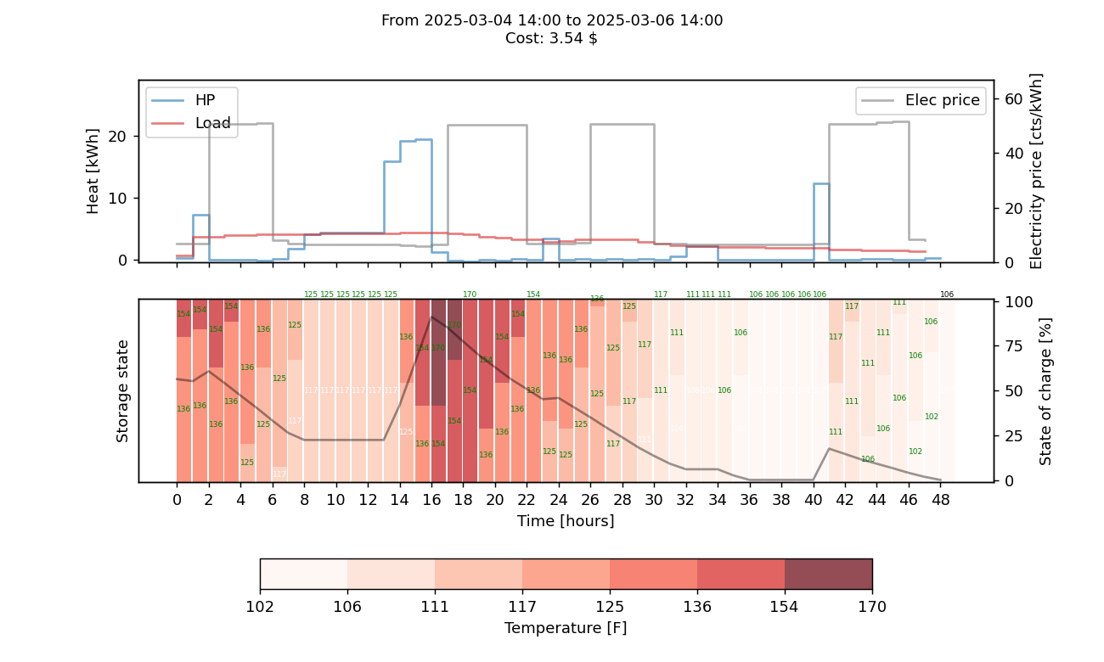

PQ pairs
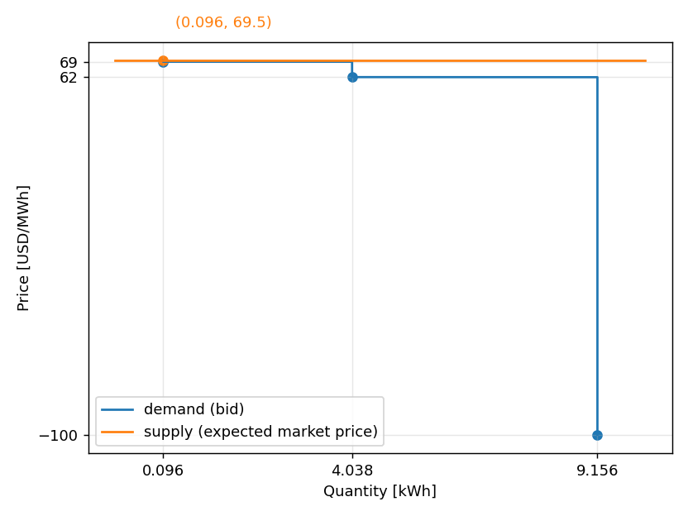
price | quantity
-100 | 9.156
62 | 4.038
69 | 0.096

