Quick look
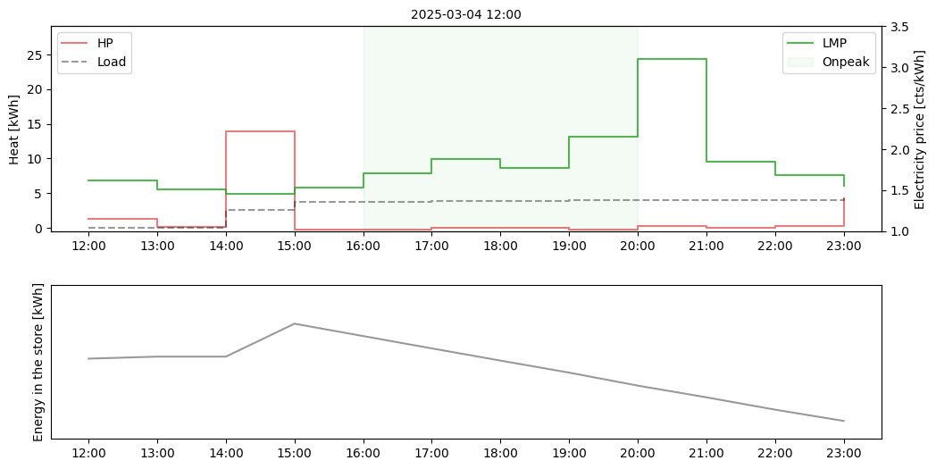

Plot
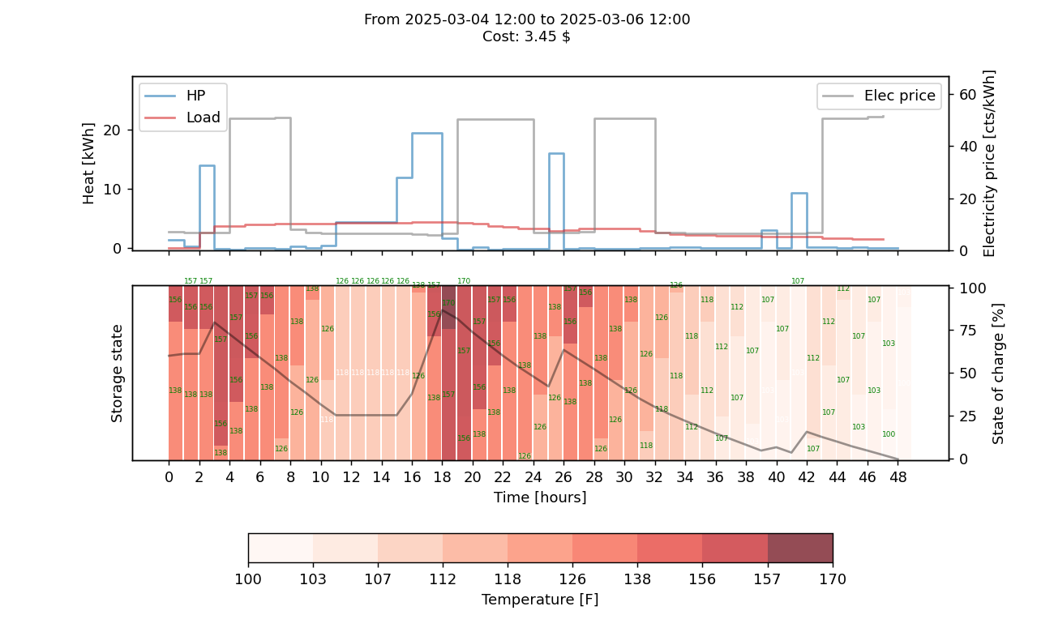

PQ pairs
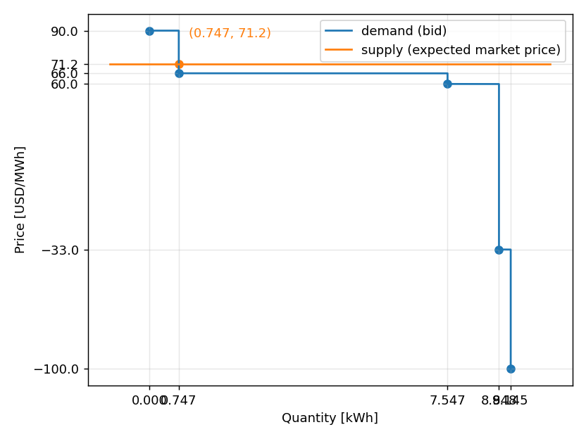
price | quantity
-100 | 9.145
-33 | 8.848
60 | 7.547
66 | 0.747
90 | 0

