Plot
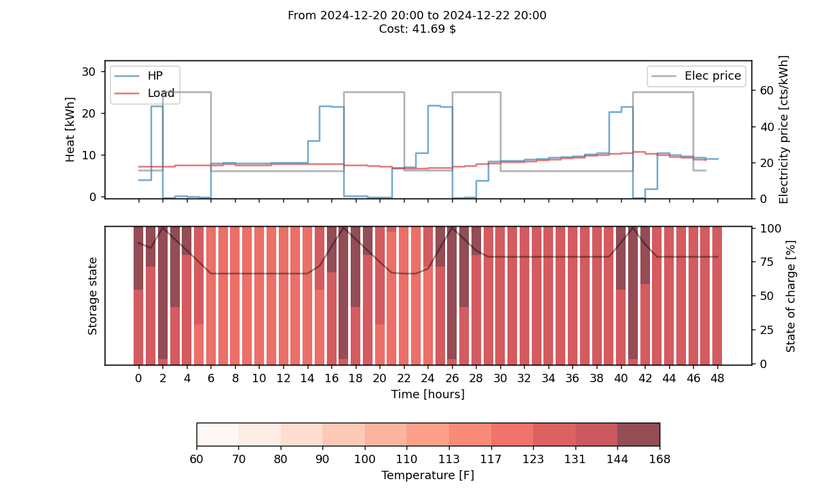

PQ pairs
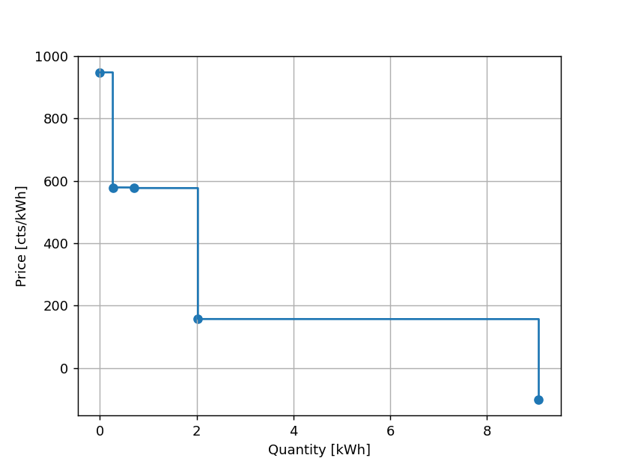
price | quantity
-100 | 9.072
157 | 2.028
577 | 0.708
579 | 0.268
948 | 0

