Plot
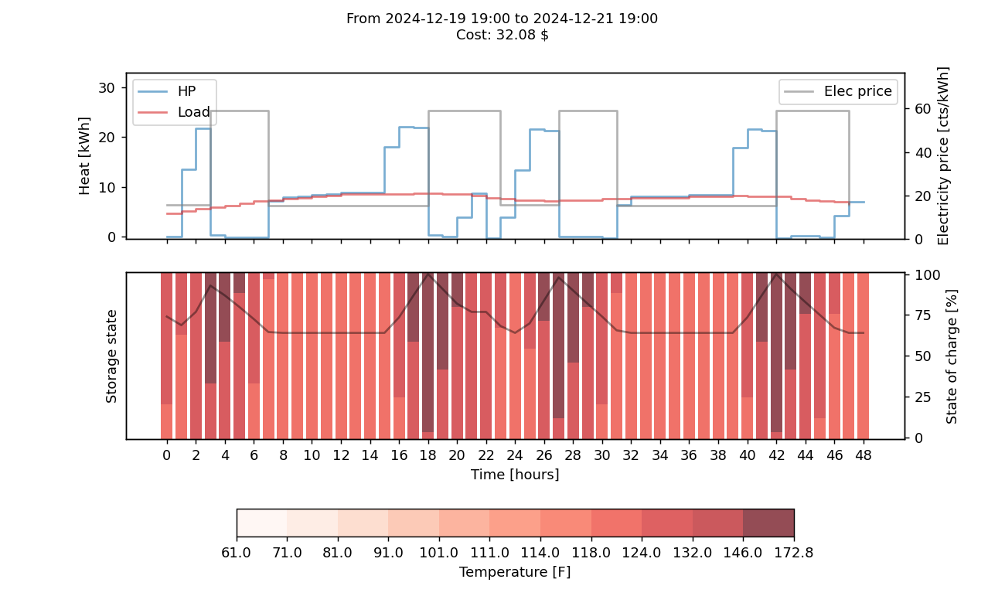

PQ pairs
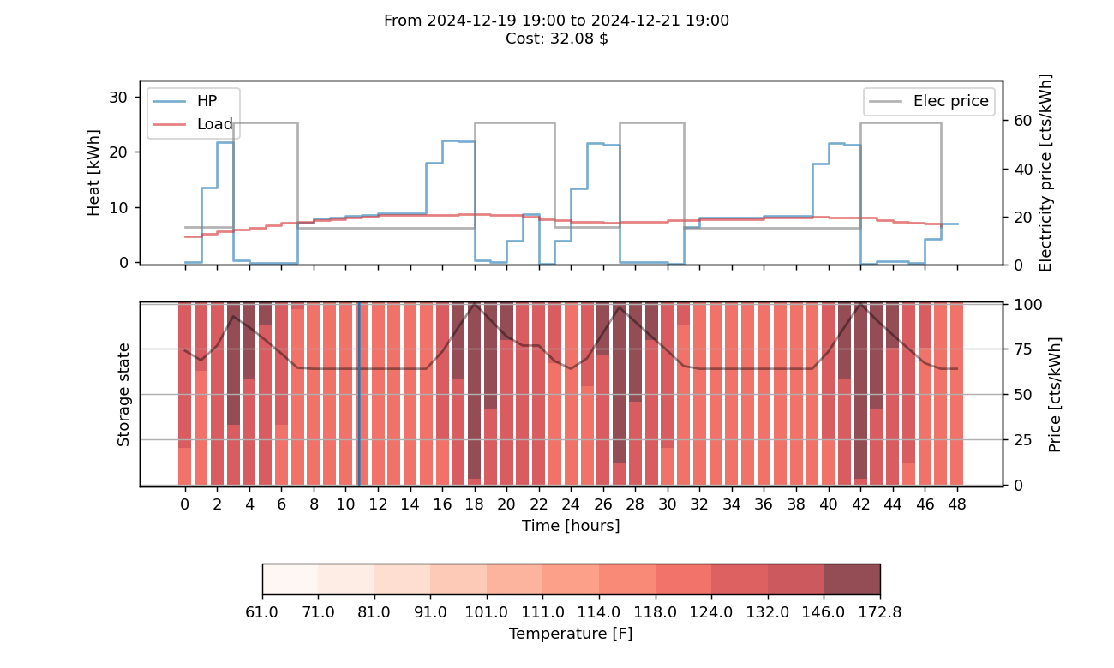
price | quantity
-100 | 10.836
156 | 6.902
157 | 0.239
168 | 0

