Plot
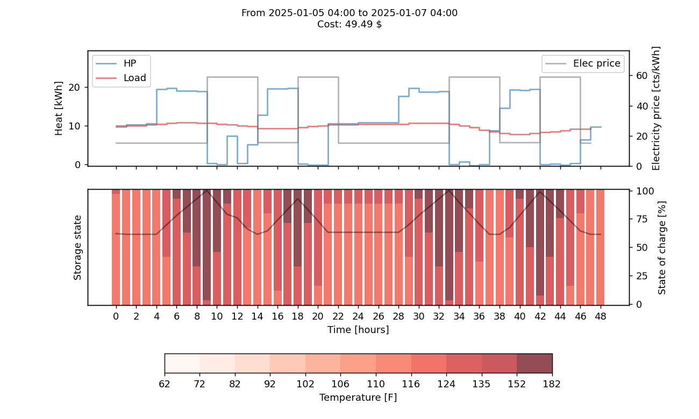

PQ pairs
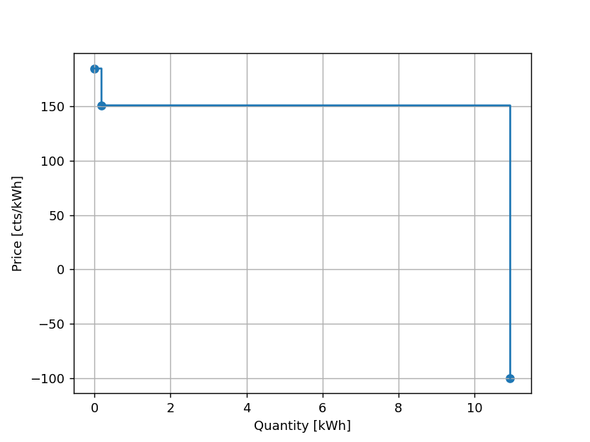
price | quantity
-100 | 10.944
151 | 0.183
185 | 0

