Tree structure
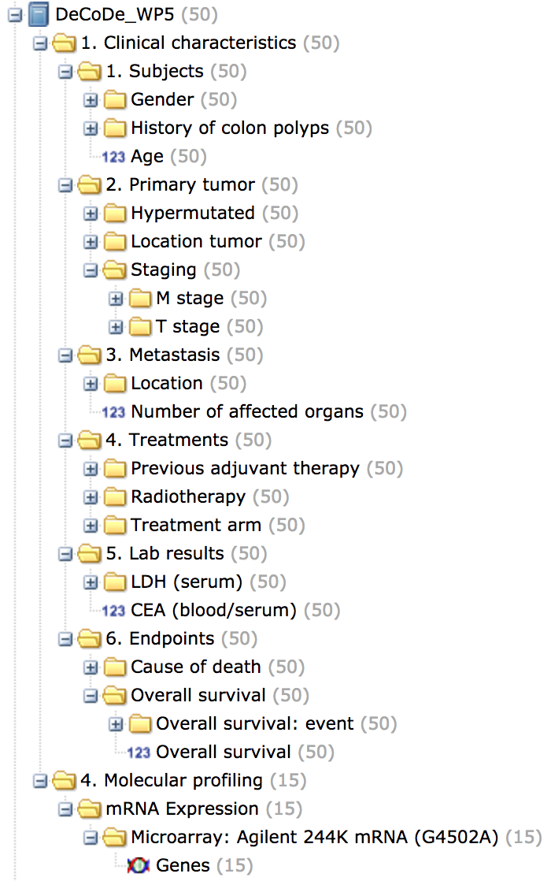
# This template allows you to create the tree structure of your study, which determines how your study data will be organized in tranSMART. It also establishes the link between the variables and the clinical data values.
# For entering the clinical data, when providing the data in Excel the 'Low-dimensional data' tab can be used. Then the Sheet name/File name and Column number columns on this tab indicate the location of the item to be mapped to this tree structure.
# Each level represent a nesting layer, indicating how far from the root of the tree you are (much like the directory tree structure on most operating systems).
# Each row should represent exactly one variable (the last level in that row), but may have any number of preceding levels.
# By default the tree nodes will be ordered alphabetically in tranSMART, if a different order is desired, the best approach is to number your nodes within a level.
# Metadata: in case metadata is available for a level, two additional metadata columns should be filled in. One column contains the 'tag', i.e. a field name part of the metadata (e.g. Full study name) and the other columns contains the 'value', i.e. the value for that field name (e.g. "Demo study").
# Multiple tags can be used to supply the metadata, simply add more tags and matching values in the indicated columns and start a new data variable below all the metadata tags of the previous item (shown in example tab).
tranSMART data type | Sheet name/File name | Column number | Level 1 | Level 1 metadata tag | Level 1 metadata value | Level 2 | Level 2 metadata tag | Level 2 metadata value | Level 3 | Level 3 metadata tag | Level 3 metadata value | Level 4 | Level 4 metadata tag | Level 4 metadata value | Level 5 | Level 5 metadata tag | Level 5 metadata value
Low-dimensional | Low-dimensional data | 2 | study_name | tagA1 | valueA1 | 1. Clinical characteristics | tagB1 | valueB1 | 1. Subjects |  |  | Gender
Low-dimensional | Low-dimensional data | 3 |  | tagA2 | valueA2 | 1. Clinical characteristics |  |  | 1. Subjects |  |  | Age
Low-dimensional | Low-dimensional data | 4 |  |  |  | 1. Clinical characteristics |  |  | 1. Subjects |  |  | History of colon polyps
Low-dimensional | Low-dimensional data | 6 | study_name |  |  | 1. Clinical characteristics |  |  | 2. Primary tumor |  |  | Hypermutated
Low-dimensional | Low-dimensional data | 5 |  |  |  | 1. Clinical characteristics |  |  | 2. Primary tumor |  |  | Location tumor
Low-dimensional | Low-dimensional data | 7 |  |  |  | 1. Clinical characteristics |  |  | 2. Primary tumor |  |  | Staging |  |  | T stage
Low-dimensional | Low-dimensional data | 8 | study_name |  |  |  |  |  | 2. Primary tumor |  |  | Staging |  |  | M stage
Low-dimensional | Low-dimensional data | 9 | study_name |  |  | 1. Clinical characteristics |  |  | 3. Metastasis |  |  | Location
Low-dimensional | Low-dimensional data | 10 |  |  |  | 1. Clinical characteristics |  |  | 3. Metastasis |  |  | Number of affected organs
Low-dimensional | Low-dimensional data | 13 |  |  |  | 1. Clinical characteristics |  |  | 4. Treatments |  |  | Previous adjuvant therapy
Low-dimensional | Low-dimensional data | 11 |  |  |  |  |  |  | 4. Treatments |  |  | Radiotherapy
Low-dimensional | Low-dimensional data | 12 |  |  |  | 1. Clinical characteristics |  |  | 4. Treatments |  |  | Treatment arm
Low-dimensional | Low-dimensional data | 14 |  |  |  | 1. Clinical characteristics |  |  | 5. Lab results |  |  | LDH (serum)
Low-dimensional | Low-dimensional data | 15 |  |  |  | 1. Clinical characteristics |  |  | 5. Lab results |  |  | CEA (blood/serum) | tagD1 | valueD1
Low-dimensional |  |  |  |  |  | 1. Clinical characteristics |  |  | 5. Lab results |  |  | CEA (blood/serum) | tagD2 | valueD2
Low-dimensional |  |  |  |  |  |  |  |  |  |  |  |  | tagD3 | valueD3
Low-dimensional | Low-dimensional data | 16 |  |  |  | 1. Clinical characteristics |  |  | 6. Endpoints |  |  | Cause of death
Low-dimensional | Low-dimensional data | 17 |  |  |  | 1. Clinical characteristics |  |  | 6. Endpoints |  |  | Overall survival |  |  | Overall survival: event
Low-dimensional | Low-dimensional data | 18 |  |  |  | 1. Clinical characteristics |  |  | 6. Endpoints |  |  | Overall survival |  |  | Overall survival
High-dimensional | CNA Microarray Template Test (genes).xlsx |  |  |  |  | 4. Molecular profiling |  |  | RNA expression |  |  | Microarray: Agilent 244K mRNA |  |  | Genes

