account_for_FEUM
 |  |  |  |  | FEUM coverage
 |  |  |  |  | 9.3%

Year | MJConsumed (Global) | tCO2e100_RealWorld_WTW (Global) | gCO2e100pMJ_RealWorld_WTW_Avg_Op (Global) |  | MJConsumed (FEUM) | MJConsumed (ROW) | gCO2e100pMJ (FEUM) | tCO2e100_WTW (FEUM) | tCO2e100_WTW (ROW) | tCO2e100_WTW (Global w/ FEUM) | Difference (Global - Global w/ FEUM) | Difference (% of Global)
2019 | 9,899,449,384,440 | 899,241,741 | 90.84 |  | 920,648,792,753 | 8,978,800,591,687 | 90.84 | 83,629,482 | 815,612,259 | 899,241,741 | - | 0.00%
2020 | 10,369,823,377,906 | 929,752,094 | 89.66 |  | 964,393,574,145 | 9,405,429,803,761 | 89.66 | 86,466,945 | 843,285,149 | 929,752,094 | 0 | 0.00%
2021 | 10,560,966,038,987 | 947,159,795 | 89.68 |  | 982,169,841,626 | 9,578,796,197,361 | 89.68 | 88,085,861 | 859,073,934 | 947,159,795 | 0 | 0.00%
2022 | 10,661,841,732,981 | 956,250,249 | 89.69 |  | 991,551,281,167 | 9,670,290,451,814 | 89.69 | 88,931,273 | 867,318,976 | 956,250,249 | 0 | 0.00%
2023 | 10,317,893,543,956 | 928,042,719 | 89.94 |  | 959,564,099,588 | 9,358,329,444,368 | 89.94 | 86,307,973 | 841,734,746 | 928,042,719 | 0 | 0.00%
2024 | 10,433,792,178,503 | 938,708,821 | 89.97 |  | 970,342,672,601 | 9,463,449,505,902 | 89.97 | 87,299,920 | 851,408,901 | 938,708,821 | 0 | 0.00%
2025 | 10,613,706,935,241 | 955,051,996 | 89.98 |  | 987,074,744,977 | 9,626,632,190,264 | 89.34 | 88,185,258 | 866,232,161 | 954,417,419 | 634,578 | 0.07%
2026 | 10,775,668,483,239 | 969,762,598 | 90.00 |  | 1,002,137,168,941 | 9,773,531,314,298 | 89.34 | 89,530,935 | 879,574,677 | 969,105,611 | 656,987 | 0.07%
2027 | 10,929,994,234,782 | 983,833,511 | 90.01 |  | 1,016,489,463,835 | 9,913,504,770,947 | 89.34 | 90,813,169 | 892,336,994 | 983,150,163 | 683,348 | 0.07%
2028 | 11,050,065,838,971 | 994,777,726 | 90.02 |  | 1,027,656,123,024 | 10,022,409,715,947 | 89.34 | 91,810,798 | 902,263,398 | 994,074,196 | 703,531 | 0.07%
2029 | 11,190,006,119,408 | 1,007,505,992 | 90.04 |  | 1,040,670,569,105 | 10,149,335,550,303 | 89.34 | 92,973,509 | 913,807,935 | 1,006,781,444 | 724,549 | 0.07%
2030 | 11,323,274,274,083 | 1,019,661,150 | 90.05 | 1.0620 | 1,053,064,507,490 | 10,270,209,766,593 | 85.69 | 90,237,098 | 924,832,663 | 1,015,069,761 | 4,591,389 | 0.45%
2031 | 11,431,206,905,180 | 1,029,529,572 | 90.06 |  | 1,063,102,242,182 | 10,368,104,662,998 | 85.69 | 91,097,231 | 933,783,322 | 1,024,880,553 | 4,649,019 | 0.45%
2032 | 11,527,836,784,111 | 1,038,437,157 | 90.08 |  | 1,072,088,820,922 | 10,455,747,963,189 | 85.69 | 91,867,291 | 941,862,501 | 1,033,729,792 | 4,707,365 | 0.45%
2033 | 11,633,103,204,178 | 1,048,083,843 | 90.09 |  | 1,081,878,597,989 | 10,551,224,606,189 | 85.69 | 92,706,177 | 950,612,046 | 1,043,318,223 | 4,765,620 | 0.45%
2034 | 11,755,547,583,596 | 1,059,275,227 | 90.11 |  | 1,093,265,925,274 | 10,662,281,658,322 | 85.69 | 93,681,957 | 960,762,631 | 1,054,444,588 | 4,830,639 | 0.46%
2035 | 11,849,280,825,528 | 1,067,902,237 | 90.12 |  | 1,101,983,116,774 | 10,747,297,708,754 | 77.94 | 85,888,564 | 968,587,329 | 1,054,475,893 | 13,426,344 | 1.26%
2036 | 11,962,196,350,163 | 1,078,171,075 | 90.13 |  | 1,112,484,260,565 | 10,849,712,089,598 | 77.94 | 86,707,023 | 977,901,165 | 1,064,608,188 | 13,562,887 | 1.26%
2037 | 12,071,170,463,045 | 1,088,148,374 | 90.14 |  | 1,122,618,853,063 | 10,948,551,609,982 | 77.94 | 87,496,913 | 986,950,575 | 1,074,447,488 | 13,700,885 | 1.26%
2038 | 12,194,820,224,788 | 1,099,414,408 | 90.15 |  | 1,134,118,280,905 | 11,060,701,943,883 | 77.94 | 88,393,179 | 997,168,868 | 1,085,562,047 | 13,852,361 | 1.26%
2039 | 12,300,015,208,904 | 1,108,976,940 | 90.16 |  | 1,143,901,414,428 | 11,156,113,794,476 | 77.94 | 89,155,676 | 1,005,842,085 | 1,094,997,761 | 13,979,179 | 1.26%
2040 | 12,418,410,539,707 | 1,119,682,162 | 90.16 | 1.1648 | 1,154,912,180,193 | 11,263,498,359,514 | 62.90 | 72,643,976 | 1,015,551,721 | 1,088,195,697 | 31,486,465 | 2.81%
2041 | 12,515,535,286,212 | 1,128,507,798 | 90.17 |  | 1,163,944,781,618 | 11,351,590,504,594 | 62.90 | 73,212,127 | 1,023,556,573 | 1,096,768,700 | 31,739,098 | 2.81%
2042 | 12,628,046,553,034 | 1,138,753,132 | 90.18 |  | 1,174,408,329,432 | 11,453,638,223,602 | 62.90 | 73,870,284 | 1,032,849,090 | 1,106,719,374 | 32,033,757 | 2.81%
2043 | 12,702,681,139,361 | 1,145,513,471 | 90.18 |  | 1,181,349,345,961 | 11,521,331,793,401 | 62.90 | 74,306,874 | 1,038,980,718 | 1,113,287,592 | 32,225,879 | 2.81%
2044 | 12,805,629,639,402 | 1,154,875,341 | 90.18 |  | 1,190,923,556,464 | 11,614,706,082,937 | 62.90 | 74,909,092 | 1,047,471,934 | 1,122,381,026 | 32,494,315 | 2.81%
2045 | 12,925,870,008,575 | 1,165,839,519 | 90.19 | 1.2123 | 1,202,105,910,797 | 11,723,764,097,778 | 34.64 | 41,640,949 | 1,057,416,443 | 1,099,057,392 | 66,782,126 | 5.73%
2046 | 13,040,887,911,296 | 1,176,245,750 | 90.20 |  | 1,212,802,575,751 | 11,828,085,335,546 | 34.64 | 42,011,481 | 1,066,854,895 | 1,108,866,376 | 67,379,374 | 5.73%
2047 | 13,135,020,004,678 | 1,184,899,711 | 90.21 |  | 1,221,556,860,435 | 11,913,463,144,243 | 34.64 | 42,314,730 | 1,074,704,038 | 1,117,018,768 | 67,880,943 | 5.73%
2048 | 13,241,851,771,731 | 1,194,627,710 | 90.22 |  | 1,231,492,214,771 | 12,010,359,556,960 | 34.64 | 42,658,890 | 1,083,527,333 | 1,126,186,224 | 68,441,487 | 5.73%
2049 | 13,358,262,422,750 | 1,205,251,339 | 90.23 |  | 1,242,318,405,316 | 12,115,944,017,434 | 34.64 | 43,033,910 | 1,093,162,965 | 1,136,196,874 | 69,054,465 | 5.73%
2050 | 13,467,587,649,583 | 1,215,247,534 | 90.23 | 1.2632 | 1,252,485,651,411 | 12,215,101,998,172 | 18.23 | 22,832,813 | 1,102,229,513 | 1,125,062,326 | 90,185,207 | 7.42%

WTW CO2e100 emissions (Mt) with and without FEUM
Year | MtCO2e100_RealWorld_WTW (Global) | MtCO2e100_WTW (Global w/ FEUM)
2019 | 899 | 899 | 100.0%
2020 | 930 | 930 | 100.0%
2021 | 947 | 947 | 100.0%
2022 | 956 | 956 | 100.0%
2023 | 928 | 928 | 100.0%
2024 | 939 | 939 | 100.0%
2025 | 955 | 954 | 99.9%
2026 | 970 | 969 | 99.9%
2027 | 984 | 983 | 99.9%
2028 | 995 | 994 | 99.9%
2029 | 1,008 | 1,007 | 99.9%
2030 | 1,020 | 1,015 | 99.5%
2031 | 1,030 | 1,025 | 99.5%
2032 | 1,038 | 1,034 | 99.5%
2033 | 1,048 | 1,043 | 99.5%
2034 | 1,059 | 1,054 | 99.5%
2035 | 1,068 | 1,054 | 98.7%
2036 | 1,078 | 1,065 | 98.7%
2037 | 1,088 | 1,074 | 98.7%
2038 | 1,099 | 1,086 | 98.7%
2039 | 1,109 | 1,095 | 98.7%
2040 | 1,120 | 1,088 | 97.2%
2041 | 1,129 | 1,097 | 97.2%
2042 | 1,139 | 1,107 | 97.2%
2043 | 1,146 | 1,113 | 97.2%
2044 | 1,155 | 1,122 | 97.2%
2045 | 1,166 | 1,099 | 94.3%
2046 | 1,176 | 1,109 | 94.3%
2047 | 1,185 | 1,117 | 94.3%
2048 | 1,195 | 1,126 | 94.3%
2049 | 1,205 | 1,136 | 94.3%
2050 | 1,215 | 1,125 | 92.6%

Cumulative emissions (GtCO2e100)
 | Counterfactual | Baseline
2020-2050 | 33.078 | 32.393
 | 100.0% | 97.9%

Cumulative emissions reduction (GtCO2e100) from FEUM
 | Difference
2020-2050 | 0.685

Temperature limit | CO2e budget (GtCO2e100) | Shipping's share
1.5 | 480 | 6.7%
1.7 | 840 | 3.9%
2 | 1380 | 2.3%

FEUM
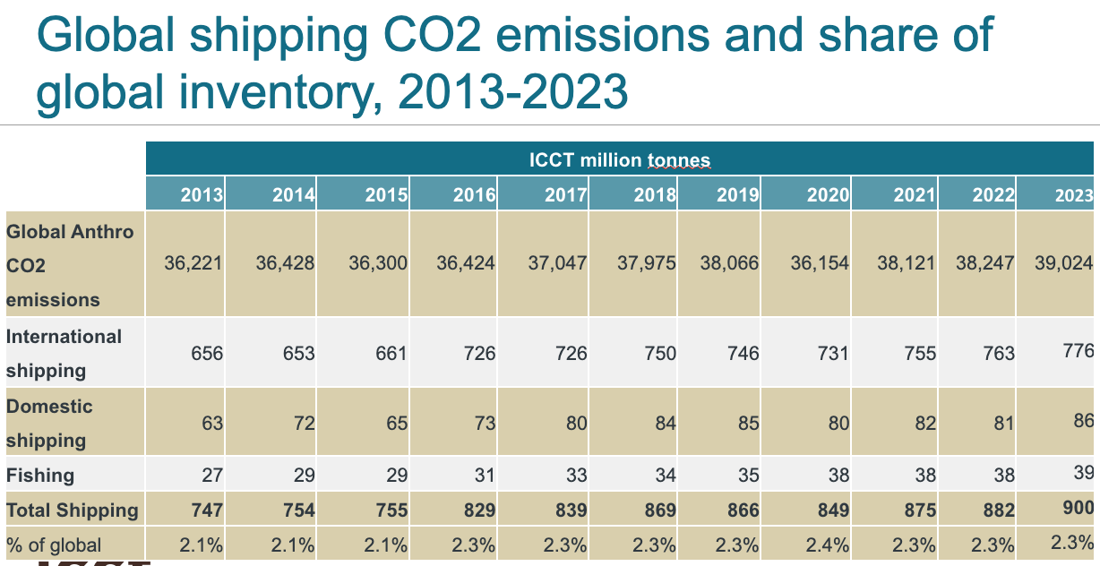
Link to regulation
Link to ICCT Policy Update

Year | Reduction against reference value | CO2e100/MJ
2020 | 0 | 91.16
2025 | 0.02 | 89.34
2026 | 0.02 | 89.34
2027 | 0.02 | 89.34
2028 | 0.02 | 89.34
2029 | 0.02 | 89.34
2030 | 0.06 | 85.69
2031 | 0.06 | 85.69
2032 | 0.06 | 85.69
2033 | 0.06 | 85.69
2034 | 0.06 | 85.69
2035 | 0.145 | 77.94
2036 | 0.145 | 77.94
2037 | 0.145 | 77.94
2038 | 0.145 | 77.94
2039 | 0.145 | 77.94
2040 | 0.31 | 62.90
2041 | 0.31 | 62.90
2042 | 0.31 | 62.90
2043 | 0.31 | 62.90
2044 | 0.31 | 62.90
2045 | 0.62 | 34.64
2046 | 0.62 | 34.64
2047 | 0.62 | 34.64
2048 | 0.62 | 34.64
2049 | 0.62 | 34.64
2050 | 0.8 | 18.23

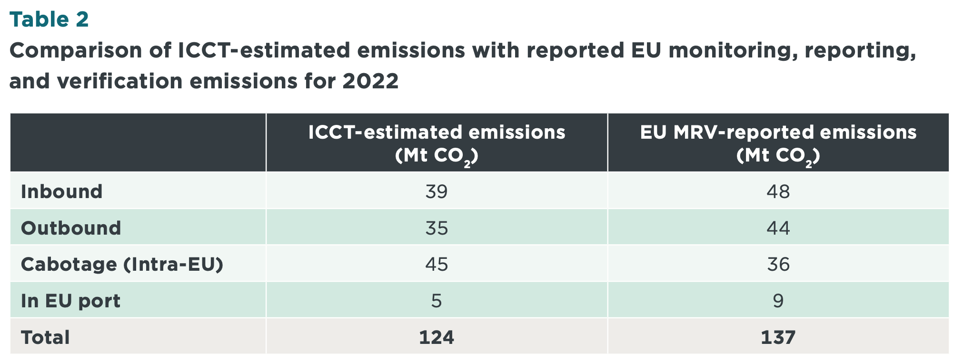
Coverage
Covered CO2 emissions (MtCO2) | 82 | 82
Global CO2 emissions (MtCO2) | 882
Share of coverage | 9.3%

annual_emissions
Annual emissions (MtCO2e100) |  |  |  |  |  |  | Past 2 °C budget? | Past 1.7 °C budget? | Past 1.5 °C budget?
Year | Counterfactual (without FuelEU Maritime) | Baseline (with FuelEU Maritime) | IMO Minimum | IMO Striving | 1.5 °C | Reference value (2019) | Baseline | Baseline | Baseline
2019 | 899 | 899 | 899 | 899 | 899 | 899
2020 | 930 | 930 | 930 | 930 | 930 | 899 | FALSE | FALSE | FALSE
2021 | 947 | 947 | 947 | 947 | 947 | 899 | FALSE | FALSE | FALSE
2022 | 956 | 956 | 956 | 956 | 956 | 899 | FALSE | FALSE | FALSE
2023 | 928 | 928 | 928 | 928 | 928 | 899 | FALSE | FALSE | FALSE
2024 | 939 | 939 | 939 | 939 | 939 | 899 | FALSE | FALSE | FALSE
2025 | 955 | 954 | 954 | 954 | 954 | 899 | FALSE | FALSE | FALSE
2026 | 970 | 969 | 969 | 969 | 969 | 899 | FALSE | FALSE | FALSE
2027 | 984 | 983 | 908 | 885 | 882 | 899 | FALSE | FALSE | FALSE
2028 | 995 | 994 | 846 | 801 | 746 | 899 | FALSE | FALSE | FALSE
2029 | 1,008 | 1,007 | 785 | 717 | 584 | 899 | FALSE | FALSE | FALSE
2030 | 1,020 | 1,015 | 724 | 633 | 420 | 899 | FALSE | FALSE | TRUE
2031 | 1,030 | 1,025 | 679 | 588 | 275 | 899 | FALSE | FALSE | TRUE
2032 | 1,038 | 1,034 | 633 | 543 | 162 | 899 | FALSE | FALSE | TRUE
2033 | 1,048 | 1,043 | 588 | 498 | 86 | 899 | FALSE | FALSE | TRUE
2034 | 1,059 | 1,054 | 543 | 452 | 40 | 899 | FALSE | FALSE | TRUE
2035 | 1,068 | 1,054 | 498 | 407 | 16 | 899 | FALSE | FALSE | TRUE
2036 | 1,078 | 1,065 | 452 | 362 | 5 | 899 | FALSE | FALSE | TRUE
2037 | 1,088 | 1,074 | 407 | 317 | 1 | 899 | FALSE | TRUE | TRUE
2038 | 1,099 | 1,086 | 362 | 271 | - | 899 | FALSE | TRUE | TRUE
2039 | 1,109 | 1,095 | 317 | 226 | - | 899 | FALSE | TRUE | TRUE
2040 | 1,120 | 1,088 | 271 | 181 | - | 899 | FALSE | TRUE | TRUE
2041 | 1,129 | 1,097 | 244 | 163 | - | 899 | FALSE | TRUE | TRUE
2042 | 1,139 | 1,107 | 217 | 145 | - | 899 | FALSE | TRUE | TRUE
2043 | 1,146 | 1,113 | 190 | 127 | - | 899 | FALSE | TRUE | TRUE
2044 | 1,155 | 1,122 | 163 | 109 | - | 899 | FALSE | TRUE | TRUE
2045 | 1,166 | 1,099 | 136 | 90 | - | 899 | FALSE | TRUE | TRUE
2046 | 1,176 | 1,109 | 109 | 72 | - | 899 | FALSE | TRUE | TRUE
2047 | 1,185 | 1,117 | 81 | 54 | - | 899 | TRUE | TRUE | TRUE
2048 | 1,195 | 1,126 | 54 | 36 | - | 899 | TRUE | TRUE | TRUE
2049 | 1,205 | 1,136 | 27 | 18 | - | 899 | TRUE | TRUE | TRUE
2050 | 1,215 | 1,125 | - | - | - | 899 | TRUE | TRUE | TRUE
 | 135% | 125%

