Defeat Report
QA |  |  |  |  |  |  |  |  |  |  | Dev
Defect ID | ScenarioName | Build No | Description | TCID | Steps to replicate bug | Screenshot | Sevirity | Priority | Reported By | Assigned to | Resolution | Status | Fixed Date
PMS_001 | (PMS_TS_001) Login Functionality | 1 | Login Email and password Text field alignment set properly | PMS_TC_01_012 | 1. Open PMS Login page 2. Verify Alignment and Spelling of Application | 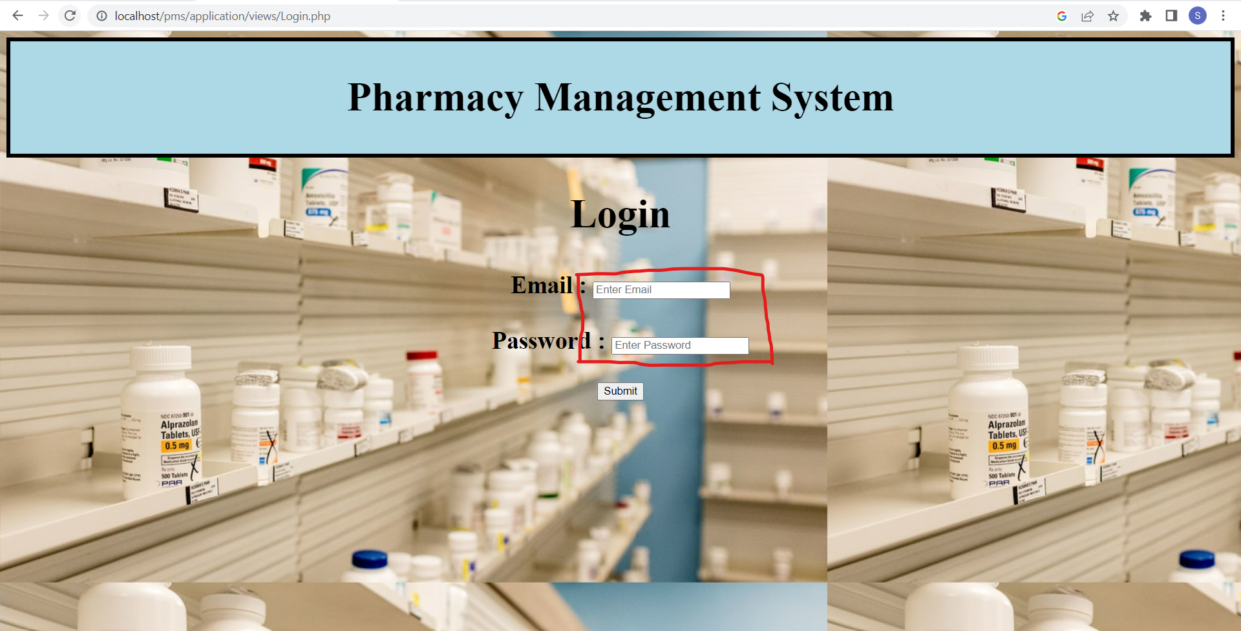 | S3 | P3 | Raj | Sai | Accepted | InProgress
PMS_002 | (PMS_TS_003) Add Stock | 1 | Add new medicine button duplicates should not allowed | PMS_TC_03_005 | 1. Open the PMS Home Page 2. Click on Add Stock tab button 3. Click on Add new medicine button 4. Enter the Medicine name and Medicine Category fields 5. Click on the ' Add ' button | 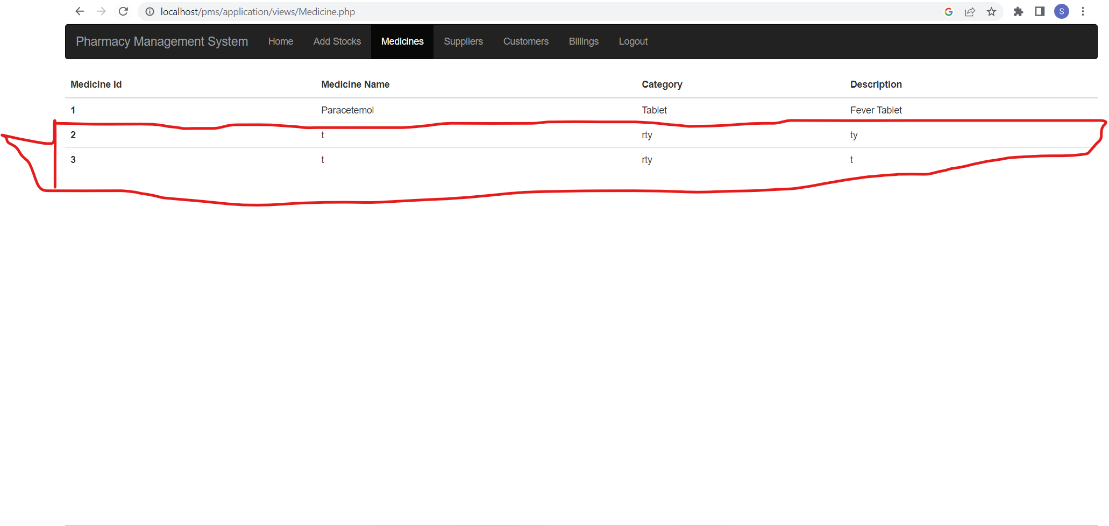 | S1 | P1 | Raj | Sai | Accepted | Open
PMS_003 | (PMS_TS_003) Add Stock | 1 | Add Stock not allowed duplicate Records | PMS_TC_03_006 | 1. Open the PMS Home Page 2. Click on Add Stock tab button 3. Select the Drop Down from the Medicine field 4. Select the Drop Down from the Supplier field 5. Enter quantity field 6. Enter Cost Per Strip field 7. Select the required data from date Supplied 8. Click on the ' Add ' button | 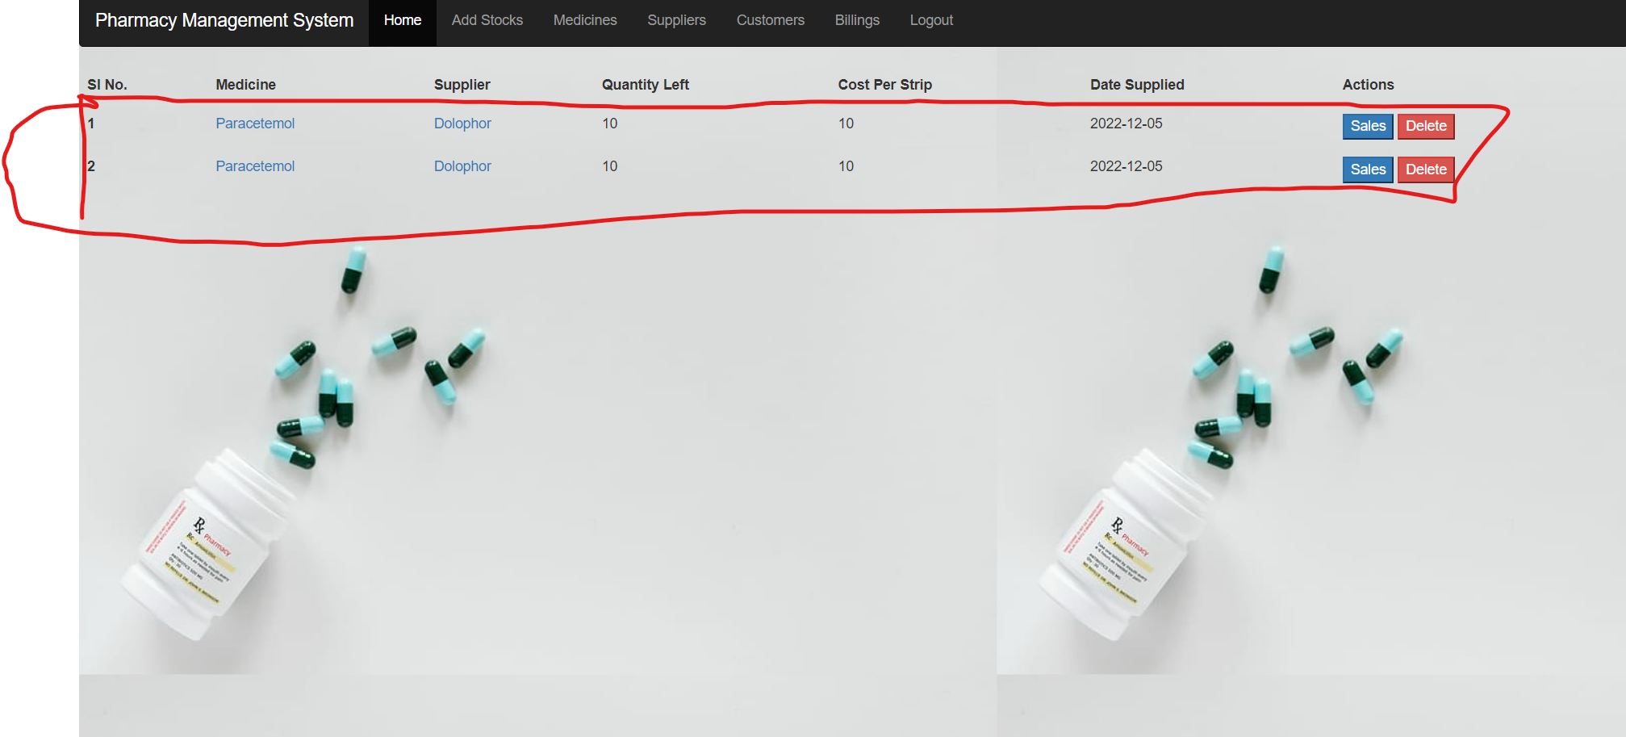 | S3 | P2 | Raj | Sai | Accepted | Open
PMS_004 | (PMS_TS_008) Logout | 1 | user should logout after closing the browser without logout | PMS_TC_08_006 | 1. Open the PMS Home page 2. Close the Browser without Logging out 3. Open the Browser and navigate the application | 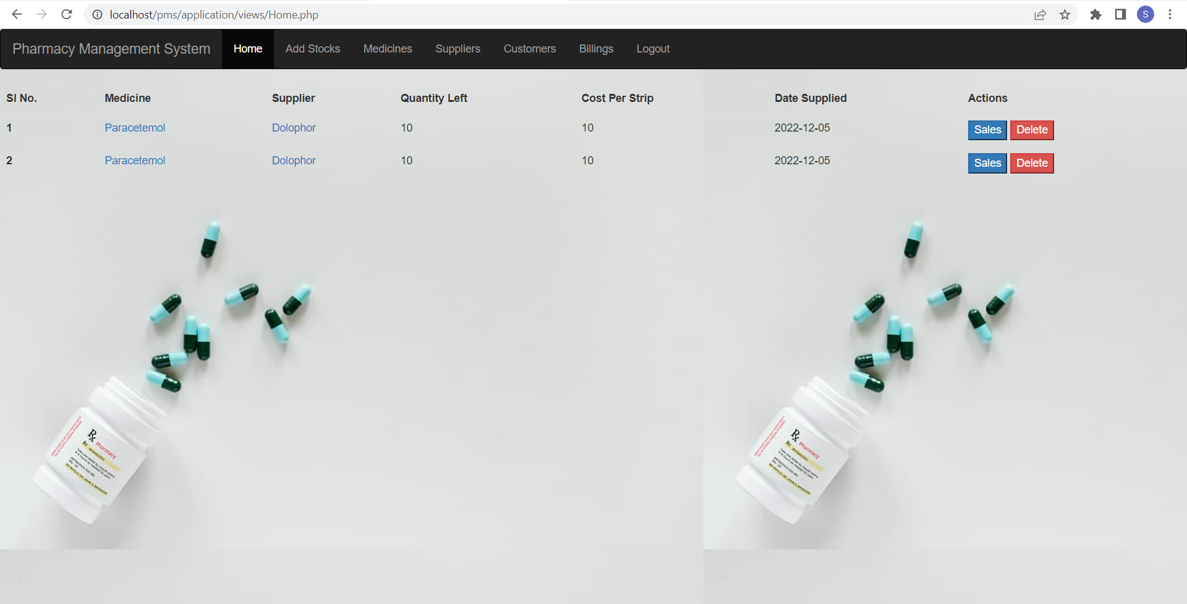 | S3 | P3 | Raj | Sai | Accepted | Open
PMS_005 | (PMS_TS_008) Logout | 1 | user should not login after navigating the browser back | PMS_TC_08_005 | 1. Open the PMS Home page 2. Select the required Page 3. Click on the logout button from the required page 4. Click on the 'Ok' button From POP Message 5.Click on browsing back | 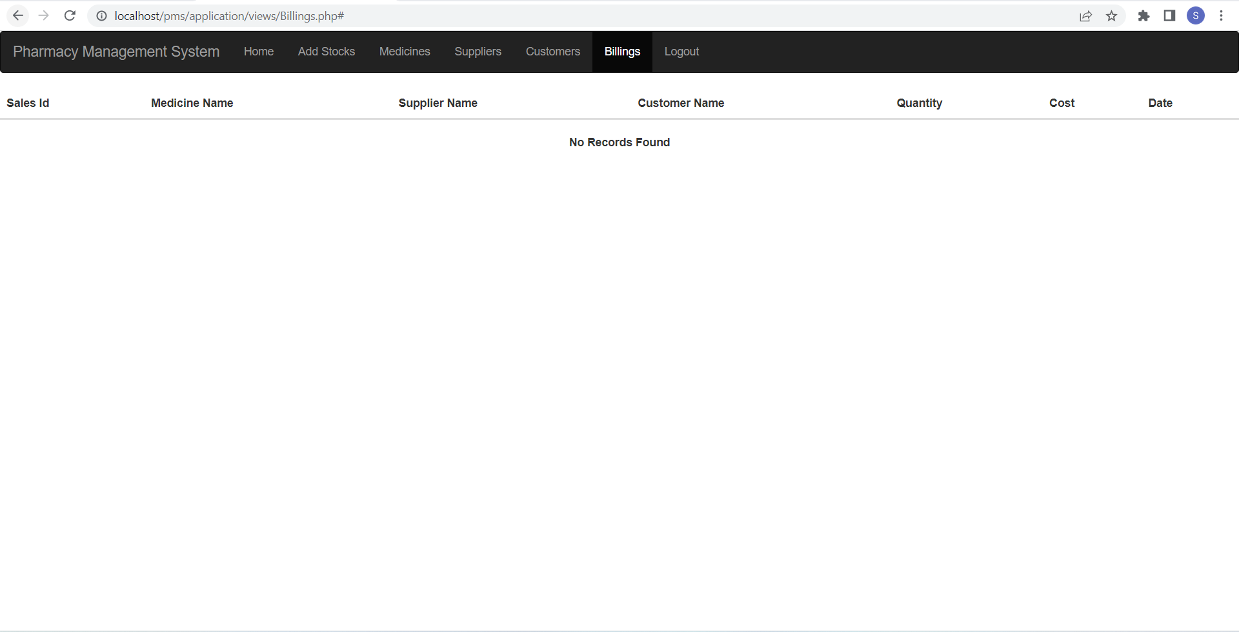 | S4 | P4 | Raj | Sai | Accepted | close | 2022-11-18

