Defect Report
Defect ID | Defect Description | Steps to Reproduce | Priority | Severity | Status | Created By | Assigned To | Screenshot
1 | The "First Name" field on the Registration page has no maximum character-length validation. The field accepts extremely long strings of text without any error or truncation. | 1. Open https://buggy.justtestit.org/register. 2. Enter a value in the "Login" field. 3. In the "First Name" field, type or paste a very long string of characters. 4. Observe that the field continues to accept input with no length limit or validation error. 5. Fill remaining fields and submit the form to confirm it is accepted. | Medium | Minor | New | Thejaswini | Raghavendra BN | 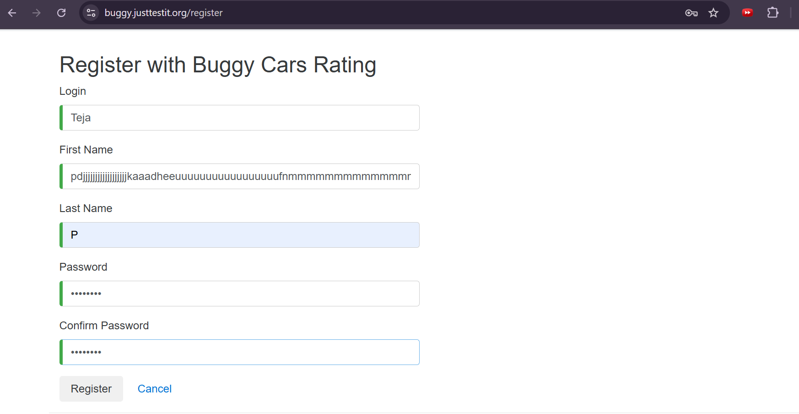
2 | In the car rating/comments section, the "Author" column is blank for every comment entry, even though comments were submitted by logged-in or named users. | 1. Open https://buggy.justtestit.org/ and navigate to any car model's detail page. 2. Scroll to the comments/rating table (Date, Author, Comment columns). 3. Review multiple comment entries. 4. Observe the "Author" column for each row. 5. Confirm no author name is displayed for any comment. | Medium | Major | New | Thejaswini | Raghavendra BN | 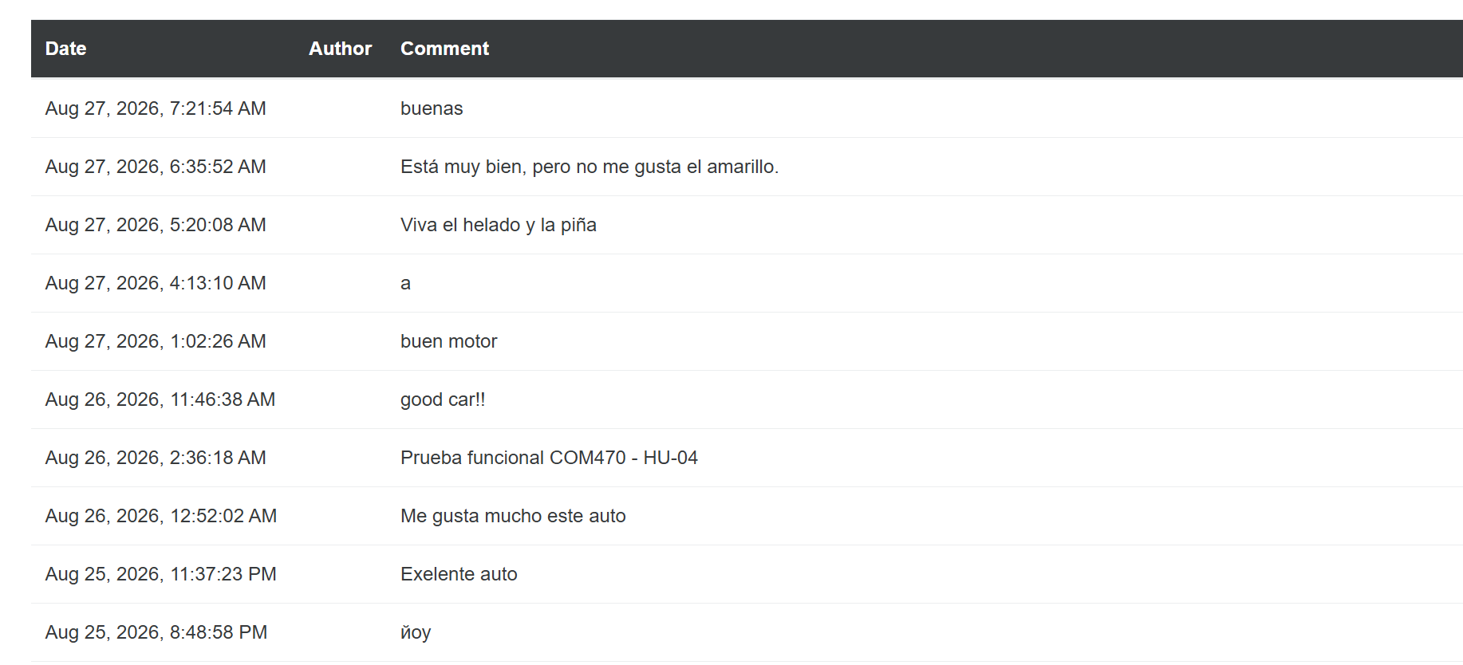
3 | In the car model listing section, some car entries fail to display their product image, showing a broken image icon/placeholder instead (e.g. Lancia Ypsilon). | 1. Open https://buggy.justtestit.org/ and navigate to a car make/model listing page. 2. Scroll through the list of car models. 3. Observe the image thumbnail for each model. 4. Identify entries showing a broken image icon instead of the car photo (e.g. Lancia Ypsilon). 5. Refresh the page to confirm the image consistently fails to load. | Medium | Minor | New | Thejaswini | Raghavendra BN | 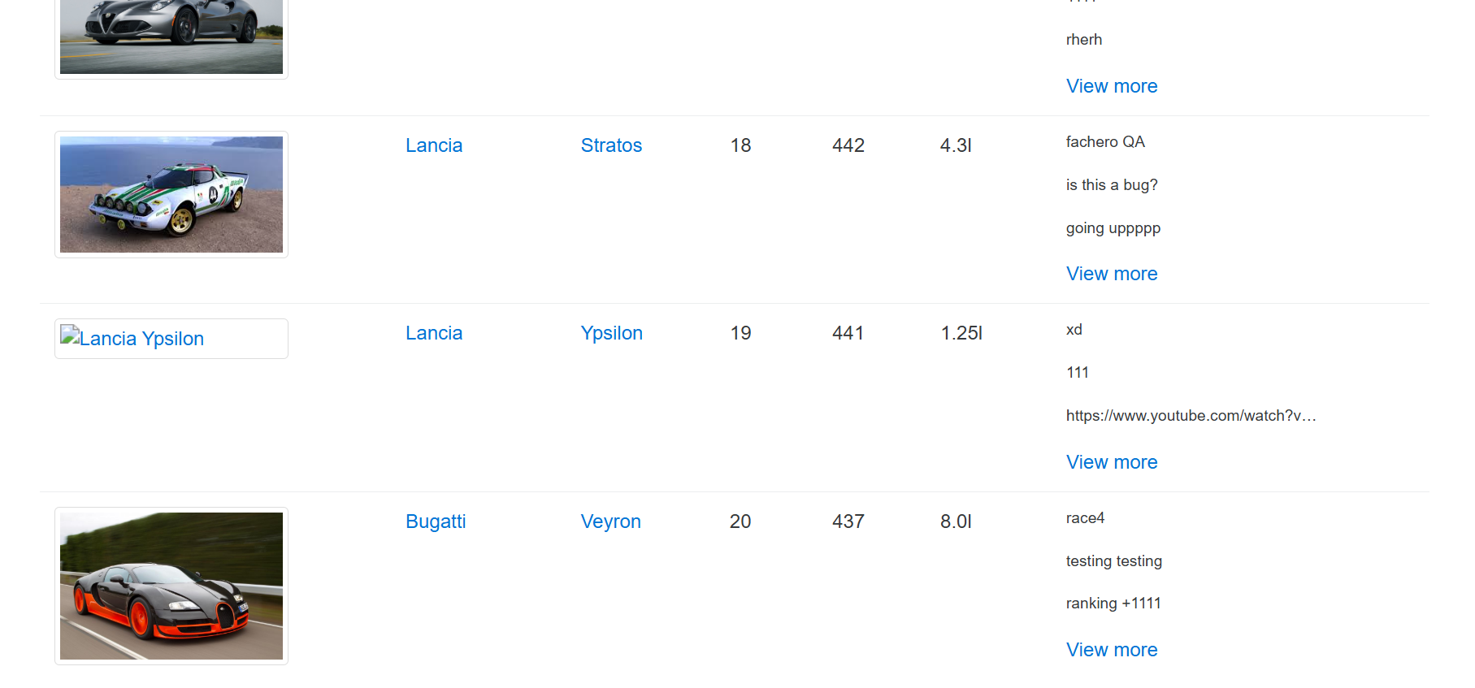
4 | The comment field has no character-limit validation, allowing users to submit extremely long strings of text, and the "Author" name is still missing/blank for these comments. | 1. Open https://buggy.justtestit.org/ and navigate to any car model's detail page. 2. Locate the comment submission field. 3. Enter a very long string of repeated characters as the comment text. 4. Submit the comment. 5. Observe the comments table: the long comment is accepted without truncation, and the "Author" column remains blank. | Low | Minor | New | Thejaswini | Raghavendra BN | 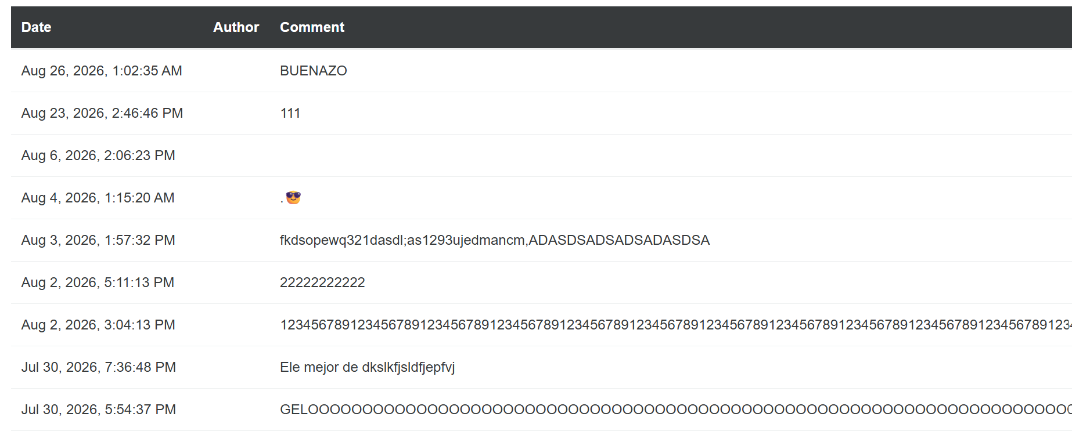
5 | Clicking the "Buggy Rating" logo/header while on a car make (brand) page does not navigate the user back to the home page, as would normally be expected of a site logo. | 1. Open https://buggy.justtestit.org/ and log in. 2. Navigate to any car make/brand page (e.g. Lamborghini). 3. Click on the "Buggy Rating" logo in the top-left header. 4. Observe the resulting page. 5. Confirm the user is not redirected to the home page. | Low | Minor | New | Thejaswini | Raghavendra BN | 