1099-MISC
This form has yet to be implemented.

Download and follow IRS instructions for where the information and amounts should be entered.

NOTE: | Amounts of more than $600 will NOT typically be reported on Schedule 1 (Form 1040), Line 8 a - z.

Form 1099-MISC and Instructions may be downloaded from the IRS:"
https://www.irs.gov/pub/irs-pdf/f1099msc.pdf |  | https://www.irs.gov/instructions/i1099mec
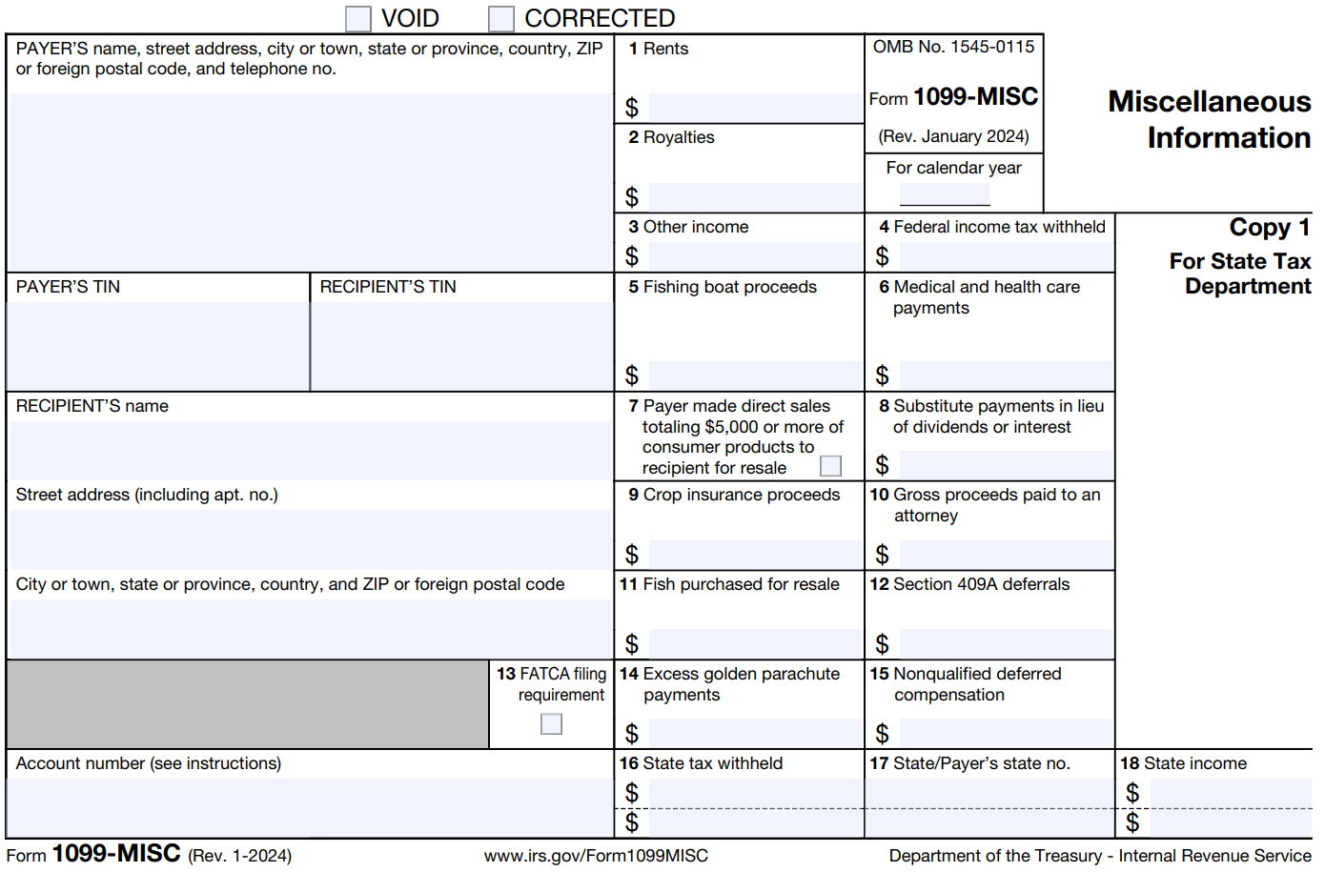

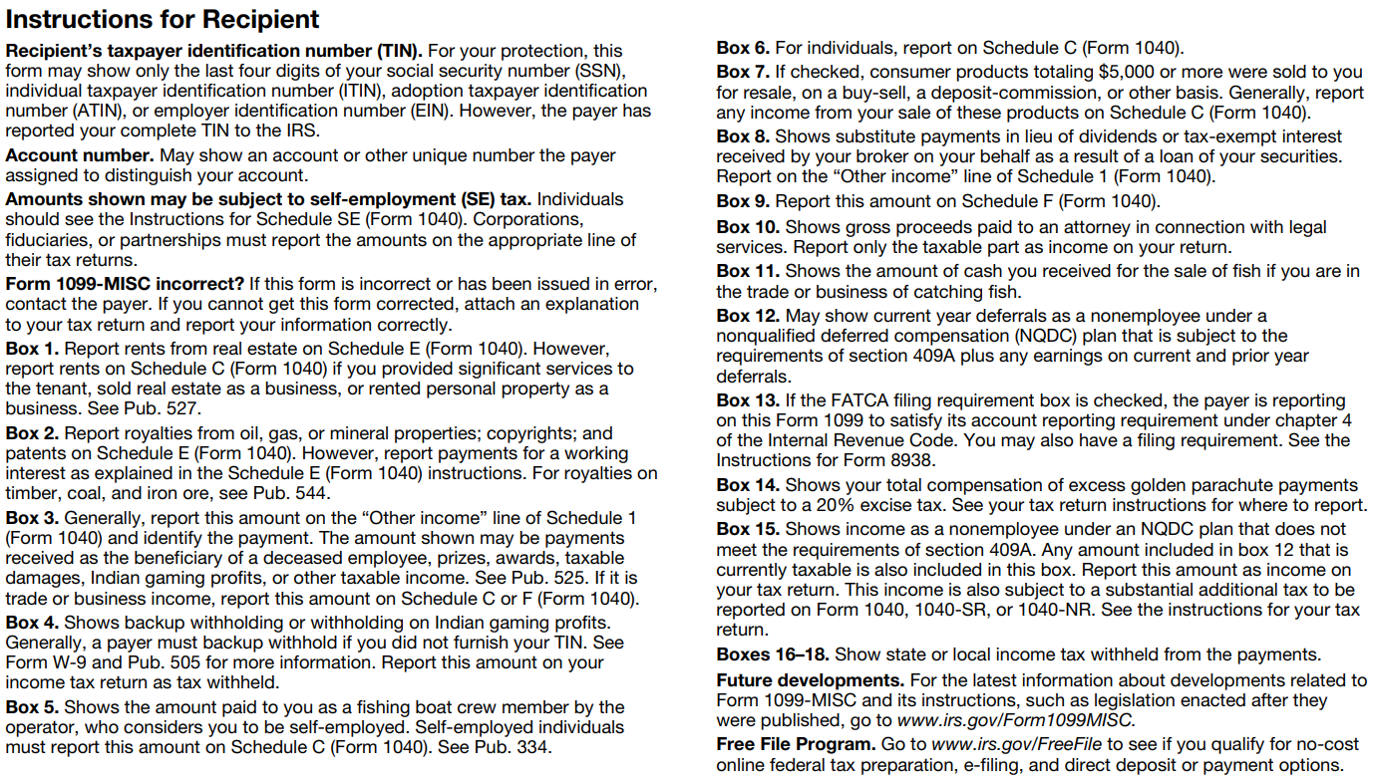

Table of Contents

EIC Table
If the Worksheet Amount is: |  | Single, Head of Household, or Qualifying Widow(er) |  |  |  | Married Filing Jointly |  |  |  |  |  | Single, Head of Household, or Qualifying Widow(er) |  |  |  | Married Filing Jointly
At least | But less than | No Children | One Child | Two Children | Three Children+ | No Children | One Child | Two Children | Three Children+ | AGI |  | No Children | One Child | Two Children | Three Children+ | No Children | One Child | Two Children | Three Children+
$1 | $50 |  |  |  |  |  |  |  |  |  | MaxEITC | $649 | $4,328 | $7,152 | $8,046 | $649 | $4,328 | $7,152 | $8,046
50 | 100 |  |  |  |  |  |  |  |  |  | MaxAGI-1 | 8,490 | 12,730 | 17,880 | 17,880 | 8,490 | 12,730 | 17,880 | 17,880
100 | 150 |  |  |  |  |  |  |  |  |  | MaxAGI-2 | 10,620 | 23,350 | 23,350 | 23,350 | 17,730 | 30,470 | 30,470 | 30,470
150 | 200 |  |  |  |  |  |  |  |  |  | MaxAGI-3 | 19,104 | 50,434 | 57,310 | 61,555 | 26,214 | 57,554 | 64,430 | 68,675
200 | 250 |  |  |  |  |  |  |  |  |  | Slope-1
250 | 300 |  |  |  |  |  |  |  |  |  | Slope-2 | 0.0000 | 0.0000 | 0.0000 | 0.0000 | 0.0000 | 0.0000 | 0.0000 | 0.0000
300 | 350 |  |  |  |  |  |  |  |  |  | Slope-3
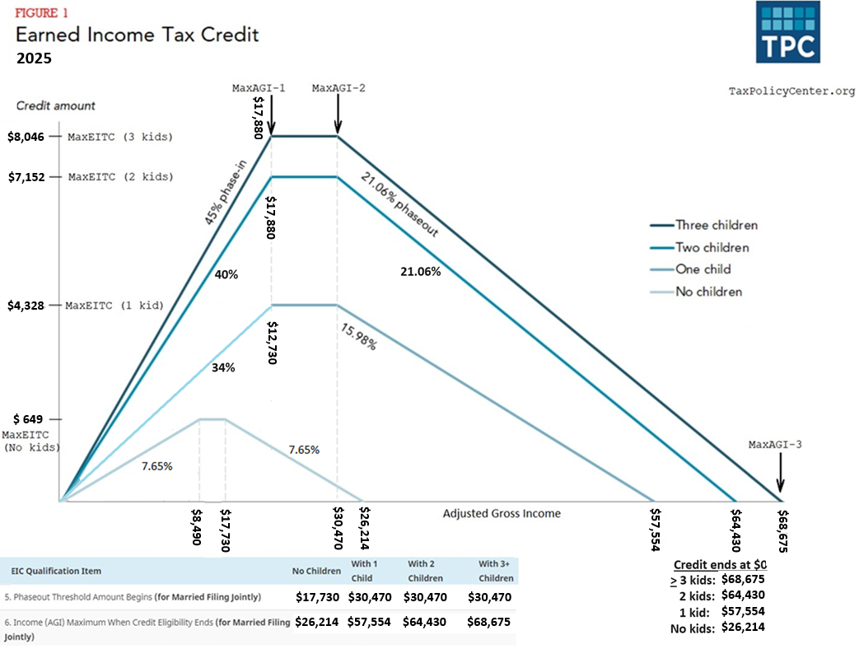
350 | 400
400 | 450
450 | 500
500 | 550
550 | 600
600 | 650
650 | 700
700 | 750
750 | 800
800 | 850
850 | 900
900 | 950
950 | 1,000
1,000 | 1,050
1,050 | 1,100
1,100 | 1,150
1,150 | 1,200
1,200 | 1,250
1,250 | 1,300
1,300 | 1,350
1,350 | 1,400
1,400 | 1,450
1,450 | 1,500
1,500 | 1,550
1,550 | 1,600
1,600 | 1,650
1,650 | 1,700
1,700 | 1,750
1,750 | 1,800
1,800 | 1,850
1,850 | 1,900
1,900 | 1,950
1,950 | 2,000
2,000 | 2,050
2,050 | 2,100
2,100 | 2,150
2,150 | 2,200
2,200 | 2,250
2,250 | 2,300
2,300 | 2,350
2,350 | 2,400
2,400 | 2,450
2,450 | 2,500
2,500 | 2,550
2,550 | 2,600
2,600 | 2,650
2,650 | 2,700
2,700 | 2,750
2,750 | 2,800
2,800 | 2,850
2,850 | 2,900
2,900 | 2,950
2,950 | 3,000
3,000 | 3,050
3,050 | 3,100
3,100 | 3,150
3,150 | 3,200
3,200 | 3,250
3,250 | 3,300
3,300 | 3,350
3,350 | 3,400
3,400 | 3,450
3,450 | 3,500
3,500 | 3,550
3,550 | 3,600
3,600 | 3,650
3,650 | 3,700
3,700 | 3,750
3,750 | 3,800
3,800 | 3,850
3,850 | 3,900
3,900 | 3,950
3,950 | 4,000
4,000 | 4,050
4,050 | 4,100
4,100 | 4,150
4,150 | 4,200
4,200 | 4,250
4,250 | 4,300
4,300 | 4,350
4,350 | 4,400
4,400 | 4,450
4,450 | 4,500
4,500 | 4,550
4,550 | 4,600
4,600 | 4,650
4,650 | 4,700
4,700 | 4,750
4,750 | 4,800
4,800 | 4,850
4,850 | 4,900
4,900 | 4,950
4,950 | 5,000
5,000 | 5,050
5,050 | 5,100
5,100 | 5,150
5,150 | 5,200
5,200 | 5,250
5,250 | 5,300
5,300 | 5,350
5,350 | 5,400
5,400 | 5,450
5,450 | 5,500
5,500 | 5,550
5,550 | 5,600
5,600 | 5,650
5,650 | 5,700
5,700 | 5,750
5,750 | 5,800
5,800 | 5,850
5,850 | 5,900
5,900 | 5,950
5,950 | 6,000
6,000 | 6,050
6,050 | 6,100
6,100 | 6,150
6,150 | 6,200
6,200 | 6,250
6,250 | 6,300
6,300 | 6,350
6,350 | 6,400
6,400 | 6,450
6,450 | 6,500
6,500 | 6,550
6,550 | 6,600
6,600 | 6,650
6,650 | 6,700
6,700 | 6,750
6,750 | 6,800
6,800 | 6,850
6,850 | 6,900
6,900 | 6,950
6,950 | 7,000
7,000 | 7,050
7,050 | 7,100
7,100 | 7,150
7,150 | 7,200
7,200 | 7,250
7,250 | 7,300
7,300 | 7,350
7,350 | 7,400
7,400 | 7,450
7,450 | 7,500
7,500 | 7,550
7,550 | 7,600
7,600 | 7,650
7,650 | 7,700
7,700 | 7,750
7,750 | 7,800
7,800 | 7,850
7,850 | 7,900
7,900 | 7,950
7,950 | 8,000
8,000 | 8,050
8,050 | 8,100
8,100 | 8,150
8,150 | 8,200
8,200 | 8,250
8,250 | 8,300
8,300 | 8,350
8,350 | 8,400
8,400 | 8,450
8,450 | 8,500
8,500 | 8,550
8,550 | 8,600
8,600 | 8,650
8,650 | 8,700
8,700 | 8,750
8,750 | 8,800
8,800 | 8,850
8,850 | 8,900
8,900 | 8,950
8,950 | 9,000
9,000 | 9,050
9,050 | 9,100
9,100 | 9,150
9,150 | 9,200
9,200 | 9,250
9,250 | 9,300
9,300 | 9,350
9,350 | 9,400
9,400 | 9,450
9,450 | 9,500
9,500 | 9,550
9,550 | 9,600
9,600 | 9,650
9,650 | 9,700
9,700 | 9,750
9,750 | 9,800
9,800 | 9,850
9,850 | 9,900
9,900 | 9,950
9,950 | 10,000
10,000 | 10,050
10,050 | 10,100
10,100 | 10,150
10,150 | 10,200
10,200 | 10,250
10,250 | 10,300
10,300 | 10,350
10,350 | 10,400
10,400 | 10,450
10,450 | 10,500
10,500 | 10,550
10,550 | 10,600
10,600 | 10,650
10,650 | 10,700
10,700 | 10,750
10,750 | 10,800
10,800 | 10,850
10,850 | 10,900
10,900 | 10,950
10,950 | 11,000
11,000 | 11,050
11,050 | 11,100
11,100 | 11,150
11,150 | 11,200
11,200 | 11,250
11,250 | 11,300
11,300 | 11,350
11,350 | 11,400
11,400 | 11,450
11,450 | 11,500
11,500 | 11,550
11,550 | 11,600
11,600 | 11,650
11,650 | 11,700
11,700 | 11,750
11,750 | 11,800
11,800 | 11,850
11,850 | 11,900
11,900 | 11,950
11,950 | 12,000
12,000 | 12,050
12,050 | 12,100
12,100 | 12,150
12,150 | 12,200
12,200 | 12,250
12,250 | 12,300
12,300 | 12,350
12,350 | 12,400
12,400 | 12,450
12,450 | 12,500
12,500 | 12,550
12,550 | 12,600
12,600 | 12,650
12,650 | 12,700
12,700 | 12,750
12,750 | 12,800
12,800 | 12,850
12,850 | 12,900
12,900 | 12,950
12,950 | 13,000
13,000 | 13,050
13,050 | 13,100
13,100 | 13,150
13,150 | 13,200
13,200 | 13,250
13,250 | 13,300
13,300 | 13,350
13,350 | 13,400
13,400 | 13,450
13,450 | 13,500
13,500 | 13,550
13,550 | 13,600
13,600 | 13,650
13,650 | 13,700
13,700 | 13,750
13,750 | 13,800
13,800 | 13,850
13,850 | 13,900
13,900 | 13,950
13,950 | 14,000
14,000 | 14,050
14,050 | 14,100
14,100 | 14,150
14,150 | 14,200
14,200 | 14,250
14,250 | 14,300
14,300 | 14,350
14,350 | 14,400
14,400 | 14,450
14,450 | 14,500
14,500 | 14,550
14,550 | 14,600
14,600 | 14,650
14,650 | 14,700
14,700 | 14,750
14,750 | 14,800
14,800 | 14,850
14,850 | 14,900
14,900 | 14,950
14,950 | 15,000
15,000 | 15,050
15,050 | 15,100
15,100 | 15,150
15,150 | 15,200
15,200 | 15,250
15,250 | 15,300
15,300 | 15,350
15,350 | 15,400
15,400 | 15,450
15,450 | 15,500
15,500 | 15,550
15,550 | 15,600
15,600 | 15,650
15,650 | 15,700
15,700 | 15,750
15,750 | 15,800
15,800 | 15,850
15,850 | 15,900
15,900 | 15,950
15,950 | 16,000
16,000 | 16,050
16,050 | 16,100
16,100 | 16,150
16,150 | 16,200
16,200 | 16,250
16,250 | 16,300
16,300 | 16,350
16,350 | 16,400
16,400 | 16,450
16,450 | 16,500
16,500 | 16,550
16,550 | 16,600
16,600 | 16,650
16,650 | 16,700
16,700 | 16,750
16,750 | 16,800
16,800 | 16,850
16,850 | 16,900
16,900 | 16,950
16,950 | 17,000
17,000 | 17,050
17,050 | 17,100
17,100 | 17,150
17,150 | 17,200
17,200 | 17,250
17,250 | 17,300
17,300 | 17,350
17,350 | 17,400
17,400 | 17,450
17,450 | 17,500
17,500 | 17,550
17,550 | 17,600
17,650 | 17,650
17,650 | 17,700
17,700 | 17,750
17,750 | 17,800
17,800 | 17,850
17,850 | 17,900
17,900 | 17,950
17,950 | 18,000
18,000 | 18,050
18,050 | 18,100
18,100 | 18,150
18,150 | 18,200
18,200 | 18,250
18,250 | 18,300
18,300 | 18,350
18,350 | 18,400
18,400 | 18,450
18,450 | 18,500
18,500 | 18,550
18,550 | 18,600
18,600 | 18,650
18,650 | 18,700
18,700 | 18,750
18,750 | 18,800
18,800 | 18,850
18,850 | 18,900
18,900 | 18,950
18,950 | 19,000
19,000 | 19,050
19,050 | 19,100
19,100 | 19,104
19,104 | 19,150 |  | 4,328 | 7,152 | 8,046 | 544 | 4,328 | 7,152 | 8,046
19,150 | 19,200
19,200 | 19,250
19,250 | 19,300
19,300 | 19,350
19,350 | 19,400
19,400 | 19,450
19,450 | 19,500
19,500 | 19,550
19,550 | 19,600
19,600 | 19,650
19,650 | 19,700
19,700 | 19,750
19,750 | 19,800
19,800 | 19,850
19,850 | 19,900
19,900 | 19,950
19,950 | 20,000
20,000 | 20,050
20,050 | 20,100
20,100 | 20,150
20,150 | 20,200
20,200 | 20,250
20,250 | 20,300
20,300 | 20,350
20,350 | 20,400
20,400 | 20,450
20,450 | 20,500
20,500 | 20,550
20,550 | 20,600
20,600 | 20,650
20,650 | 20,700
20,700 | 20,750
20,750 | 20,800
20,800 | 20,850
20,850 | 20,900
20,900 | 20,950
20,950 | 21,000
21,000 | 21,050
21,050 | 21,100
21,100 | 21,150
21,150 | 21,200
21,200 | 21,250
21,250 | 21,300
21,300 | 21,350
21,350 | 21,400
21,400 | 21,450
21,450 | 21,500
21,500 | 21,550
21,550 | 21,600
21,600 | 21,650
21,650 | 21,700
21,700 | 21,750
21,750 | 21,800
21,800 | 21,850
21,850 | 21,900
21,900 | 21,950
21,950 | 22,000
22,000 | 22,050
22,050 | 22,100
22,100 | 22,150
22,150 | 22,200
22,200 | 22,250
22,250 | 22,300
22,300 | 22,350
22,350 | 22,400
22,400 | 22,450
22,450 | 22,500
22,500 | 22,550
22,550 | 22,600
22,600 | 22,650
22,650 | 22,700
22,700 | 22,750
22,750 | 22,800
22,800 | 22,850
22,850 | 22,900
22,900 | 22,950
22,950 | 23,000
23,000 | 23,050
23,050 | 23,100
23,100 | 23,150
23,150 | 23,200
23,200 | 23,250
23,250 | 23,300
23,300 | 23,350
23,350 | 23,400
23,400 | 23,450
23,450 | 23,500
23,500 | 23,550
23,550 | 23,600
23,600 | 23,650
23,650 | 23,700
23,700 | 23,750
23,750 | 23,800
23,800 | 23,850
23,850 | 23,900
23,900 | 23,950
23,950 | 24,000
24,000 | 24,050
24,050 | 24,100
24,100 | 24,150
24,150 | 24,200
24,200 | 24,250
24,250 | 24,300
24,300 | 24,350
24,350 | 24,400
24,400 | 24,450
24,450 | 24,500
24,500 | 24,550
24,550 | 24,600
24,600 | 24,650
24,650 | 24,700
24,700 | 24,750
24,750 | 24,800
24,800 | 24,850
24,850 | 24,900
24,900 | 24,950
24,950 | 25,000
25,000 | 25,050
25,050 | 25,100
25,100 | 25,150
25,150 | 25,200
25,200 | 25,250
25,250 | 25,300
25,300 | 25,350
25,350 | 25,400
25,400 | 25,450
25,450 | 25,500
25,500 | 25,550
25,550 | 25,600
25,600 | 25,650
25,650 | 25,700
25,700 | 25,750
25,750 | 25,800
25,800 | 25,850
25,850 | 25,900
25,900 | 25,950
25,950 | 26,000
26,000 | 26,050
26,050 | 26,100
26,100 | 26,150
26,150 | 26,200
26,200 | 26,214
26,214 | 26,250 |  | 3,871 | 6,550 | 7,444 |  | 4,328 | 7,152 | 8,046
26,250 | 26,300
26,300 | 26,350
26,350 | 26,400
26,400 | 26,450
26,450 | 26,500
26,500 | 26,550
26,550 | 26,600
26,600 | 26,650
26,650 | 26,700
26,700 | 26,750
26,750 | 26,800
26,800 | 26,850
26,850 | 26,900
26,900 | 26,950
26,950 | 27,000
27,000 | 27,050
27,050 | 27,100
27,100 | 27,150
27,150 | 27,200
27,200 | 27,250
27,250 | 27,300
27,300 | 27,350
27,350 | 27,400
27,400 | 27,450
27,450 | 27,500
27,500 | 27,550
27,550 | 27,600
27,600 | 27,650
...

