Sizing Components
Variables |  |  |  |  |  |  | Remember stress and yield
FLATS |  |  |  | P | 10000 | Load | Include weight of materials into load calcylations
A | 350 | length [mm] |  | delta | 0.027 | deflection from geometry
B | 500 | width [mm] |  | stiffness | 738150 | N/mm^2 | delta | 3.17E-03 | [mm]
C | 12.7 | thickness [mm] |  | we seek to minimize delta
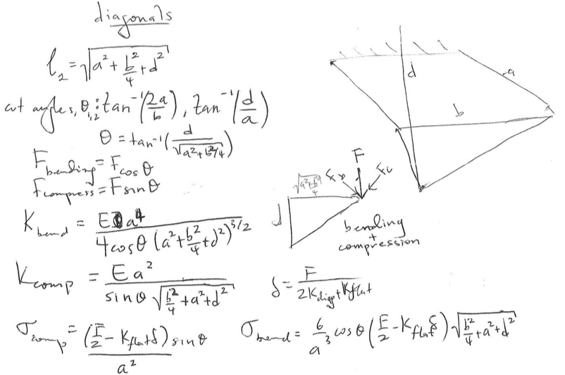
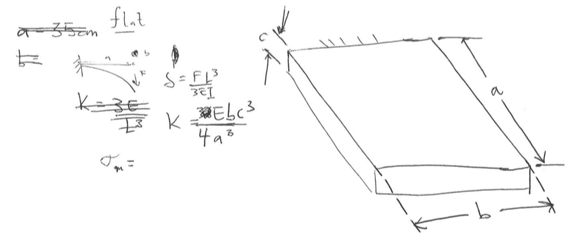
E | 9000 | Young's Modulus [N/mm^2]
K | 53.748 | Spring Constant [N/mm]
UTS | 400 | [Pa]

DIAGONALS
L | 430.30 | length of the diagonal [mm]
a | 100 | cross-sectional [width]
b | 100 | cross-sectional [height]
E | 9000 | look this up and change it for later, Young's of Pine
I | 8333333.33 | moment of inertia of diagonal
Ø_1 | 54.46 | cut angle 1
Ø_2 | 40.60 | cut angle 2
theta | 0.61 | angle formed at the end of flat
K_bend | 3443.01 | resistance to bending
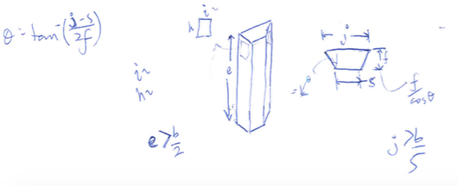
K_comp | 365605.32 | resistance to compression
D | 300 | flat to diagonal length of the slider

SLIDER
e | 175 | length [mm] | test 1, greater than a/2, LENGTH | Gravity preload displacement
J | 100 | length [mm] | should be greater than b/5 | delta | 349.99954385
F | 75 | silder keeper height [mm] |  | stiffness | N/A | N/mm^2
S | 75 | slider short side [mm]
H | 114.052 | teflon height [mm] | just 3 times the width
I | 38.017 | a third of the face size | a third of the face size
theta | 0.165 | angle of the slider cuts
t | 0.051 | teflon thickness
accuracy | 0.1 | cut accuracy, will be imposed by glue fitting with paper
theta | 0.00161 | angle due to tolerances

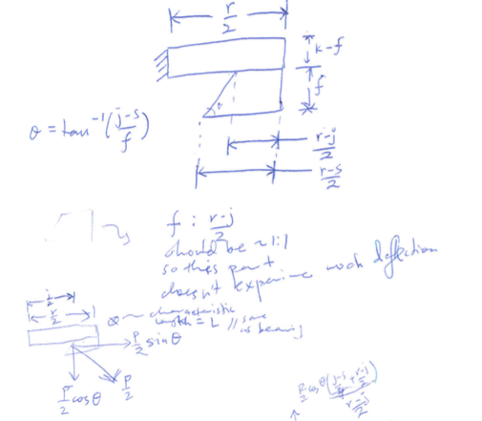
BEARING | model as rectangular beam |  |  |  |  | Remember critical load where the thing pops out
L | 175 | characteristic length of the beam [mm] |  | P | 11666.666667
k | 150 | depth [mm] |  | delta_bend | 0.011578896605
R | 225 | width [mm] |  | alpha_twist | 7.8303881985E-12 | relate theta to a delfection
O | 600 |  |  | stiffness | 1007580.1749 | N/mm^2
I | 2197265.625 | moment of inertia
K_bend | 1007580.1749
r | 1.2 | ratio for beta
beta | 0.163 | look up, depends on the ratio of width to depth
J | 4297851.5625 | make sure long side is cubed
G | 1.30E+10 | shear stiffness [mm]
K_tor | 1.489921875E+15 | P/theta, halves taken into account

POST
K_tension | 28741052.956 | tension component
P1 | 5425.1665811 |  |  | stiffness |  | N/mm^2
P2 | 493.19696192
I | 6152343.75
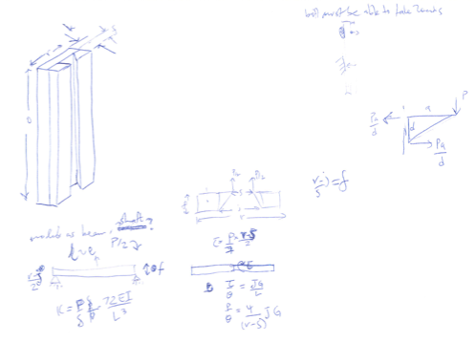
delta_tip | 0.0075095833707
K_bend | 1553570.43

AXLE
lead
shaft_diameter | 10 | Shaft Diameter, buckling>8mm |  | stiffness | 1.41E+06 | N/mm^2
l1 | 6.00E+02 | length [mm]
e | 3.00E+03 | Young's modulus, steel
K_compression | 1.41E+06 | Spring constang
K_bend | N/A | Negligible bending contribution

PLATES

CS_2 vertical axis
CS 2 | Motor / Linear Actuation
Geometric errors at CS origin and location and stiffness of points (or bearings) of attachment between coordinate systems
Error motions of CS Origin along & about its axes. Values read used by "Coordinate Systems" worksheet |  |  |  | CAREFUL as this compliance matrix is referenced in the worksheet "CSs and Loads"
Element | spindle shaft | Bearings (if values needed for this CS) |  | Spindle Shaft Cantilever Beam: X lateral, Y transverse, Z axial position is CS_2 location in CS_3
Structure type | simple supported | Size (e.g., rail width, race diameter) | 75 | dx | _ = _ | 3.26E-04 | 0 | 0 | 0 | 3.1115084991E-07 |  | Fx
Material | steel | Fmax (N) | 20000 | dy |  | 0 | 7.33E-04 | 0 | -3.1115084991E-07 | 0 | 0 | Fy
Young's Modulus (N/mm^2) | 2.00E+05 | k @ medium preload (N/mm) | 500000 | dz |  | 0 | 0 | 1.51E-06 | 0 |  | 0 | Fz
Poison ratio | 0.29 | ball diameter (mm) | 3 | thetaX |  | 0 | -3.1115084991E-07 | 0 | 7.50E-09 | 0 | 0 | Mx
Shear modulus (N/mm^2) | 77519 | % deflection max load | 0.01 | thetaY |  | 3.1115084991E-07 | 0 | 0 | 0 | 2.39E-09 | 0 | My
Beam properties (rectangular tube, or round, else customize) |  | stiffness est (N/mm) | 666667 | thetaZ |  |  | 0 | 0 | 0 | 0 | 4.34E-09 | Mz
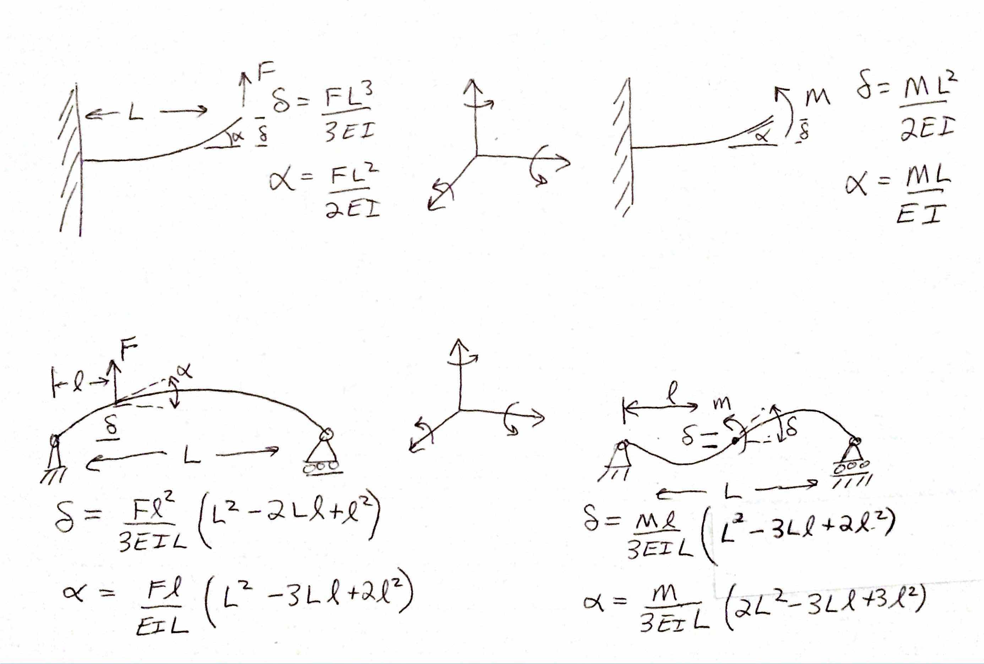
Position along beam | 500 | rail width (mm) | 25
Length (mm) | 2000 | roll rotary stiffness (Nmm/radian) | 78125000
Height (mm), or OD | 50 | pitch rotary stiffness (Nmm/radian) | 26041667
Width (mm), ID or fraction of solid cylinder | 100 | yaw rotary stiffness (Nmm/radian) | 26041667
wall (mm) | 6 | servo system (if values needed for this CS)
Area (mm^2) | 1,656 | Ballscrew
I width dimension of beam // nuetral axis (mm^4) | 2,008,672 | Root diameter (mm) | 18
I height dimension of beam // nuetral axis (mm^4) | 639,272 | Length (mm) | 2500
Ipolar (mm^4) | 1,487,521 | Modulus | 2.00E+05
I/A stiffness to weight ratio | 386 | shaft stiffness | 2.04E+04
ref, simply supported stiffness about Izz (N/mm) | 48 | factor to derate stiffness of shaft for nut, mounting etc | 3
Notes: Y axis is + into the page so a + X direction force causes a - rotation about Y axis. CS origin is at center of spindle shaft, but to calculate compliance assume full shaft length and POI is at right support
Net stiffness of CS origin (POA@Center of Stiffness) due to attachment points |  | Servo stiffness (if applicable, else make sure to enter "0"
Linear stiffness
KX | 2.00E+06 | 0.00E+00
KY | 2.00E+06 | 0.00E+00 |  |  |  | Application note: IF using a purchased linear table with mfg specs for stuffness and accuracy, just enter "1" for number of attach points and then the stiffness and error motion data from the catalog for that "point" (the entire table)
KZ | 2.00E+06 | 0.00E+00 |  |  |  | CRITICAL: Enter Total number of bearing or attachment points (up to 12) AND zero out numbers in fields for points not used!
Rotation stiffness |  |  |  |  |  | Number of attach points = | 4
KrotX | 2.00E+12 | 0.00E+00 |  |  |  |  | Attachment points between current CS origin and next CS: usually in a plane
KrotY | 2.00E+12 | 0.00E+00 |  |  |  | location in axis CS | 1 | 2 | 3 | 4 | 5 | 6 | 7 | 8 | 9 | 10 | 11 | 12
KrotZ | 2.95E+09 | 0.00E+00 |  |  |  | X | 37.5 | -37.5 | -37.5 | 37.5 | 0 | 0 | 0 | 0 | 0 | 0 | 0 | 0
Application note: IF using a purchased axis with mfg specs for stiffness and accuracy, just enter "1" for number of attach points and then the stiffness and error motion data from the catalog for that "point" (the entire table) |  |  |  |  |  | Y | 0 | 0 | 0 | 0 | 0 | 0 | 0 | 0 | 0 | 0 | 0 | 0
 |  |  |  |  |  | Z | 1000 | 1000 | -1000 | -1000 | 0 | 0 | 0 | 0 | 0 | 0 | 0 | 0
 |  |  |  |  |  | Linear stiffness at the point
Additional angular error motions (in event of using a modular axis) |  |  |  |  |  | KX | 5.00E+05 | 5.00E+05 | 5.00E+05 | 5.00E+05 | 0 | 0 | 0 | 0 | 0 | 0 | 0 | 0
Random |  |  |  |  |  | KY | 5.00E+05 | 5.00E+05 | 5.00E+05 | 5.00E+05 | 0 | 0 | 0 | 0 | 0 | 0 | 0 | 0
EpsilonX (radians) | 0 |  |  |  |  | KZ | 5.00E+05 | 5.00E+05 | 5.00E+05 | 5.00E+05 | 0 | 0 | 0 | 0 | 0 | 0 | 0 | 0
EpsilonY (radians) | 0 |  |  |  |  | Rotation stiffness at the point
EpsilonZ (radians) | 0 |  |  |  |  | KrotX | 1.01E+08 | 1.01E+08 | 1.01E+08 | 1.01E+08 | 0 | 0 | 0 | 0 | 0 | 0 | 0 | 0
Systematic |  |  |  |  |  | KrotY | 3.37E+07 | 3.37E+07 | 3.37E+07 | 3.37E+07 | 0 | 0 | 0 | 0 | 0 | 0 | 0 | 0
EpsilonX (radians) | 0 |  |  |  |  | KrotZ | 3.37E+07 | 3.37E+07 | 3.37E+07 | 3.37E+07 | 0 | 0 | 0 | 0 | 0 | 0 | 0 | 0
EpsilonY (radians) | 0 |  |  |  |  | Effective contribution of linear stiffness to rotation stiffness about center of stiffness
EpsilonZ (radians) | 0 |  |  |  |  | KrotX | 5.00E+11 | 5.00E+11 | 5.00E+11 | 5.00E+11 | 0 | 0 | 0 | 0 | 0 | 0 | 0 | 0
Net Random RMS error motions of points connecting adjacent CS |  |  |  |  |  | KrotY | 5.01E+11 | 5.01E+11 | 5.01E+11 | 5.01E+11 | 0 | 0 | 0 | 0 | 0 | 0 | 0 | 0
DeltaX | 0.005 |  |  |  |  | KrotZ | 7.03E+08 | 7.03E+08 | 7.03E+08 | 7.03E+08 | 0 | 0 | 0 | 0 | 0 | 0 | 0 | 0
DeltaY | 0.005 |  |  |  |  | Random Translational (e.g., running parallelism) error motions of attachment points, NO ZEROS FOR POINTS IN USE, INCLUDING ALONG SERVO AXIS, AT A MINIMUM MAKE SERVO DIRECTION = RUNNING PARALLISM
DeltaZ | 0.005 |  |  |  |  | DeltaX | 0.005 | 0.005 | 0.005 | 0.005 | 0 | 0 | 0 | 0 | 0 | 0 | 0 | 0
EpsilonX | 0.000005 |  |  |  |  | DeltaY | 0.005 | 0.005 | 0.005 | 0.005 | 0 | 0 | 0 | 0 | 0 | 0 | 0 | 0
EpsilonY | 0.000005 |  |  |  |  | DeltaZ | 0.005 | 0.005 | 0.005 | 0.005 | 0 | 0 | 0 | 0 | 0 | 0 | 0 | 0
EpsilonZ | 0.00013333333333 |  |  |  |  | Resulting Random Angular error motions about center of stiffness
Net Systematic RMS (to account for elastic averaging) error motions of points connecting adjacent CS |  |  |  |  |  | EpsilonX | 5.00E-06 | 5.00E-06 | 5.00E-06 | 5.00E-06 | 0.00E+00 | 0.00E+00 | 0.00E+00 | 0.00E+00 | 0.00E+00 | 0.00E+00 | 0.00E+00 | 0.00E+00
DeltaX | 0 |  |  |  |  | EpsilonY | 5.00E-06 | 5.00E-06 | 5.00E-06 | 5.00E-06 | 0.00E+00 | 0.00E+00 | 0.00E+00 | 0.00E+00 | 0.00E+00 | 0.00E+00 | 0.00E+00 | 0.00E+00
DeltaY | 0 |  |  |  |  | EpsilonZ | 1.33E-04 | 1.33E-04 | 1.33E-04 | 1.33E-04 | 0.00E+00 | 0.00E+00 | 0.00E+00 | 0.00E+00 | 0.00E+00 | 0.00E+00 | 0.00E+00 | 0.00E+00
DeltaZ | 0 |  |  |  |  | Systematic Translational Error motions of attachment points (e.g., machining tolerance), ENTER ALL ZEROS OR ALL VALUES FOR A POINT SHOULD BE THE SAME
EpsilonX | 0 |  |  |  |  | DeltaX | 0 | 0 | 0 | 0 | 0 | 0 | 0 | 0 | 0 | 0 | 0 | 0
EpsilonY | 0 |  |  |  |  | DeltaY | 0 | 0 | 0 | 0 | 0 | 0 | 0 | 0 | 0 | 0 | 0 | 0
EpsilonZ | 0 |  |  |  |  | DeltaZ | 0 | 0 | 0 | 0 | 0 | 0 | 0 | 0 | 0 | 0 | 0 | 0
 |  |  |  |  |  | Resulting Systematic Angular error motions about center of stiffness (each point's angular errors are RSS'd for puspose of assumed spring equilibrium)
 |  |  |  |  |  | EpsilonX | 0.00E+00 | 0.00E+00 | 0.00E+00 | 0.00E+00 | 0.00E+00 | 0.00E+00 | 0.00E+00 | 0.00E+00 | 0.00E+00 | 0.00E+00 | 0.00E+00 | 0.00E+00
 |  |  |  |  |  | EpsilonY | 0.00E+00 | 0.00E+00 | 0.00E+00 | 0.00E+00 | 0.00E+00 | 0.00E+00 | 0.00E+00 | 0.00E+00 | 0.00E+00 | 0.00E+00 | 0.00E+00 | 0.00E+00
 |  |  |  |  |  | EpsilonZ | 0.00E+00 | 0.00E+00 | 0.00E+00 | 0.00E+00 | 0.00E+00 | 0.00E+00 | 0.00E+00 | 0.00E+00 | 0.00E+00 | 0.00E+00 | 0.00E+00 | 0.00E+00
 |  |  |  |  |  | Structural compliance matrix (obtain values from user worksheet such as "bearings,sero, structure") ELSE ENTER ZEROS

 |  |  |  |  |  | Rotation calculations for random errors from attachment points: logic enables user to just enter coordinates of bearing blocks and running parallelism errors
 |  |  |  |  |  |  | rndm EpsilonX
 |  |  |  |  |  | rotation condition | 4.999999995E-06 | 4.999999995E-06 | 5.000000005E-06 | 5.000000005E-06 | 0 | 0 | 0 | 0 | 0 | 0 | 0 | 0
 |  |  |  |  |  | rotation condition | 5000 | 5000 | 5000 | 5000 | 0 | 0 | 0 | 0 | 0 | 0 | 0 | 0
 |  |  |  |  |  | result | 5.00E-06 | 5.00E-06 | 5.00E-06 | 5.00E-06 | 0.00E+00 | 0.00E+00 | 0.00E+00 | 0.00E+00 | 0.00E+00 | 0.00E+00 | 0.00E+00 | 0.00E+00
 |  |  |  |  |  |  | rndm EpsilonY
 |  |  |  |  |  | rotation condition | 0.00013333332978 | 0.00013333333689 | 0.00013333333689 | 0.00013333332978 | 0 | 0 | 0 | 0 | 0 | 0 | 0 | 0
 |  |  |  |  |  | rotation condition | 0.0 | 0.0 | 0.0 | 0.0 | 0.0 | 0.0 | 0.0 | 0.0 | 0.0 | 0.0 | 0.0 | 0.0
 |  |  |  |  |  | result | 5.00E-06 | 5.00E-06 | 5.00E-06 | 5.00E-06 | 0.00E+00 | 0.00E+00 | 0.00E+00 | 0.00E+00 | 0.00E+00 | 0.00E+00 | 0.00E+00 | 0.00E+00
 |  |  |  |  |  |  | rndm EpsilonZ
 |  |  |  |  |  | rotation condition | 0.00013333332978 | 0.00013333333689 | 0.00013333333689 | 0.00013333332978 | 0 | 0 | 0 | 0 | 0 | 0 | 0 | 0
 |  |  |  |  |  | rotation condition | 5000 | 5000 | 5000 | 5000 | 0 | 0 | 0 | 0 | 0 | 0 | 0 | 0
 |  |  |  |  |  | result | 1.33E-04 | 1.33E-04 | 1.33E-04 | 1.33E-04 | 0.00E+00 | 0.00E+00 | 0.00E+00 | 0.00E+00 | 0.00E+00 | 0.00E+00 | 0.00E+00 | 0.00E+00

 |  |  |  |  |  | Rotation calculations for systematic errors from attachment points: logic enables user to just enter coordinates of of mounting points and mounting point errors
 |  |  |  |  |  |  | sys EpsilonX
 |  |  |  |  |  | rotation condition | 0.00E+00 | 0.00E+00 | 0.00E+00 | 0.00E+00 | 0.00E+00 | 0.00E+00 | 0.00E+00 | 0.00E+00 | 0.00E+00 | 0.00E+00 | 0.00E+00 | 0.00E+00
 |  |  |  |  |  | rotation condition | 0.00000 | 0.00000 | 0.00000 | 0.00000 | 0.00000 | 0.00000 | 0.00000 | 0.00000 | 0.00000 | 0.00000 | 0.00000 | 0.00000
 |  |  |  |  |  | sign | 1 | 1 | 1 | 1 | 1 | 1 | 1 | 1 | 1 | 1 | 1 | 1
 |  |  |  |  |  | result | 0.00E+00 | 0.00E+00 | 0.00E+00 | 0.00E+00 | 0.00E+00 | 0.00E+00 | 0.00E+00 | 0.00E+00 | 0.00E+00 | 0.00E+00 | 0.00E+00 | 0.00E+00
 |  |  |  |  |  |  | sys EpsilonY
 |  |  |  |  |  | rotation condition | 0 | 0 | 0 | 0 | 0 | 0 | 0 | 0 | 0 | 0 | 0 | 0
 |  |  |  |  |  | rotation condition | 0 | 0 | 0 | 0 | 0 | 0 | 0 | 0 | 0 | 0 | 0 | 0
 |  |  |  |  |  | sign | 1 | 1 | 1 | 1 | 1 | 1 | 1 | 1 | 1 | 1 | 1 | 1
 |  |  |  |  |  | result | 0.00E+00 | 0.00E+00 | 0.00E+00 | 0.00E+00 | 0.00E+00 | 0.00E+00 | 0.00E+00 | 0.00E+00 | 0.00E+00 | 0.00E+00 | 0.00E+00 | 0.00E+00
 |  |  |  |  |  |  | sys EpsilonZ
 |  |  |  |  |  | rotation condition | 0.00E+00 | 0.00E+00 | 0.00E+00 | 0.00E+00 | 0.00E+00 | 0.00E+00 | 0.00E+00 | 0.00E+00 | 0.00E+00 | 0.00E+00 | 0.00E+00 | 0.00E+00
 |  |  |  |  |  | rotation condition | 0 | 0 | 0 | 0 | 0 | 0 | 0 | 0 | 0 | 0 | 0 | 0
 |  |  |  |  |  | sign | 1 | 1 | 1 | 1 | 1 | 1 | 1 | 1 | 1 | 1 | 1 | 1
 |  |  |  |  |  | result | 0.00E+00 | 0.00E+00 | 0.00E+00 | 0.00E+00 | 0.00E+00 | 0.00E+00 | 0.00E+00 | 0.00E+00 | 0.00E+00 | 0.00E+00 | 0.00E+00 | 0.00E+00

CS_6 X-axis
CS 6 | X-axis
Geometric errors at CS origin and location and stiffness of points (or bearings) of attachment between coordinate systems
Error motions of CS Origin along & about its axes. Values read used by "Coordinate Systems" worksheet |  |  |  | CAREFUL as this compliance matrix is referenced in the worksheet "CSs and Loads"
Element | Risers | Bearings (if values needed for this CS) |  | Risers Cantilever Beam: X lateral, Y transverse, Z axial
Structure type | cantilever | Size (e.g., rail width) | 25 | dx | _ = _ | 7.05E-06 | 0 | 0 | 0 | -1.51E-08 | 0 | Fx
Material | aluminum | Fmax (N) | 17346 | dy |  | 0 | 7.05E-06 | 0 | -1.51E-08 | 0 | 0 | Fy
Young's Modulus (N/mm^2) | 69000 | k @ medium preload (N/mm) | 647000 | dz |  | 0 | 0 | 2.62E-07 | 0 | 0 | 0 | Fz
Poison ratio | 0.334 | ball diameter (mm) | 3 | thetaX |  |  | -1.51E-08 | 0 | 2.67E-13 | 0 | 0 | Mx
Shear modulus (N/mm^2) | 25862 | % deflection max load | 0.01 | thetaY |  | -1.51E-08 | 0 | 0 | 0 | 4.31E-11 | 0 | My
Beam properties (rectangular tube, or round, else customize) |  | stiffness est (N/mm) | 578200 | thetaZ |  | 0 | 0 | 0 | 0 | 0 | 6.87E-12 | Mz
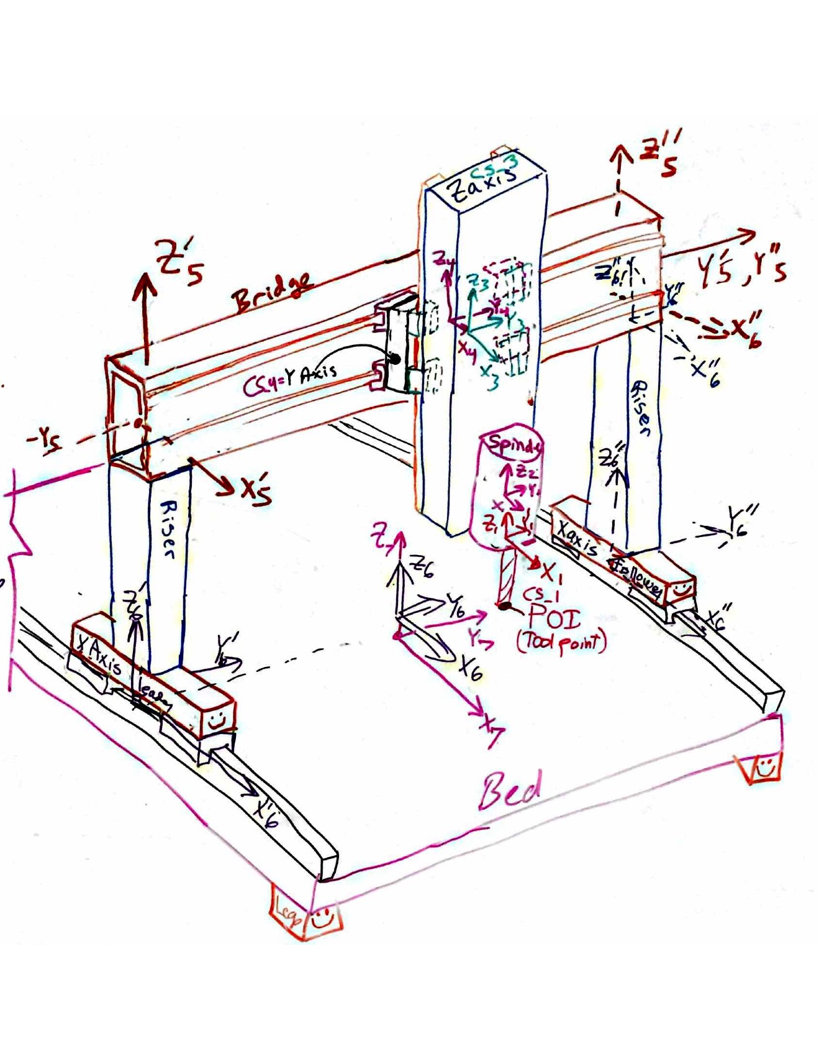
Position along beam | 700 | rail width (mm) | 25
Length (mm) | 700 | roll rotary stiffness (Nmm/radian) | 101093750
Height (x direction) (mm) (or diameter) | 203.2 | pitch rotary stiffness (Nmm/radian) | 33697917
Width (Y direction) (mm), or fraction of solid cylinder | 203.2 | yaw rotary stiffness (Nmm/radian) | 33697917
wall (mm) | 12.7 | servo system (if values needed for this CS)
Area (mm^2) | 19355 | Ballscrew | X axis
I width dimension of beam // nuetral axis (mm^4) | 1.18E+08 | Root diameter (mm) | 25
I height dimension of beam // nuetral axis (mm^4) | 1.18E+08 | Length (mm) | 450
Ipolar (mm^4) | 1.76E+08 | Modulus | 2.00E+05
I/A stiffness to weight ratio | 6075 | shaft stiffness | 2.18E+05
simply supported stiffness about Izz (N/mm) | 70963 | factor to derate stiffness of shaft for nut, mounting etc | 3
Notes:
Net stiffness of CS origin (POA@Center of Stiffness) due to attachment points |  | Servo stiffness (if applicable, else make sure to enter "0"
Linear stiffness
KX | 7.27E+04 | 7.27E+04
KY | 2.59E+06 | 0.00E+00 |  |  |  | Application note: IF using a purchased linear table with mfg specs for stuffness and accuracy, just enter "1" for number of attach points and then the stiffness and error motion data from the catalog for that "point" (the entire table)
KZ | 2.59E+06 | 0.00E+00 |  |  |  | CRITICAL: Enter Total number of bearing or attachment points (up to 12) AND zero out numbers in fields for points not used!
Rotation stiffness |  |  |  |  |  | Number of attach points = | 4
KrotX | 6.87E+09 | 0.00E+00 |  |  |  |  | Attachment points between current CS origin and next CS: usually in a plane
KrotY | 6.60E+09 | 0.00E+00 |  |  |  | location in axis CS | 1 | 2 | 3 | 4 | 5 | 6 | 7 | 8 | 9 | 10 | 11 | 12
KrotZ | 6.60E+09 | 0.00E+00 |  |  |  | X | 50 | -50 | -50 | 50 | 0 | 0 | 0 | 0 | 0 | 0 | 0 | 0
Application note: IF using a purchased axis with mfg specs for stiffness and accuracy, just enter "1" for number of attach points and then the stiffness and error motion data from the catalog for that "point" (the entire table) |  |  |  |  |  | Y | 0 | 0 | 0 | 0 | 0 | 0 | 0 | 0 | 0 | 0 | 0 | 0
 |  |  |  |  |  | Z | 50 | 50 | -50 | -50 | 0 | 0 | 0 | 0 | 0 | 0 | 0 | 0
 |  |  |  |  |  | Linear stiffness at the point
Additional angular error motions (in event of using a modular axis) |  |  |  |  |  | KX | 0.00E+00 | 0.00E+00 | 0.00E+00 | 0.00E+00 | 0 | 0 | 0 | 0 | 0 | 0 | 0 | 0
Random |  |  |  |  |  | KY | 6.47E+05 | 6.47E+05 | 6.47E+05 | 6.47E+05 | 0 | 0 | 0 | 0 | 0 | 0 | 0 | 0
EpsilonX (radians) | 0 |  |  |  |  | KZ | 6.47E+05 | 6.47E+05 | 6.47E+05 | 6.47E+05 | 0 | 0 | 0 | 0 | 0 | 0 | 0 | 0
EpsilonY (radians) | 0 |  |  |  |  | Rotation stiffness at the point
EpsilonZ (radians) | 0 |  |  |  |  | KrotX | 1.01E+08 | 1.01E+08 | 1.01E+08 | 1.01E+08 | 0 | 0 | 0 | 0 | 0 | 0 | 0 | 0
Systematic |  |  |  |  |  | KrotY | 3.37E+07 | 3.37E+07 | 3.37E+07 | 3.37E+07 | 0 | 0 | 0 | 0 | 0 | 0 | 0 | 0
EpsilonX (radians) | 0 |  |  |  |  | KrotZ | 3.37E+07 | 3.37E+07 | 3.37E+07 | 3.37E+07 | 0 | 0 | 0 | 0 | 0 | 0 | 0 | 0
EpsilonY (radians) | 0 |  |  |  |  | Effective contribution of linear stiffness to rotation stiffness about center of stiffness
EpsilonZ (radians) | 0 |  |  |  |  | KrotX | 1.62E+09 | 1.62E+09 | 1.62E+09 | 1.62E+09 | 0 | 0 | 0 | 0 | 0 | 0 | 0 | 0
Net Random RMS error motions of points connecting adjacent CS |  |  |  |  |  | KrotY | 1.62E+09 | 1.62E+09 | 1.62E+09 | 1.62E+09 | 0 | 0 | 0 | 0 | 0 | 0 | 0 | 0
DeltaX | 0.005 |  |  |  |  | KrotZ | 1.62E+09 | 1.62E+09 | 1.62E+09 | 1.62E+09 | 0 | 0 | 0 | 0 | 0 | 0 | 0 | 0
DeltaY | 0.005 |  |  |  |  | Random Translational (e.g., running parallelism) error motions of attachment points, NO ZEROS FOR POINTS IN USE, INCLUDING ALONG SERVO AXIS, AT A MINIMUM MAKE SERVO DIRECTION = RUNNING PARALLISM
DeltaZ | 0.005 |  |  |  |  | DeltaX | 0.005 | 0.005 | 0.005 | 0.005 | 0 | 0 | 0 | 0 | 0 | 0 | 0 | 0
EpsilonX | 0.0001 |  |  |  |  | DeltaY | 0.005 | 0.005 | 0.005 | 0.005 | 0 | 0 | 0 | 0 | 0 | 0 | 0 | 0
EpsilonY | 9.9999999E-05 |  |  |  |  | DeltaZ | 0.005 | 0.005 | 0.005 | 0.005 | 0 | 0 | 0 | 0 | 0 | 0 | 0 | 0
EpsilonZ | 0.0001 |  |  |  |  | Resulting Random Angular error motions about center of stiffness
Net Systematic RMS (to account for elastic averaging) error motions of points connecting adjacent CS |  |  |  |  |  | EpsilonX | 1.00E-04 | 1.00E-04 | 1.00E-04 | 1.00E-04 | 0.00E+00 | 0.00E+00 | 0.00E+00 | 0.00E+00 | 0.00E+00 | 0.00E+00 | 0.00E+00 | 0.00E+00
DeltaX | 0 |  |  |  |  | EpsilonY | 1.00E-04 | 1.00E-04 | 1.00E-04 | 1.00E-04 | 0.00E+00 | 0.00E+00 | 0.00E+00 | 0.00E+00 | 0.00E+00 | 0.00E+00 | 0.00E+00 | 0.00E+00
DeltaY | 0 |  |  |  |  | EpsilonZ | 1.00E-04 | 1.00E-04 | 1.00E-04 | 1.00E-04 | 0.00E+00 | 0.00E+00 | 0.00E+00 | 0.00E+00 | 0.00E+00 | 0.00E+00 | 0.00E+00 | 0.00E+00
DeltaZ | 0 |  |  |  |  | Systematic Translational Error motions of attachment points (e.g., machining tolerance), ENTER ALL ZEROS OR ALL VALUES FOR A POINT SHOULD BE THE SAME
EpsilonX | 0 |  |  |  |  | DeltaX | 0 | 0 | 0 | 0 | 0 | 0 | 0 | 0 | 0 | 0 | 0 | 0
EpsilonY | 0 |  |  |  |  | DeltaY | 0 | 0 | 0 | 0 | 0 | 0 | 0 | 0 | 0 | 0 | 0 | 0
EpsilonZ | 0 |  |  |  |  | DeltaZ | 0 | 0 | 0 | 0 | 0 | 0 | 0 | 0 | 0 | 0 | 0 | 0
 |  |  |  |  |  | Resulting Systematic Angular error motions about center of stiffness (each point's angular errors are RSS'd for puspose of assumed spring equilibrium)
 |  |  |  |  |  | EpsilonX | 0.00E+00 | 0.00E+00 | 0.00E+00 | 0.00E+00 | 0.00E+00 | 0.00E+00 | 0.00E+00 | 0.00E+00 | 0.00E+00 | 0.00E+00 | 0.00E+00 | 0.00E+00
 |  |  |  |  |  | EpsilonY | 0.00E+00 | 0.00E+00 | 0.00E+00 | 0.00E+00 | 0.00E+00 | 0.00E+00 | 0.00E+00 | 0.00E+00 | 0.00E+00 | 0.00E+00 | 0.00E+00 | 0.00E+00
 |  |  |  |  |  | EpsilonZ | 0.00E+00 | 0.00E+00 | 0.00E+00 | 0.00E+00 | 0.00E+00 | 0.00E+00 | 0.00E+00 | 0.00E+00 | 0.00E+00 | 0.00E+00 | 0.00E+00 | 0.00E+00

 |  |  |  |  |  | Rotation calculations for random errors from attachment points: logic enables user to just enter coordinates of bearing blocks and running parallelism errors
 |  |  |  |  |  |  | rndm EpsilonX
 |  |  |  |  |  | rotation condition | 9.9999998E-05 | 9.9999998E-05 | 0.000100000002 | 0.000100000002 | 0 | 0 | 0 | 0 | 0 | 0 | 0 | 0
 |  |  |  |  |  | rotation condition | 5000 | 5000 | 5000 | 5000 | 0 | 0 | 0 | 0 | 0 | 0 | 0 | 0
 |  |  |  |  |  | result | 1.00E-04 | 1.00E-04 | 1.00E-04 | 1.00E-04 | 0.00E+00 | 0.00E+00 | 0.00E+00 | 0.00E+00 | 0.00E+00 | 0.00E+00 | 0.00E+00 | 0.00E+00
 |  |  |  |  |  |  | rndm EpsilonY
 |  |  |  |  |  | rotation condition | 9.9999998E-05 | 0.000100000002 | 0.000100000002 | 9.9999998E-05 | 0 | 0 | 0 | 0 | 0 | 0 | 0 | 0
 |  |  |  |  |  | rotation condition | 0.0 | 0.0 | 0.0 | 0.0 | 0.0 | 0.0 | 0.0 | 0.0 | 0.0 | 0.0 | 0.0 | 0.0
 |  |  |  |  |  | result | 1.00E-04 | 1.00E-04 | 1.00E-04 | 1.00E-04 | 0.00E+00 | 0.00E+00 | 0.00E+00 | 0.00E+00 | 0.00E+00 | 0.00E+00 | 0.00E+00 | 0.00E+00
 |  |  |  |  |  |  | rndm EpsilonZ
 |  |  |  |  |  | rotation condition | 9.9999998E-05 | 0.000100000002 | 0.000100000002 | 9.9999998E-05 | 0 | 0 | 0 | 0 | 0 | 0 | 0 | 0
 |  |  |  |  |  | rotation condition | 5000 | 5000 | 5000 | 5000 | 0 | 0 | 0 | 0 | 0 | 0 | 0 | 0
 |  |  |  |  |  | result | 1.00E-04 | 1.00E-04 | 1.00E-04 | 1.00E-04 | 0.00E+00 | 0.00E+00 | 0.00E+00 | 0.00E+00 | 0.00E+00 | 0.00E+00 | 0.00E+00 | 0.00E+00

 |  |  |  |  |  | Rotation calculations for systematic errors from attachment points: logic enables user to just enter coordinates of of mounting points and mounting point errors
 |  |  |  |  |  |  | sys EpsilonX
 |  |  |  |  |  | rotation condition | 0.00E+00 | 0.00E+00 | 0.00E+00 | 0.00E+00 | 0.00E+00 | 0.00E+00 | 0.00E+00 | 0.00E+00 | 0.00E+00 | 0.00E+00 | 0.00E+00 | 0.00E+00
 |  |  |  |  |  | rotation condition | 0.00000 | 0.00000 | 0.00000 | 0.00000 | 0.00000 | 0.00000 | 0.00000 | 0.00000 | 0.00000 | 0.00000 | 0.00000 | 0.00000
 |  |  |  |  |  | sign | 1 | 1 | 1 | 1 | 1 | 1 | 1 | 1 | 1 | 1 | 1 | 1
 |  |  |  |  |  | result | 0.00E+00 | 0.00E+00 | 0.00E+00 | 0.00E+00 | 0.00E+00 | 0.00E+00 | 0.00E+00 | 0.00E+00 | 0.00E+00 | 0.00E+00 | 0.00E+00 | 0.00E+00
 |  |  |  |  |  |  | sys EpsilonY
 |  |  |  |  |  | rotation condition | 0 | 0 | 0 | 0 | 0 | 0 | 0 | 0 | 0 | 0 | 0 | 0
 |  |  |  |  |  | rotation condition | 0 | 0 | 0 | 0 | 0 | 0 | 0 | 0 | 0 | 0 | 0 | 0
 |  |  |  |  |  | sign | 1 | 1 | 1 | 1 | 1 | 1 | 1 | 1 | 1 | 1 | 1 | 1
 |  |  |  |  |  | result | 0.00E+00 | 0.00E+00 | 0.00E+00 | 0.00E+00 | 0.00E+00 | 0.00E+00 | 0.00E+00 | 0.00E+00 | 0.00E+00 | 0.00E+00 | 0.00E+00 | 0.00E+00
 |  |  |  |  |  |  | sys EpsilonZ
 |  |  |  |  |  | rotation condition | 0.00E+00 | 0.00E+00 | 0.00E+00 | 0.00E+00 | 0.00E+00 | 0.00E+00 | 0.00E+00 | 0.00E+00 | 0.00E+00 | 0.00E+00 | 0.00E+00 | 0.00E+00
 |  |  |  |  |  | rotation condition | 0 | 0 | 0 | 0 | 0 | 0 | 0 | 0 | 0 | 0 | 0 | 0
 |  |  |  |  |  | sign | 1 | 1 | 1 | 1 | 1 | 1 | 1 | 1 | 1 | 1 | 1 | 1
 |  |  |  |  |  | result | 0.00E+00 | 0.00E+00 | 0.00E+00 | 0.00E+00 | 0.00E+00 | 0.00E+00 | 0.00E+00 | 0.00E+00 | 0.00E+00 | 0.00E+00 | 0.00E+00 | 0.00E+00

X section properties
square or round
Round | units | name | value
OD | mm | R_OD | 250
wall | mm | R_wall | 12.7
Area | mm^2 | R_Area | 9,468
I | mm^4 | R_I | 66834233.893984355
Ipolar | mm^4 | R_Ip | 133668467.78796871

Square
OD | mm | S_OD | 100
wall | mm | S_wall | 6
Area | mm^2 | S_Area | 2,256
Iyy | mm^4 | S_I | 3.34E+06
Ipolar | mm^4 | S_IP | 4.98E+06
Linear guide rail size | mm | lgrs | 25
estimated distance between carriage center stiffnesses
square tube mount | mm | lgst | 75 | 6382978.7234
round tube mount | mm | lgrt | 275
Comparison |  |  |  | 0.78074896
Area round / area square | 4.20
Iyy round / Iyy square | 20.04
I polar round/square | 26.82
bearing socaing round / bearing spacing square | 3.6666666667

X axis structure
Round | units | value
Modulus | MPa | 66667
OD | mm | 500
wall | mm | 25
Area | mm^2 | 37,306
Iyy | mm^4 | 1055071985.9
Ipolar | mm^4 | 2110143971.8
total length | mm | 1800
x axis position | mm
offset of X zero from end | mm | 200
position ("a) of CS from end | mm | 200
torsional stiffness | N-mm/rad | 2.64E+11
X stiffness | N/mm | 13,989,905 | axial
Y stiffness | N/mm | 274758 | simply supported
Z stiffness | N/mm | 274758 | simply supported
angular stiffness | N-mm/rad | 3956519947 | simply supported

Right Hand CS
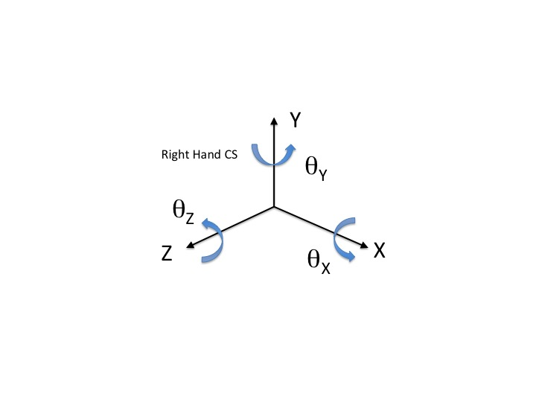

HTM formulas
