Dimension
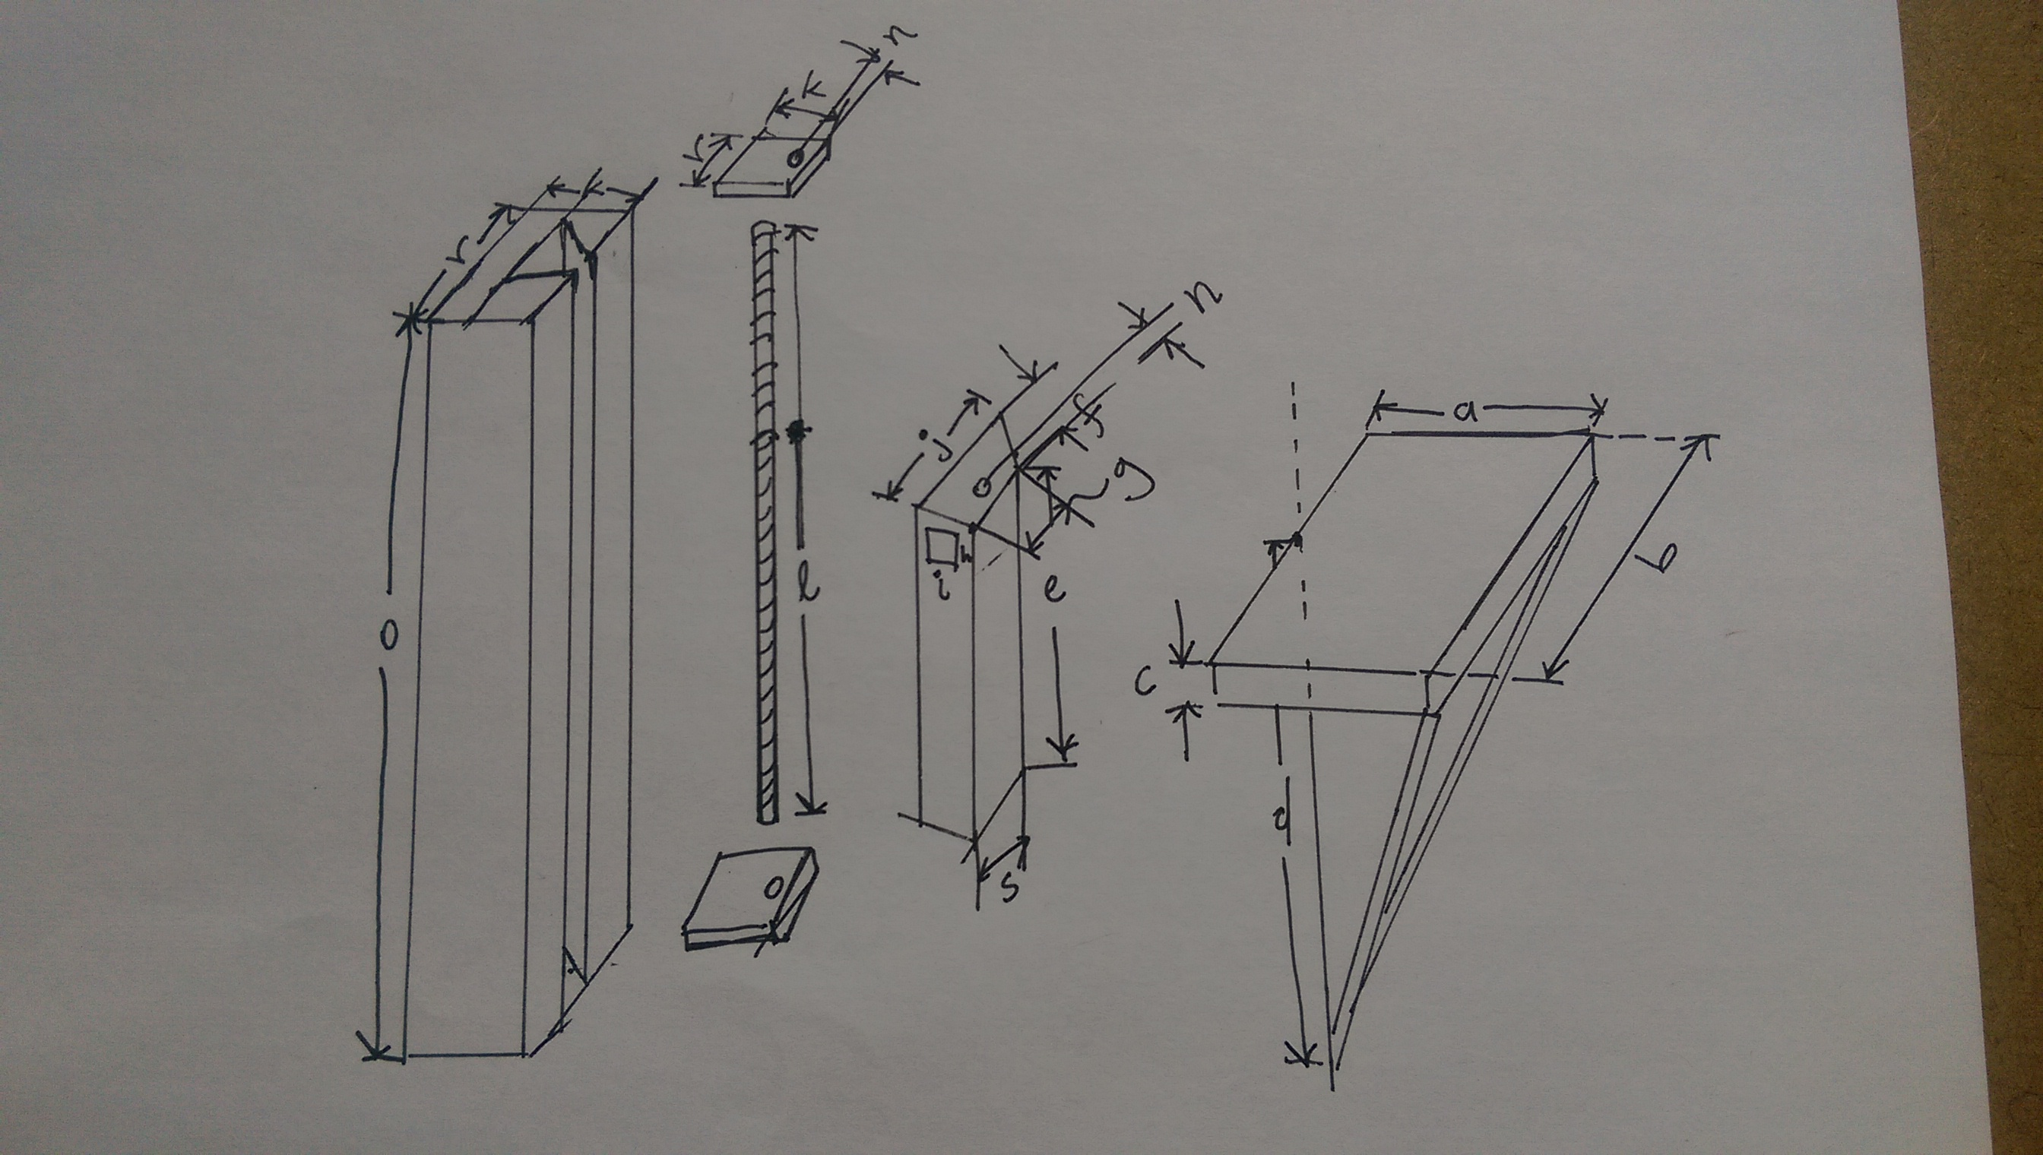
A | 350 | a, side-length of diagonal | 100
B | 500 | theta, diagonal | 0.62024948598
C | 12.7 | l, length of diagonal | 464.35439053
D | 175
E | 275 | must be > D
F | 35
G | 0 | top of slider to table
H | 48 | teflon thickness | 0.051
I | 16
J | 100 | should be greater than B/5
K | 70
L | 820 | Should be >O+2*thickness of plates
M
N | 17.5
O | 800
P | 8 | shaft diameter
Q
R | 140
S | 75

 |  |  |  | Will the slider fall out? | rotation+lateral stretch | deflection | 2.60E-05
 |  |  |  | How many screws are needed at the first attachment point | shear analysis | 2.1231422505 | 11.368210221
 |  |  |  | Will it buckle? | buckling analysis

CS_3 Bearing
CS 3 | Bearing
Geometric errors at CS origin and location and stiffness of points (or bearings) of attachment between coordinate systems
Error motions of CS Origin along & about its axes. Values read used by "Coordinate Systems" worksheet |  |  |  | CAREFUL as this compliance matrix is referenced in the worksheet "CSs and Loads"
Element | dovetail channel | Bearings (if values needed for this CS) |  | Z axis Cantilever Beam: X lateral, Y transverse, Z axial position is spindle CS location in Z axis
Structure type | simple support | width of bolts, ~r | 140 | dx | _ = _ | 2.12E-05 | 0 | 0 | 0 | 1.09E-07 | 0 | Fx
Material | wood | Young's modulus | 1.80E+05 | dy |  | 0 | 1.33E-06 | 0 | 6.83E-09 | 0 | 0 | Fy
Young's Modulus (N/mm^2) | 2.00E+05 | bolt length, check dependants | 70 | dz |  | 0 | 0 | 0.00E+00 | 0 | 0 | 0 | Fz | 5.9369202226E-07
Poison ratio | 0.29 | bolt diameter (mm) | 18.825 | thetaX |  | 0.00E+00 | 6.83E-09 | 0 | 1.38E-10 | 0 | 0 | Mx
Shear modulus (N/mm^2) | 77519 | Shear modulus | 7.72E+04 | thetaY |  | 1.09E-07 | 0 | 0 | 0 | 2.20E-09 | 0 | My
Beam properties (rectangular tube, or round, else customize) |  | axial stiffness N/mm | 7.16E+05 | thetaZ |  | 0 | 0 | 0 | 0 | 0 | 6.53E-10 | Mz
Position along beam, fix this | 650 | rail length, ~o | 800
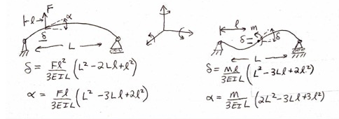
o, length (mm)-might need to st. venant as e | 800 | roll rotary stiffness (Nmm/radian) | 14027826558
k, depth (mm) | 70 | pitch rotary stiffness (Nmm/radian) | 458051479436
r, width (mm) | 140 | yaw rotary stiffness (Nmm/radian) | 50617392258
f, slider depth (mm) | 35
s, minor width (mm) | 75
j, major width (mm) | 100 | servo system (if values needed for this CS)
Area (mm^2) | 6738 | Ballscrew | Z axis
Ix, area moment of inertia (mm^4) | 1.49E+07 | Root diameter (mm) | 12
Iy, area moment of inertia (mm^4) | 9.34E+05 | Length (mm) | 820
Ipolar (mm^4) | 1.58E+07 | Modulus | 2.00E+05
I/A stiffness to weight ratio | 139 | shaft stiffness | 2.76E+04
simply supported stiffness about Izz (N/mm) | 1094 | factor to derate stiffness of shaft for nut, mounting etc | 3
Notes: Y axis is + into the page so a + X direction force causes a - rotation about Y axis
Net stiffness of CS origin (POA@Center of Stiffness) due to attachment points |  | Servo stiffness (if applicable, else make sure to enter "0"
Linear stiffness
KX | 2.80E+02 | 0.00E+00
KY | 2.59E+06 | 0.00E+00 |  |  |  | Application note: IF using a purchased linear table with mfg specs for stuffness and accuracy, just enter "1" for number of attach points and then the stiffness and error motion data from the catalog for that "point" (the entire table)
KZ | 7.25E+05 | 9.19E+03 |  |  |  | CRITICAL: Enter Total number of bearing or attachment points (up to 12) AND zero out numbers in fields for points not used!
Rotation stiffness |  |  |  |  |  | Number of attach points = | 4
KrotX | 6.20E+11 | 0.00E+00 |  |  |  |  | Attachment points between current CS origin and next CS: usually in a plane
KrotY | 1.83E+12 | 0.00E+00 |  |  |  | location in axis CS | 1 | 2 | 3 | 4 | 5 | 6 | 7 | 8 | 9 | 10 | 11 | 12
KrotZ | 6.32E+10 | 0.00E+00 |  |  |  | X | -52.5 | -52.5 | -52.5 | -52.5 | 0 | 0 | 0 | 0 | 0 | 0 | 0 | 0
Application note: IF using a purchased axis with mfg specs for stiffness and accuracy, just enter "1" for number of attach points and then the stiffness and error motion data from the catalog for that "point" (the entire table) |  |  |  |  |  | Y | -70 | 70 | -70 | 70 | 0 | 0 | 0 | 0 | 0 | 0 | 0 | 0
 |  |  |  |  |  | Z | 400 | 400 | -400 | -400 | 0 | 0 | 0 | 0 | 0 | 0 | 0 | 0
 |  |  |  |  |  | Linear stiffness at the point
Additional angular error motions (in event of using a modular axis) |  |  |  |  |  | KX | 7.00E+01 | 7.00E+01 | 7.00E+01 | 7.00E+01 | 0 | 0 | 0 | 0 | 0 | 0 | 0 | 0
Random |  |  |  |  |  | KY | 6.47E+05 | 6.47E+05 | 6.47E+05 | 6.47E+05 | 0 | 0 | 0 | 0 | 0 | 0 | 0 | 0
EpsilonX (radians) | 0 |  |  |  |  | KZ | 7.16E+05 | 0.00E+00 | 0.00E+00 | 0.00E+00 | 0 | 0 | 0 | 0 | 0 | 0 | 0 | 0
EpsilonY (radians) | 0 |  |  |  |  | Rotation stiffness at the point
EpsilonZ (radians) | 0 |  |  |  |  | KrotX | 5.06E+10 | 5.06E+10 | 5.06E+10 | 5.06E+10 | 0 | 0 | 0 | 0 | 0 | 0 | 0 | 0
Systematic |  |  |  |  |  | KrotY | 4.58E+11 | 4.58E+11 | 4.58E+11 | 4.58E+11 | 0 | 0 | 0 | 0 | 0 | 0 | 0 | 0
EpsilonX (radians) | 0 |  |  |  |  | KrotZ | 1.40E+10 | 1.40E+10 | 1.40E+10 | 1.40E+10 | 0 | 0 | 0 | 0 | 0 | 0 | 0 | 0
EpsilonY (radians) | 0 |  |  |  |  | Effective contribution of linear stiffness to rotation stiffness about center of stiffness
EpsilonZ (radians) | 0 |  |  |  |  | KrotX | 1.07E+11 | 1.04E+11 | 1.04E+11 | 1.04E+11 | 0 | 0 | 0 | 0 | 0 | 0 | 0 | 0
Net Random RMS error motions of points connecting adjacent CS |  |  |  |  |  | KrotY | 1.98E+09 | 1.12E+07 | 1.12E+07 | 1.12E+07 | 0 | 0 | 0 | 0 | 0 | 0 | 0 | 0
DeltaX | 0.005 |  |  |  |  | KrotZ | 1.78E+09 | 1.78E+09 | 1.78E+09 | 1.78E+09 | 0 | 0 | 0 | 0 | 0 | 0 | 0 | 0
DeltaY | 0.005 |  |  |  |  | Random Translational (e.g., running parallelism) error motions of attachment points, NO ZEROS FOR POINTS IN USE, INCLUDING ALONG SERVO AXIS, AT A MINIMUM MAKE SERVO DIRECTION = RUNNING PARALLISM
DeltaZ | 0.005 |  |  |  |  | DeltaX | 0.005 | 0.005 | 0.005 | 0.005 | 0 | 0 | 0 | 0 | 0 | 0 | 0 | 0
EpsilonX | 0.0000125 |  |  |  |  | DeltaY | 0.005 | 0.005 | 0.005 | 0.005 | 0 | 0 | 0 | 0 | 0 | 0 | 0 | 0
EpsilonY | 0.0000125 |  |  |  |  | DeltaZ | 0.005 | 0.005 | 0.005 | 0.005 | 0 | 0 | 0 | 0 | 0 | 0 | 0 | 0
EpsilonZ | 7.1428571429E-05 |  |  |  |  | Resulting Random Angular error motions about center of stiffness
Net Systematic RMS (to account for elastic averaging) error motions of points connecting adjacent CS |  |  |  |  |  | EpsilonX | 1.25E-05 | 1.25E-05 | 1.25E-05 | 1.25E-05 | 0.00E+00 | 0.00E+00 | 0.00E+00 | 0.00E+00 | 0.00E+00 | 0.00E+00 | 0.00E+00 | 0.00E+00
DeltaX | 0 |  |  |  |  | EpsilonY | 1.25E-05 | 1.25E-05 | 1.25E-05 | 1.25E-05 | 0.00E+00 | 0.00E+00 | 0.00E+00 | 0.00E+00 | 0.00E+00 | 0.00E+00 | 0.00E+00 | 0.00E+00
DeltaY | 0 |  |  |  |  | EpsilonZ | 7.14E-05 | 7.14E-05 | 7.14E-05 | 7.14E-05 | 0.00E+00 | 0.00E+00 | 0.00E+00 | 0.00E+00 | 0.00E+00 | 0.00E+00 | 0.00E+00 | 0.00E+00
DeltaZ | 0 |  |  |  |  | Systematic Translational Error motions of attachment points (e.g., machining tolerance), ENTER ALL ZEROS OR ALL VALUES FOR A POINT SHOULD BE THE SAME
EpsilonX | 0 |  |  |  |  | DeltaX | 0 | 0 | 0 | 0 | 0 | 0 | 0 | 0 | 0 | 0 | 0 | 0
EpsilonY | 0 |  |  |  |  | DeltaY | 0 | 0 | 0 | 0 | 0 | 0 | 0 | 0 | 0 | 0 | 0 | 0
EpsilonZ | 0 |  |  |  |  | DeltaZ | 0 | 0 | 0 | 0 | 0 | 0 | 0 | 0 | 0 | 0 | 0 | 0
 |  |  |  |  |  | Resulting Systematic Angular error motions about center of stiffness (each point's angular errors are RSS'd for puspose of assumed spring equilibrium)
 |  |  |  |  |  | EpsilonX | 0.00E+00 | 0.00E+00 | 0.00E+00 | 0.00E+00 | 0.00E+00 | 0.00E+00 | 0.00E+00 | 0.00E+00 | 0.00E+00 | 0.00E+00 | 0.00E+00 | 0.00E+00
 |  |  |  |  |  | EpsilonY | 0.00E+00 | 0.00E+00 | 0.00E+00 | 0.00E+00 | 0.00E+00 | 0.00E+00 | 0.00E+00 | 0.00E+00 | 0.00E+00 | 0.00E+00 | 0.00E+00 | 0.00E+00
 |  |  |  |  |  | EpsilonZ | 0.00E+00 | 0.00E+00 | 0.00E+00 | 0.00E+00 | 0.00E+00 | 0.00E+00 | 0.00E+00 | 0.00E+00 | 0.00E+00 | 0.00E+00 | 0.00E+00 | 0.00E+00
 |  |  |  |  |  | Structural compliance matrix (obtain values from user worksheet such as "bearings,sero, structure") ELSE ENTER ZEROS

 |  |  |  |  |  | Rotation calculations for random errors from attachment points: logic enables user to just enter coordinates of bearing blocks and running parallelism errors
 |  |  |  |  |  |  | rndm EpsilonX
 |  |  |  |  |  | rotation condition | 1.2499999969E-05 | 1.2499999969E-05 | 1.2500000031E-05 | 1.2500000031E-05 | 0 | 0 | 0 | 0 | 0 | 0 | 0 | 0
 |  |  |  |  |  | rotation condition | 7.1428572449E-05 | 7.1428570408E-05 | 7.1428572449E-05 | 7.1428570408E-05 | 0 | 0 | 0 | 0 | 0 | 0 | 0 | 0
 |  |  |  |  |  | result | 1.25E-05 | 1.25E-05 | 1.25E-05 | 1.25E-05 | 0.00E+00 | 0.00E+00 | 0.00E+00 | 0.00E+00 | 0.00E+00 | 0.00E+00 | 0.00E+00 | 0.00E+00
 |  |  |  |  |  |  | rndm EpsilonY
 |  |  |  |  |  | rotation condition | 9.5238097052E-05 | 9.5238097052E-05 | 9.5238097052E-05 | 9.5238097052E-05 | 0 | 0 | 0 | 0 | 0 | 0 | 0 | 0
 |  |  |  |  |  | rotation condition | 0.0 | 0.0 | 0.0 | 0.0 | 0.0 | 0.0 | 0.0 | 0.0 | 0.0 | 0.0 | 0.0 | 0.0
 |  |  |  |  |  | result | 1.25E-05 | 1.25E-05 | 1.25E-05 | 1.25E-05 | 0.00E+00 | 0.00E+00 | 0.00E+00 | 0.00E+00 | 0.00E+00 | 0.00E+00 | 0.00E+00 | 0.00E+00
 |  |  |  |  |  |  | rndm EpsilonZ
 |  |  |  |  |  | rotation condition | 9.5238097052E-05 | 9.5238097052E-05 | 9.5238097052E-05 | 9.5238097052E-05 | 0 | 0 | 0 | 0 | 0 | 0 | 0 | 0
 |  |  |  |  |  | rotation condition | 7.1428572449E-05 | 7.1428570408E-05 | 7.1428572449E-05 | 7.1428570408E-05 | 0 | 0 | 0 | 0 | 0 | 0 | 0 | 0
 |  |  |  |  |  | result | 7.14E-05 | 7.14E-05 | 7.14E-05 | 7.14E-05 | 0.00E+00 | 0.00E+00 | 0.00E+00 | 0.00E+00 | 0.00E+00 | 0.00E+00 | 0.00E+00 | 0.00E+00

 |  |  |  |  |  | Rotation calculations for systematic errors from attachment points: logic enables user to just enter coordinates of of mounting points and mounting point errors
 |  |  |  |  |  |  | sys EpsilonX
 |  |  |  |  |  | rotation condition | 0.00E+00 | 0.00E+00 | 0.00E+00 | 0.00E+00 | 0.00E+00 | 0.00E+00 | 0.00E+00 | 0.00E+00 | 0.00E+00 | 0.00E+00 | 0.00E+00 | 0.00E+00
 |  |  |  |  |  | rotation condition | 0.00000 | 0.00000 | 0.00000 | 0.00000 | 0.00000 | 0.00000 | 0.00000 | 0.00000 | 0.00000 | 0.00000 | 0.00000 | 0.00000
 |  |  |  |  |  | sign | 1 | 1 | 1 | 1 | 1 | 1 | 1 | 1 | 1 | 1 | 1 | 1
 |  |  |  |  |  | result | 0.00E+00 | 0.00E+00 | 0.00E+00 | 0.00E+00 | 0.00E+00 | 0.00E+00 | 0.00E+00 | 0.00E+00 | 0.00E+00 | 0.00E+00 | 0.00E+00 | 0.00E+00
 |  |  |  |  |  |  | sys EpsilonY
 |  |  |  |  |  | rotation condition | 0 | 0 | 0 | 0 | 0 | 0 | 0 | 0 | 0 | 0 | 0 | 0
 |  |  |  |  |  | rotation condition | 0 | 0 | 0 | 0 | 0 | 0 | 0 | 0 | 0 | 0 | 0 | 0
 |  |  |  |  |  | sign | 1 | 1 | 1 | 1 | 1 | 1 | 1 | 1 | 1 | 1 | 1 | 1
 |  |  |  |  |  | result | 0.00E+00 | 0.00E+00 | 0.00E+00 | 0.00E+00 | 0.00E+00 | 0.00E+00 | 0.00E+00 | 0.00E+00 | 0.00E+00 | 0.00E+00 | 0.00E+00 | 0.00E+00
 |  |  |  |  |  |  | sys EpsilonZ
 |  |  |  |  |  | rotation condition | 0.00E+00 | 0.00E+00 | 0.00E+00 | 0.00E+00 | 0.00E+00 | 0.00E+00 | 0.00E+00 | 0.00E+00 | 0.00E+00 | 0.00E+00 | 0.00E+00 | 0.00E+00
 |  |  |  |  |  | rotation condition | 0 | 0 | 0 | 0 | 0 | 0 | 0 | 0 | 0 | 0 | 0 | 0
 |  |  |  |  |  | sign | 1 | 1 | 1 | 1 | 1 | 1 | 1 | 1 | 1 | 1 | 1 | 1
 |  |  |  |  |  | result | 0.00E+00 | 0.00E+00 | 0.00E+00 | 0.00E+00 | 0.00E+00 | 0.00E+00 | 0.00E+00 | 0.00E+00 | 0.00E+00 | 0.00E+00 | 0.00E+00 | 0.00E+00

ref bearings, servo, structure
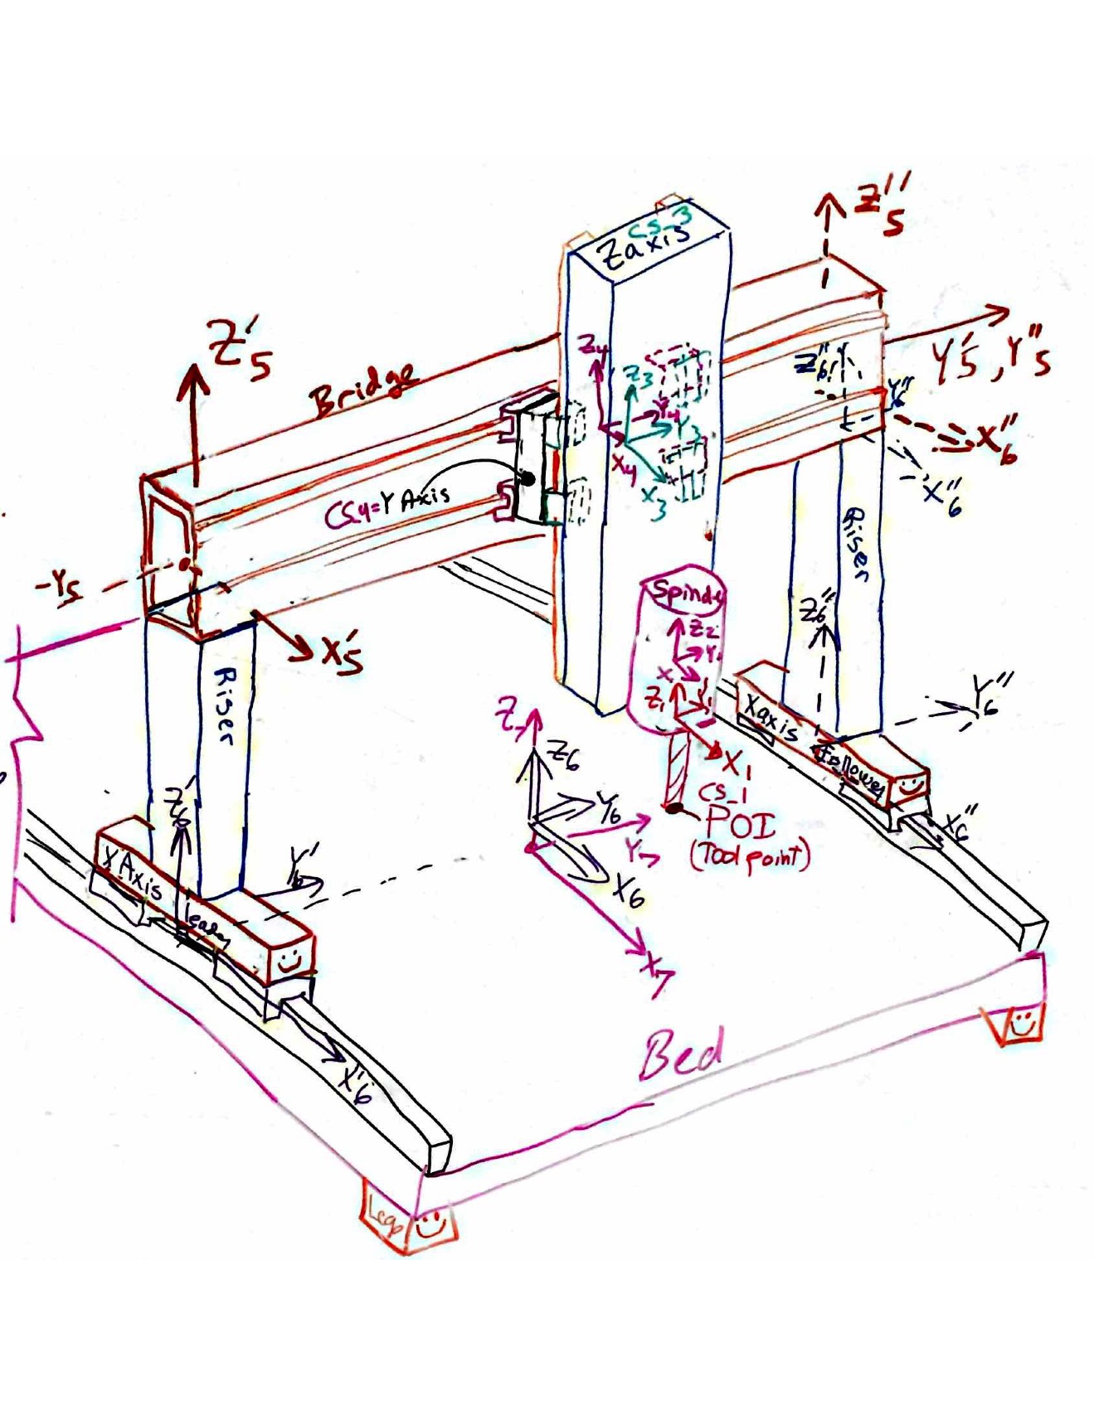
Generic for random calculations
Bearings
Size (e.g., rail width) | 25 | Gothic Arch
Fmax (N) | 17346 | 17400
k @ medium preload (N/mm) | 647000 | 392000
ball diameter (mm) | 3 | 3
% deflection max load | 0.01 | 0.01
stiffness est (N/mm) | 580000 | 580000
rail width (mm) | 25
roll rotary stiffness estimate (Nmm/radian) | 101093750
pitch rotary stiffness (Nmm/radian) | 33697917
yaw rotary stiffness (Nmm/radian) | 33697917
servo system
Ballscrew
Root diameter (mm) | 18
Length (mm) | 2500
Modulus | 2.00E+05
shaft stiffness | 2.04E+04
factor to derate stiffness of shaft for nut, mounting etc | 3
Coordinate System
Element
Structure type | cantilever | dx | _ = _ | 0.00E+00 | 0 | 0 | 0 | 0.00E+00 | 0 | Fx
Material | steel tool | dy |  | 0 | 0.00E+00 | 0 | 0.00E+00 | 0 | 0 | Fy
Young's Modulus (N/mm^2) | 2.00E+05 | dz |  | 0 | 0 | 0.00E+00 | 0 | 0 | 0 | Fz
Poison ratio | 0.29 | thetaX |  |  | 0.00E+00 | 0 | 0.00E+00 | 0 | 0 | Mx
Shear modulus (N/mm^2) | 77519 | thetaY |  | 0.00E+00 | 0 | 0 | 0 | 0.00E+00 | 0 | My
Beam properties (rectangular tube, or round, else customize) |  | thetaZ |  | 0 | 0 | 0 | 0 | 0 | 0.00E+00 | Mz
Position along beam | 0
Length (mm) | 0
Height (mm), or OD | 25
Width (mm), ID or fraction of solid cylinder | 50%
wall (mm)
Area (mm^2) | 245
I width dimension of beam (mm^4)
I height dimension of beam (mm^4) | 9587
Ipolar (mm^4) | 19175
I/A stiffness to weight ratio | 39
ref, simply supported stiffness about Izz (N/mm) | #DIV/0!
Notes: Y axis is + into the page so a + X direction force causes a - rotation about Y axis.

X section properties
square or round
Round | units | name | value
OD | mm | R_OD | 250
wall | mm | R_wall | 12.7
Area | mm^2 | R_Area | 9,468
I | mm^4 | R_I | 66834233.893984355
Ipolar | mm^4 | R_Ip | 133668467.78796871

Square
OD | mm | S_OD | 200
wall | mm | S_wall | 12.7
Area | mm^2 | S_Area | 9,515
Iyy | mm^4 | S_I | 5.59E+07
Ipolar | mm^4 | S_IP | 8.34E+07
Linear guide rail size | mm | lgrs | 25
estimated distance between carriage center stiffnesses
square tube mount | mm | lgst | 175
round tube mount | mm | lgrt | 275
Comparison
Area round / area square | 1.00
Iyy round / Iyy square | 1.20
I polar round/square | 1.60
bearing socaing round / bearing spacing square | 1.5714285714

X axis structure
Round | units | value
Modulus | MPa | 66667
OD | mm | 500
wall | mm | 25
Area | mm^2 | 37,306
Iyy | mm^4 | 1055071985.9
Ipolar | mm^4 | 2110143971.8
total length | mm | 1800
x axis position | mm
offset of X zero from end | mm | 200
position ("a) of CS from end | mm | 200
torsional stiffness | N-mm/rad | 2.64E+11
X stiffness | N/mm | 13,989,905 | axial
Y stiffness | N/mm | 274758 | simply supported
Z stiffness | N/mm | 274758 | simply supported
angular stiffness | N-mm/rad | 3956519947 | simply supported

Right Hand CS
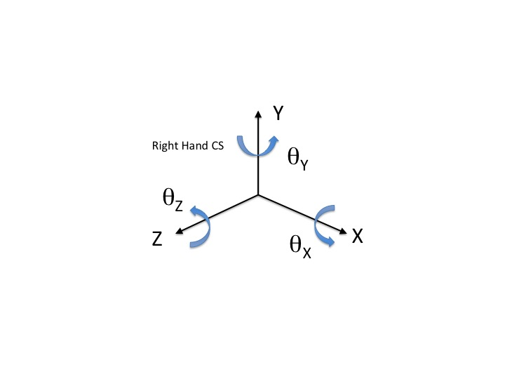

HTM formulas
