Blad1
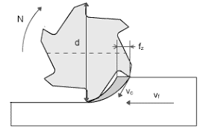
Aanvoersnelheid = (aanvoer x 1000) : (toerental x aantal tanden)

