air pollution
 | Goals | update a correlational model upon receiving new data (in particular, a new column of data)
 |  | infer the mediating framework between two random variables X, Y
 |  | integrate 2 abstract indicator frameworks "automatically"

 | n_electric_vehicles | traffic_volume | mobile_sources | wind_speed
n_electric_vehicles | 1 | 0.8 | 0.75 | 0
traffic_volume |  | 1 | 0.96 | -0.1
mobile_sources |  |  | 1 | -0.8
wind_speed |  |  |  | 1

 | clearly, a 0.75 correlation between the number of electric vehicles versus the mobile sources of NO and NO2 does not tell the story we want to tell
 | perhaps its because the number of electric vehicles on the roads at any one time strongly correlates with the number of total vehicles, and it’s that number which "causes" the air pollution
 | this correspond to a particular causal diagram; think of this as a set of intructions for what to control for

 | n_electric_vehicles | traffic_volume | mobile_sources | wind_speed | n_electric_vehicles|traffic_volume
n_electric_vehicles | 1 | 0.8 | 0.75 | 0 | 1
traffic_volume |  | 1 | 0.96 | -0.1 | 0
mobile_sources |  |  | 1 | -0.8 | -0.4
wind_speed |  |  |  | 1 | 0
n_electric_vehicles|traffic_volume |  |  |  |  | 1

 | basically, we got the partial correlation \rho(n_electric_vehicles, mobile_sources \cdot traffic_volume)
 | now maybe we want to tell a better story; suppose someone gives a new data point to play with, i.e. the number of normal cars (minus electric vehicles) that are on the road
 | we expect that as the number of electric vehicles goes up, the number of clunkers will go down

 | n_electric_vehicles | traffic_volume | mobile_sources | wind_speed | n_electric_vehicles|traffic_volume | n_clunkers | n_electric_vehicles|traffic_volume, n_clunkers
n_electric_vehicles | 1 | 0.8 | 0.75 | 0 | 1 | -0.8 | 1
traffic_volume |  | 1 | 0.96 | -0.1 | 0 | 0.99 | 0
mobile_sources |  |  | 1 | -0.8 | -0.7 | 0.8 | 0.05
wind_speed |  |  |  | 1 | 0 | 0 | 0
n_electric_vehicles|traffic_volume |  |  |  |  | 1 | -0.5 | 1
n_clunkers |  |  |  |  |  | 1 | 0
n_electric_vehicles|traffic_volume, n_clunkers |  |  |  |  |  |  | 1

 | in this case, taking into account the drop in n_clunkers completely explains the negative part of the correlation between n_electric_vehicles and mobile_sources!
 | so far, nothing here is new. One could have done it all in generic statistics.
 | more generally, suppose, given two variables (in this case n_electric_vehicles and mobile_sources), we want to define "the set of all things we would need to control for to get the true correlation between X and Y"
 | this would include things like mediating variables, confounding variables, and so on. It might be enormous! In particular, you're never going to get enough integrated data for all the possibilities
 | you might be tempted to discount the rest as noise… but the correlations we're looking for may be very small, small enough to be confused with noise
 | for now, let's focus on the mediating variables, i.e. those that lie on the causal pathway from A to B integrated data for all the possible variables
 | this causal pathway would look something like this

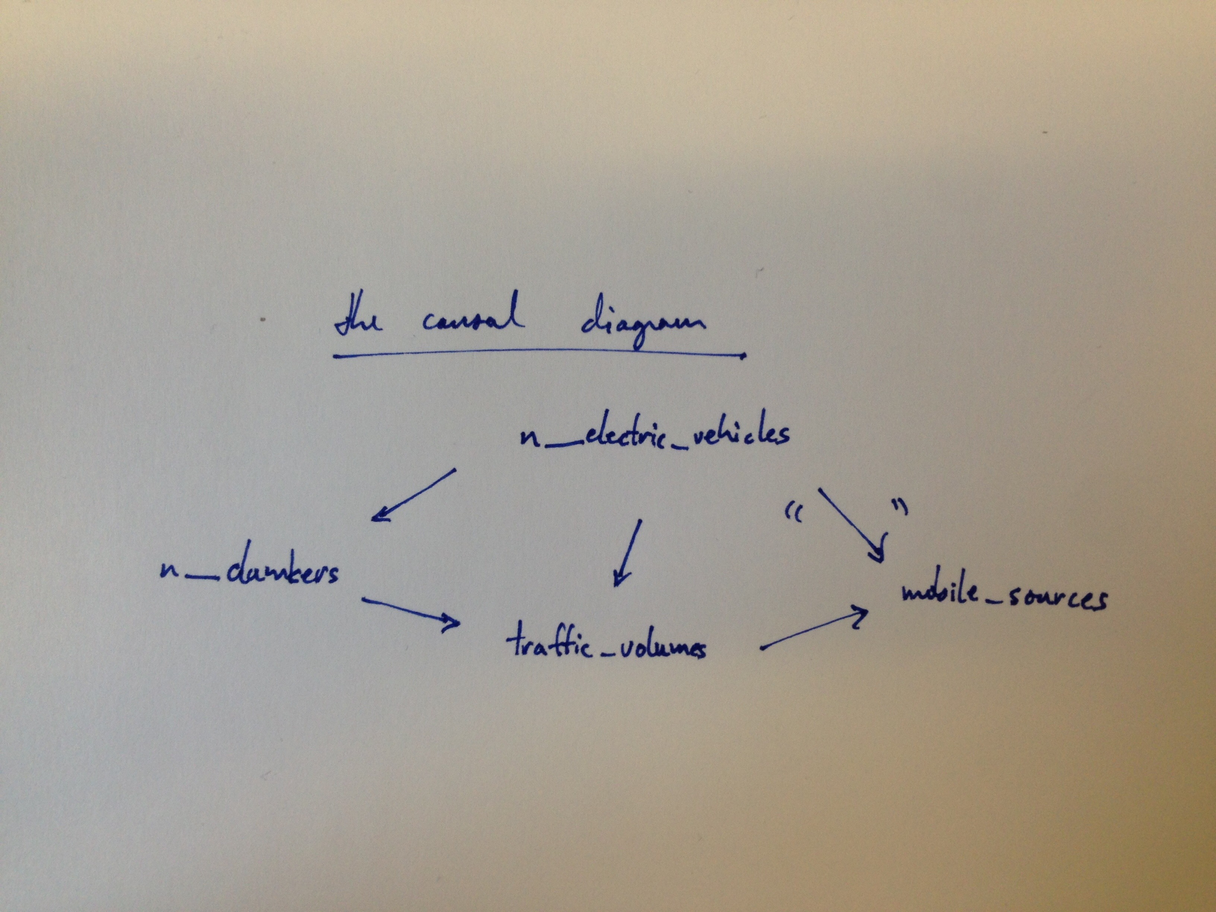

 | again, a stripped down causal diagram like this is, essentially, just "instructions for how to control for variables"
 | but a typical causal model such as a Bayesian network, involves something more. It involves a way of SIMULATING the data.
 | That is, given a conditional probability table, you can simulate a list of data based on that table. From that, you can derive a correlation. (True, you didn't have to do that, but it's easier to think about).

 | NOW, LET'S TALK ABOUT INTEGRATING MODELS OVER DATA
 | what we have, in essence, in the category Rand, is a specification of an indicator framework that's "automatically integrated"---we've abstracted away from the data integration part. The key point is that we posited the existence of this thing called an overlap instance

 | so the "dumb" way of integrating any number of models over data is to have them simulate data for you… and then integrating the data while adjusting for disagreements in the data on overlaps in the simulation
 | of course, models that simulate data don't always come with a causal diagram. It just so happens that Bayesian networks typically do
 | So you'd like to "break down" the causal contribution of the model, which tells you how to "navigate" the data when going between particular random variables
 | from the non-causal, correlational contribution which can be identified with the simulation part
 | … TBC

 | what else do we want?

 | so let's solve a simpler problem: how do we "find missing data", for whatever given purpose?
 | when I say missing data, I mean columns of data
 | and to some degree, "cross-linked data"
 | typically I'm going to abstract from the problem of "enough data", though in principle it is possible to think in terms of cross-sections, i.e. tables.
 | instead I'm just going to try to detect whether there are ANY cross-linked data, or ANY data in a column (i.e. does the column or indicator exist or not)
 | (the idea is that, in a BIG table of all the data that was ever collected, you can think of any "missing data" as a missing sub-table in that big table)

pavement
 | Goals | update a correlational model upon receiving new data (in particular, a new column of data)
 |  | infer the mediating framework between two random variables X, Y
 |  | integrate 2 abstract indicator frameworks "automatically"

 | n_flat_tires | cost_of_suspension + mechanical_wear | n_accidents | n_claims_against_city | paser_score | lidar | roadbotics | n_potholes | severity_potholes | miles_road_paved | resurface_schedule | paver_type | traffic_volume | temperature_variance | precipitation | level_of_service
n_flat_tires |  |  | 1
cost_of_suspension + mechanical_wear |  |  | 1
n_accidents |  |  |  | 1
n_claims_against_city |  |  |  |  |  |  |  | 1
paser_score |  |  |  |  |  |  |  | 1
lidar |  |  |  |  |  |  |  | 1
roadbotics |  |  |  |  |  |  |  | 1
n_potholes |  |  |  | 1 |  |  |  |  |  | 1 | 1
severity_potholes |  |  |  | 1 |  |  |  |  |  | 1 | 1
miles_road_paved
resurface_schedule
paver_type |  |  |  |  |  |  |  | 1 | 1 |  |  |  |  |  |  | 1
traffic_volume |  |  |  |  |  |  |  | 1 | 1 |  |  |  |  |  |  | 1
temperature_variance |  |  |  |  |  |  |  | 1 | 1 |  |  |  |  |  |  | 1
precipitation |  |  |  |  |  |  |  | 1 | 1 |  |  |  |  |  |  | 1
level_of_service |  |  |  | 1 |  |  |  |  |  | 1 | 1

 | the above table represents Santi's causal diagram, pasted below. Each 1 in row n and column m indicates that n has a causal effect on m

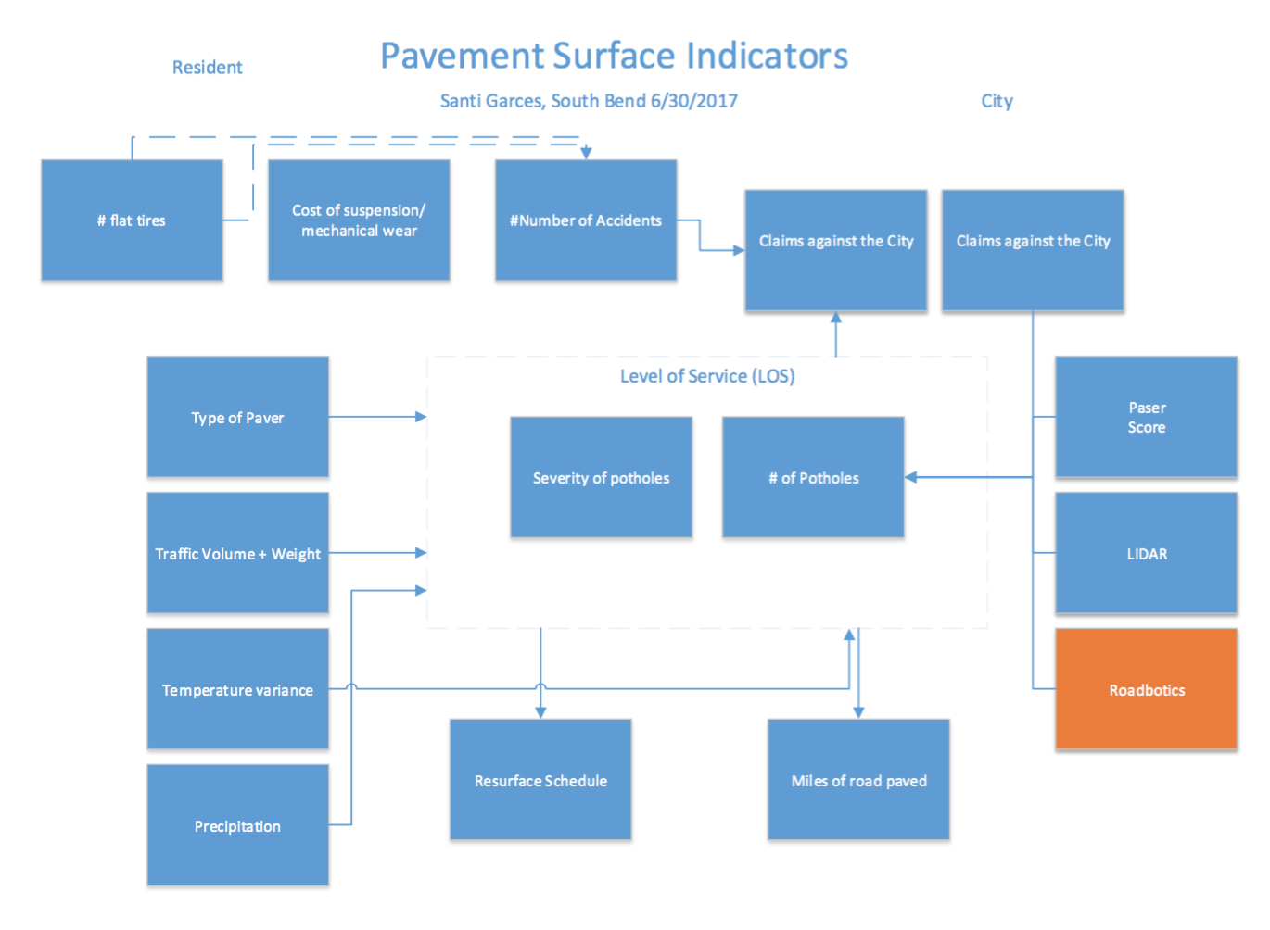

 | we'd like to illustrate how this causal diagram can be used to determine a sequence of statistical preparations
 | let's generate a correlation table for the indicators above

