Returns Time Series
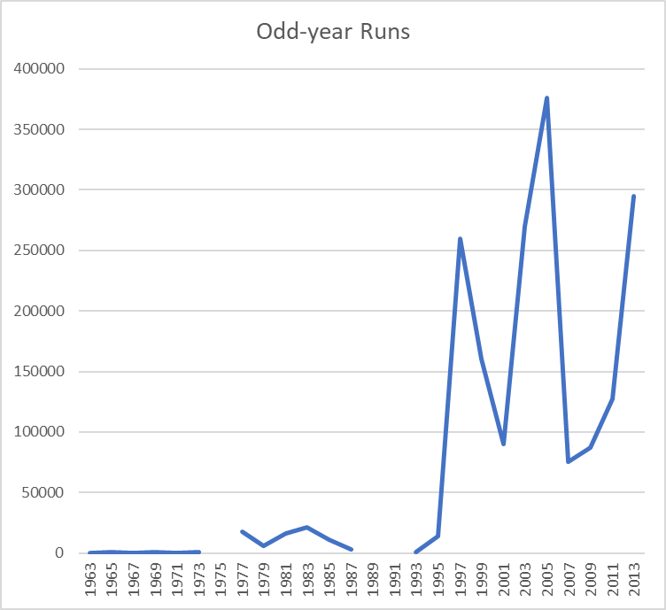
YEAR | PinkRUN | Indian River Peak Escapement
1962 | E | 500
1963 | O | 300
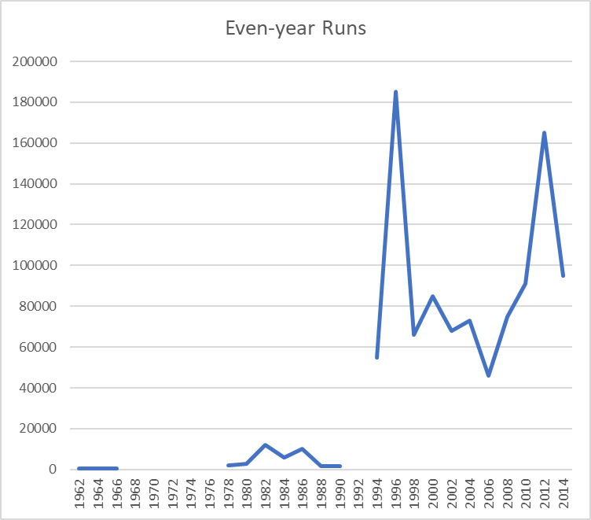
1964 | E | 300
1965 | O | 500
1966 | E | 300
1967 | O | 150
1968 | E
1969 | O | 500
1970 | E
1971 | O | 300
1972 | E | 200
1973 | O | 500
1974 | E
1975 | O
1976 | E
1977 | O | 17500
1978 | E | 2000
1979 | O | 5991
1980 | E | 2893
1981 | O | 16000
1982 | E | 12000
1983 | O | 21000
1984 | E | 6000
1985 | O | 11000
1986 | E | 10000
1987 | O | 3000
1988 | E | 1651
1989 | O
1990 | E | 1750
1991 | O
1992 | E
1993 | O | 800
1994 | E | 55000
1995 | O | 14000
1996 | E | 185000
1997 | O | 260000
1998 | E | 66000
1999 | O | 160000
2000 | E | 85000
2001 | O | 90000
2002 | E | 68000
2003 | O | 270000
2004 | E | 73000
2005 | O | 376200
2006 | E | 46000
2007 | O | 75600
2008 | E | 75000
2009 | O | 87400
2010 | E | 91000
2011 | O | 127000
2012 | E | 165000
2013 | O | 295000
2014 | E | 95000

