семинар 1.1
Students |  |  |  |  |  |  | Marks |  |  | Class
 | ID | Full name | Year of birth | Grade | State |  | ID | Mark | Description |  | ID | Rows | Desk number | Side
 | 1 | Masha | 2008 | 9 | 1 |  | 1 | A | Excellent |  | 1 | 1 | 5 | Left
 | 2 | Sasha | 2008 | 9 | 4 |  | 2 | B | Very goog |  | 2 | 2 | 3 | Right
 | 3 | Ivan | 2008 | 9 | 2 |  | 3 | C | Good |  | 3 | 3 | 4 | Right
 | 4 | Gena | 2008 | 9 | 1 |  | 4 | D | Bad |  | 4 | 2 | 2 | Left
 | 5 | Maksim | 2008 | 9 | 3 |  |  |  |  |  | 5 | 3 | 3 | Left

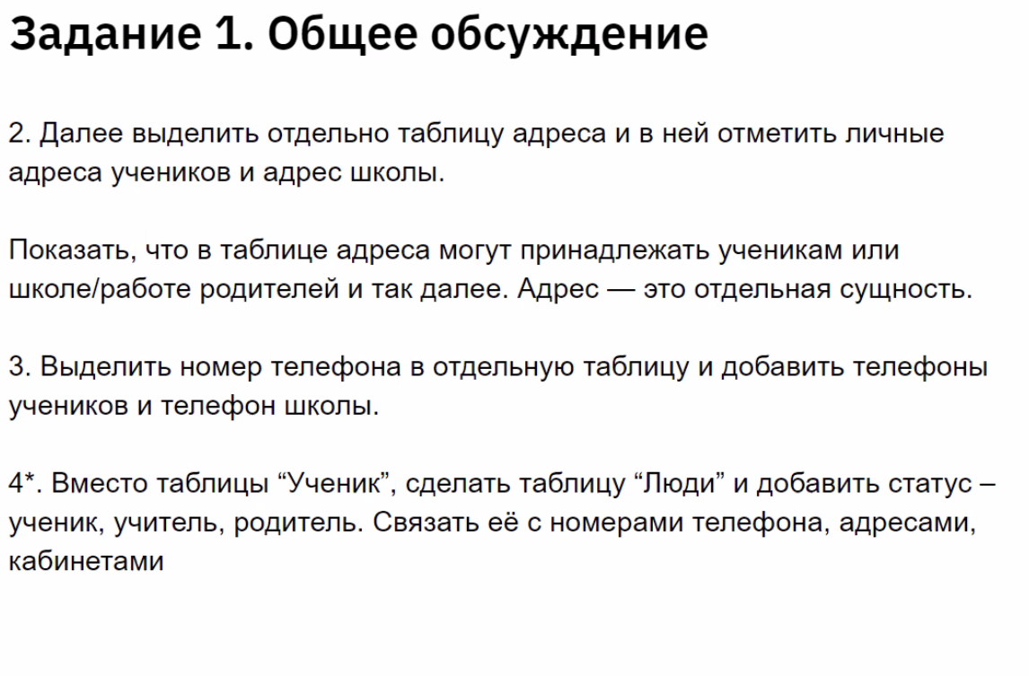

 | Students |  |  |  |  | Adress
 | ID | Full name | Year of birth | State |  | ID | Home location |  | School location
 | 1 | Antonova Mariya | 2008 | Student |  | 2 | Street 1 |  | Street 0
 | 2 | Aleksandrov Vladimir | 1981 | Teacher |  | 1 | Street 2 |  | Street 0
 | 3 | Vasilyev Ivan | 1996 | Parent |  | 3 | Street 2 |  | Street 0
 | 4 | Petrov Vasily | 1992 | Parent
 | 5 | Andronov Pavel | 1970 | Teacher
 | 6 | Zolotaya Kceniya | 1996 | Student

 |  |  |  |  |  | Phone number
 |  |  |  |  |  | ID | Phone number |  | Work number
 |  |  |  |  |  | 3 | 123 |  | -
 |  |  |  |  |  | 2 | 456 |  | 555
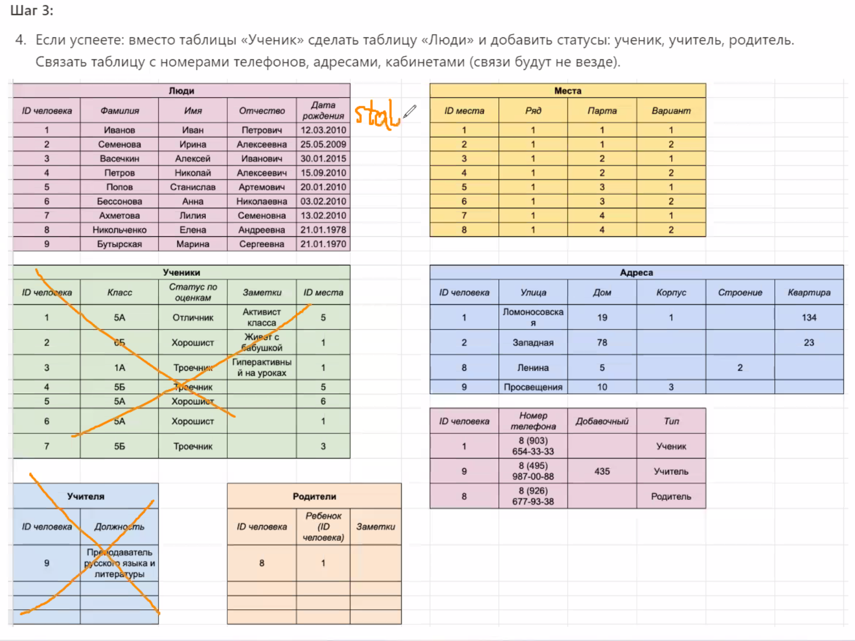
 |  |  |  |  |  | 1 | 321 |  | 888

 |  |  |  |  |  | Cabinet
 |  |  |  |  |  | ID | Cabinet number
 |  |  |  |  |  | 3
 |  |  |  |  |  | 2
 |  |  |  |  |  | 1

семинар 1.2
STUFF |  |  |  |  |  |  |  |  | PHONE_NUMBER |  |  |  | CABINET |  | PHONE_NUMBER
ID | FULL_NAME | AGE | POSITION | WORK_EXPERIENCE | SALARY | PHONE_NUMBER_ID | CABINET_ID | ADDRESS_ID | ID | PERSONAL_NUMBER | WORK_NUMBER | EMAIL | ID | CABINET_NUMBER | ID | PERSONAL_ADDRESS | WORK_ADDRESS
1 | Angie Kelly | 45 | lead engineer | 15 years | 3808 $ | 1 | 1 | 1 | 1 | 46786 | 30300 | theresia.borer@gmail.com | 1 | 42 | 1 | 3741 Schmeler Flats, Suite 328, 68202, Lake Drew, South Carolina, United States | Catawba, North Carolina(NC)
2 | Kenny Owens | 21 | mechanic | 8 years | 2851 $ | 2 | 2 | 2 | 2 | 55934 | 30301 | marielle63@yahoo.com | 2 | 30 | 2 | 84311 Jedidiah Throughway, Apt. 422, 00271-2098, Gerdaville, Alabama, United States | Catawba, North Carolina(NC)
3 | Adelyn Bauer | 63 | operator | 12 years | 4880 $ | 3 | 3 | 3 | 3 | 29171 | 30302 | santos41@yahoo.com | 3 | 50 | 3 | 0327 Melissa Estate, Suite 869, 64528, New Reese, Connecticut, United States | Catawba, North Carolina(NC)
4 | Demarcus Schwartz | 67 | department head | 12 years | 4375 $ | 4 | 4 | 4 | 4 | 64567 | 30303 | keaton26@gmail.com | 4 | 3 | 4 | 458 Braun Greens, Suite 803, 89748-0639, Aronville, Arkansas, United States | Catawba, North Carolina(NC)
5 | Sarai Beard | 59 | lead engineer | 5 years | 3617 $ | 5 | 5 | 5 | 5 | 73629 | 30304 | anna_sawayn@gmail.com | 5 | 13 | 5 | 1456 Mariela Corner, Suite 780, 48402, Laynechester, Idaho, United States | Catawba, North Carolina(NC)
6 | Diya Graves | 57 | operator | 13 years | 2225 $ | 6 | 6 | 6 | 6 | 15196 | 30305 | brianne_tromp@yahoo.com | 6 | 28 | 6 | 58568 Robbie Landing, Apt. 085, 74126-1617, Fredland, California, United States | Catawba, North Carolina(NC)
7 | Mareli Joyce | 58 | master | 8 years | 2265 $ | 7 | 7 | 7 | 7 | 47405 | 30306 | rolando_hansen@hotmail.com | 7 | 20 | 7 | 397 Mills Mills, Apt. 247, 58086, North Lulu, Kentucky, United States | Catawba, North Carolina(NC)
8 | Lilah Serrano | 57 | smm manager | 5 years | 2760 $ | 8 | 8 | 8 | 8 | 2560 | 30307 | ignatius.pfeffer32@hotmail.com | 8 | 11 | 8 | 337 Oberbrunner Mountains, Suite 672, 64389-0179, South Einoberg, Vermont, United States | Catawba, North Carolina(NC)
9 | Terrence Lynn | 36 | manager | 2 years | 4979 $ | 9 | 9 | 9 | 9 | 68485 | 30308 | loraine_abbott54@gmail.com | 9 | 47 | 9 | 234 O'Keefe Glen, Suite 165, 67899, Sonyafort, Missouri, United States | Catawba, North Carolina(NC)
10 | Maximo Humphrey | 24 | lead manager | 12 years | 1247 $ | 10 | 10 | 10 | 10 | 17644 | 30309 | nadia87@gmail.com | 10 | 4 | 10 | 5980 Langworth Unions, Suite 849, 18994-5664, Courtneymouth, Ohio, United States | Catawba, North Carolina(NC)
11 | Lizbeth Wang | 57 | General director | 17 years | 2565 $ | 11 | 11 | 11 | 11 | 81789 | 30310 | marcelle75@gmail.com | 11 | 43 | 11 | 1158 Bart Village, Suite 996, 46195-0187, Norrishaven, South Carolina, United States | Catawba, North Carolina(NC)
12 | Yair Cortez | 37 | Executiv director | 14 years | 4028 $ | 12 | 12 | 12 | 12 | 72917 | 30311 | izabella27@gmail.com | 12 | 22 | 12 | 001 Dach Island, Apt. 381, 91037, Aldafurt, North Carolina, United States | Catawba, North Carolina(NC)
13 | Colton Perry | 70 | security | 7 years | 2204 $ | 13 | 13 | 13 | 13 | 41782 | 30312 | ramona_fahey86@yahoo.com | 13 | 40 | 13 | 724 Darrin Way, Suite 550, 82619, Andychester, Vermont, United States | Catawba, North Carolina(NC)
14 | Brett Hudson | 35 | security | 7 years | 927 $ | 14 | 14 | 14 | 14 | 69574 | 30313 | edwardo15@yahoo.com | 14 | 43 | 14 | 2406 Denesik Divide, Apt. 332, 99008-8910, West Ryannmouth, Washington, United States | Catawba, North Carolina(NC)
15 | Regina Clay | 20 | security | 4 years | 1776 $ | 15 | 15 | 15 | 15 | 13895 | 30314 | willy.bergnaum@gmail.com | 15 | 26 | 15 | 83702 Bahringer Creek, Suite 647, 71167-6059, East Jailynmouth, Texas, United States | Catawba, North Carolina(NC)
16 | Paisley Sharp | 32 | operator | 16 years | 3936 $ | 16 | 16 | 16 | 16 | 30753 | 30315 | aylin_bosco@hotmail.com | 16 | 16 | 16 | 010 Odessa Mills, Apt. 558, 59583, West Sheridanmouth, South Carolina, United States | Catawba, North Carolina(NC)
17 | Dario Kirk | 43 | lead engineer | 14 years | 1905 $ | 17 | 17 | 17 | 17 | 22749 | 30316 | eric85@yahoo.com | 17 | 13 | 17 | 18977 Monahan Courts, Apt. 051, 40964, Reicherttown, Delaware, United States | Catawba, North Carolina(NC)
18 | Kai Weaver | 46 | master | 1 years | 2915 $ | 18 | 18 | 18 | 18 | 56334 | 30317 | maegan80@gmail.com | 18 | 25 | 18 | 1090 Jones Grove, Apt. 764, 91442-9282, New Theodora, Arkansas, United States | Catawba, North Carolina(NC)
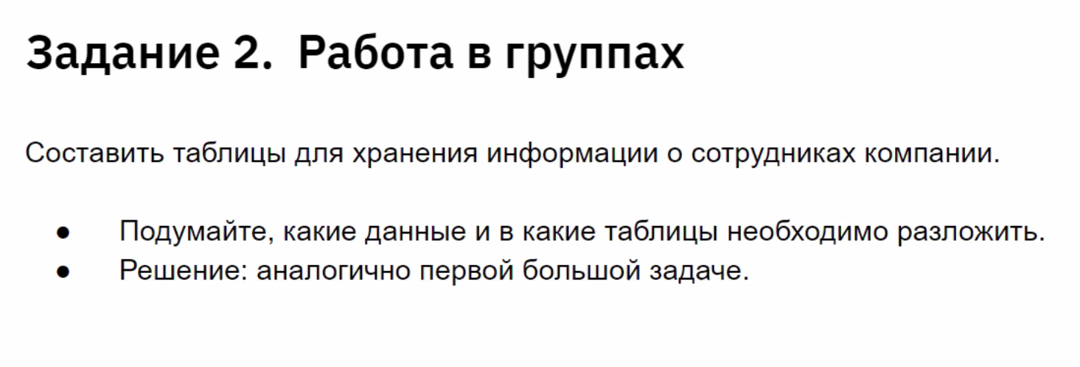
19 | Gage Ballard | 66 | chief engineer | 7 years | 4517 $ | 19 | 19 | 19 | 19 | 24660 | 30318 | vince_funk56@hotmail.com | 19 | 35 | 19 | 9256 Swaniawski Point, Suite 358, 69981-8329, Pagacmouth, Wyoming, United States | Catawba, North Carolina(NC)
20 | Nasir Bolton | 69 | department head | 11 years | 4647 $ | 20 | 20 | 20 | 20 | 7632 | 30319 | brendan.mayer26@gmail.com | 20 | 46 | 20 | 378 Ernser Vista, Apt. 964, 70491-4767, Kuphalmouth, California, United States | Catawba, North Carolina(NC)
21 | Marely Vaughn | 59 | department head | 13 years | 4481 $ | 21 | 21 | 21 | 21 | 47185 | 30320 | carli18@yahoo.com | 21 | 19 | 21 | 75010 Amira Union, Apt. 139, 33904-2527, North Lornaville, New York, United States | Catawba, North Carolina(NC)
22 | Julie Duarte | 66 | operator | 8 years | 3254 $ | 22 | 22 | 22 | 22 | 56830 | 30321 | baron84@hotmail.com | 22 | 37 | 22 | 4251 Myrtice Circle, Suite 343, 44047, West Tad, Washington, United States | Catawba, North Carolina(NC)
23 | Annabella Miranda | 29 | master | 15 years | 4776 $ | 23 | 23 | 23 | 23 | 39844 | 30322 | ethelyn_crooks41@yahoo.com | 23 | 18 | 23 | 18880 Nels Trafficway, Apt. 333, 39175-8539, Krisside, Vermont, United States | Catawba, North Carolina(NC)
24 | Ann Gill | 37 | smm manager | 5 years | 3806 $ | 24 | 24 | 24 | 24 | 80147 | 30323 | yvette96@yahoo.com | 24 | 8 | 24 | 85926 Hunter Wells, Suite 490, 23483-5721, New Lilliana, Maryland, United States | Catawba, North Carolina(NC)
25 | Kimora Cabrera | 46 | mechanic | 13 years | 1475 $ | 25 | 25 | 25 | 25 | 32901 | 30324 | junius_ohara@gmail.com | 25 | 49 | 25 | 3886 Jan Centers, Apt. 429, 09848-5348, Torpburgh, Mississippi, United States | Catawba, North Carolina(NC)
26 | Stella Robles | 37 | operator | 16 years | 4045 $ | 26 | 26 | 26 | 26 | 8233 | 30325 | arno29@yahoo.com | 26 | 41 | 26 | 016 McGlynn Junctions, Suite 833, 38951, Lake Wade, Florida, United States | Catawba, North Carolina(NC)
27 | Ciara Fernandez | 32 | department head | 14 years | 3304 $ | 27 | 27 | 27 | 27 | 13756 | 30326 | vince_keebler34@yahoo.com | 27 | 38 | 27 | 06322 Ernesto Hill, Apt. 559, 58578-9207, Rippintown, Wyoming, United States | Catawba, North Carolina(NC)
28 | Jocelyn Andersen | 60 | lead engineer | 15 years | 3430 $ | 28 | 28 | 28 | 28 | 72086 | 30327 | dee.senger@yahoo.com | 28 | 11 | 28 | 3733 Gleason Camp, Apt. 144, 86778, Zulaville, New Mexico, United States | Catawba, North Carolina(NC)
29 | Dale Mccann | 48 | operator | 4 years | 808 $ | 29 | 29 | 29 | 29 | 94865 | 30328 | antonina_lowe@hotmail.com | 29 | 17 | 29 | 2662 Malinda Estate, Apt. 737, 30418-6547, Quitzonfort, North Dakota, United States | Catawba, North Carolina(NC)
30 | Antoine Hahn | 69 | manager | 2 years | 1215 $ | 30 | 30 | 30 | 30 | 31683 | 30329 | katelyn82@yahoo.com | 30 | 25 | 30 | 42332 Daniel Divide, Apt. 900, 05437, New Ivah, South Dakota, United States | Catawba, North Carolina(NC)

Домашнее задание
ROUTES |  |  |  | BUSES |  | DRIVERS
ID | ROUTE_NAME | ROUTE_LENGTH_KM | LENGTH_IN_MINUTES | BUS_NUMBER | ON_ROUTE | FULL_NAME | STATE | ON_BUS
1 | Great Route | 8 | 40 | 23 | 10 | Alejandra Cochran | driver | 23
2 | Hazelnut Avenue | 4 | 20 | 39 | 4 | Hayley Mcneil | second_driver | 39
3 | Senna Way | 4 | 20 | 82 | 2 | Nicolas Branch | driver | 82
4 | Grove Street | 6 | 30 | 55 | 10 | Antony Carey | second_driver | 55
5 | Lowland Way | 2 | 10 | 3 | 7 | Asa Cline | driver | 3
6 | Blossom Street | 7 | 35 | 61 | 9 | Ashlynn Buck | second_driver | 61
7 | Dawn Lane | 8 | 40 | 93 | 4 | Aisha Morse | driver | 93
8 | Auburn Way | 8 | 40 | 60 | 4 | Karson Valdez | second_driver | 60
9 | Vine Avenue | 4 | 20 | 48 | 10 | Giselle Horton | driver | 48
10 | Windmill Row | 4 | 20 | 50 | 8 | Alijah Romero | second_driver | 50

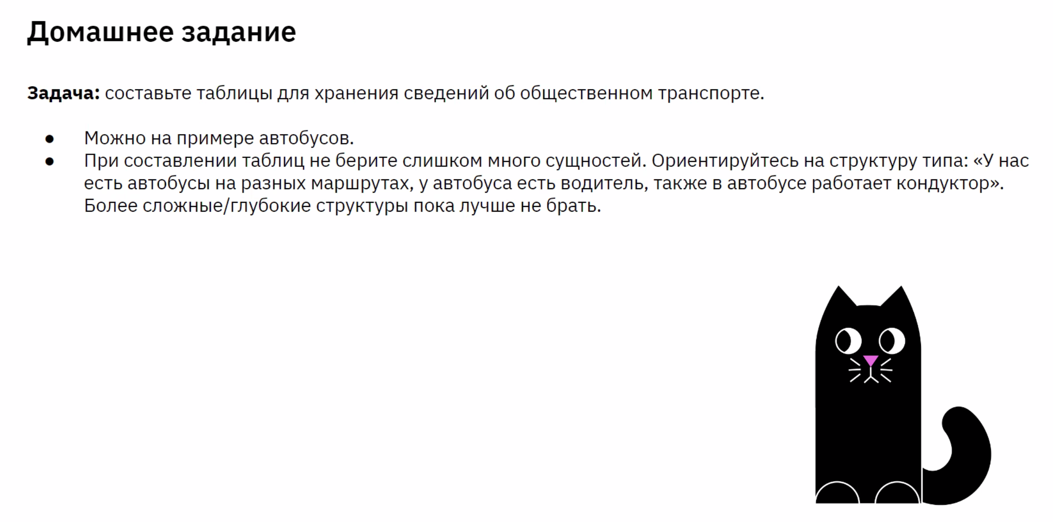

Все данные в таблицах сгенерированы случайным образом через онлай генераторы или программный функционал

