ERD
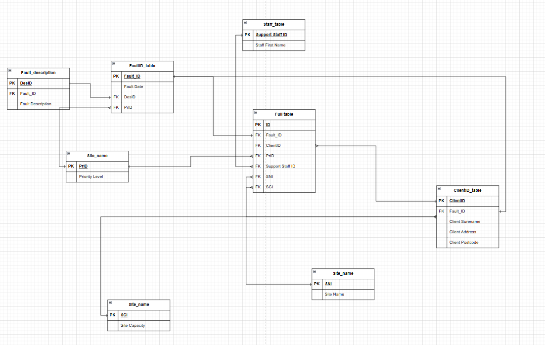

Data dictionary
 | Field name | Data Type | Size/format | Primary key | Foreign key | Null Allowed | Example value | Description | validation rules
 | DesID | INT | Auto incremental | Yes | No | No | 1 | unique identifier for each fault descriptions | Must be numeric, unique ,system generated and can not be editied manually
 | FaultID | INT | Auto incremental | Yes | No | No | 2 | unique identifier for each fault | Must be numeric, unique ,system generated and can not be editied manually
 | Fault Description | Varchar | 50 characters | No | No | No | engine failure | short descriptive sentence of the fault | Must not be more than 50 characters

 | Field name | Data Type | Size/format | Primary key | Foreign key | Null Allowed | Example value | Description | validation rules
 | Support Staff ID | INT | Auto incremental | Yes | No | No | 1 | unique identifier for each staff | Must be numeric, unique ,system generated and can not be editied manually
 | Staff First Name | Varchar | 30 characters | No | No | No | Ali | Short string for staff name | Must not be more than 30 characters

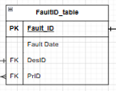
 | Field name | Data Type | Size/format | Primary key | Foreign key | Null Allowed | Example value | Description | validation rules
 | Fault_ID | INT | Auto incremental | Yes | No | No | 1 | unique identifier for each fault | Must be numeric, unique ,system generated and can not be editied manually
 | Fault Date | Datetime | Date/Time | No | No | No | 2026-02-23 | The date of the day the fault has been reported | Must be the date of the fault . Should not be blank /should be able to be updated and changed manually as well as automatically
 | DesID | INT | Auto incremental | No | Yes | No | 1 | unique identifier for each fault descriptions | Must be numeric, unique ,system generated and can not be editied manually
 | PrID | INT | Auto incremental | No | Yes | No | 1 | Unique identifier for the priority levels and auto generated | Must be numeric, unique ,system generated and can not be editied manually

*table name should be site_p

 | Field name | Data Type | Size/format | Primary key | Foreign key | Null Allowed | Example value | Description | validation rules
 | PrID | INT | Auto Incremental | Yes | No | No | 1 | Unique identifier for the priority levels and auto generated | Must be numeric, unique ,system generated and can not be editied manually
 | Priority Level | Varchar | 10 Characters | No | No | No | High | one word describing the priority level | Must not exceed 10 characters

*table name should be site_cap
 | Field name | Data Type | Size/format | Primary key | Foreign key | Null Allowed | Example value | Description | validation rules
 | SCI | INT | Auto incemental | Yes | No | No | c1 | Unique identifier for the site capacity levels and auto generated | Must be numeric, unique ,system generated and can not be editied manually
 | Site Capacity | INT | Whole number | No | No | No | 120 | Numbers indicating the capacity of the site | Must be numeric, unique.

 | Field name | Data Type | Size/format | Primary key | Foreign key | Null Allowed | Example value | Description | validation rules
 | SNI | INT | Auto incremental | Yes | No | No | s1 | Unique identifier for the site name and auto generated
 | Site Name | Varchar | 30 characters | No | No | No | North Plant | Short string value indicating the site name | Must be less than 30 charcaters .

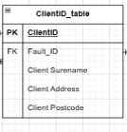
 | Field name | Data Type | Size/format | Primary key | Foreign key | Null Allowed | Example value | Description | validation rules
 | ClientID | INT | Auto incremental | Yes | No | No | 1 | Unique identifier for the client and auto generated | Must be numeric, unique ,system generated and can not be editied manually
 | Fault_ID | INT | Auto incremental | No | Yes | No | 1 | Unique identifier for the faults and auto generated | Must be numeric, unique ,system generated and can not be editied manually
 | Client Surename | Varchar | 20 characters | No | No | No | 1 | Short string indicating client surename | Must not exceed 20 charcaters
 | Client Address | Varchar | 40 characters | No | No | No | Street avenue | long string indicating cleint address | Must not exceed 40 charcaters
 | Client Postcode | Varchar | 8 characters | No | No | No | say9 5nna | short string including numbers and letter inicating client postcode | Must not exceed 8 characters.

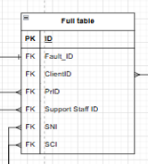
 | Field name | Data Type | Size/format | Primary key | Foreign key | Null Allowed | Example value | Description | validation rules
 | ID | INT | Auto Incremental | Yes | No | No | 1 | unique identifier for each report | Must be numeric, unique ,system generated and can not be editied manually
 | Fault_ID | INT | Auto incremental | No | Yes | No | 1 | Unique identifier for the faults and auto generated | Must be numeric, unique ,system generated and can not be editied manually
 | ClientID | INT | Auto incremental | Yes | No | No | 1 | Unique identifier for the client and auto generated | Must be numeric, unique ,system generated and can not be editied manually
 | PrID | INT | Auto Incremental | Yes | No | No | 1 | Unique identifier for the priority levels and auto generated | Must be numeric, unique ,system generated and can not be editied manually
 | Support Staff ID | INT | Auto incremental | Yes | No | No | 1 | unique identifier for each staff | Must be numeric, unique ,system generated and can not be editied manually
 | SNI | INT | Auto incremental | Yes | No | No | s1 | Unique identifier for the site name and auto generated
 | SCI | INT | Auto incemental | Yes | No | No | c1 | Unique identifier for the site capacity levels and auto generated | Must be numeric, unique ,system generated and can not be editied manually

SQL
