ORD DIST.
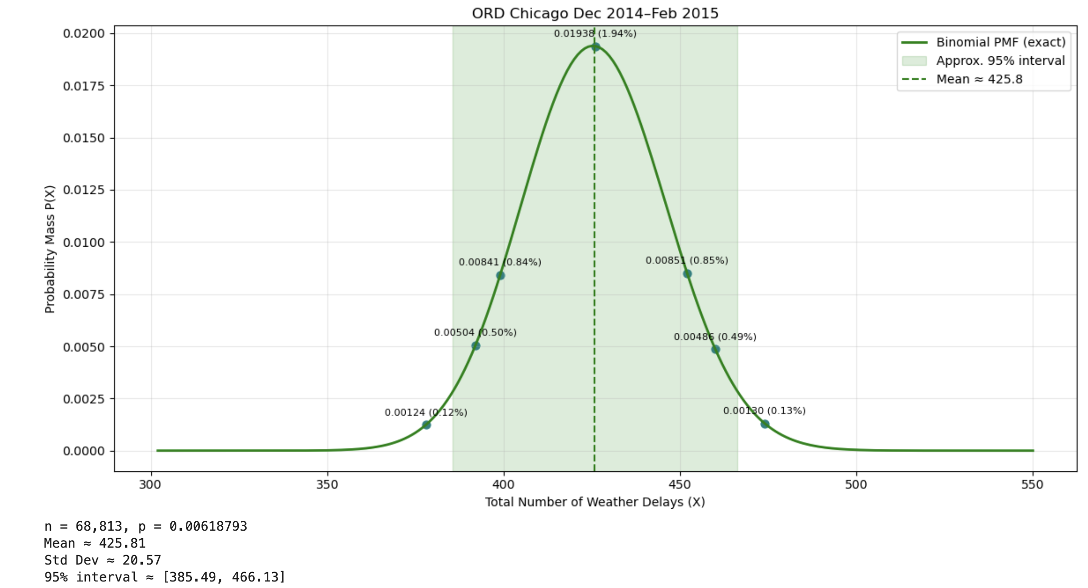
Q1
n | 68,813.00
p | 0.0061879296063

Mean | 425.81
Std Dev | 20.57
Lower 95% | 385.49
Upper 95% | 466.13

Percentile | Weather delays | ROUNDED | z score value | Binomial PMF (X) | Percentage (%)
1% | 377.88 | 378.00 | -2.33 | 0.00124 | 0.12%
5% | 392.07 | 392.00 | -1.64 | 0.00504 | 0.50%
10% | 399.48 | 399.00 | -1.28 | 0.00841 | 0.84%
50% | 425.81 | 426.00 | 0 | 0.01938 | 1.94%
90% | 452.14 | 452.00 | 1.28 | 0.00851 | 0.85%
95% | 459.55 | 460.00 | 1.64 | 0.00486 | 0.49%
99% | 473.74 | 474.00 | 2.33 | 0.00130 | 0.13%

Q2
n | 78,876.00
p | 0.0056951417415

Mean | 449.21
Std Dev | 21.13
Lower 95% | 407.79
Upper 95% | 490.63

Percentile | Weather delays | ROUNDED | z score value | Binomial PMF (X) | Percentage (%)
1% | 399.97 | 400.00 | -2.33 | 0.00120 | 0.12%
5% | 414.55 | 415.00 | -1.64 | 0.00512 | 0.51%
10% | 422.16 | 422.00 | -1.28 | 0.00835 | 0.84%
50% | 449.21 | 449.00 | 0 | 0.01888 | 1.89%
90% | 476.26 | 476.00 | 1.28 | 0.00834 | 0.83%
95% | 483.87 | 484.00 | 1.64 | 0.00485 | 0.49%
99% | 498.45 | 498.00 | 2.33 | 0.00137 | 0.14%

Q3
n | 83,901.00
p | 0.0072523569445

Mean | 608.48
Std Dev | 24.58
Lower 95% | 560.31
Upper 95% | 656.65

Percentile | Weather delays | ROUNDED | z score value | Binomial PMF (X) | Percentage (%)
1% | 551.21 | 551.00 | -2.33 | 0.00101 | 0.10%
5% | 568.17 | 568.00 | -1.64 | 0.00419 | 0.42%
10% | 577.02 | 577.00 | -1.28 | 0.00723 | 0.72%
50% | 608.48 | 608.00 | 0 | 0.01623 | 1.62%
90% | 639.94 | 640.00 | 1.28 | 0.00705 | 0.71%
95% | 648.79 | 649.00 | 1.64 | 0.00416 | 0.42%
99% | 665.75 | 666.00 | 2.33 | 0.00109 | 0.11%

Q4
n | 79,840.00
p | 0.0032945891784

Mean | 263.04
Std Dev | 16.19
Lower 95% | 231.30
Upper 95% | 294.78

Percentile | Weather delays | ROUNDED | z score value | Binomial PMF (X) | Percentage (%)
1% | 225.31 | 225.00 | -2.33 | 0.00146 | 0.15%
5% | 236.49 | 236.00 | -1.64 | 0.00613 | 0.61%
10% | 242.32 | 242.00 | -1.28 | 0.01078 | 1.08%
50% | 263.04 | 263.00 | 0 | 0.02463 | 2.46%
90% | 283.76 | 284.00 | 1.28 | 0.01048 | 1.05%
95% | 289.59 | 290.00 | 1.64 | 0.00614 | 0.61%
99% | 300.77 | 301.00 | 2.33 | 0.00167 | 0.17%

MCO DIST.
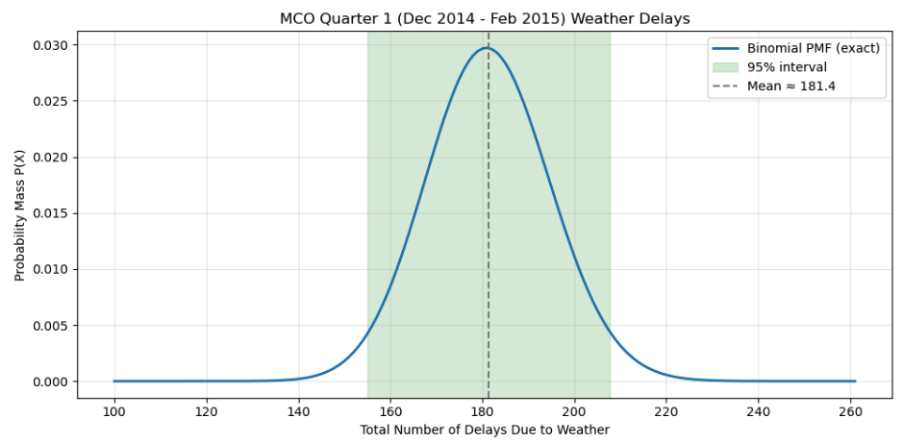
Q1
n | 29,065.00
p | 0.0062442800619

Mean | 181.49
Std Dev | 13.43
Lower 95% | 155.17
Upper 95% | 207.81

Percentile | Weather delays | ROUNDED | z score value | Binomial PMF (X) | Percentage (%)
1% | 150.20 | 150.00 | -2.33 | 0.0017562138458 | 0.17562%
5% | 159.46 | 159.00 | -1.64 | 0.007337145725 | 0.73371%
10% | 164.30 | 164.00 | -1.28 | 0.012996853361 | 1.29969%
50% | 181.49 | 181.00 | 0 | 0.029712416796 | 2.97124%
90% | 198.68 | 199.00 | 1.28 | 0.0124425564 | 1.24426%
95% | 203.52 | 204.00 | 1.64 | 0.0072610967997 | 0.72611%
99% | 212.78 | 213.00 | 2.33 | 0.0020233413215 | 0.20233%

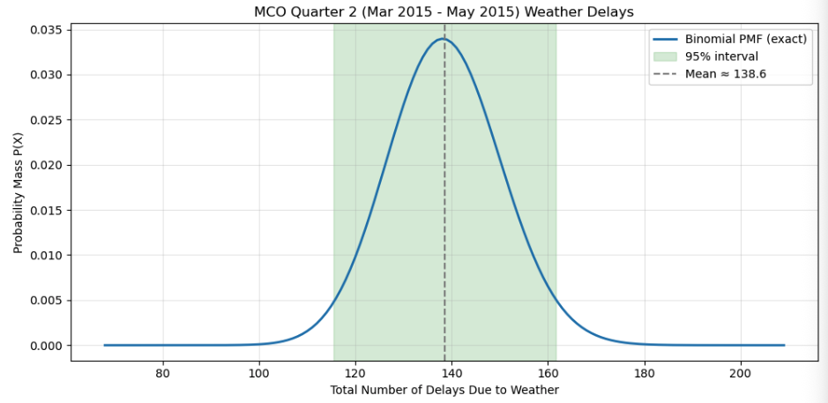
Q2
n | 32,161.00
p | 0.0043126768446

Mean | 138.70
Std Dev | 11.75
Lower 95% | 115.67
Upper 95% | 161.73

Percentile | Weather delays | ROUNDED | z score value | Binomial PMF (X) | Percentage (%)
1% | 111.32 | 111.00 | -2.33 | 0.0019193362968 | 0.19193%
5% | 119.43 | 119.00 | -1.64 | 0.0083640272447 | 0.83640%
10% | 123.66 | 124.00 | -1.28 | 0.015934719614 | 1.59347%
50% | 138.70 | 139.00 | 0 | 0.03387984591 | 3.38798%
90% | 153.74 | 154.00 | 1.28 | 0.014212121204 | 1.42121%
95% | 157.97 | 158.00 | 1.64 | 0.0087506454419 | 0.87506%
99% | 166.08 | 166.00 | 2.33 | 0.0024529892739 | 0.24530%

Q3
n | 30,442.00
p | 0.0091331055778

Mean | 278.03
Std Dev | 16.60
Lower 95% | 245.50
Upper 95% | 310.56

Percentile | Weather delays | ROUNDED | z score value | Binomial PMF (X) | Percentage (%)
1% | 239.35 | 239.00 | -2.33 | 0.0014210334377 | 0.14210%
5% | 250.81 | 251.00 | -1.64 | 0.0064178772096 | 0.64179%
10% | 256.79 | 257.00 | -1.28 | 0.010964567752 | 1.09646%
50% | 278.03 | 278.00 | 0 | 0.024029729836 | 2.40297%
90% | 299.27 | 299.00 | 1.28 | 0.010636692833 | 1.06367%
95% | 305.25 | 305.00 | 1.64 | 0.0063828926634 | 0.63829%
99% | 316.71 | 317.00 | 2.33 | 0.0016118621168 | 0.16119%

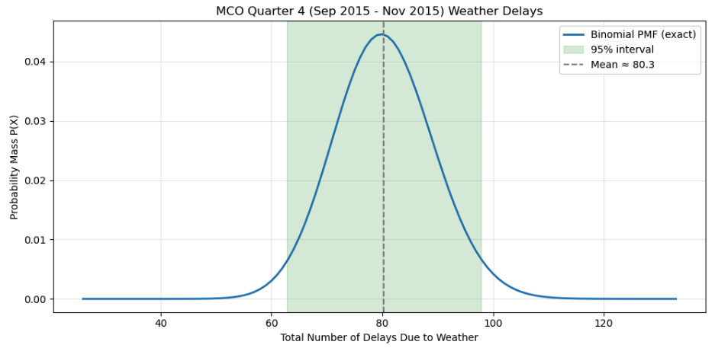
Q4
n | 27,316.00
p | 0.0029360082003

Mean | 80.20
Std Dev | 8.94
Lower 95% | 62.67
Upper 95% | 97.73

Percentile | Weather delays | ROUNDED | z score value | Binomial PMF (X) | Percentage (%)
1% | 59.36 | 59.00 | -2.33 | 0.0023481931133 | 0.23482%
5% | 65.53 | 66.00 | -1.64 | 0.012827280619 | 1.28273%
10% | 68.76 | 69.00 | -1.28 | 0.021079300328 | 2.10793%
50% | 80.20 | 80.00 | 0 | 0.044610886963 | 4.46109%
90% | 91.64 | 92.00 | 1.28 | 0.018133502722 | 1.81335%
95% | 94.87 | 95.00 | 1.64 | 0.01124755017 | 1.12476%
99% | 101.04 | 101.00 | 2.33 | 0.0032675545035 | 0.32676%

