STRAT3_BAC
 | BAC PROTECTIVE PUT |  | https://finance.yahoo.com/quote/BAC

x | Details |  |  |  | LONG STOCK
 | Contract |  |  |  | Date | BAC | Stock Price | Entry/Exit | Daily +/- | Cum. Total | Current Account | Margin Payment | Curr. after Margin Payments
 | Underlying | Bank of America Corporation |  |  | 13-Nov-24 |  | 0.00
 | Contract Size in Stock | 100 |  |  | 14-Nov-24 |  | 45.90 | Entry | 45.90 |  |  | 9,180,000.00 | 9,180,000.00
 | Strategy | Protecitve Put |  |  | 27-Nov-24 |  | 47.77 | Exit | 1.87 | 374,000.00 | 9,554,000.00 | - | 9,554,000.00
 | Strategy Type | Hedge
 |  |  |  |  | LONG PUT
 |  | LONG STOCK | LONG PUT |  | Date | BAC | Last Price | Entry/Exit | Daily +/- | Cum. Total | Current Account | Margin Payment | Curr. after Margin Payments
 | Start Date | 14-Nov-2024 | 14-Nov-2024 |  | 13-Nov-24 |  | 0.00
 | Expiry Date | N/A | 17-Jan-2025 |  | 14-Nov-24 | 45.90 | 1.34 | Entry | 1.34 |  |  | (2,680.00) | (2,680.00)
 | Contract Symbol | BAC | P3Q1 |  | 27-Nov-24 |  | 0.66 | Exit | -0.68 | (1,360.00) | (4,040.00) | - | (4,040.00)
 | Position Type | LONG STOCK | LONG PUT
 | Position (Stock) | 2,000 | 2,000
 | Position (Contracts) | 0 | 20
 | Contract Value, USD | 0 | 2,680
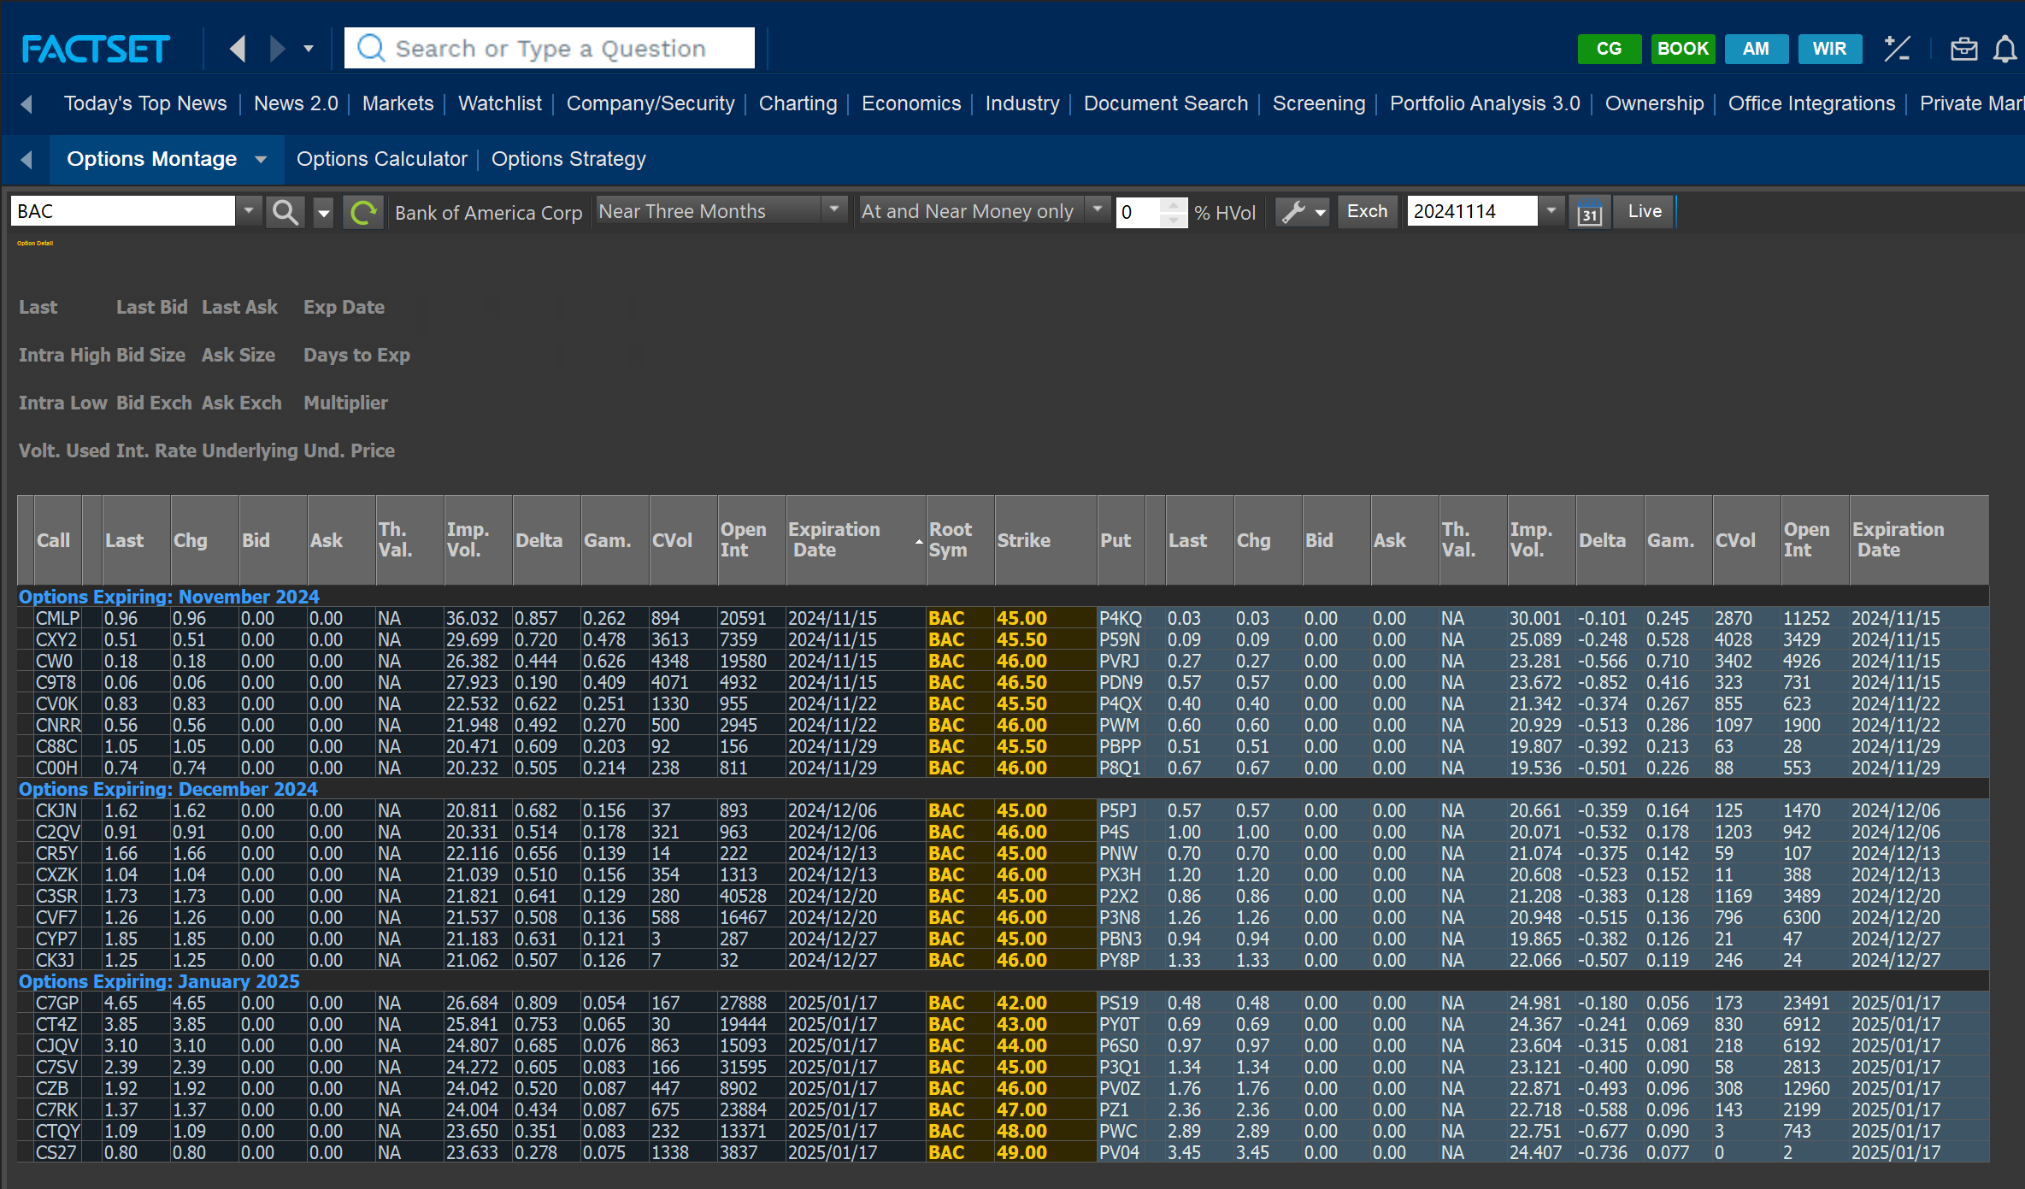
 | Strike Price | 0 | 45.0
 | P&L at Close | 374,000 | -1,360
 | Total |  |  | 372,640

 | Cash / Margin |  |  | Margin
 | Cash Invested, USD | 9,180,000 | 2,680 | Collected Premium, USD
 | Initial Margin, % | - | - | Margin per Share
 | Total, Maitenance Margin, USD | - | - | Total Margin Required
 | Margin Call Threshold | - | - | Margin Call Threshold

STRAT3_WFC
 | WFC PROTECTIVE PUT |  | https://finance.yahoo.com/quote/WFC

x | Details |  |  |  | LONG STOCK
 | Contract |  |  |  | Date | BAC | Stock Price | Entry/Exit | Daily +/- | Cum. Total | Current Account | Margin Payment | Curr. after Margin Payments
 | Underlying | Wells Fargo & Company |  |  | 13-Nov-24 |  | 0.00
 | Contract Size in Stock | 100 |  |  | 14-Nov-24 |  | 72.80 | Entry | 72.80 |  |  | 8,736,000.00 | 8,736,000.00
 | Strategy | Protecitve Put |  |  | 27-Nov-24 |  | 77.21 | Exit | 4.41 | 529,200.00 | 9,265,200.00 | - | 9,265,200.00
 | Strategy Type | Hedge
 |  |  |  |  | LONG PUT
 |  | LONG STOCK | LONG PUT |  | Date | BAC | Last Price | Entry/Exit | Daily +/- | Cum. Total | Current Account | Margin Payment | Curr. after Margin Payments
 | Start Date | 14-Nov-2024 | 14-Nov-2024 |  | 13-Nov-24 |  | 0.00
 | Expiry Date | N/A | 27-Dec-2024 |  | 14-Nov-24 | 72.80 | 1.94 | Entry | 1.94 |  |  | (2,328.00) | (2,328.00)
 | Contract Symbol | WFC | P6X4 |  | 27-Nov-24 |  | 0.52 | Exit | -1.42 | (1,704.00) | (4,032.00) | - | (4,032.00)
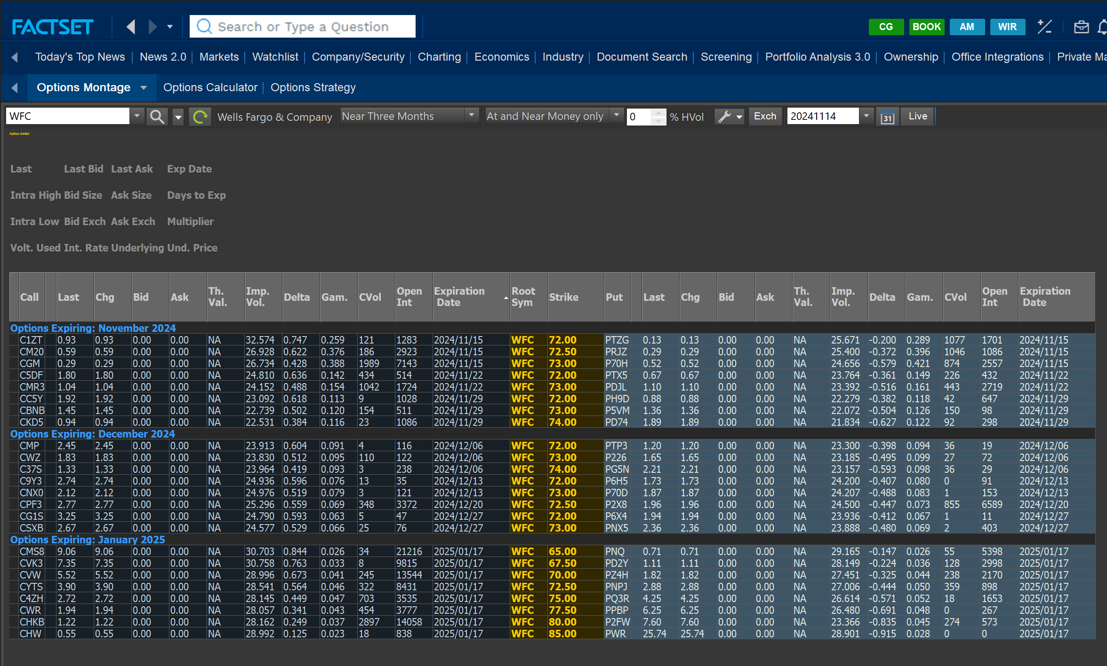
 | Position Type | LONG STOCK | LONG PUT
 | Position (Stock) | 1,200 | 1,200
 | Position (Contracts) | 0 | 12
 | Contract Value, USD | 0 | 2,328
 | Strike Price | 0 | 72.0
 | P&L at Close | 529,200 | -1,704
 | Total |  |  | 527,496

 | Cash / Margin |  |  | Margin
 | Cash Invested, USD | 8,736,000 | 2,328 | Collected Premium, USD
 | Initial Margin, % | - | - | Margin per Share
 | Total, Maitenance Margin, USD | - | - | Total Margin Required
 | Margin Call Threshold | - | - | Margin Call Threshold

STRAT3_JPM
 | JPM PROTECTIVE PUT |  | https://finance.yahoo.com/quote/JPM

x | Details |  |  |  | LONG STOCK
 | Contract |  |  |  | Date | JPM | Stock Price | Entry/Exit | Daily +/- | Cum. Total | Current Account | Margin Payment | Curr. after Margin Payments
 | Underlying | JPMorgan Chase & Co. |  |  | 13-Nov-24 |  | 0.00
 | Contract Size in Stock | 100 |  |  | 14-Nov-24 |  | 241.87 | Entry | 241.87 |  |  | 12,093,500.00 | 12,093,500.00
 | Strategy | Protecitve Put |  |  | 27-Nov-24 |  | 249.79 | Exit | 7.92 | 396,000.00 | 12,489,500.00 | - | 12,489,500.00
 | Strategy Type | Hedge
 |  |  |  |  | LONG PUT
 |  | LONG STOCK | LONG PUT |  | Date | JPM | Last Price | Entry/Exit | Daily +/- | Cum. Total | Current Account | Margin Payment | Curr. after Margin Payments
 | Start Date | 14-Nov-2024 | 14-Nov-2024 |  | 13-Nov-24 |  | 0.00
 | Expiry Date | N/A | 06-Dec-2024 |  | 14-Nov-24 | 241.87 | 3.18 | Entry | 3.18 |  |  | (1,590.00) | (1,590.00)
 | Contract Symbol | JPM | P0RG |  | 27-Nov-24 |  | 0.29 | Exit | -2.89 | (1,445.00) | (3,035.00) | - | (3,035.00)
 | Position Type | LONG STOCK | LONG PUT
 | Position (Stock) | 500 | 500
 | Position (Contracts) | 0 | 5
 | Contract Value, USD | 0 | 1,590
 | Strike Price | 0 | 240.0
 | P&L at Close | 396,000 | -1,445
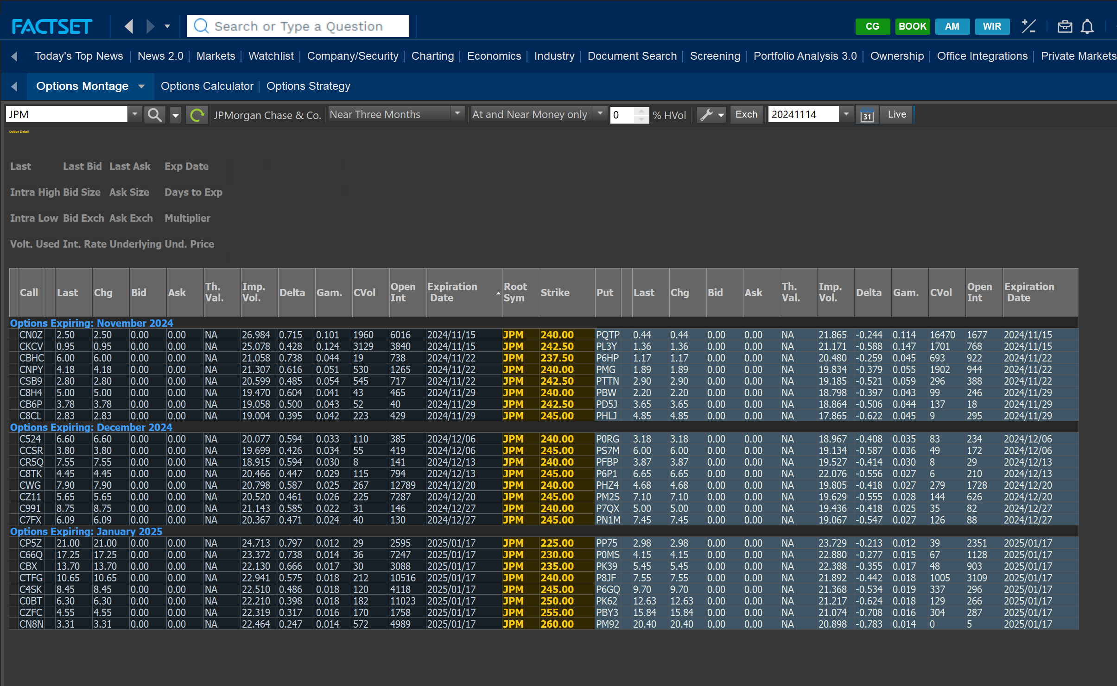
 | Total |  |  | 394,555

 | Cash / Margin |  |  | Margin
 | Cash Invested, USD | 12,093,500 | 1,590 | Collected Premium, USD
 | Initial Margin, % | - | - | Margin per Share
 | Total, Maitenance Margin, USD | - | - | Total Margin Required
 | Margin Call Threshold | - | - | Margin Call Threshold

STRAT2_OXY
 | OXY BEAR SPREAD (PUT) |  | https://finance.yahoo.com/quote/OXY

x | Details |  |  |  | LONG PUT
 | Contract |  |  |  | Date | OXY | Last Price | Entry/Exit | Daily +/- | Cum. Total | Current Account | Margin Payment | Curr. after Margin Payments
 | Underlying | Occidental Petroleum Corporation |  |  | 5-Nov-24 |  | 0.00
 | Contract Size in Stock | 100 |  |  | 6-Nov-24 |  | 1.98 | Entry | 1.98 |  |  | 990,000.00 | 990,000.00
 | Strategy | Bear Spread |  |  | 27-Nov-24 |  | 1.76 | Exit | -0.22 | (110,000.00) | 880,000.00 | - | 880,000.00
 | Strategy Type | Debit Spread
 |  |  |  |  | SHORT PUT
 |  | LONG PUT | SHORT PUT |  | Date | OXY | Last Price | Entry/Exit | Daily +/- | Cum. Total | Current Account | Margin Payment | Curr. after Margin Payments
 | Start Date | 06-Nov-2024 | 06-Nov-2024 |  | 5-Nov-24 |  | 0.00
 | Expiry Date | 06-Dec-2024 | 06-Dec-2024 |  | 6-Nov-24 | 51.39 | 1.07 | Entry | 1.07 |  |  | (535,000.00) | (535,000.00)
 | Contract Symbol | PTV9 | PW8 |  | 27-Nov-24 |  | 0.51 | Exit | -0.56 | (280,000.00) | (815,000.00) | - | (815,000.00)
 | Position Type | LONG PUT | SHOT PUT
 | Position (Stock) | 500,000 | 500,000
 | Position (Contracts) | 5000 | 5000
 | Contract Value, USD | 990,000 | 535,000
 | Strike Price | 52 | 50.0
 | P&L at Close | -110,000 | 280,000
 | Total |  |  | 170,000
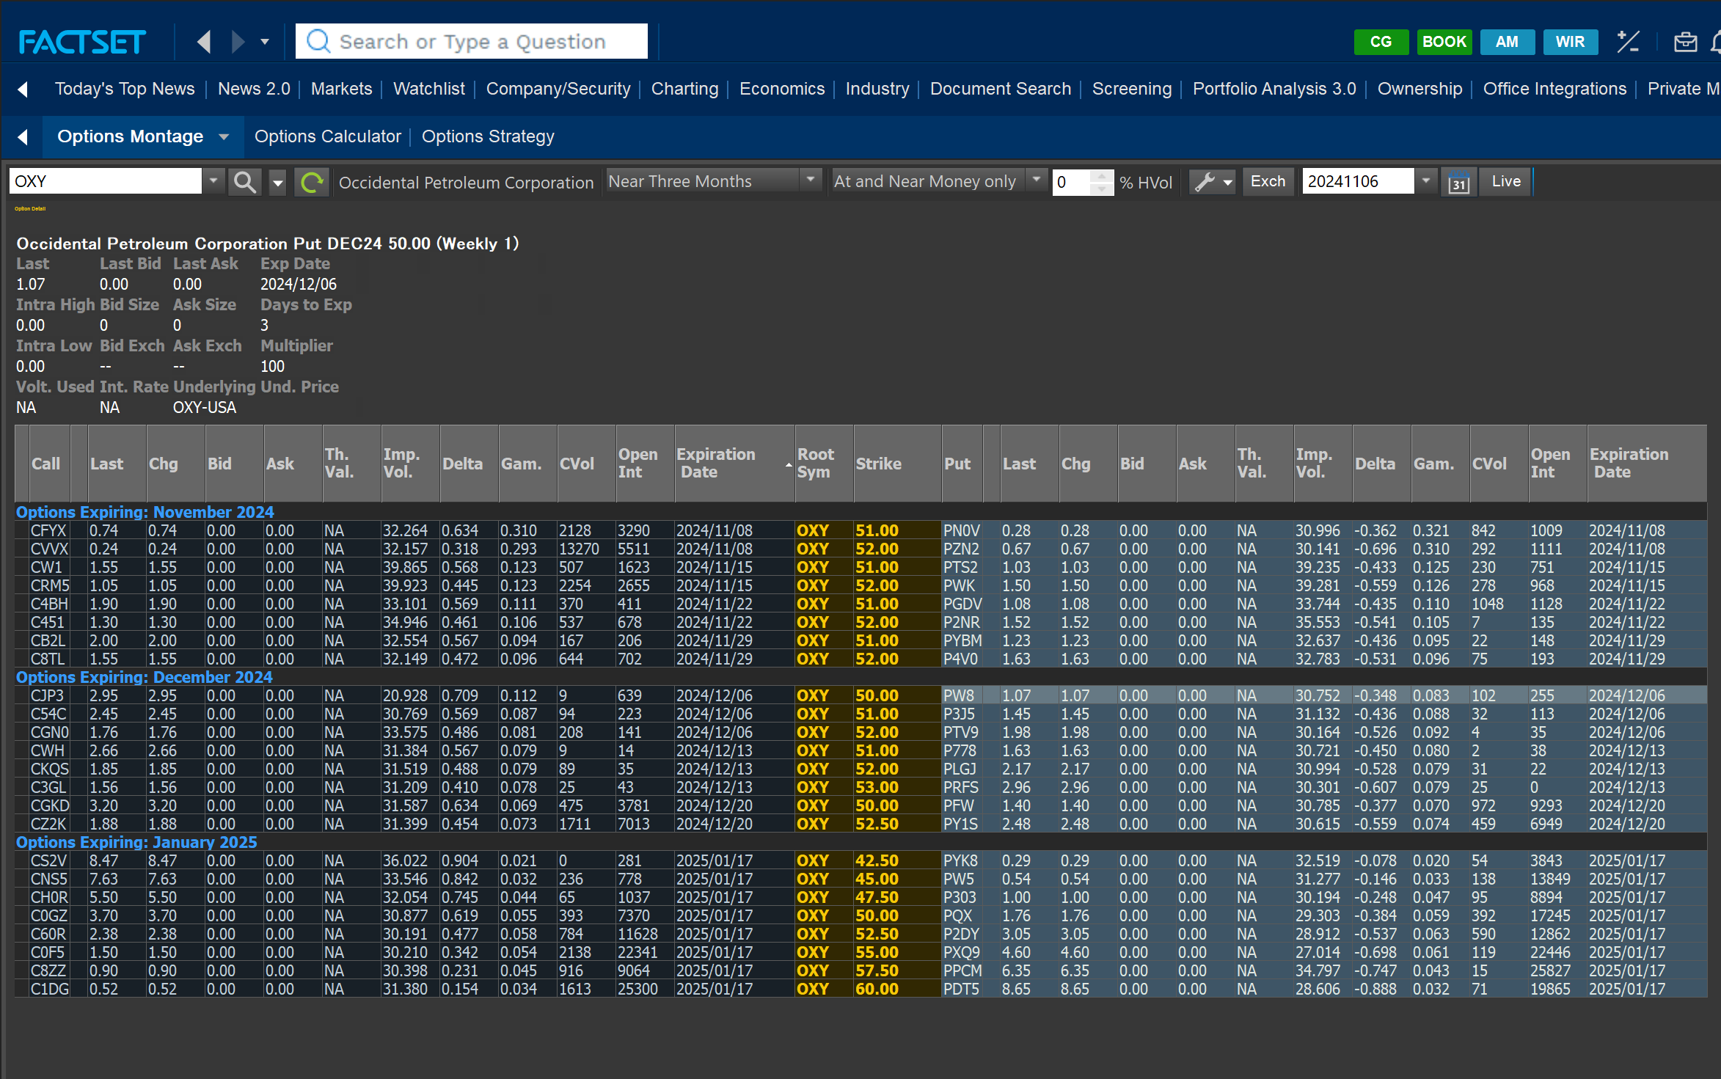
 | Cash / Margin |  |  | Margin
 | Cash Invested, USD | 990,000 | -535,000 | Collected Premium, USD
 | Initial Margin, % | - | 9.96 | Margin per Share
 | Total, Maitenance Margin, USD | - | 4,979,000 | Total Margin Required
 | Margin Call Threshold | - | - | Margin Call Threshold

STRAT2_CVX
 | XOM BEAR SPREAD (PUT) |  | https://finance.yahoo.com/quote/CVX

x | Details |  |  |  | LONG PUT
 | Contract |  |  |  | Date | CVX | Last Price | Entry/Exit | Daily +/- | Cum. Total | Current Account | Margin Payment | Curr. after Margin Payments
 | Underlying | Chevron Corporation |  |  | 5-Nov-24 |  | 0.00
 | Contract Size in Stock | 100 |  |  | 6-Nov-24 |  | 5.85 | Entry | 5.85 |  |  | 1,462,500.00 | 1,462,500.00
 | Strategy | Bear Spread |  |  | 12-Nov-24 |  | 6.96 | Exit | 1.11 | 277,500.00 | 1,740,000.00 | - | 1,740,000.00
 | Strategy Type | Debit Spread
 |  |  |  |  | SHORT PUT
 |  | LONG PUT | SHORT PUT |  | Date | CVX | Last Price | Entry/Exit | Daily +/- | Cum. Total | Current Account | Margin Payment | Curr. after Margin Payments
 | Start Date | 06-Nov-2024 | 06-Nov-2024 |  | 5-Nov-24 |  | 0.00
 | Expiry Date | 20-Dec-2024 | 20-Dec-2024 |  | 6-Nov-24 | 157.72 | 3.23 | Entry | 3.23 |  |  | (807,500.00) | (807,500.00)
 | Contract Symbol | P9Q | PW1 |  | 12-Nov-24 |  | 3.60 | Exit | 0.37 | 92,500.00 | (715,000.00) | - | (715,000.00)
 | Position Type | LONG PUT | SHORT PUT
 | Position (Stock) | 250,000 | 250,000
 | Position (Contracts) | 2500 | 2500
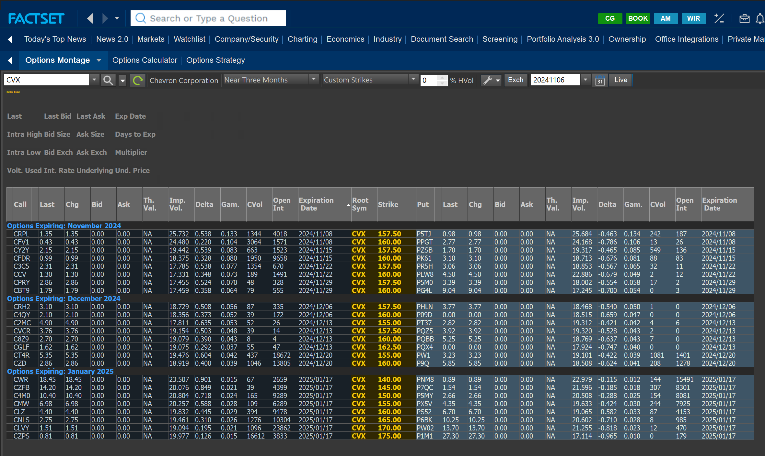
 | Contract Value, USD | 1,462,500 | 807,500
 | Strike Price | 160 | 155.0
 | P&L at Close | 277,500 | -92,500
 | Total |  |  | 185,000

 | Cash / Margin |  |  | Margin
 | Cash Invested, USD | 1,462,500 | -807,500 | Collected Premium, USD
 | Initial Margin, % | - | 32.05 | Margin per Share
 | Total, Maitenance Margin, USD | - | 8,013,500 | Total Margin Required
 | Margin Call Threshold | - | - | Margin Call Threshold

STRAT2_XOM
 | XOM BEAR SPREAD (PUT) |  | https://finance.yahoo.com/quote/XOM/

x | Details |  |  |  | LONG PUT
 | Contract |  |  |  | Date | XOM | Last Price | Entry/Exit | Daily +/- | Cum. Total | Current Account | Margin Payment | Curr. after Margin Payments
 | Underlying | Exxon Mobil Corporation |  |  | 5-Nov-24 |  | 0.00
 | Contract Size in Stock | 100 |  |  | 6-Nov-24 |  | 4.15 | Entry | 4.15 |  |  | 830,000.00 | 830,000.00
 | Strategy | Bear Spread |  |  | 27-Nov-24 |  | 3.60 | Exit | -0.55 | (110,000.00) | 720,000.00 | - | 720,000.00
 | Strategy Type | Debit Spread
 |  |  |  |  | SHORT PUT
 |  | LONG PUT | SHORT PUT |  | Date | XOM | Last Price | Entry/Exit | Daily +/- | Cum. Total | Current Account | Margin Payment | Curr. after Margin Payments
 | Start Date | 06-Nov-2024 | 06-Nov-2024 |  | 5-Nov-24 |  | 0.00
 | Expiry Date | 13-Dec-2024 | 13-Dec-2024 |  | 6-Nov-24 | 121.00 | 1.62 | Entry | 1.62 |  |  | (324,000.00) | (324,000.00)
 | Contract Symbol | PP3Q | P29F |  | 27-Nov-24 |  | 1.60 | Exit | -0.02 | (4,000.00) | (328,000.00) | - | (328,000.00)
 | Position Type | LONG PUT | SHOT PUT
 | Position (Stock) | 200,000 | 200,000
 | Position (Contracts) | 2000 | 2000
 | Contract Value, USD | 830,000 | 324,000
 | Strike Price | 122 | 117
 | P&L at Close | -110,000 | 4,000
 | Total |  |  | -106,000

 | Cash / Margin |  |  | Margin
 | Cash Invested, USD | 830,000 | -324,000 | Collected Premium, USD
 | Initial Margin, % | - | 21.82 | Margin per Share
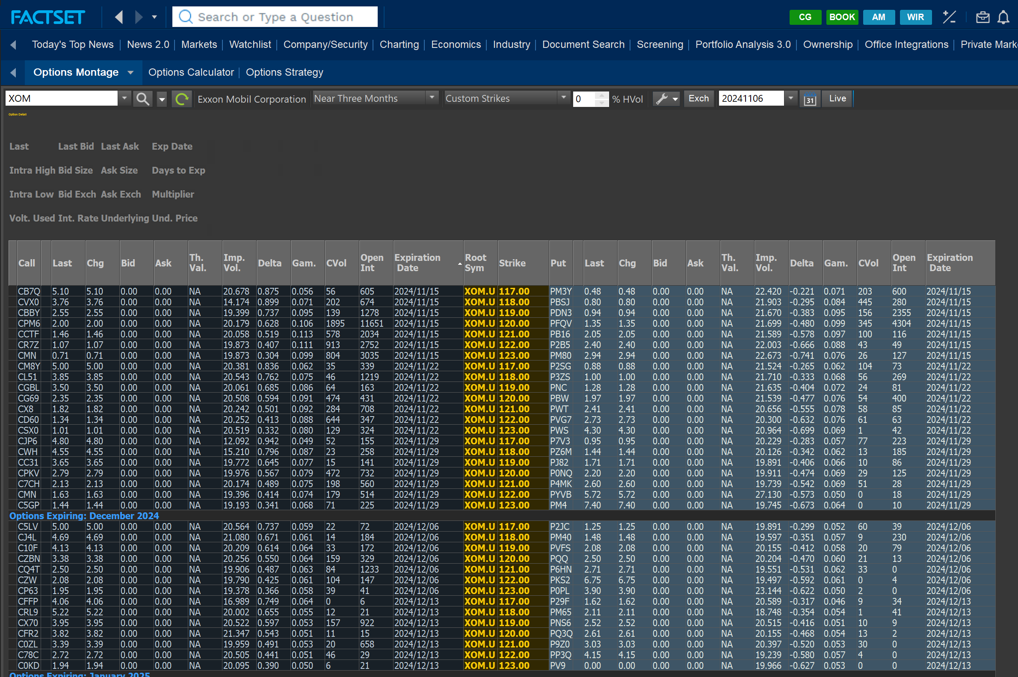
 | Total, Maitenance Margin, USD | - | 4,364,000 | Total Margin Required
 | Margin Call Threshold | - | - | Margin Call Threshold

STRAT1_YUM

 | YUM CALENDAR SPREAD |  | https://finance.yahoo.com/quote/YUM/

x | Details |  |  |  | LONG CALL
 | Contract |  |  |  | Date | YUM | Last Price | Entry/Exit | Daily +/- | Cum. Total | Current Account | Margin Payment | Curr. after Margin Payments
 | Underlying | Yum! Brands, Inc. |  |  | 1-Nov-24 |  | 0.00
 | Contract Size in Stock | 100 |  |  | 4-Nov-24 |  | 4.10 | Entry | 4.1 |  |  | 328,000.00 | 328,000.00
 | Strategy | Calendar Spread |  |  | 12-Nov-24 |  | 4.00 | Exit | -0.1 | (8,000.00) | 320,000.00 | - | 320,000.00
 | Strategy Type | Debit Spread
 |  |  |  |  | SHORT CALL
 |  | LONG CALL | SHORT CALL |  | Date | YUM | Last Price | Entry/Exit | Daily +/- | Cum. Total | Current Account | Margin Payment | Curr. after Margin Payments
 | Start Date | 04-Nov-2024 | 04-Nov-2024 |  | 1-Nov-24 |  | 0.00
 | Expiry Date | 17-Jan-2025 | 15-Nov-2024 |  | 4-Nov-24 | 34.34 | 2.29 | Entry | 2.29 |  |  | (183,200.00) | (183,200.00)
 | Contract Symbol | CVW | CLCC |  | 12-Nov-24 |  | 0.65 | Exit | -1.64 | (131,200.00) | (314,400.00) | - | (314,400.00)
 | Position Type | LONG CALL | SHORT CALL
 | Position (Stock) | 80,000 | 80,000
 | Position (Contracts) | 800 | 800
 | Contract Value, USD | 328,000 | 183,200
 | Strike Price | 135 | 135
 | P&L at Close | -8,000 | 131,200
 | Total |  |  | 123,200

 | Cash / Margin |  |  | Margin
 | Cash Invested, USD | 328,000 | -183,200 | Collected Premium, USD
 | Initial Margin, % | - | 109.82 | Margin per Share
 | Total, Maitenance Margin, USD | - | 8,785,440 | Total Margin Required
 | Margin Call Threshold | - | - | Margin Call Threshold

STRAT1_DJT
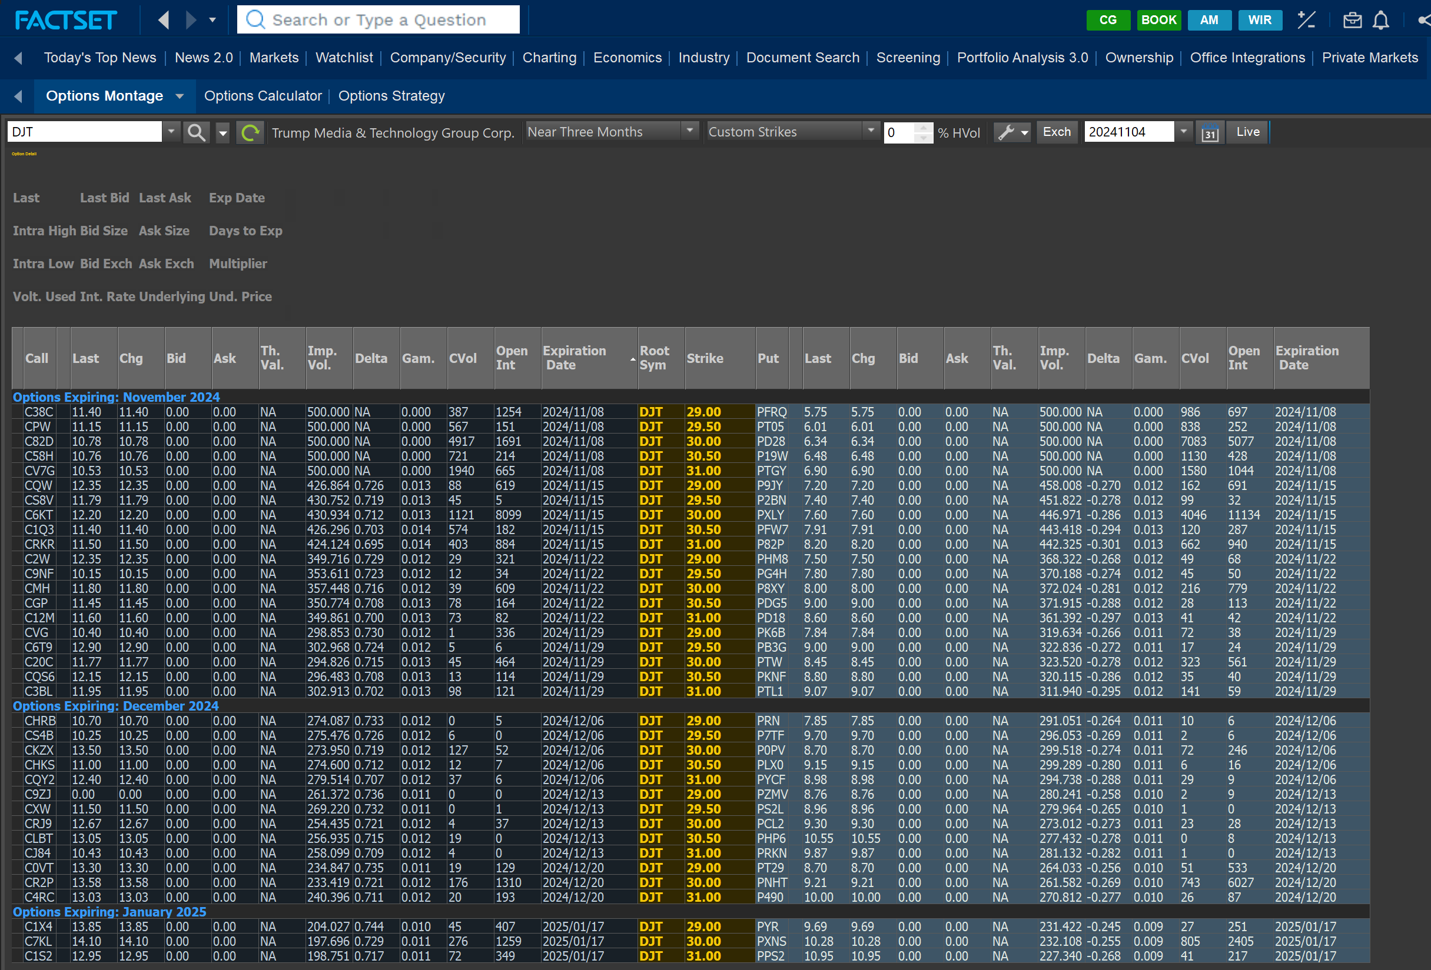
 | DJT CALENDAR SPREAD |  | https://finance.yahoo.com/quote/DJT/

x | Details |  |  |  | LONG CALL
 | Contract |  |  |  | Date | DJT | Last Price | Entry/Exit | Daily +/- | Cum. Total | Current Account | Margin Payment | Curr. after Margin Payments
 | Underlying | Trump Media & Technology Group Corp. |  |  | 1-Nov-24 |  | 0.00
 | Contract Size in Stock | 100 |  |  | 4-Nov-24 |  | 14.10 | Entry | 14.1 |  |  | 11,280,000.00 | 11,280,000.00
 | Strategy | Calendar Spread |  |  | 18-Nov-24 |  | 8.60 | Exit | -5.5 | (4,400,000.00) | 6,880,000.00 | - | 6,880,000.00
 | Strategy Type | Debit Spread
 |  |  |  |  | SHORT CALL
 |  | LONG CALL | SHORT CALL |  | Date | DJT | Last Price | Entry/Exit | Daily +/- | Cum. Total | Current Account | Margin Payment | Curr. after Margin Payments
 | Start Date | 04-Nov-2024 | 04-Nov-2024 |  | 1-Nov-24 |  | 0.00
 | Expiry Date | 17-Jan-2025 | 29-Nov-2024 |  | 4-Nov-24 | 34.34 | 11.77 | Entry | 11.77 |  |  | (9,416,000.00) | (9,416,000.00)
 | Contract Symbol | C7KL | C20C |  | 18-Nov-24 |  | 4.80 | Exit | -6.97 | (5,576,000.00) | (14,992,000.00) | - | (14,992,000.00)
 | Position Type | LONG CALL | SHORT CALL
 | Position (Stock) | 800,000 | 800,000
 | Position (Contracts) | 8000 | 8000
 | Contract Value, USD | 11,280,000 | 9,416,000
 | Strike Price | 30 | 30
 | P&L at Close | -4,400,000 | 5,576,000
 | Total |  |  | 1,176,000

 | Cash / Margin |  |  | Margin
 | Cash Invested, USD | 11,280,000 | -9,416,000 | Collected Premium, USD
 | Initial Margin, % | - | 14.30 | Margin per Share
 | Total, Maitenance Margin, USD | - | 11,438,400 | Total Margin Required
 | Margin Call Threshold | - | - | Margin Call Threshold

STRAT1_TSLA
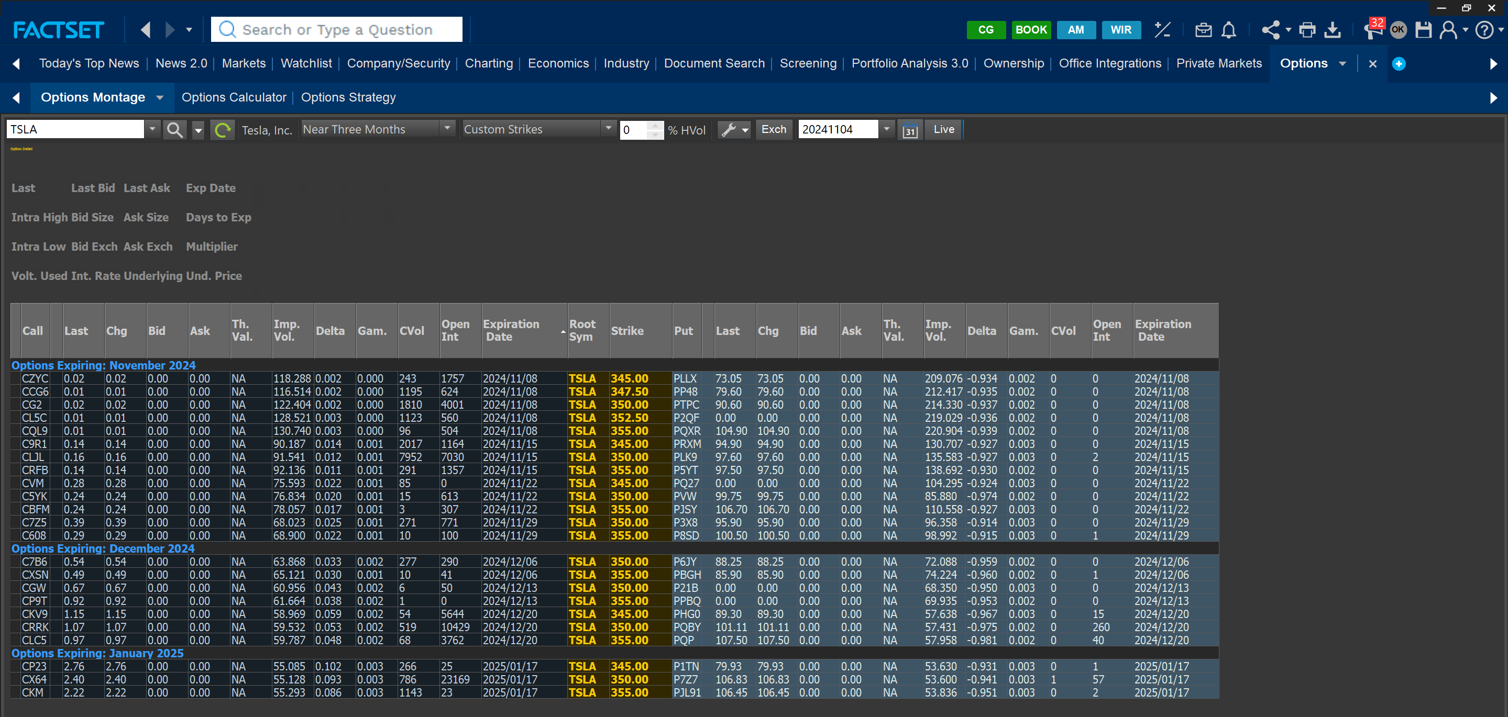
 | TSLA CALENDAR SPREAD |  | https://finance.yahoo.com/quote/TSLA/

x | Details |  |  |  | LONG CALL
 | Contract |  |  |  | Date | TSLA | Last Price | Entry/Exit | Daily +/- | Cum. Total | Current Account | Margin Payment | Curr. after Margin Payments
 | Underlying | Tesla Inc |  |  | 1-Nov-24 |  | 2.88
 | Contract Size in Stock | 100 |  |  | 4-Nov-24 |  | 2.40 | Entry | -0.48 |  |  | 192,000.00 | 192,000.00
 | Strategy | Calendar Spread |  |  | 18-Nov-24 |  | 29.80 | Exit | 27.4 | 2,192,000.00 | 2,384,000.00 | - | 2,384,000.00
 | Strategy Type | Debit Spread
 |  |  |  |  | SHORT CALL
 |  | LONG CALL | SHORT CALL |  | Date | TSLA | Last Price | Entry/Exit | Daily +/- | Cum. Total | Current Account | Margin Payment | Curr. after Margin Payments
 | Start Date | 04-Nov-2024 | 04-Nov-2024 |  | 1-Nov-24 |  | 0.96
 | Expiry Date | 17-Jan-2025 | 13-Dec-2024 |  | 4-Nov-24 | 242.84 | 0.67 | Entry | -0.29 |  |  | (53,600.00) | (53,600.00)
 | Contract Symbol | CX64 | CGW |  | 18-Nov-24 |  | 18.50 | Exit | 17.83 | 1,426,400.00 | 1,372,800.00 | - | 1,372,800.00
 | Position Type | LONG CALL | SHORT CALL
 | Position (Stock) | 80,000 | 80,000
 | Position (Contracts) | 800 | 800
 | Contract Value, USD | 192,000 | 53,600
 | Strike Price | 350 | 350
 | P&L at Close | 2,192,000 | -1,426,400
 | Total |  |  | 765,600

 | Cash / Margin |  |  | Margin
 | Cash Invested, USD | 192,000 | -53,600 | Collected Premium, USD
 | Initial Margin, % | - | 156.40 | Margin per Share
 | Total, Maitenance Margin, USD | - | 12,511,840 | Total Margin Required
 | Margin Call Threshold | - | - | Margin Call Threshold

H1_Lithium
 | Lithium Futures | https://www.cmegroup.com/markets/metals/battery-metals/lithium-hydroxide-cif-cjk-fastmarkets.contractSpecs.html

x | Details |  | Date | Spot Price | Settle $/KG | Daily +/- | Entry/Exit | Daily Per KG | Daily Total | Cum. Per KG | Cum. Total | Current Account | Margin Payment | Curr. after Margin Payments
 | Contract |  | 9-Oct-24 | 10.22 | 11.48 |  |  |  |  |  |  | - | - | -
 | Underlying | Lithium Hydroxide CIF CJK (Fastmarkets) | 10-Oct-24 | 10.10 | 11.26 | -0.22 | Entry | -0.22 |  |  |  | - | 5,984,000.00 | 5,984,000.00
 | Contract Size in KG | 1000 | 11-Oct-24 | 9.95 | 11.29 | 0.03 |  | 0.03 | 84,489.80 | 0.03 | 84,489.80 | 6,068,489.80 | - | 6,068,489.80
 | Start Date | Oct-2024 | 14-Oct-24 | 9.56 | 11.25 | -0.04 |  | -0.04 | (112,653.06) | -0.01 | (28,163.27) | 5,955,836.73 | - | 5,955,836.73
 | Delivery Date | Feb-2025 | 15-Oct-24 | 10.10 | 11.24 | -0.01 |  | -0.01 | (28,163.27) | -0.02 | (56,326.53) | 5,927,673.47 | - | 5,927,673.47
 | Contract Symbol | LTHG2025 | 16-Oct-24 | 10.87 | 11.11 | -0.13 |  | -0.13 | (366,122.45) | -0.15 | (422,448.98) | 5,561,551.02 | - | 5,561,551.02
 | Position Type | LONG | 17-Oct-24 |  | 10.90 | -0.21 |  | -0.21 | (591,428.57) | -0.36 | (1,013,877.55) | 4,970,122.45 | - | 4,970,122.45
 | Position (KG) | 2,816,327 | 19-Oct-24 |  | 11.00 | 0.10 |  | 0.10 | 281,632.65 | -0.26 | (732,244.90) | 5,251,755.10 | - | 5,251,755.10
 | Position (Contracts) | 2816 | 21-Oct-24 |  | 10.89 | -0.11 |  | -0.11 | (309,795.92) | -0.37 | (1,042,040.82) | 4,941,959.18 | - | 4,941,959.18
 | Contract Value, USD | 31,708,160 | 22-Oct-24 |  | 10.85 | -0.04 |  | -0.04 | (112,653.06) | -0.41 | (1,154,693.88) | 4,829,306.12 | - | 4,829,306.12
 |  |  | 23-Oct-24 |  | 10.84 | -0.01 |  | -0.01 | (28,163.27) | -0.42 | (1,182,857.14) | 4,801,142.86 | - | 4,801,142.86
 | Margin |  | 24-Oct-24 |  | 10.80 | -0.04 |  | -0.04 | (112,653.06) | -0.46 | (1,295,510.20) | 4,688,489.80 | 1,295,510.20 | 5,984,000.00
 | Maintenance Margin (Contract) | 1,700 | 25-Oct-24 |  | 10.6 | -0.20 |  | -0.2 | (563,265.31) | -0.66 | (1,858,775.51) | 5,420,734.69 | - | 5,420,734.69
 | Total Initial Margin, USD | 5,984,000 | 26-Nov-24 |  | 10.44 | -0.16 | Exit | -0.16 | (450,612.24) | -0.82 | (2,309,387.76) | 4,970,122.45 | - | 4,970,122.45
 | IBKR Margin Req. | 125%
 | Initial Margin, % | 18.87%
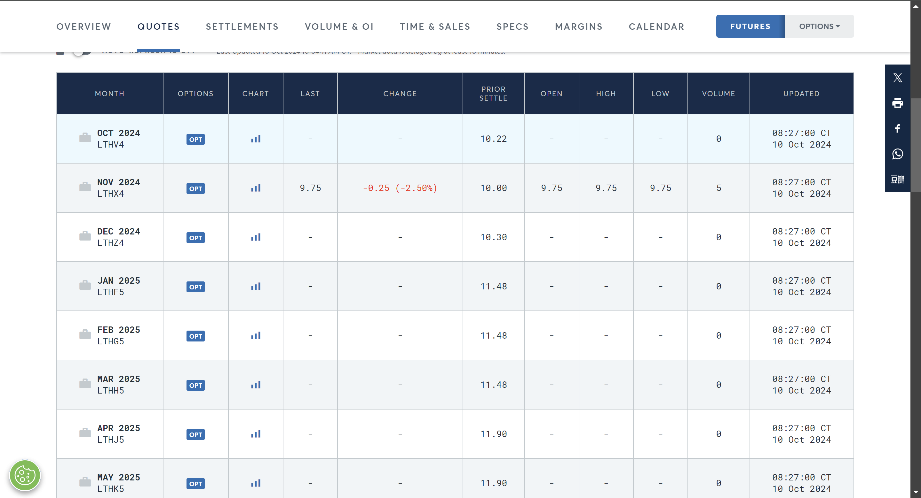
 | Total, Maitenance Margin, USD | 4,787,200
 | Margin Call Threshold | 4,787,200
 | Margin Calls in Period | 1
x

H2_Cattle
 | Cattle Futures | https://www.cmegroup.com/markets/agriculture/livestock/live-cattle.quotes.html
 |  |  |  |  |  |  |  | Daily P/L |  | Cum. P/L
x | Details |  | Date | Spot Price | Settle $/KG | Daily +/- | Entry/Exit | Daily Per KG | Daily Total | Cum. Per KG | Cum. Total | Current Account | Margin Payment | Curr. after Margin Payments
 | Contract |  | 9-Oct-24 | 1.87225 | 1.87325 |  |  |  |  |  |  | - | - | -
 | Underlying | Cattle | 10-Oct-24 | 1.88275 | 1.88250 | 0.00925 | Entry | 0.01 |  |  |  | - | 7,656,250.00 | 7,656,250.00
 | Contract Size in Pounds | 40,000 | 11-Oct-24 | 1.87575 | 1.87400 | -0.00850 |  | -0.01 | (850,000.00) | -0.01 | (850,000.00) | 6,806,250.00 | - | 6,806,250.00
 | Start Date | Oct-2024 | 14-Oct-24 | 1.87925 | 1.87825 | 0.00425 |  | 0.00 | 425,000.00 | 0.00 | (425,000.00) | 7,231,250.00 | - | 7,231,250.00
 | Delivery Date | Dec-2024 | 15-Oct-24 | 1.86525 | 1.86625 | -0.01200 |  | -0.01 | (1,200,000.00) | -0.02 | (1,625,000.00) | 6,031,250.00 | 1,625,000.00 | 7,656,250.00
 | Contract Symbol | LEZ2024 | 16-Oct-24 |  | 1.86625 | 0.00000 |  | 0.00 | 0.00 | -0.02 | (1,625,000.00) | 7,656,250.00 | - | 7,656,250.00
 | Position Type | LONG | 17-Oct-24 |  | 1.86125 | -0.00500 |  | 0.00 | (500,000.00) | -0.02 | (2,125,000.00) | 7,156,250.00 | - | 7,156,250.00
 | Position (Pounds) | 100,000,000 | 18-Oct-24 |  | 1.87100 | 0.00975 |  | 0.01 | 975,000.00 | -0.01 | (1,150,000.00) | 8,131,250.00 | - | 8,131,250.00
 | Position (Contracts) | 2500 | 21-Oct-24 |  | 1.86825 | -0.00275 |  | 0.00 | (275,000.00) | -0.01 | (1,425,000.00) | 7,856,250.00 | - | 7,856,250.00
 | Contract Value, USD | 188,250,000 | 22-Oct-24 |  | 1.88075 | 0.01250 |  | 0.01 | 1,250,000.00 | 0.00 | (175,000.00) | 9,106,250.00 | - | 9,106,250.00
 |  |  | 23-Oct-24 |  | 1.87950 | -0.00125 |  | 0.00 | (125,000.00) | 0.00 | (300,000.00) | 8,981,250.00 | - | 8,981,250.00
 | Margin |  | 24-Oct-24 |  | 1.89275 | 0.01325 |  | 0.01 | 1,325,000.00 | 0.01 | 1,025,000.00 | 10,306,250.00 | - | 10,306,250.00
 | Maintenance Margin (Contract) | 2,450 | 25-Oct-24 |  | 1.88975 | -0.00300 |  | 0.00 | (300,000.00) | 0.01 | 725,000.00 | 10,006,250.00 | - | 10,006,250.00
 | Total Initial Margin, USD | 7,656,250 | 29-Oct-24 |  | 1.90000 | 0.01025 | Exit | 0.01 | 1,025,000.00 | 0.02 | 1,750,000.00 | 11,031,250.00 | - | 11,031,250.00
 | IBKR Margin Req. | 125%
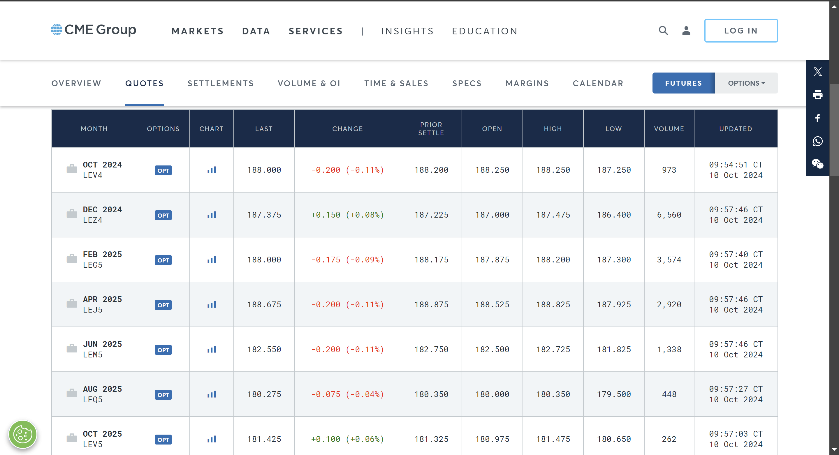
 | Initial Margin, % | 4.07%
 | Total, Maitenance Margin, USD | 6,125,000
 | Margin Call Threshold | 6,125,000
 | Margin Calls in Period | 1

H3_Soy
 | Soybean Futures | https://www.cmegroup.com/markets/agriculture/oilseeds/soybean.html
 |  |  |  |  |  |  |  |  | Daily P/L |  | Cum. P/L
x | Details |  |  | Date | Spot Price | Settle $/Bushel | Daily +/- | Entry/Exit | Daily Per Bushel | Daily Total | Cum. Per Bushel | Cum. Total | Current Account | Margin Payment | Curr. after Margin Payments
 | Contract |  |  | 18-Oct-24 |  |  |  |  |  |  |  |  | - | - | -
 | Underlying | Soybean |  | 21-Oct-24 |  | 10.01250 | 10.01250 | Entry | 10.01 |  |  |  | - | 9,900,000.00 | 9,900,000.00
 | Contract Size in Bushels | 5,000 |  | 22-Oct-24 |  | 10.13250 | 0.12000 |  | 0.12 | 2,640,000.00 | 0.12 | 2,640,000.00 | 12,540,000.00 | - | 12,540,000.00
 | Start Date | Oct-2024 |  | 23-Oct-24 |  | 10.16000 | 0.02750 |  | 0.03 | 605,000.00 | 0.15 | 3,245,000.00 | 13,145,000.00 | - | 13,145,000.00
 | Delivery Date | Mar-2025 |  | 24-Oct-24 |  | 10.16750 | 0.00750 |  | 0.01 | 165,000.00 | 0.16 | 3,410,000.00 | 13,310,000.00 | - | 13,310,000.00
 | Contract Symbol | ZSF5 |  | 25-Oct-24 |  | 10.09000 | -0.07750 |  | -0.08 | (1,705,000.00) | 0.08 | 1,705,000.00 | 11,605,000.00 | - | 11,605,000.00
 | Position Type | LONG |  | 7-Nov-24 |  | 10.37500 | 0.28500 | Exit | 0.29 | 6,270,000.00 | 0.36 | 7,975,000.00 | 17,875,000.00 | - | 17,875,000.00
 | Position (Bushels) | 22,000,000
 | Position (Contracts) | 4400 | So
 | Contract Value, USD | 220,275,000

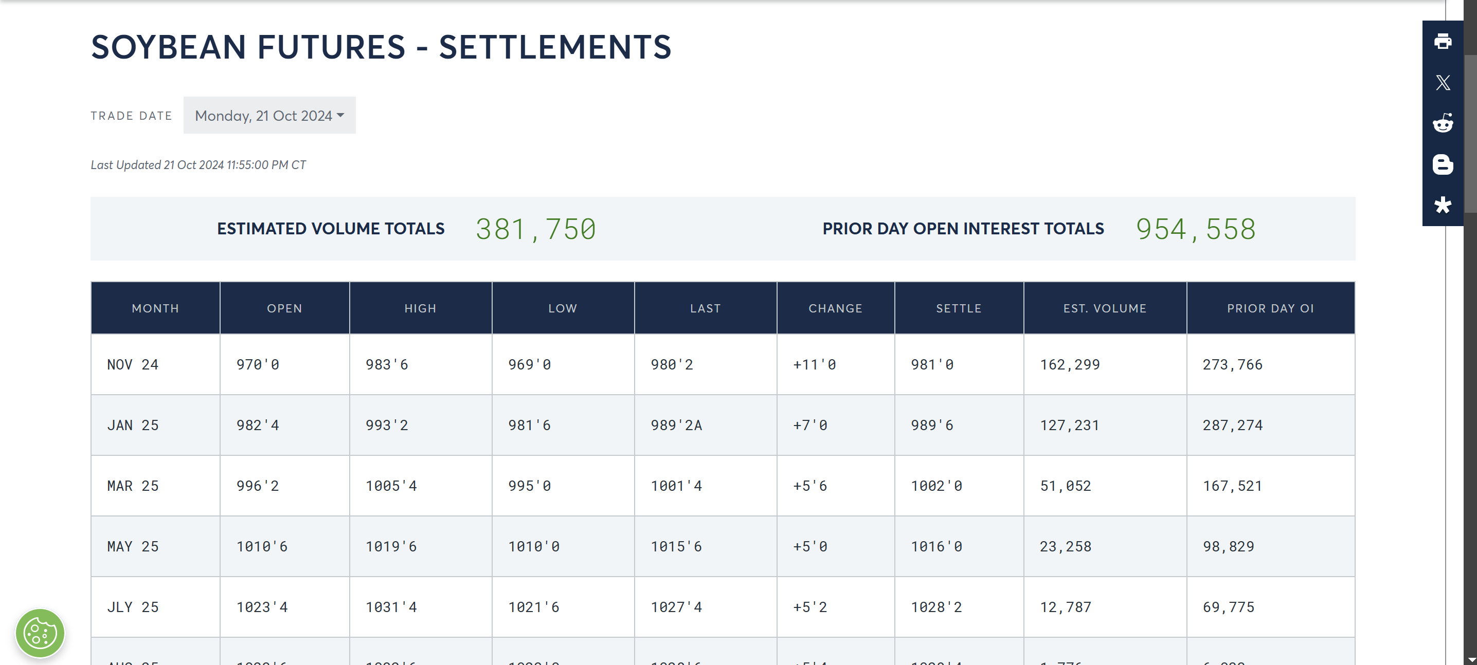
 | Margin
 | Maintenance Margin (Contract) | 1,800
 | Total Initial Margin, USD | 9,900,000
 | IBKR Margin Req. | 125%
 | Initial Margin, % | 4.49%
 | Total, Maitenance Margin, USD | 7,920,000
 | Margin Call Threshold | 7,920,000
 | Margin Calls in Period | 0

H4_HO
 | Heating Oil Futures | https://www.cmegroup.com/markets/energy/refined-products/heating-oil.margins.html
 |  |  |  |  |  |  |  | Daily P/L |  | Cum. P/L
x | Details |  | Date | Spot Price | Settle $/Gallon | Daily +/- | Entry/Exit | Daily Per Gallon | Daily Total | Cum. Per Gallon | Cum. Total | Current Account | Margin Payment | Curr. after Margin Payments
 | Contract |  | 18-Oct-24 |  |  |  |  |  |  |  |  | - | - | -
 | Underlying | NY Harbor ULSD | 21-Oct-24 |  | 2.19030 | -2.19030 | Entry | -2.19 |  |  |  | - | 17,278,220.00 | 17,278,220.00
 | Contract Size in Gallons | 42,000 | 22-Oct-24 |  | 2.23960 | -0.04930 |  | -0.05 | (4,592,064.44) | -0.05 | (4,592,064.44) | 12,686,155.56 | 4,592,064.44 | 17,278,220.00
 | Start Date | Oct-2024 | 23-Oct-24 |  | 2.23840 | 0.00120 |  | 0.00 | 111,774.39 | -0.05 | (4,480,290.05) | 17,389,994.39 | - | 17,389,994.39
 | Delivery Date | Dec-2024 | 24-Oct-24 |  | 2.22130 | 0.01710 |  | 0.02 | 1,592,785.03 | -0.03 | (2,887,505.02) | 18,982,779.42 | - | 18,982,779.42
 | Contract Symbol | HOZ4 | 25-Oct-24 |  | 2.24950 | -0.02820 |  | -0.03 | (2,626,698.12) | -0.06 | (5,514,203.14) | 16,356,081.30 | - | 16,356,081.30
 | Position Type | SHORT | 29-Nov-24 |  | 2.20320 | 0.04630 | Exit | 0.05 | 4,312,628.47 | -0.01 | (1,201,574.67) | 20,668,709.77 | - | 20,668,709.77
 | Position (Gallons) | 93,145,323
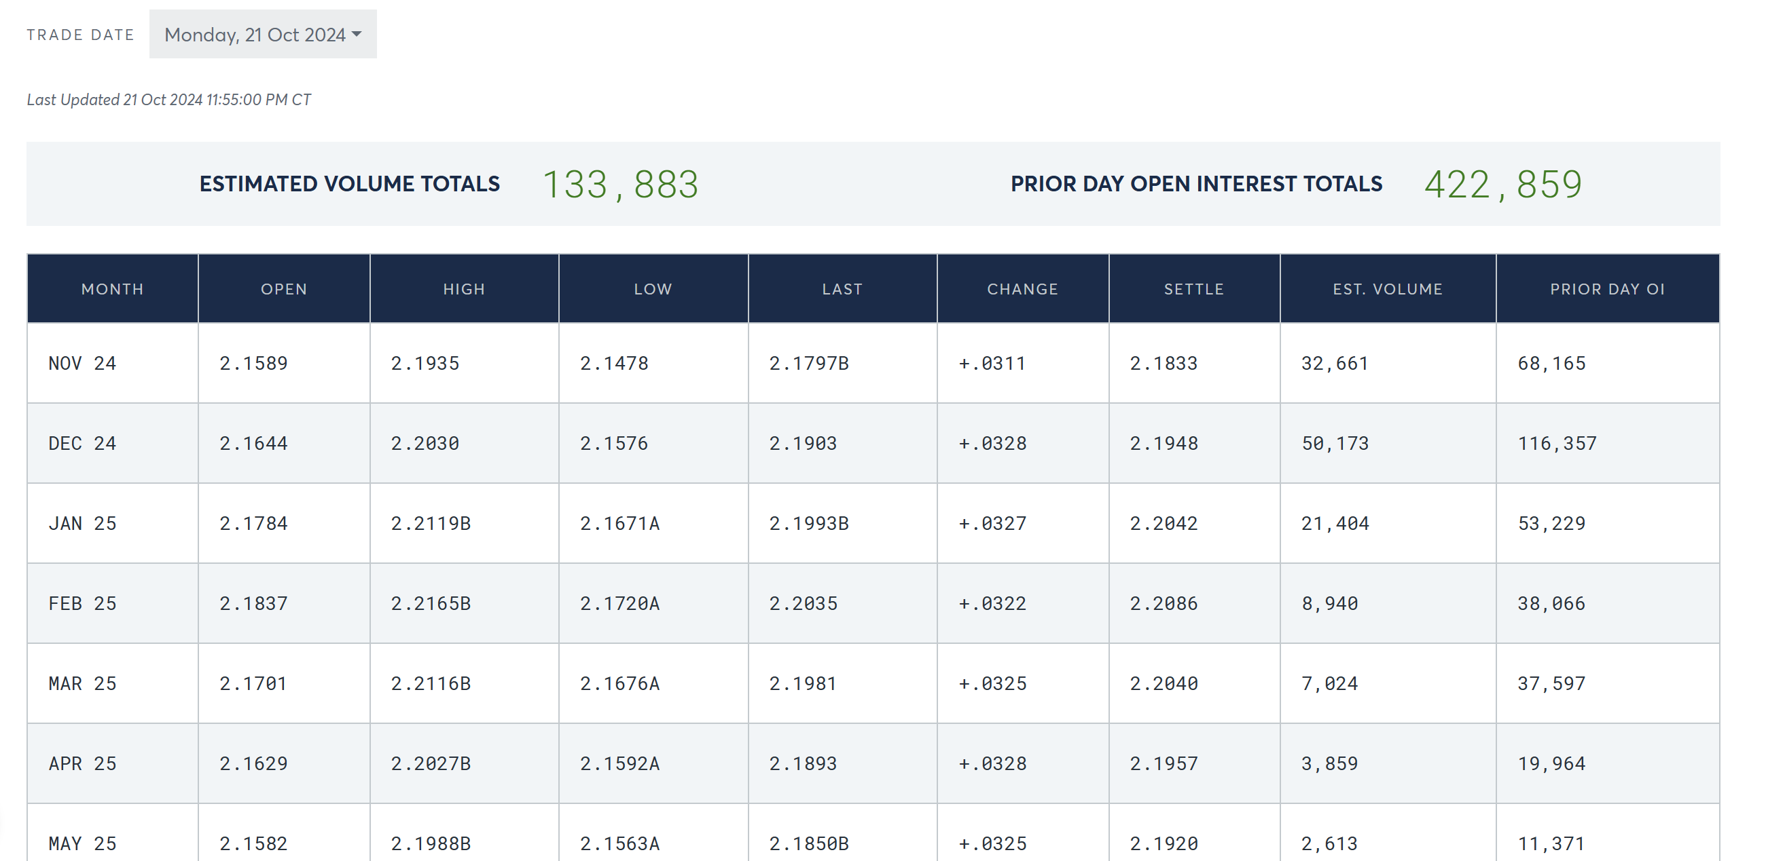
 | Position (Contracts) | 2218
 | Contract Value, USD | 204,039,587

 | Margin
 | Maintenance Margin (Contract), short | 6,232
 | Total Initial Margin, USD | 17,278,220
 | IBKR Margin Req. | 125%
 | Initial Margin, % | 8.47%
 | Total, Maitenance Margin, USD | 13,822,576
 | Margin Call Threshold | 13,822,576
 | Margin Calls in Period | 1

S1_Brent
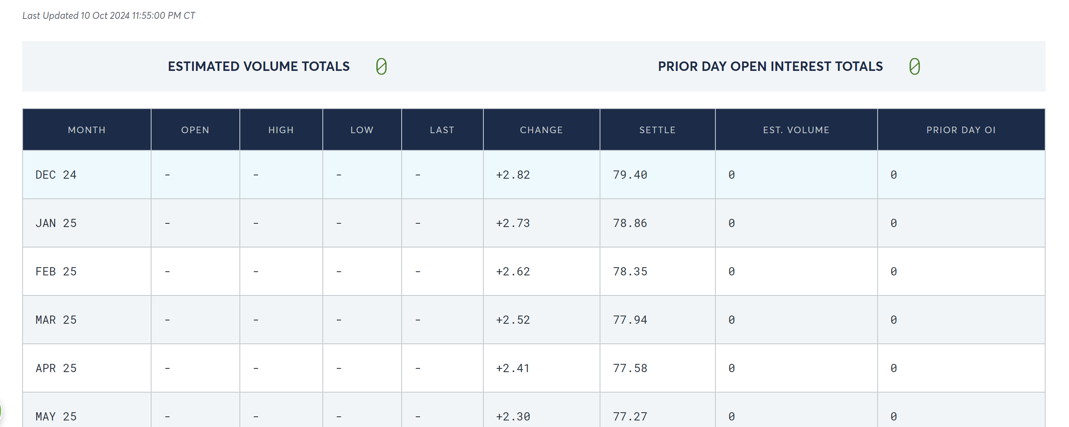
 | Brent Futues | https://www.cmegroup.com/markets/energy/crude-oil/brent-crude-oil.settlements.html#tradeDate=10%2F17%2F2024
 |  |  |  |  |  |  |  | Daily P/L |  | Cum. P/L
x | Details |  | Date | Spot Price | Settle $/KG | Daily +/- | Entry/Exit | Daily Per KG | Daily Total | Cum. Per Barrel | Cum. Total | Current Account | Margin Payment | Curr. after Margin Payments
 | Contract
 | Underlying | Brent Crude Oil | 10-Oct-24 | 78.78 | 79.40 | -79.40 | Entry | -79.40 |  |  |  | 0 | 8,238,000 | 8,238,000
 | Contract Size in Barrels | 1,000 | 11-Oct-24 | 79.06 | 79.04 | 0.36 |  | 0.36 | 432,000.00 | 0.36 | 432,000.00 | 8,670,000.00 | 0 | 8,670,000.00
 | Start Date | Oct-2024 | 14-Oct-24 | 77.34 | 77.46 | 1.58 |  | 1.58 | 1,896,000.00 | 1.94 | 2,328,000.00 | 10,566,000.00 | 0 | 10,566,000.00
 | Delivery Date | Dec-2024 | 15-Oct-24 | 74.13 | 74.25 | 3.21 |  | 3.21 | 3,852,000.00 | 5.15 | 6,180,000.00 | 14,418,000.00 | 0 | 14,418,000.00
 | Contract Symbol | BZZ4 | 16-Oct-24 | 74.10 | 74.22 | 0.03 | Exit | 0.03 | 36,000.00 | 5.18 | 6,216,000.00 | 14,454,000.00 | 0 | 14,454,000.00
 | Position Type | SHORT
 | Position (Barrels) | 1,200,000
 | Position (Contracts) | 1200
 | Contract Value, USD | 95,280,000

 | Margin
 | Maintenance Margin (Contract) | 5,492
 | Total Initial Margin, USD | 8,238,000
 | IBKR Margin Req. | 125%
 | Initial Margin, % | 8.65%
 | Total, Maitenance Margin, USD | 6,590,400
 | Margin Call Threshold | 6,590,400
 | Margin Calls in Period | 0

S2_Gold
 | Gold Futures | https://www.cmegroup.com/markets/metals/precious/gold.settlements.html

x | Details |  | Date | Spot Price | Settle $/KG | Daily +/- | Entry/Exit | Daily Per KG | Daily Total | Cum. Per KG | Cum. Total | Current Account | Margin Payment | Curr. after Margin Payments
 | Contract |  | 15-Oct-24 |  |  |  |  |  |  |  |  | - | - | -
 | Underlying | Gold | 16-Oct-24 |  | 2678.60 | 2678.60 | Entry | 2678.60 |  |  |  | - | 13,750,000.00 | 13,750,000.00
 | Contract Size in Troy Oz | 100 | 17-Oct-24 |  | 2695.50 | 16.90 |  | 16.90 | 1,690,000.00 | 16.90 | 1,690,000.00 | 15,440,000.00 | - | 15,440,000.00
 | Start Date | Oct-2024 | 18-Oct-24 |  | 2725.60 | 30.10 |  | 30.10 | 3,010,000.00 | 47.00 | 4,700,000.00 | 18,450,000.00 | - | 18,450,000.00
 | Delivery Date | Nov-2024 | 21-Oct-24 |  | 2721.90 | -3.70 | Closed | -3.70 | (370,000.00) | 43.30 | 4,330,000.00 | 18,080,000.00 | - | 18,080,000.00
 | Contract Symbol | GCZ4
 | Position Type | LONG
 | Position (Oz) | 100,000
 | Position (Contracts) | 1000
 | Contract Value, USD | 267,860,000

 | Margin
 | Maintenance Margin (Contract) | 11,000
 | Total Initial Margin, USD | 13,750,000
 | IBKR Margin Req. | 125%
 | Initial Margin, % | 5.13%
 | Total, Maitenance Margin, USD | 11,000,000
 | Margin Call Threshold | 11,000,000
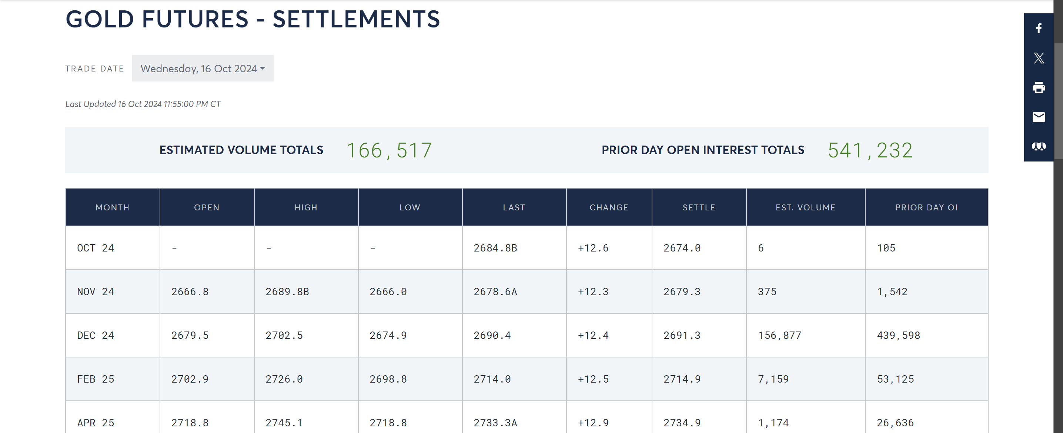
 | Margin Calls in Period | 0
x

O1_NVDA
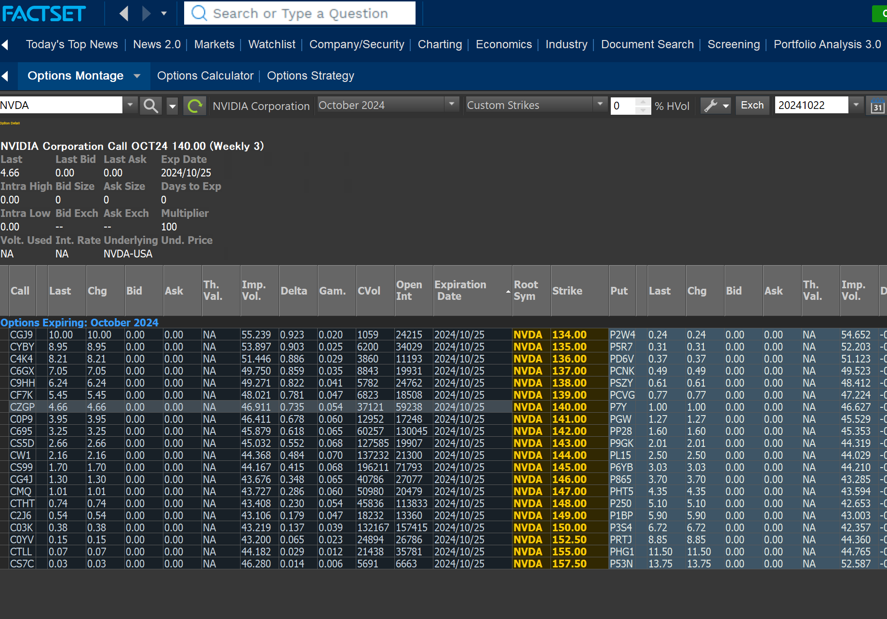
 | NVDA OPTIONS | https://finance.yahoo.com/quote/NVDA/

x | Details |  | Date | NVDA Stock | Last Price | Entry/Exit | Daily +/- | Cum. Total | Current Account | Margin Payment | Curr. after Margin Payments
 | Contract |  | 16-Oct-24 | 135.72 | 1.98
 | Underlying | NVIDIA Corp. | 17-Oct-24 | 136.93 | 2.09 | Entry | 0.11 |  |  | 4,180,000.00 | 4,180,000.00
 | Contract Size in Stock | 100 | 18-Oct-24 | 138.00 | 2.04 |  | -0.05 | (100,000.00) | 4,080,000.00 | - | 4,080,000.00
 | Start Date | 17-Oct-2024 | 21-Oct-24 | 143.71 | 5.10 |  | 3.06 | 6,020,000.00 | 10,200,000.00 | - | 10,200,000.00
 | Expiry Date | 25-Oct-2024 | 22-Oct-24 | 143.53 | 4.66 | Exit | -0.44 | 5,140,000.00 | 9,320,000.00 | - | 9,320,000.00
 | Contract Symbol | CZGP
 | Position Type | LONG CALL
 | Position (Stock) | 2,000,000
 | Position (Contracts) | 20000
 | Contract Value, USD | 4,180,000
 | Strike Price | 140

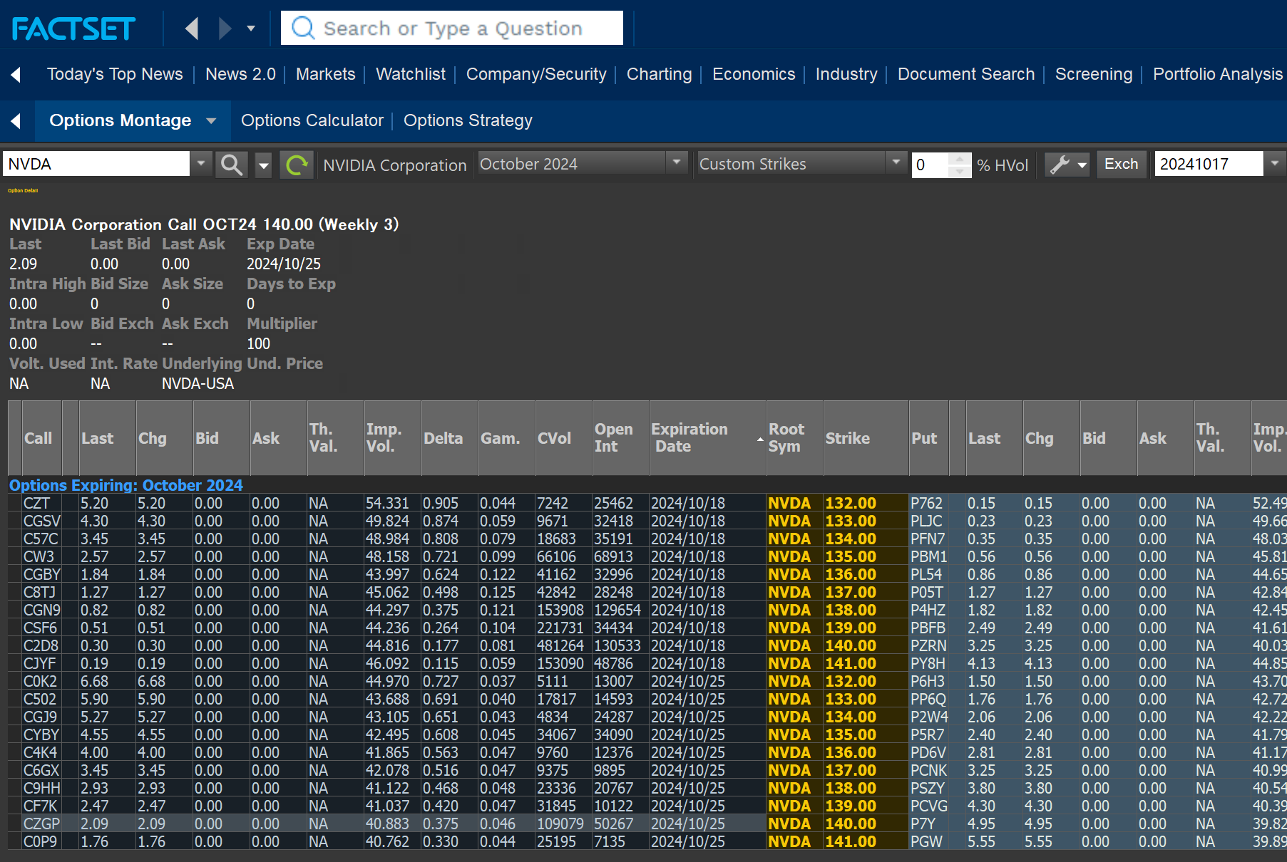
 | Cash
 | Cash Invested, USD | 4,180,000
 | Initial Margin, % | -
 | Total, Maitenance Margin, USD | -
 | Margin Call Threshold | -
 | Margin Calls in Period | -

O2_TLT
 | TLT OPTIONS | https://finance.yahoo.com/quote/TLT/

x | Details |  | Date | TLT ETF | Last Price | Entry/Exit | Daily +/- | Cum. Total | Current Account | Margin Payment | Curr. after Margin Payments
 | Contract |  | 24-Oct-24 | 92.66
 | Underlying | ISHARES 20+ YEAR TREASURY BOND | 25-Oct-24 | 92.99 | 4.17 | Entry | 4.17 |  |  | 10,911,000.00 | 10,911,000.00
 | Contract Size in Stock | 100 | 2-Nov-24 |  | 2.46 | Exit | -1.71 | 1,230,000.00 | 12,141,000.00 | - | 12,141,000.00
 | Start Date | 25-Oct-2024
 | Expiry Date | 31-Mar-2025
 | Contract Symbol | PB7Z
 | Position Type | SHORT PUT
 | Position (Stock) | 500,000
 | Position (Contracts) | 5000
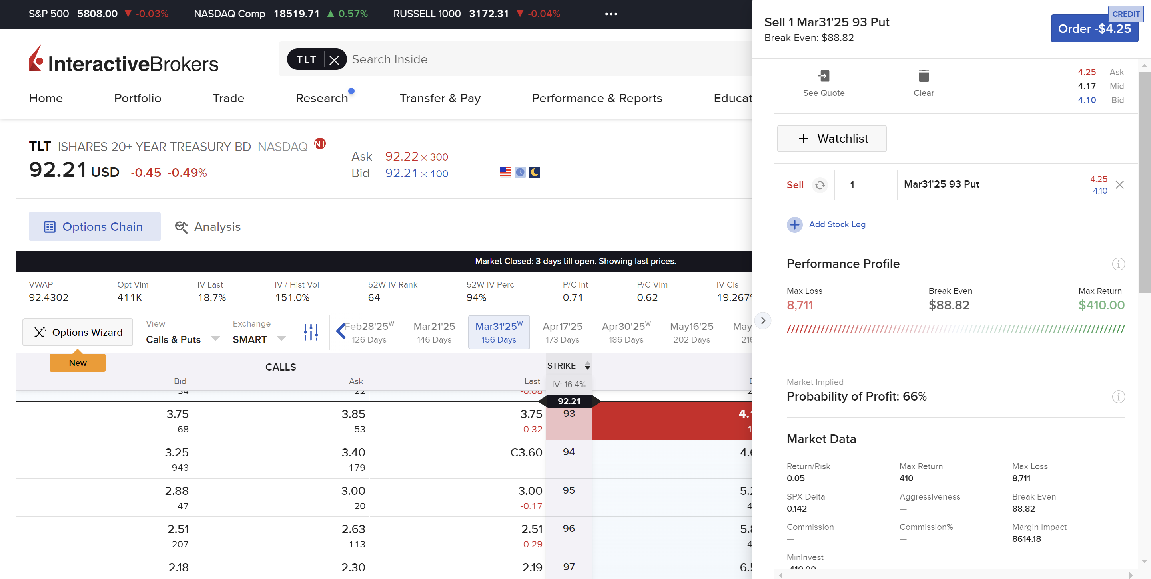
 | Contract Value, USD | 2,085,000
 | Strike Price | 93

 | Margin
 | Collected Premium, USD | 2,085,000
 | Margin per ETF share | 21.82
 | Total Margin Required | 10,911,000
 | Margin Call Threshold | 10,911,000
 | Margin Calls in Period | -

O3_HOOD
 | HOOD OPTIONS | https://finance.yahoo.com/quote/HOOD/

x | Details |  | Date | HOOD Stock | Last Price | Entry/Exit | Daily +/- | Cum. Total | Current Account | Margin Payment | Curr. after Margin Payments
 | Contract |  | 22-Oct-24 | 27.41
 | Underlying | Robinhood Markets, Inc. | 23-Oct-24 | 26.70 | 1.48 | Entry | 1.48 |  |  | 5,920,000.00 | 5,920,000.00
 | Contract Size in Stock | 100 | 24-Oct-24 | 27.22 | 1.38 |  | -0.1 | (400,000.00) | 5,520,000.00 | - | 5,520,000.00
 | Start Date | 23-Oct-2024 | 25-Oct-24 | 27.06 | 1.35 |  | -0.03 | (520,000.00) | 5,400,000.00 | - | 5,400,000.00
 | Expiry Date | 20-Dec-2024 | 28-Oct-24 |  | 1.12 | Exit | -0.23 | (1,440,000.00) | 4,480,000.00 | - | 4,480,000.00
 | Contract Symbol | PY03
 | Position Type | LONG PUT
 | Position (Stock) | 4,000,000
 | Position (Contracts) | 40000
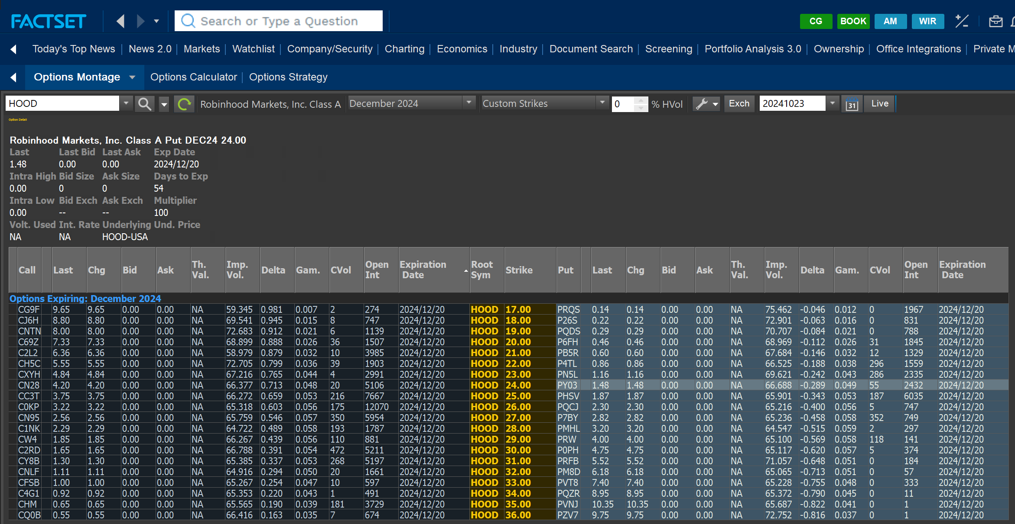
 | Contract Value, USD | 5,920,000
 | Strike Price | 24

 | Cash
 | Cash Invested, USD | 5,920,000
 | Initial Margin, % | -
 | Total, Maitenance Margin, USD | -
 | Margin Call Threshold | -
 | Margin Calls in Period | -

O4_INTC
 | INTC OPTIONS | https://finance.yahoo.com/quote/INTC/

x | Details |  | Date | INTC Stock | Last Price | Entry/Exit | Daily +/- | Cum. Total | Current Account | Margin Payment | Curr. after Margin Payments
 | Contract |  | 24-Oct-24 | 22.46
 | Underlying | Intel Corporation | 25-Oct-24 | 22.68 | 1.40 | Entry | 1.4 |  |  | 9,174,000.00 | 9,174,000.00
 | Contract Size in Stock | 100 | 2-Dec-24 |  | 0.11 | Exit | -1.29 | 165,000.00 | 9,339,000.00 | 9,174,000.00 | 18,513,000.00
 | Start Date | 25-Oct-2024
 | Expiry Date | 06-Dec-2024
 | Contract Symbol | PK5N
 | Position Type | SHORT PUT
 | Position (Stock) | 1,500,000
 | Position (Contracts) | 15000
 | Contract Value, USD | 2,100,000
 | Strike Price | 22.5
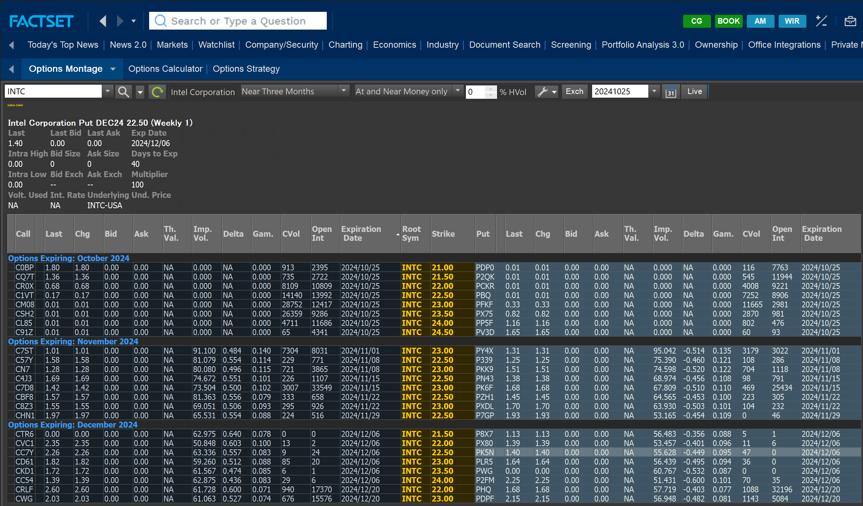
 | Margin
 | Collected Premium, USD | 2,100,000
 | Margin per Share | 6.12
 | Total Margin Required | 9,174,000
 | Margin Call Threshold | 9,174,000
 | Margin Calls in Period | -

