Login
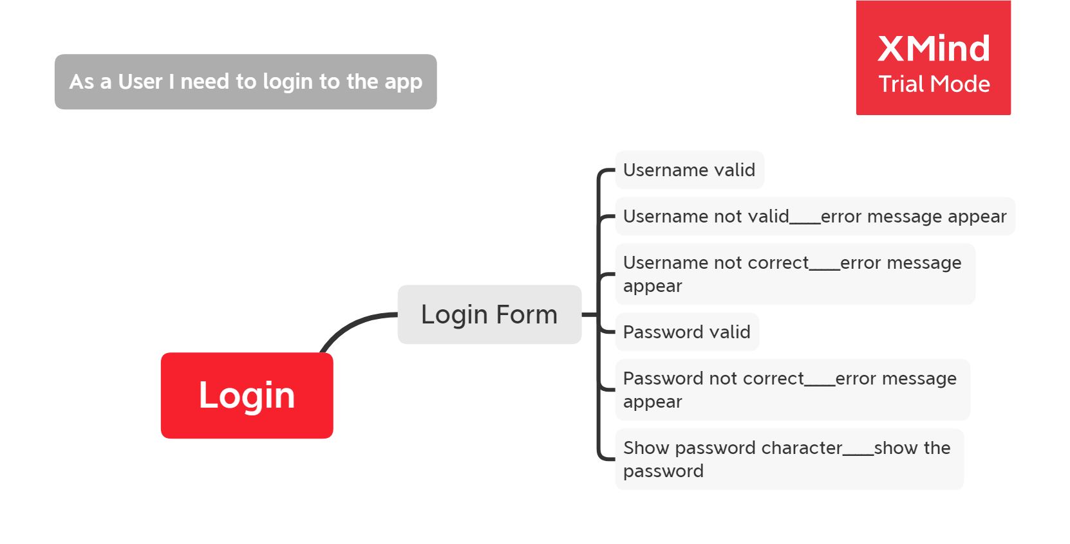
Login
Scenario Name | Preconditions | Steps | Status
User input valid username | Given User at sign in pages | When User input valid username And User input password Then User logged in | Success
User input not valid username | Given User at sign in pages | When User input non valid username And User input password Then error message pop up | Success
User input valid password | Given User at sign in pages | When User input username And User input valid password Then User logged in | Success
User input not valid password | Given User at sign in pages | When User input non valid username And User input invalid password Then error message pop up | Success
User want to look typed password | Given User at sign in pages | When User input password And User click eye icon Then User can see the typed password | Success

Checkout
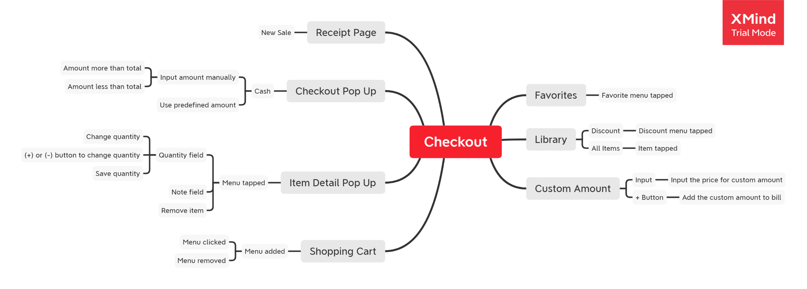
Checkout
Scenario Name | Preconditions | Steps | Status
User choose favorite menu | Given User at Favorite pages | When User tap favorite option Then menu appear at bill | Success
User apply Discount to bill | Given User at Library pages | When User tap Discount menu And User tap Discount option Then Discount applied to bill | Success
User choose menu from Library | Given User at Library pages | When User tap All Items And User tap choosen menu Then menu appeared at bill | Success
User remove menu from Shopping cart | Given User at Shopping Cart pages | When User tap cross icon Then menu will be removed | Success
User want to change amount of menu | Given User at Favorite pages | When User tap the menu on Shopping Cart And User at Item Detail Pop Up Then User tap (+) (-) button according to desired amount | Success
User want to checkout using suggested amount | Given User at Checkout Pop Up | When User tap suggested amount Then User tap Charge | Success
User want to checkout using manual input amount | Given User at Checkout Pop Up | When User tap amount field And User type the amount Then User tap Charge | Success

