Sheet2
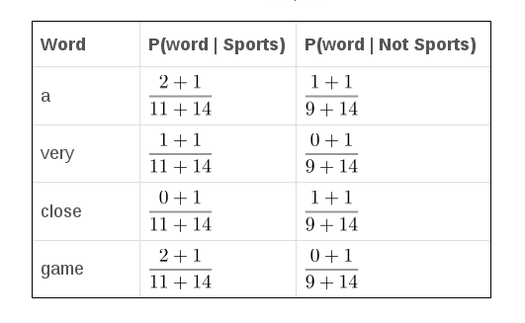
Prediksi: A very close game
 |  |  | Doc
TEXT | Kategori
a great game | Olahraga
the election was over | Bukan Olahraga
very clean match | Olahraga
a clean but forgettable game | Olahraga
it was a close election | Bukan Olahraga

Token
a | olahraga
great | p|a | 0.12
game | P|very | 0.08
the | P|close | 0.04
election | P|game | 0.12
was | score | 0.00004608
over
very | Bukan Olahraga
clean | P|a | 0.086956521739
match | P|very | 0.04347826087
but | P|close | 0.086956521739
forgettable | P|game | 0.04347826087 | Hasil prediksi
it | Score | 1.429383114E-05 | sport
close
TOTAL: 14

