BL_CHANGE
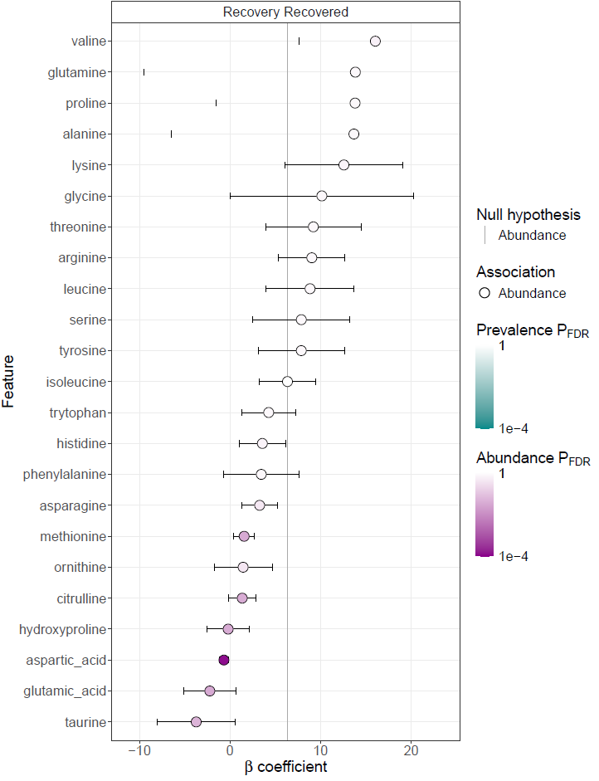
feature | metadata | value | name | coef | null_hypothesis | stderr | pval_individual | qval_individual | pval_joint | qval_joint | error | model | N | N_not_zero
aspartic_acid | Recovery | Recovered | RecoveryRecovered | -0.67379834563 | 6.3418063939 | 0.50188597754 | 1.48E-05 | 0.00034130303562 | 1.48E-05 | 0.00034130303562 | NA | abundance | 134 | 134
glutamic_acid | Recovery | Recovered | RecoveryRecovered | -2.23138833 | 6.3418063939 | 2.8684876334 | 0.0083685978389 | 0.077871417731 | 0.0083685978389 | 0.077871417731 | NA | abundance | 134 | 134
methionine | Recovery | Recovered | RecoveryRecovered | 1.5591549296 | 6.3418063939 | 1.1434154321 | 0.010157141443 | 0.077871417731 | 0.010157141443 | 0.077871417731 | NA | abundance | 134 | 134
citrulline | Recovery | Recovered | RecoveryRecovered | 1.3480661748 | 6.3418063939 | 1.4997419458 | 0.017654973149 | 0.081316499677 | 0.017654973149 | 0.081316499677 | NA | abundance | 134 | 134
hydroxyproline | Recovery | Recovered | RecoveryRecovered | -0.20625978091 | 6.3418063939 | 2.343531166 | 0.01767749993 | 0.081316499677 | 0.01767749993 | 0.081316499677 | NA | abundance | 134 | 134
taurine | Recovery | Recovered | RecoveryRecovered | -3.7315671809 | 6.3418063939 | 4.3065451139 | 0.026930095659 | 0.10323203336 | 0.026930095659 | 0.10323203336 | NA | abundance | 134 | 134
ornithine | Recovery | Recovered | RecoveryRecovered | 1.4486697966 | 6.3418063939 | 3.2083125902 | 0.14627762393 | 0.48062647861 | 0.14627762393 | 0.48062647861 | NA | abundance | 134 | 134
asparagine | Recovery | Recovered | RecoveryRecovered | 3.267806841 | 6.3418063939 | 1.9911804486 | 0.17674365108 | 0.50813799686 | 0.17674365108 | 0.50813799686 | NA | abundance | 134 | 134
valine | Recovery | Recovered | RecoveryRecovered | 16.041225129 | 6.3418063939 | 8.3848371827 | 0.2515094841 | 0.64274645935 | 0.2515094841 | 0.64274645935 | NA | abundance | 134 | 134
histidine | Recovery | Recovered | RecoveryRecovered | 3.5704001789 | 6.3418063939 | 2.5847634007 | 0.30835974691 | 0.7092274179 | 0.30835974691 | 0.7092274179 | NA | abundance | 134 | 134
lysine | Recovery | Recovered | RecoveryRecovered | 12.570690812 | 6.3418063939 | 6.4832352287 | 0.3397731113 | 0.71043468726 | 0.3397731113 | 0.71043468726 | NA | abundance | 134 | 134
phenylalanine | Recovery | Recovered | RecoveryRecovered | 3.4482226693 | 6.3418063939 | 4.1393941196 | 0.48088131162 | 0.8095143326 | 0.48088131162 | 0.8095143326 | NA | abundance | 134 | 134
arginine | Recovery | Recovered | RecoveryRecovered | 9.0271596915 | 6.3418063939 | 3.6520191947 | 0.48174151517 | 0.8095143326 | 0.48174151517 | 0.8095143326 | NA | abundance | 134 | 134
trytophan | Recovery | Recovered | RecoveryRecovered | 4.2683210373 | 6.3418063939 | 2.9553362743 | 0.49532251878 | 0.8095143326 | 0.49532251878 | 0.8095143326 | NA | abundance | 134 | 134
threonine | Recovery | Recovered | RecoveryRecovered | 9.1970042477 | 6.3418063939 | 5.2670313598 | 0.58925504759 | 0.8095143326 | 0.58925504759 | 0.8095143326 | NA | abundance | 134 | 134
leucine | Recovery | Recovered | RecoveryRecovered | 8.8342499441 | 6.3418063939 | 4.8326457305 | 0.60768801339 | 0.8095143326 | 0.60768801339 | 0.8095143326 | NA | abundance | 134 | 134
proline | Recovery | Recovered | RecoveryRecovered | 13.80386765 | 6.3418063939 | 15.374850179 | 0.62350014369 | 0.8095143326 | 0.62350014369 | 0.8095143326 | NA | abundance | 134 | 134
glycine | Recovery | Recovered | RecoveryRecovered | 10.135926671 | 6.3418063939 | 10.111407446 | 0.70348676133 | 0.8095143326 | 0.70348676133 | 0.8095143326 | NA | abundance | 134 | 134
alanine | Recovery | Recovered | RecoveryRecovered | 13.674804382 | 6.3418063939 | 20.18380205 | 0.71395930298 | 0.8095143326 | 0.71395930298 | 0.8095143326 | NA | abundance | 134 | 134
glutamine | Recovery | Recovered | RecoveryRecovered | 13.836910351 | 6.3418063939 | 23.329470867 | 0.74621424011 | 0.8095143326 | 0.74621424011 | 0.8095143326 | NA | abundance | 134 | 134
tyrosine | Recovery | Recovered | RecoveryRecovered | 7.8653699978 | 6.3418063939 | 4.7753810721 | 0.75003289328 | 0.8095143326 | 0.75003289328 | 0.8095143326 | NA | abundance | 134 | 134
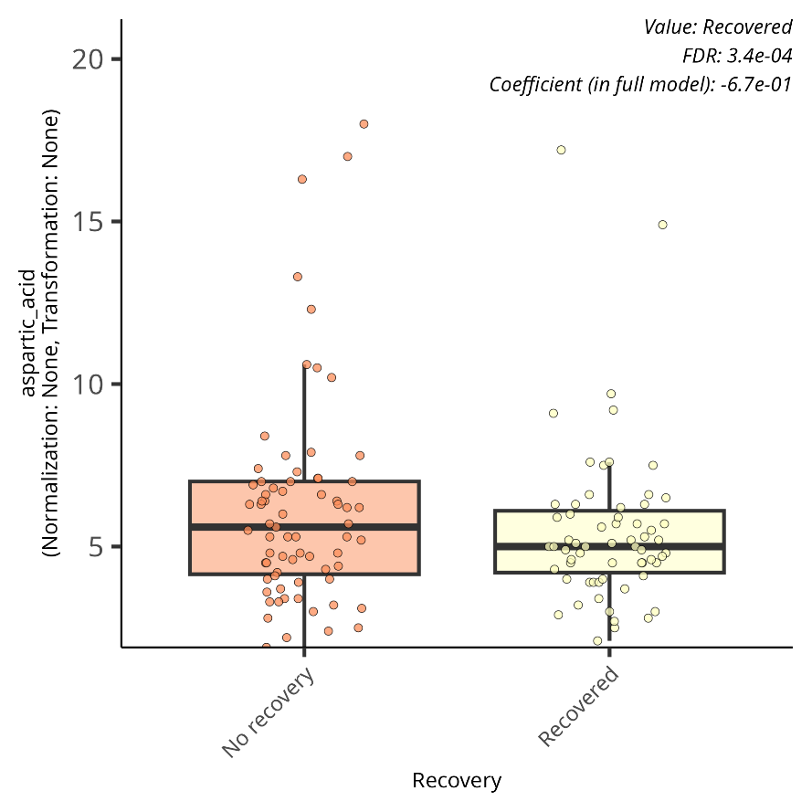
serine | Recovery | Recovered | RecoveryRecovered | 7.8700424771 | 6.3418063939 | 5.3643765803 | 0.77431805727 | 0.8095143326 | 0.77431805727 | 0.8095143326 | NA | abundance | 134 | 134
isoleucine | Recovery | Recovered | RecoveryRecovered | 6.3418063939 | 6.3418063939 | 3.0727763105 | 1 | 1 | 1 | 1 | NA | abundance | 134 | 134

