Sampling
TALWANDI SABO POWER LIMITED Rake Sampling Report |  |  |  |  |  |  | FIELD NAME
Client Name :­ |  | TALWANDI SABO POWER LIMITED, TALWANDI |  |  |  |  | Client Name | MANUAL
Rake No:­ |  |  |  |  |  |  | Rake No:­ | MANUAL
Commodity :- |  | India Coal / Imported Coal / Wash Coal - Drop Down |  |  |  |  | Commodity :- | Drop Down
 |  |  | Time |  | Date |  | Rake Placement Time & Date | AUTO
Rake Placement Time & Date :- |  |  | Already in System |  |  |  | Rake Unloading Commence Date & Time :­ | MANUAL
Rake Unloading Commence Date & Time :­ |  |  | Input |  | Date selection |  | Rake Unloading Completed Date & Time | MANUAL
Rake Unloading Completed Date & Time :­ |  |  | Input |  | Date selection |  | Date of Sample Collection | AUTO
Date of Sample Collection :- |  |  |  |  | Same as unloading date |  | Date & Time of Sample Collection Start :- | AUTO
Date & Time of Sample Collection Start :- |  |  | Input |  | Same as unloading date |  | Date & Time of Sample Collection Completed :­ | AUTO
Date & Time of Sample Collection Completed :­ |  |  | Input |  | Same as unloading completion date |  | No. of Bags Collected :- | MANUAL
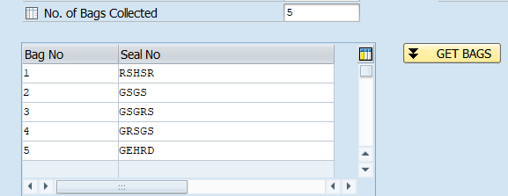
No. of Bags Collected :- |  |  | Input (12) |  | Number |  |  |  | Something like this .the line item will created depending on the No of Bags collected.
Seal No. | Input (No. of input options to be selected as per no. of bags collected)

Sampling Agency |  |  |  | Default
Supervisor |  |  |  | Name
Samplers |  |  |  | Name |  |  | Sampling Agency | MANUAL
All Sample Bags Seal Checked |  | Dropdown (Yes/No) |  |  |  |  | Supervisor | MANUAL
Sampling Mode |  | Auto/ Manual |  |  |  |  | Samplers | MANUAL
No. of Wagons | Already in System | Auto Sampler |  | Dropdown (4A/4B) |  | If sampling Mode is auto | All Sample Bags Seal Checked | Drop Down
Weather Condition | Dropdown (Fair/Cloudy/Rain) |  |  |  |  |  | Sampling Mode | Drop Down
Remarks:- |  |  |  |  |  |  | Auto Sampler | Drop Down | It will come only when Sampling Mode = AUTO
 |  |  |  |  |  |  | No. of Wagons | AUTO
 |  |  |  |  |  |  | Weather Condition | Drop Down
 |  |  |  |  |  |  | Remarks:- | MANUAL
Master report with required data for coding after sampling & sample shifting to lab should be accessible by only authorised persons.

