Join_demo
seta |  | setb
col1 |  | col1 | a-b
1 |  | 3 | b-a
2 |  | 4 | a intersection b
3 | CROSS | 5 | b intersection a
4 |  | 6 | b union a
5 |  | 7 | a union b

select * from seta inner join setb on ( seta.col1 = setb.col1) |  |  |  | select * from seta left outer join setb on ( seta.col1 = setb.col1) where setb.col1 is null

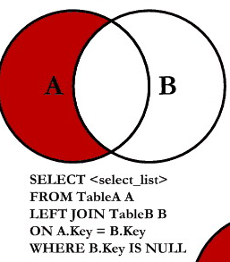
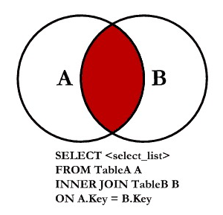
seta | setb |  |  | seta | setb
col1 | col1 |  |  | col1 | col1
3 | 3 |  |  | 1 | null
4 | 4 |  |  | 2 | null
5 | 5

select * from seta full outer join setb on ( seta.col1 = setb.col1) |  |  |  | select * from seta right outer join setb on ( seta.col1 = setb.col1) where seta.col1 is null

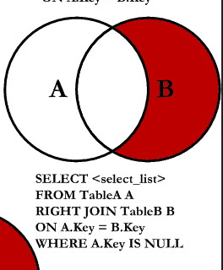
seta | setb |  |  | seta | setb
col1 | col1 |  |  | col1 | col1
1 | null |  |  | null | 6
2 | null |  |  | null | 7
3 | 3
4 | 4
5 | 5
null | 6
null | 7

select * from seta left outer join setb on ( seta.col1 = setb.col1) |  |  |  | select * from seta right outer join setb on ( seta.col1 = setb.col1)

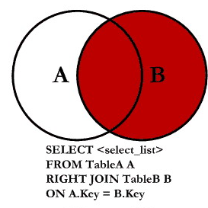
seta | setb |  |  | seta | setb
col1 | col1 |  |  | col1 | col1
1 | null |  |  | 3 | 3
2 | null |  |  | 4 | 4
3 | 3 |  |  | 5 | 5
4 | 4 |  |  | null | 6
5 | 5 |  |  | null | 7

select * from seta CROSS JOIN setb |  |  |  | select * from seta full outer join setb on ( seta.col1 = setb.col1) where seta.col1 is null or setb.col1 is null

seta | setb |  |  | seta | setb
col1 | col2 |  |  | col1 | col1
1 | 3 |  |  | 1 | null
1 | 4 |  |  | 2 | null
1 | 5 |  |  | null | 6
1 | 6 |  |  | null | 7
1 | 7
2 | 3
2 | 4
2 | 5
2 | 6
2 | 7
3 | 3
3 | 4
3 | 5
3 | 6
3 | 7
4 | 3
4 | 4
4 | 5
4 | 6
4 | 7
5 | 3
5 | 4
5 | 5
5 | 6
5 | 7

Set Theory
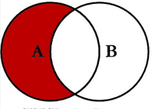
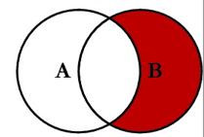
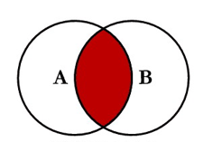
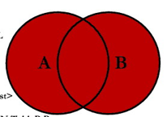

A
1 | a-b | b-a | a intersection b | b intersection a | b union a | a union b
2 | 1 | 6 | 3 | 3 | 1 | 1
3 | 2 | 7 | 4 | 4 | 2 | 2
4 |  |  | 5 | 5 | 3 | 3
5 |  |  |  |  | 4 | 4
 |  |  |  |  | 5 | 5
 |  |  |  |  | 3 | 3
B |  |  |  |  | 4 | 4
3 |  |  |  |  | 5 | 5
4 |  |  |  |  | 6 | 6
5 |  |  |  |  | 7 | 7
6
7

Group_by_demo
Count of MEMBER_NAME
MEMBERSHIP_STATUS | Total
Permanent | 13
Temporary | 12
Grand Total | 25

select MEMBERSHIP_STATUS from lms_members | select MEMBERSHIP_STATUS from lms_members
group by MEMBERSHIP_STATUS | group by MEMBERSHIP_STATUS, city
 | status | city | MEMBER_ID | MEMBER_NAME | CITY | DATE_REGISTER | DATE_EXPIRE | MEMBERSHIP_STATUS | count(*)
 | temporary | CHENNAI | LM001 | Akshay | CHENNAI | 2018-06-12 | 2020-10-26 | Temporary
 |  |  | LM004 | Bhakti | CHENNAI | 2018-06-12 | 2020-05-12 | Temporary | 4
 |  |  | LM012 | Rasika | CHENNAI | 2018-06-12 | 2020-10-26 | Temporary
Temporary
 |  |  | LM015 | Saurabh | CHENNAI | 2018-06-12 | 2020-05-12 | Temporary
 | temporary | Kerala | LM025 | Sagar | Kerala | 2018-06-12 | 2020-11-06 | Temporary | 1
 | temporary | PUNE | LM002 | Amruta | PUNE | 2020-08-02 | 2020-06-03 | Temporary
 |  |  | LM013 | Renuka | PUNE | 2020-08-02 | 2020-06-03 | Temporary | 2
 | temporary | BANGALORE | LM005 | Gautam | BANGALORE | 2018-06-12 | 2020-11-06 | Temporary
 |  |  | LM016 | Sayali | BANGALORE | 2018-06-12 | 2020-11-06 | Temporary | 2
 | temporary | Delhi | LM009 | Nikita | Delhi | 2012-12-12 | 2021-12-12 | Temporary
 |  |  | LM020 | Supriya | Delhi | 2012-12-12 | 2021-12-12 | Temporary | 3
 |  |  | LM024 | Gaurav | Delhi | 2018-06-12 | 2020-05-12 | Temporary
 | Permanent | Bangalore | LM008 | Nikhil | Bangalore | 2020-03-09 | 2020-06-03 | Permanent
 |  |  | LM019 | Snehal | Bangalore | 2020-03-09 | 2020-06-03 | Permanent
 |  |  | LM023 | Ritesh | Bangalore | 2018-06-12 | 2020-08-17 | Permanent | 3
Permanent
 |  |  | LM003 | Ashish | CHENNAI | 2018-06-12 | 2020-08-17 | Permanent
 | Permanent | CHENNAI | LM006 | Hetvi | CHENNAI | 2018-06-12 | 2020-10-26 | Permanent
 |  |  | LM014 | Sandeep | CHENNAI | 2018-06-12 | 2020-08-17 | Permanent | 4
 |  |  | LM017 | Shruti | CHENNAI | 2018-06-12 | 2020-10-26 | Permanent
 |  |  | LM010 | Preity | Kerala | 2019-06-17 | 2020-08-11 | Permanent
 | Permanent | Kerala | LM021 | Writankar | Kerala | 2019-06-17 | 2020-06-17 | Permanent | 2
 | Permanent | Pune | LM007 | Mayur | Pune | 2019-09-19 | 2020-10-19 | Permanent | 2
 |  |  | LM018 | Smita | Pune | 2019-09-19 | 2020-10-19 | Permanent
 | Permanent | Punjab | LM011 | Priti | Punjab | 2019-08-19 | 2023-12-23 | Permanent
 |  |  | LM022 | Amit | Punjab | 2019-08-19 | 2023-12-23 | Permanent | 2

seta |  |  | GROUP BY COL1 |  |  | select count(*) from seta group by col1
col1 | col2 |  | GROUPS |  |  | COUNT |  |  | AGGREGATE FUNCTIONS
PUNE | GAURAV |  | PUNE | PUNE | GAURAV | 2 |  |  | COL1 | SUM(COL1) | AVG | MAX | MIN | COUNT
PUNE | SAGAR |  |  | PUNE | SAGAR |  |  |  | 1
DELHI | DEVANSHU |  |  | DELHI | DEVANSHU |  |  |  | 2
DELHI | PRATIK |  | DELHI | DELHI | PRATIK | 3 |  |  | 3 | 10 | 2.5 | 4 | 1 | 4
DELHI | DEVANDER |  |  | DELHI | DEVANDER |  |  |  | 4
JAIPUR | SHRUTI |  | JAIPUR | JAIPUR | SHRUTI | 1

