PrototypeCost
Digikey
Subtotal | $85.90
Shipping | $8.00
GST | $4.30
HST | $-
PST | $-
Total | $98.20

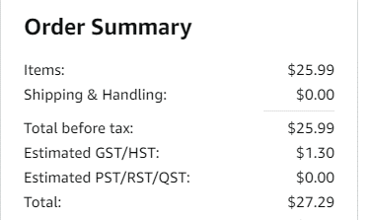
Amazon
Subtotal | $25.99
Shipping | $-
GST | $1.30
HST | $-
PST | $-
Total | $27.29

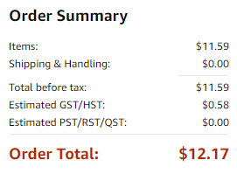
Amazon
Subtotal | $11.59
Shipping | $-
GST | $0.58
HST | $-
PST | $-
Total | $12.17

