Sheet1
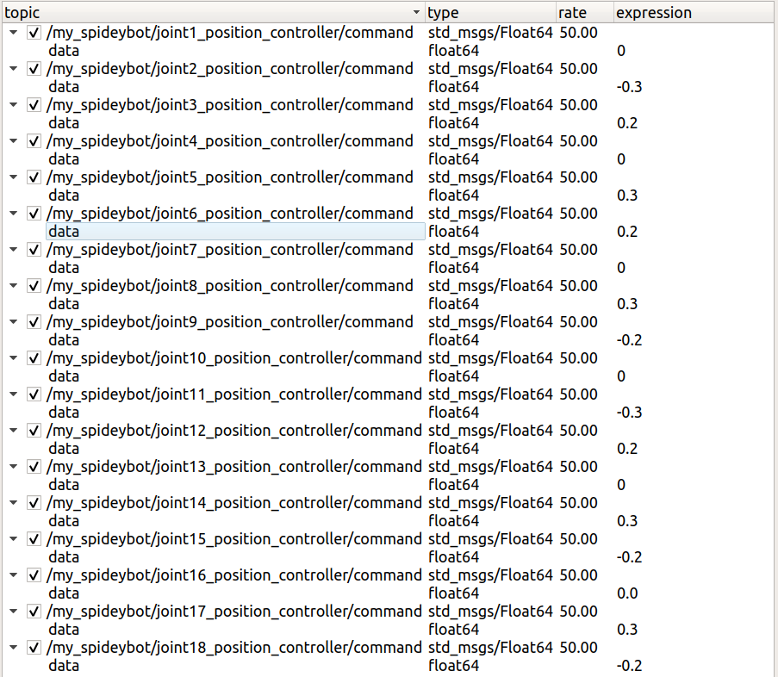
 | right | left
leg1_hip | + | -
leg2_hip | + | -
leg3_hip | + | -
leg4_hip | + | -
leg5_hip | + | -
leg6_hip | + | -

