TB6612FNG
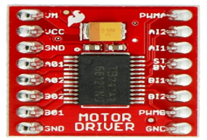
Driver 1
VM | 5V
VCC | 3.3V
GND | GND
A01 | Slider 5 +
A02 | Slider 5 -
B02 | Slider 4 -
B01 | Slider 4 +
GND | GND
PWMA
AI2
AI1
STBY
BI1
BI2
PWMB
GND | GND
Driver 2
VM | 5V
VCC | 3V3
GND | GND
A01 | Slider 3 +
A02 | Slider 3 -
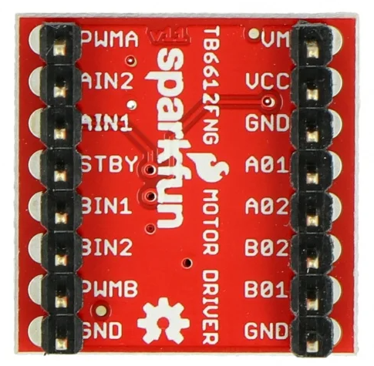
B02 | Slider 2 -
B01 | Slider 2 +
GND | GND
PWMA
AI2
AI1
STBY
BI1
BI2
PWMB
GND | GND
Driver 3
VM | 5V
VCC | 3V3
GND | GND
A01 | Slider 1+
A02 | Slider 1 -
B02 | x
B01 | x
GND | GND
PWMA
AI2
AI1
STBY
BI1 | x
BI2 | x
PWMB | x
GND | 0

PCA9548a
3.3V | VIN | SC7 | X
GND | GND | SD7 | X
 | SDA | SC6 | X
 | SCL | SD6 | X
3v3 | RST | SC5 | X
GND | A0 | SD5 | X
GND | A1 | SC4 | OLED5
GND | A2 | SD4 | OLED5
OLED1 | SD0 | SC3 | OLED4
OLED1 | SC0 | SD3 | OLED4
OLED2 | SD1 | SC2 | OLED3
OLED2 | SC1 | SD2 | OLED3
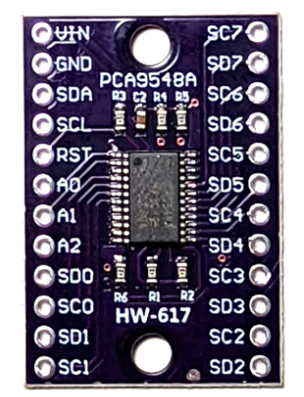

 | Connect RESET to 3.3V through a 10k pull-up resistor and a small capacitor (e.g., 0.1 µF) from RESET to GND.

