esp32 (v2)
ESP Pin |  | Pinout / Connections
3V3 |  | 3.3V Output
3V3_EN |  | 3.3V Enable (not used)
EXIO1 |  | Rotary Encoder - SW
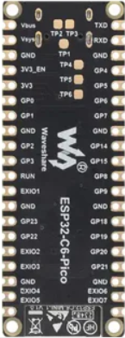
EXIO2 |  | TB6612 [ 2] - BIN1 (Slider 2 +)
EXIO3 |  | TB6612 [ 2] - BIN2 (Slider 2 -)
EXIO4 |  | TB6612 [3] - AIN1 (Slider 1 +)
EXIO5 |  | TB6612 [3] - AIN2 (Slider 1 -)
EXIO6 |  | TB6612 [2] - AIN1 (Slider 3 +)
EXIO7 |  | TB6612 Standby (Shared pin)
GND |  | Ground
GND |  | Ground
GND |  | Ground
GND |  | Ground
GND |  | Ground
GND |  | Ground
GND |  | Ground
GND |  | Ground
GPIO0 | adc | Slider Pot 1
GPIO1 | adc | Slider Pot 2
GPIO14 |  | TB6612 [ 1] - PWMA
GPIO15 | strap | TB6612 [2] - AIN2 (Slider 3 -)
GPIO16 (TXD) |  | TB6612 [2] - PWMA
GPIO17 (RXD) |  | TB6612 [2] - PWMB
GPIO18 |  | Rotary Encoder - CLK
GPIO19 |  | Rotary Encoder - DT
GPIO2 | adc | Slider Pot 3
GPIO20 |  | PCA9548A - SDA
GPIO21 |  | PCA9548A - SCL
GPIO22 |  | TB6612 [3] - PWMA
GPIO23 |  | TB6612 [ 1] - PWMB
GPIO3 | adc | Slider Pot 4
GPIO4 |  | TB6612 [ 1] - BIN1 (Slider 4 +)
GPIO5 | adc | Button Ladder
GPIO6 | adc | Slider Pot 5
GPIO7 |  | TB6612 [ 1] - BIN2 (Slider 4 -)
GPIO8 | strap | TB6612 [ 1 ]- AIN1 (Slider 5 +)
GPIO9 | strap | TB6612 [ 1] - AIN2 (Slider 5 -)
RUN |  | -
Vbus |  | USB 5V Input
Vsys |  | System Power (5v input)

TB6612FNG
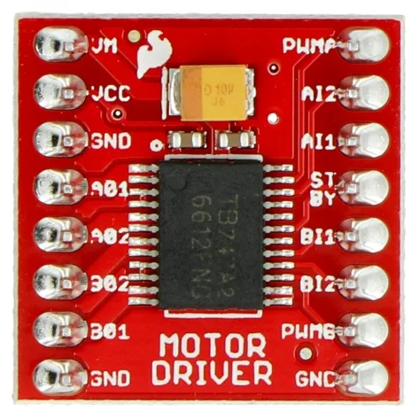

5V | VM | 1 | PWMA | GPIO14
3.3V | VCC |  | AI2 | GPIO17 (RXD)
GND | GND |  | AI1 | GPIO16 (TXD)
Slider 5 + | A01 |  | STBY | EXIO07
Slider 5 - | A02 |  | BI1 | GPIO4
Slider 4 - | B02 |  | BI2 | GPIO7
Slider 4 + | B01 |  | PWMB | GPIO15
GND | GND |  | GND | GND

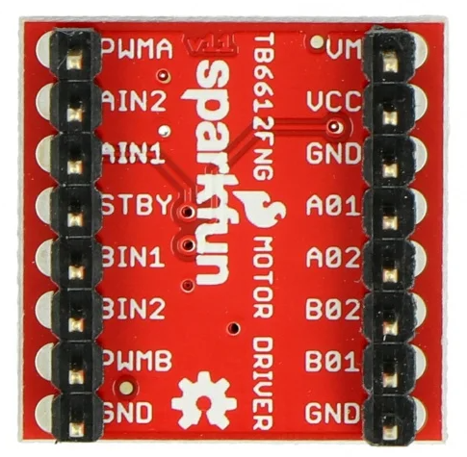
5V | VM | 2 | PWMA | GPIO8
3V3 | VCC |  | AI2 | GPIO23
GND | GND |  | AI1 | EXIO6
Slider 3 + | A01 |  | STBY | EXIO7
Slider 3 - | A02 |  | BI1 | EXIO2
Slider 2 - | B02 |  | BI2 | EXIO3
Slider 2 + | B01 |  | PWMB | GPIO9
GND | GND |  | GND | GND

5V | VM | 3 | PWMA | GPIO22
3V3 | VCC |  | AI2 | EXIO5
GND | GND |  | AI1 | EXIO4
Slider 1+ | A01 |  | STBY | EXIO7
Slider 1 - | A02 |  | BI1 | x
x | B02 |  | BI2 | x
x | B01 |  | PWMB | x
GND | GND |  | GND | GND

pca9548a
3.3V | VIN | SC7 | X
GND | GND | SD7 | X
GPIO20 | SDA | SC6 | X
GPIO21 | SCL | SD6 | X
3v3 | RST | SC5 | X
GND | A0 | SD5 | X
GND | A1 | SC4 | OLED5
GND | A2 | SD4 | OLED5
OLED1 | SD0 | SC3 | OLED4
OLED1 | SC0 | SD3 | OLED4
OLED2 | SD1 | SC2 | OLED3
OLED2 | SC1 | SD2 | OLED3
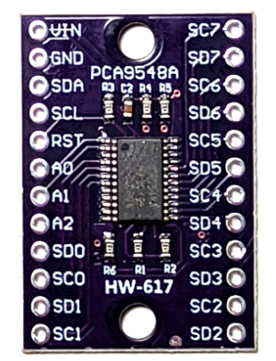

 | Connect RESET to 3.3V through a 10k pull-up resistor and a small capacitor (e.g., 0.1 µF) from RESET to GND.

WAVESHARE ESP32 C6 Pico PINOUT
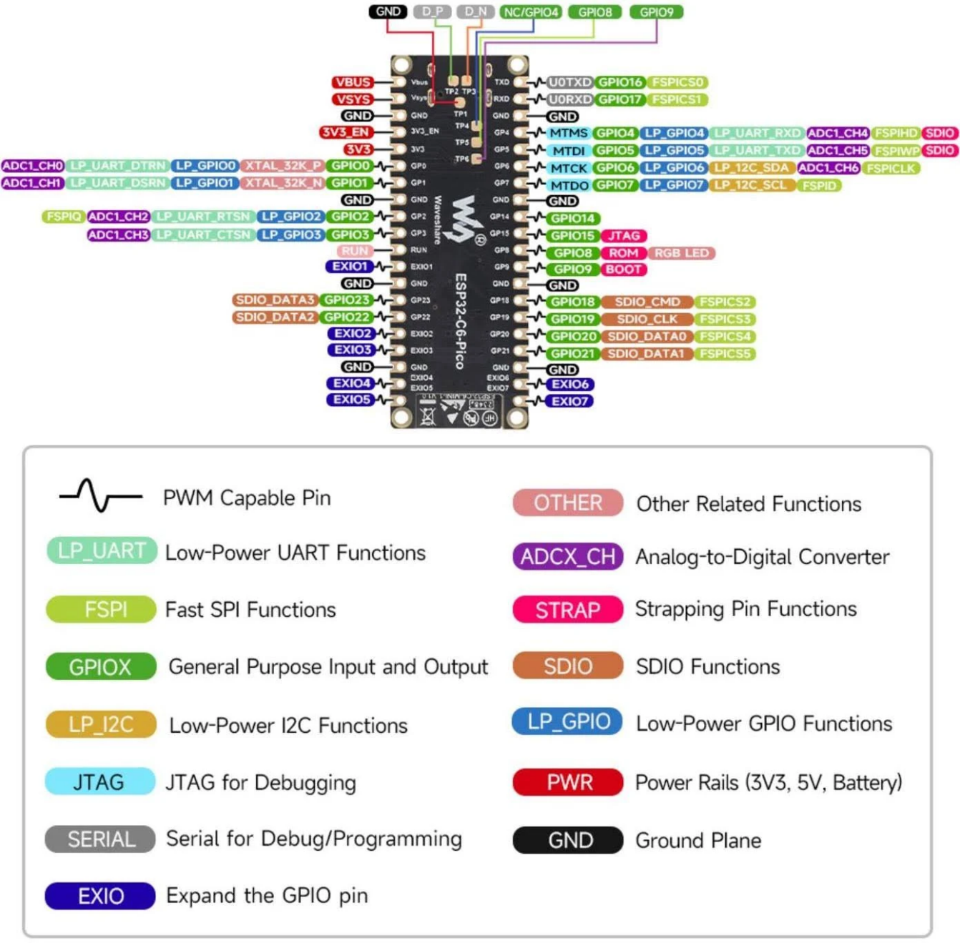
WAVESHARE ESP32 CD PICO
PIN | PWM | BUILT-IN | ADC | UART | STRAPPING
Vbus
Vsys
GND
3V3_EN
3V3
GPIO0 | PWM |  | ADC1_CH0 |  |  | slider pot 1
GPIO1 | PWM |  | ADC1_CH1 |  |  | slider pot 2
GND
GPIO2 | PWM |  | ADC1_CH2 |  |  | slider pot 3
GPIO3 | PWM |  | ADC1_CH3 |  |  | slider pot 4
RUN
EXIO1 | PWM
GND
GPIO23 | PWM
GPIO22 | PWM
EXIO2 | PWM
EXIO3 | PWM
GND
EXIO4 | PWM
EXIO5 | PWM
GPIO16 (TXD) | PWM |  |  | U0TXD
GPIO17 (RXD) | PWM |  |  | U0RXD
GND
GPIO4 | PWM |  | ADC1_CH4 |  | SDIO
GPIO5 | PWM |  | ADC1_CH5 |  | SDIO | button ladder
GPIO6 | PWM |  | ADC1_CH6 |  |  | slider pot 5
GPIO7 | PWM
GND
GPIO14 | PWM
GPIO15 | PWM |  |  |  | JTAG
GPIO8 | PWM | RGB LED |  |  | ROM
GPIO9 | PWM |  |  |  | BOOT
GND
GPIO18 | PWM
GPIO19 | PWM
GPIO20 | PWM
GPIO21 | PWM
GND
EXIO6 | PWM
EXIO7 | PWM

