TB6612FNG
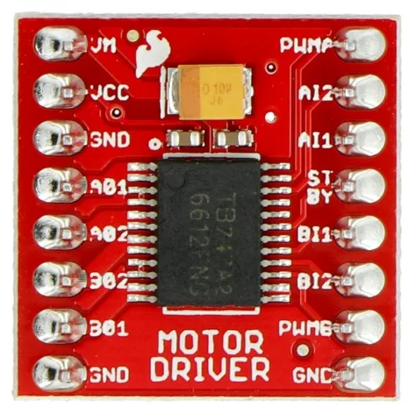
Driver 1
VM | 5V
VCC | 3.3V
GND | GND
A01 | Slider 5 +
A02 | Slider 5 -
B02 | Slider 4 -
B01 | Slider 4 +
GND | GND
PWMA | GPIO14
AI2 | GPIO15
AI1 | GPIO8
STBY | EXIO07
BI1 | GPIO4
BI2 | GPIO7
PWMB | GPIO17 (RXD)
GND | GND
Driver 2
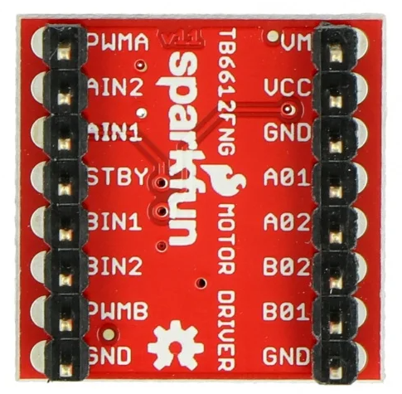
VM | 5V
VCC | 3V3
GND | GND
A01 | Slider 3 +
A02 | Slider 3 -
B02 | Slider 2 -
B01 | Slider 2 +
GND | GND
PWMA | GPIO16 (TXD)
AI2 | GPIO9
AI1 | EXIO6
STBY | EXIO7
BI1 | EXIO2
BI2 | EXIO3
PWMB | GPIO17 (RXD)
GND | GND
Driver 3
PWMA | GPIO22
AI2 | EXIO5
AI1 | EXIO4
STBY | EXIO7
BI1 | x
BI2 | x
PWMB | x
GND | GND
VM | 5V
VCC | 3V3
GND | GND
A01 | Slider 1+
A02 | Slider 1 -
B02 | x
B01 | x
GND | GND

pca9548a
3.3V | VIN | SC7 | X
GND | GND | SD7 | X
GPIO20 | SDA | SC6 | X
GPIO21 | SCL | SD6 | X
3v3 | RST | SC5 | X
GND | A0 | SD5 | X
GND | A1 | SC4 | OLED5
GND | A2 | SD4 | OLED5
OLED1 | SD0 | SC3 | OLED4
OLED1 | SC0 | SD3 | OLED4
OLED2 | SD1 | SC2 | OLED3
OLED2 | SC1 | SD2 | OLED3
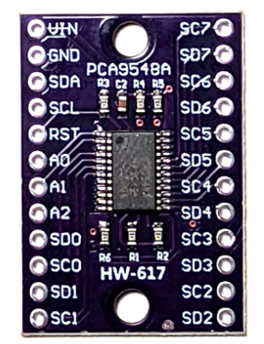

 | Connect RESET to 3.3V through a 10k pull-up resistor and a small capacitor (e.g., 0.1 µF) from RESET to GND.

KY-040
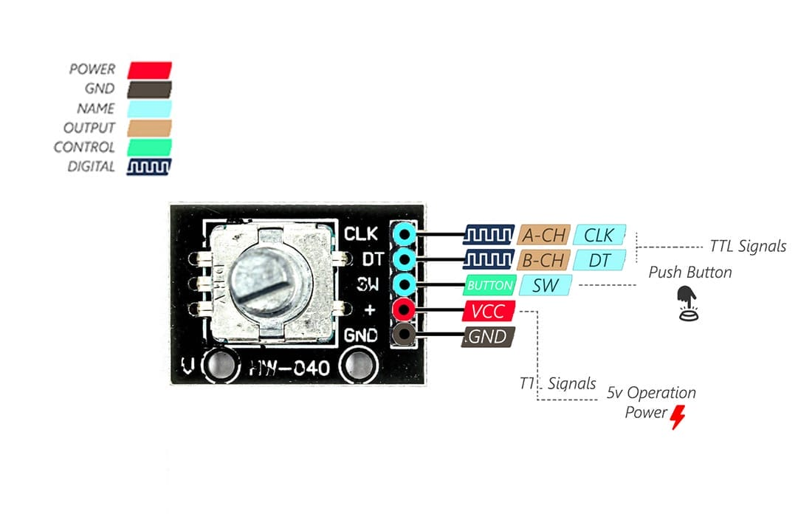
KY-040 Pin | ESP32 Pin
CLK | GPIO18
DT | GPIO19
SW | Rotary Encoder - SW
VCC+ | 3V3 (Main 3V3 rail, not mcu)
GND | GND (Common GND)

