Sheet1
Training Program
Weeks | Target Training | Requirements | Example
1 | Getting Started Multi-threading Data Table User Control | Write a small application that has: - View Files and Folders in a disk, can navigate between folders, the path must reflect current folder location. - Files and Folders must display corresponding icon before their name (Folders have folder icon, files have file icon) - A delete button to delete selected file(s) - User can manually enter the path to navigate to a specific folder - All the above controls must be in a UserControl, so that we can have a side by side file explorer that look identical, please see the second image. - We can select files or folders in the first panel to move, copy to the second panel (reflecting the selected path) - During the copy/move operation, it should not freeze the UI and should show the progress bar instead for large files.
2 |  |  | 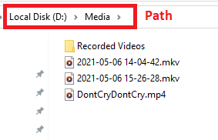

3 | ASP.NET Core File API Http Requests | Write a back-end server application that can: - View files, folders, create folders and upload files to that server. - Navigate between server storage folders. - A delete API to delete requested files. - A download API to download requested files (can be more than one, or a folder) - A copy API to copy requested files to a requested path. - A move API to move requested files to a requested path. - Write a Unit Test to test all the above services.
4

5 | Http Requests | Integrate the WinForms App with the Back-end Web API with the user choice. - A user can either select the mode to use Local Storage or Cloud Storage as they wish when opening the application. - Local Storage should behave like before change - Cloud Storage will allow user to navigate between relative path, delete, move, copy files and folders - User can re-select the mode by restarting the application. - User can download the selected file from Cloud Storage to a selected folder in Local Storage. The progress should not freeze the UI and should show a progress bar during the work.
6

