DEV
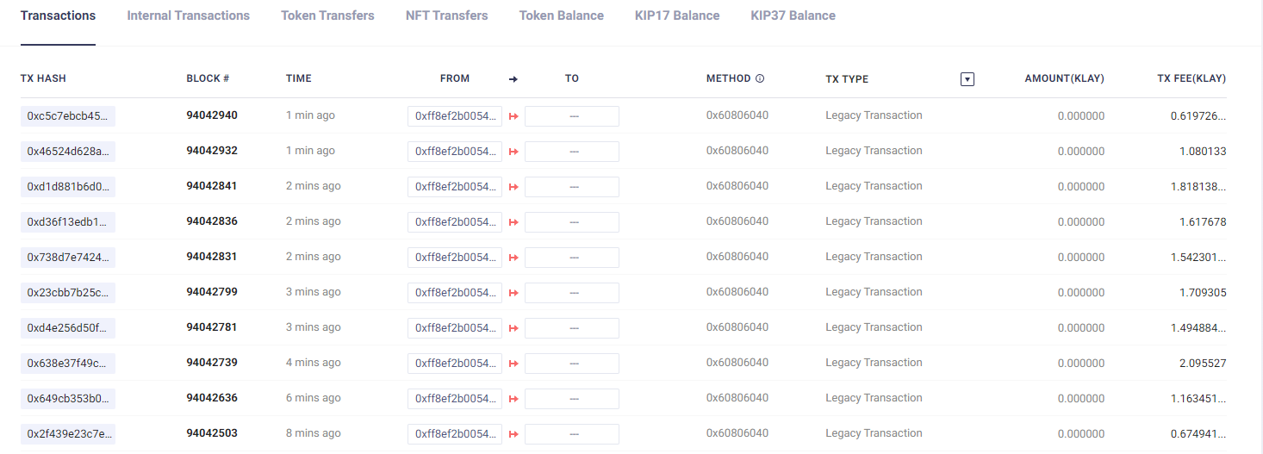
 |  |  |  |  |  | Gtoken |  |  |  | swap pool 1 | swap pool 2
 |  |  |  |  |  | block Number | staking | token 1 | token 2 | staking holder/LPT | staking holder/LPT
Account 1 |  | address |  |  | 0x373d6f42f8Fb276BEA08942BD27a8848A48962c4
 |  | prv key |  |  | 0xeb0aff4170a349ceda6549af42d91b56f9365428189d2f193b308f349eb46d07
Account 2 |  | address |  |  | 0xFf8EF2b0054Edf1A722186CE62BBE4323951e99B |  |  |  |  | 0/10 | 0/10
 |  | prv key |  |  | 0x69908c50c12b5e7aa84fe245a107431ea666ceb650b31a55c28e9bf2987d74c3

token 0 | WC | SS |  |  | 0x658a3a6065E16FE42D8a51CC00b0870e850909F5
 |  |  |  |  | 0x0000000000000000000000000000000000000000
token 1 | Gtoken | S | 150,000,000 |  | 0x4854C80744b3Ad9B9f4167C76b9bC4585E909C20 |  | 0xB41b8B11FE07355fb60abCBeD548FD162033e5Ce
token 2 | DEV-02 | A(3) | 10,000,000 |  | 0x21CB1A627380BAdAeF180e1346479d242aca90D3
token 3 | DEV-03 | C | 10,000,000 |  | 0x950a8536720a9571EE73689a26Ed6A4a8fC94A3e

pool | token | tokne | seed | ssed | address
pool 1 | DEV-02 | DEV-03 | 1,000 | 2,000 | 0xD2D261139D9fC755f803Aab3532EF428E9Db692E
 | Staking Holder
 | LPT
pool 2 | WC | DEV-03 | 10 | 100 | 0xf3B99D33C962AbeEFc1F590e214279b601Fdecea
 | Staking Holder
 | LPT
pool 3 | WC | klay | 1 | 1 | 0x7e545d567ABD995242a2415e9522e9d7CC986E60
 | Staking Holder
 | LPT

contracts
1 | CObjects |  |  |  | 0xC2FDEa5647C0bf3F19a049Fb95f4A58BfdFf044D | 95,153,503
2 | CTeamVault |  |  |  | 0x632CFFf2560603D46EeD6D1cbEFF3fc2Fa8aACc8
3 | CGovernanceBuilder |  |  |  | 0x9486ABA421Bc536879AFAAF59A5DB7396e770c9b
4 | Cmine |  |  |  | 0xe3192C39B9D84dd2B7d86086F929Aa6C0FC5272f
5 | CStakableGToken |  |  |  | 0xf72a31485909e40981C04735B1B5263792A53C01
6 | CDAOBuilder |  |  |  | 0xaA269639760777bAb97aDE13d3C93838b8c80b52
7 | CDAO |  |  |  | 0x24a7A09829662B7b421D41d6d3B68278348F37AD
8 | CManagerBuilder |  |  |  | 0x1e375a0bE168E9742Ba159C8c8434cA566A211d7
9 | CSwapPoolManager |  |  |  | 0x5Af53277aebC91ceC681414394eA711aB6c82Acc
10 | CTokenManager |  |  |  | 0x8E3E9359c6411928D2Ce4cE9e3A5C535632f7458
11 | CLPTFactory |  |  |  | 0x14749E35A178FD0b082a6969049394C5E893B779
12 | CLPTStakingHolderFactory |  |  |  | 0xbc91aea8c8D5234AE195c4220B705b290465A4a8
13 | CSwapPoolFactory |  |  |  | 0x0c59304143A49a93cf41e122eBaACC3be413Eb1a
14 | Crarity |  |  |  | 0x6cb68a46D0cB5C2566df156df0466BCd56191B03
15 | CSwapHelper |  |  |  | 0x4D30E0d51Ead3b912a0bE17947d2d86Ec83C7fb7
16 | CDAOHelper |  |  |  | 0x68AE9B653fA355364ca805549F81E4f65352aAb0

 | 1klay |  |  |  | 1000000000000000000

 | num | 내용 |  |  | functions
 | 1 |  |  |  | CTeamVault에서 Governance token 인출( pool 생성 수수료 등등에 사용)
 | 2 |  |  |  | Governace token staking
 | 3 |  |  |  | CManagerBuilder에서 Token 등급 등록
 | 4 |  |  |  | CGovernanceBuilder에서 invokeStartMining 호출
 | 5 |  |  |  | Governance token approve to CSwapPoolFactory
 | 6 |  |  |  | Swap Pool 생성
 | 7 |  |  |  | token approve to Swap Pool
 | 8 |  |  |  | LPT Staking

