DEV
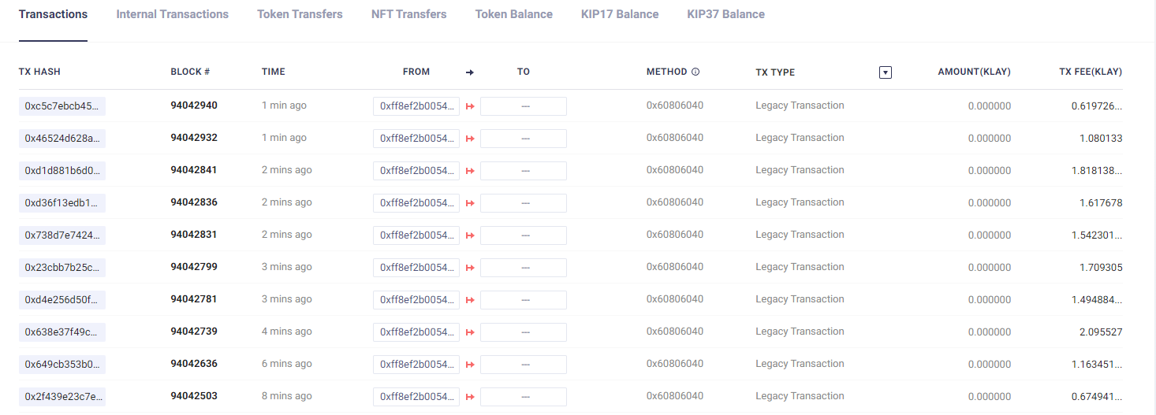
 |  |  |  |  |  | Gtoken |  |  |  | swap pool 1 | swap pool 2
 |  |  |  |  |  | Gtoken | staking | token 1 | token 2 | staking holder/LPT | staking holder/LPT
Account 1 |  | address |  |  | 0x373d6f42f8Fb276BEA08942BD27a8848A48962c4
 |  | prv key |  |  | 0xeb0aff4170a349ceda6549af42d91b56f9365428189d2f193b308f349eb46d07
Account 2 |  | address |  |  | 0xFf8EF2b0054Edf1A722186CE62BBE4323951e99B | 1,000 |  |  |  | 0/10 | 0/10
 |  | prv key |  |  | 0x69908c50c12b5e7aa84fe245a107431ea666ceb650b31a55c28e9bf2987d74c3

token 0 | WC | SS |  |  | 0x658a3a6065E16FE42D8a51CC00b0870e850909F5
 |  |  |  |  | 0x0000000000000000000000000000000000000000
token 1 | Gtoken | S | 150,000,000 |  | 0xfe8c5F82DD2D74e344f94a19Be0bf1BBb59DDFdb |  | 0xB41b8B11FE07355fb60abCBeD548FD162033e5Ce
token 2 | DEV-02 | A(3) | 10,000,000 |  | 0x21CB1A627380BAdAeF180e1346479d242aca90D3
token 3 | DEV-03 | C | 10,000,000 |  | 0x950a8536720a9571EE73689a26Ed6A4a8fC94A3e

pool | token | tokne | seed | ssed | address
pool 1 | DEV-02 | DEV-03 | 1,000 | 2,000 | 0x6a72Ffb94a5E24529fa27107297CcdccF7C95E8B
 | Staking Holder |  |  |  | 0x6ee6bE58DBa446dDdb75B2d979cEd3c3d6196196
 | LPT |  |  |  | 0x74483151DDF9147320C2649397F3844fB0147D44
pool 2 | WC | DEV-03 | 10 | 100 | 0xAf5aF245145F0E9b34AF8A589A5b955021fD89Bd
 | Staking Holder |  |  |  | 0x010b243a9380bc47AaD55de24281005f3A0beF3f
 | LPT |  |  |  | 0x20d47bf40e245c97253Cdee84Dc3eAD89337De9A
pool 3 | WC | klay | 1 | 1 | 0x2BEa7c33B8636a761be888E55037AFd2ee0c43c5
 | Staking Holder |  |  |  | 0x5f0D7D2E1b65AAb0C82F3c02EA82017a9b3082EE
 | LPT |  |  |  | 0x356Afa76EaF39C0b47799Ef5791eb3C46E3CC3af

contracts
1 | CObjects |  |  |  | 0xF85A1C44Cb3A3C0834C0A932dC6b5C68472A74fF |  | 0x78F90f6C27a4CD22d08166b32D633A9E374B7F08
2 | CTeamVault |  |  |  | 0xE9faC83f6358868cc0fD68e1E94A85dE75dB6432
3 | CGovernanceBuilder |  |  |  | 0x2f0Fc42f324e52346b244Fe2901fCEac9B69eF42
4 | Cmine |  |  |  | 0x8b465A848E597Dc148463C510ad8d011766E9095
5 | CStakableGToken |  |  |  | 0xfe8c5F82DD2D74e344f94a19Be0bf1BBb59DDFdb
6 | CDAOBuilder |  |  |  | 0xD5198Caf77835a4d5c0c2c0254b2B3acFcE0e3d2
7 | CDAO |  |  |  | 0xEDE37bBd5a21d764BAa292664BFE7fE22C48Fd8e
8 | CManagerBuilder |  |  |  | 0x9d13697c50Fa15cdf50f4A51936dA127BFca24A3
9 | CSwapPoolManager |  |  |  | 0xbAa0951c51f93350771c0DD48c5D49ae5BEe8cA2
10 | CTokenManager |  |  |  | 0x42e8F7474996dA449639cb5c4125732c0a992E7a
11 | CLPTFactory |  |  |  | 0x51e52190AcCE7F6784f0bFF04a053B8fFBB33739
12 | CLPTStakingHolderFactory |  |  |  | 0x6B5D58dA23789aA9C0cf0942D1db15da1e493044
13 | CSwapPoolFactory |  |  |  | 0x125e64F6594Ff13479B0d9525B9dd2FF6098552c
14 | Crarity |  |  |  | 0x886766B62b5E31b4337CAAdD036f6653095C6De9
15 | CSwapHelper |  |  |  | 0xc0D9a54cF6b54361Ac045cD849E8Da784a68E5f8
16 | CDAOHelper |  |  |  | 0x68AE9B653fA355364ca805549F81E4f65352aAb0

 | 1klay |  |  |  | 1000000000000000000

 | num | 내용 |  |  | functions
 | 1 |  |  |  | CTeamVault에서 Governance token 인출( pool 생성 수수료 등등에 사용)
 | 2 |  |  |  | Governace token staking
 | 3 |  |  |  | CManagerBuilder에서 Token 등급 등록
 | 4 |  |  |  | CGovernanceBuilder에서 invokeStartMining 호출
 | 5 |  |  |  | Governance token approve to CSwapPoolFactory
 | 6 |  |  |  | Swap Pool 생성
 | 7 |  |  |  | token approve to Swap Pool
 | 8 |  |  |  | LPT Staking

