DEV
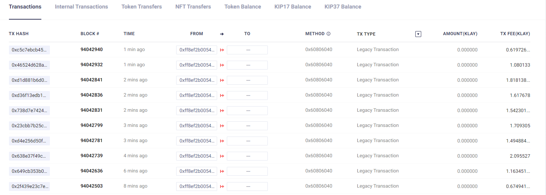
 |  |  |  |  |  | Gtoken |  |  |  | swap pool 1 | swap pool 2
 |  |  |  |  |  | block Number | staking | token 1 | token 2 | staking holder/LPT | staking holder/LPT
Account 1 |  | address |  |  | 0x373d6f42f8Fb276BEA08942BD27a8848A48962c4
 |  | prv key |  |  | 0xeb0aff4170a349ceda6549af42d91b56f9365428189d2f193b308f349eb46d07
Account 2 |  | address |  |  | 0xFf8EF2b0054Edf1A722186CE62BBE4323951e99B |  |  |  |  | 0/10 | 0/10
 |  | prv key |  |  | 0x69908c50c12b5e7aa84fe245a107431ea666ceb650b31a55c28e9bf2987d74c3

token 0 | WC | SS |  |  | 0xEA07332b483acF42aa56bC1bFbA95E4a3Bd48c03
 |  |  |  |  | 0x0000000000000000000000000000000000000000
token 1 | Gtoken | S | 150,000,000 |  | 0x4854C80744b3Ad9B9f4167C76b9bC4585E909C20 |  | 0xB41b8B11FE07355fb60abCBeD548FD162033e5Ce
token 2 | DEV-02 | A(3) | 10,000,000 |  | 0x21CB1A627380BAdAeF180e1346479d242aca90D3
token 3 | DEV-03 | C | 10,000,000 |  | 0x950a8536720a9571EE73689a26Ed6A4a8fC94A3e

pool | token | tokne | seed | ssed | address
pool 1 | DEV-02 | DEV-03 | 1,000 | 2,000 | 0x43C3C31ddFaE29c845d0866158cD65715a2d84bA | 95,426,241
 | Staking Holder |  |  |  |  | 95,425,568
 | LPT
pool 2 | WC | DEV-02 | 10 | 100 | 0xBD7db80DebD86810FC07A6364C97D2536e115F2D | 95,426,269
 | Staking Holder
 | LPT
pool 3 | WC | klay | 5 | 1 | 0xFd5d5908cE97E135179dc365a3659A3839c7101D | 95,426,288
 | Staking Holder
 | LPT

contracts
1 | CObjects |  |  |  | 0x896aCc84F8215b43a4AEA1FA2BecFd2cea589DA1 | 95,425,355
2 | CTeamVault |  |  |  | 0xaC062cC76FE249B0E0B6a942486FB0FC919c30D7 | 95,425,396
3 | CGovernanceBuilder |  |  |  | 0x18f2e5739235FDf033b5094245382aC915E1c36C | 95,425,480
4 | Cmine |  |  |  | 0x8171f84f20184788770983c5c94Fb431be19CF0b
5 | CStakableGToken |  |  |  | 0x69b81B5F03E6Db66e4D8a4Fc9126542660157D12
6 | CDAOBuilder |  |  |  | 0xf22cBc43838F60B3285D8e9a2724964343217752
7 | CDAO |  |  |  | 0x745699B50cE70AfC2DD80aC3525271F6fAdFAeff
8 | CManagerBuilder |  |  |  | 0xbB0d8B827423Ea180b620823509081A907dEe544 | 95,425,568
9 | CSwapPoolManager |  |  |  | 0x37c7B97F40Fc190e29645237842daa3d1C9EeF8d
10 | CTokenManager |  |  |  | 0x6a8Ba3365271508171F38de33bD4087eBE55ce9E
11 | CLPTFactory |  |  |  | 0xe8946E7A8A3741b2D48568c497ccf55795886EF8 | 95,425,672
12 | CLPTStakingHolderFactory |  |  |  | 0x7Db91A84Ab6319a1D94F87c97Bbdab50db6615dd | 95,425,735
13 | CSwapPoolFactory |  |  |  | 0x3832a5C445c6fb5793D5287D720cc5AF88C63cD9 | 95,425,760
14 | Crarity |  |  |  | 0xb672F7EaD30a9A02DA5D198Ae6508e753D21473d
15 | CSwapHelper |  |  |  | 0x38799a6c39B77cA13562B77A222F488f05EE924d | 95,425,813
16 | CDAOHelper |  |  |  | 0x68AE9B653fA355364ca805549F81E4f65352aAb0

 | 1klay |  |  |  | 1000000000000000000

 | num | 내용 |  |  | functions
 | 1 |  |  |  | CTeamVault에서 Governance token 인출( pool 생성 수수료 등등에 사용)
 | 2 |  |  |  | Governace token staking
 | 3 |  |  |  | CManagerBuilder에서 Token 등급 등록
 | 4 |  |  |  | CGovernanceBuilder에서 invokeStartMining 호출
 | 5 |  |  |  | Governance token approve to CSwapPoolFactory
 | 6 |  |  |  | Swap Pool 생성
 | 7 |  |  |  | token approve to Swap Pool
 | 8 |  |  |  | LPT Staking

