ORDER
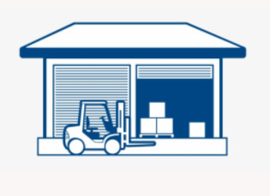 | 2HAT Warehouses Management System |  |  | Doc No. | SP-17-08-2022
 |  |  |  | Rev No. | 02
 | Supplier List |  |  | Rev Date. | 2022-03-07
 |  |  |  | Page No. | 1 of 1
Movement Date: 10-09-2022
Send to: Warehouse and invoicing staff
Details of product names are as follows:
No | Supplier Name | Address | E-mail | City | Tax Code
1
2
3
4
5
6
7
8
9
10
11
12
13
14
15
16

 | Request By |  | Created By | Warehouse representative

 |  |  |  | 3

