Sheet1
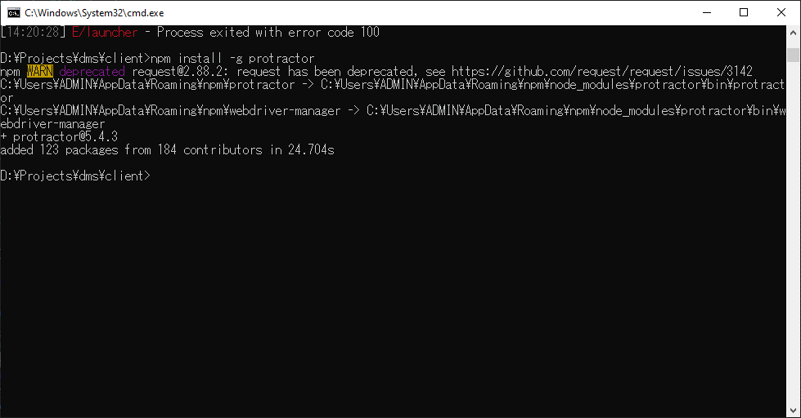
npm install -g protractor

