Site 1_410730
Outlet ID: | 410730 | SILO ID: | 70317
Juradiction: | ACT | Juradiction: | NSW
Area: | 130 km2 | Elevation: | 962
Lat: | -35.59 | Lat: | -35.537
Long: | 148.82 | Long: | 148.838
Record: | 05/07/1963 - 28/02/2019

 |  | SSE.SetSeed | Average SSE of 100 replicates
 | Baseline | 2374.2292 | 4854.5852
 | with occurrence parameter only | 243.6298 | 1711.7556
 | with amount parameters only (and optimised occurrence parameters) | 234.1466 | 1607.0691
 | All parameter | 77.96991 | 2750.512

Optimising ocurence parameters only
occurrence only | set.seed SSE | Iterations | time (s) |  | Baseline | PDW | PWW | alpha | beta | All parameters - trial 08 | PDW | PWW | alpha | beta
trial 1 | 354.9671 | 14 | 1815.162 |  |  | 0.24168126095 | 0.53456998314 | 0.37931377859 | 0.045872878146 |  | 0.24281535469 | 0.53325985052 | 0.40824169531 | 0.061420815696
trial 2 | 354.0064 | 10 | 1543.285 |  |  | 0.22709163347 | 0.60311958406 | 0.3626170611 | 0.053681764228 |  | 0.22770702117 | 0.60256606187 | 0.39265060622 | 0.063188097283
trial 3 | 352.5916 | 11 | 1329.685 |  |  | 0.20782608696 | 0.56678700361 | 0.25301044237 | 0.03419727361 |  | 0.20785623774 | 0.56679160253 | 0.23331007299 | 0.061255094262
trial 4 | 351.3746 | 12 | 1825.407 |  |  | 0.2076852699 | 0.59352517986 | 0.30863162569 | 0.042982326668 |  | 0.20657197432 | 0.59166397945 | 0.33389346008 | 0.032088769938
trial 5 | 349.5103 | 10 | 1507.505 |  |  | 0.26035502959 | 0.61739130435 | 0.34381481385 | 0.059210456677 |  | 0.26147096995 | 0.61742869752 | 0.36422287249 | 0.055542939586
trial 6 | 349.2191 | 10 | 1288.292 |  |  | 0.3135391924 | 0.67286245353 | 0.37169872104 | 0.063839423232 |  | 0.31385655016 | 0.67351014676 | 0.38477223684 | 0.05604829323
trial 7 | 278.5722 | 15 | 2177.873 |  |  | 0.34696406444 | 0.69805194805 | 0.31474906698 | 0.050543007649 |  | 0.34663647214 | 0.69602736561 | 0.32076259017 | 0.04965265735
trial 8 | 263.6926 | 14 | 2067.934 |  |  | 0.35272277228 | 0.6925566343 | 0.43065860751 | 0.06378091091 |  | 0.35022641404 | 0.69261371258 | 0.45344004612 | 0.06018078323
trial 9 | 257.4966 | 9 | 1173.951 |  |  | 0.34189031505 | 0.64355231144 | 0.48803436337 | 0.067854780313 |  | 0.34127643219 | 0.64059196027 | 0.50114026609 | 0.077706160363
trial 10 | 257.124 | 8 | 994.1867 |  |  | 0.29009193054 | 0.62301587302 | 0.48943238561 | 0.065917993928 |  | 0.29131824789 | 0.62045221441 | 0.5034627432 | 0.10287354777
trial 11 | 254.3227 | 11 | 1263.023 |  |  | 0.29184549356 | 0.6358768407 | 0.51578566363 | 0.072744489855 |  | 0.29296704913 | 0.63593131593 | 0.53712509265 | 0.079403280861
trial 12 | 245.437 | 12 | 1473.625 |  |  | 0.26524953789 | 0.56202143951 | 0.38876075513 | 0.054817605022 |  | 0.26784852857 | 0.56349167075 | 0.40411384759 | 0.07727035519
trial 13 | 244.5725 | 13 | 2025.889
trial 14 | 244.1312 | 10 | 1619.303 |  | Occurrence only - trial 19 | PDW | PWW | alpha | beta | Amount only with optimised occurrence - trial 10 | PDW | PWW | alpha | beta
Optimising amount parameters only (with optimised occurence parameters)
trial 15 | 243.6298 | 9 | 1146.146 |  |  | 0.132010832 | 0.43829205924 | 0.37931377859 | 0.045872878146 |  | 0.132010832 | 0.43829205924 | 0.3831851725 | 0.044849062502
trial 16 | 243.6298 | 6 | 986.2813 |  |  | 0.62926703108 | 0.39492163194 | 0.3626170611 | 0.053681764228 |  | 0.62926703108 | 0.39492163194 | 0.36301316159 | 0.052585054692
trial 17 | 243.6298 | 6 | 987.8146 |  |  | 0.18298639086 | 0.870882072 | 0.25301044237 | 0.03419727361 |  | 0.18298639086 | 0.870882072 | 0.2519989738 | 0.033840258593
trial 18 | 243.6298 | 6 | 987.7216 |  |  | 0.24938685687 | 0.29740313542 | 0.30863162569 | 0.042982326668 |  | 0.24938685687 | 0.29740313542 | 0.3086449542 | 0.043509566409
trial 19 | 243.6298 | 6 | 993.1152 |  |  | 0.79922256284 | 0.055932533419 | 0.34381481385 | 0.059210456677 |  | 0.79922256284 | 0.055932533419 | 0.34462635646 | 0.059723047808
 |  | Total | 27206.1994 |  |  | 0.53752346644 | 0.47113270964 | 0.37169872104 | 0.063839423232 |  | 0.53752346644 | 0.47113270964 | 0.3716874603 | 0.06088637736
amount only | set.seed SSE | Iterations | time (s) |  |  | 0.34931168231 | 0.43801298451 | 0.31474906698 | 0.050543007649 |  | 0.34931168231 | 0.43801298451 | 0.31490477339 | 0.05246799005
trial 1 | 235.9324 | 17 | 2788.313 |  |  | 0.10756037512 | 0.22742968627 | 0.43065860751 | 0.06378091091 |  | 0.10756037512 | 0.22742968627 | 0.43095798562 | 0.064520612487
trial2 | 235.2542 | 34 | 5354.376 |  |  | 0.36498075977 | 0.39745220509 | 0.48803436337 | 0.067854780313 |  | 0.36498075977 | 0.39745220509 | 0.4880906957 | 0.068529390364
trial 3 | 235.2499 | 6 | 2056.951 |  |  | 0.58906938258 | 0.3497763554 | 0.48943238561 | 0.065917993928 |  | 0.58906938258 | 0.3497763554 | 0.48922570931 | 0.066835554522
trial 4 | 235.2438 | 9 | 2598.294 |  |  | 0.55962485802 | 0.060110071169 | 0.51578566363 | 0.072744489855 |  | 0.55962485802 | 0.060110071169 | 0.51627818475 | 0.074780814111
trial 5 | 235.2385 | 6 | 1862.563 |  |  | 0.64629375665 | 0.38318917619 | 0.38876075513 | 0.054817605022 |  | 0.64629375665 | 0.38318917619 | 0.38863223719 | 0.055237993935
trial 6 | 234.2723 | 24 | 4145.701
PDW
PWW
trial 7 | 234.2513 | 15 | 3727.182
trial 8 | 234.2214 | 13 | 2138.33
Optimising all parameters at once
trial 9 | 234.1543 | 18 | 3041.925
trial 10 | 234.1466 | 10 | 2488.364
 |  | Total | 30201.999

All parameters | set.seed SSE | Iterations | time (s) | min/iter
trial 1 | 125.3005 | 19 | 18461.3 | 16.2
trial2 | 95.78974 | 14 | 21109.31 | 25.1
trial 3 | 81.90327 | 14 | 13545.45 | 16.1
trial 4 | 81.69838 | 27 | 12554.09 | 7.7
trial 5 | 81.69202 | 8 | 10146.68 | 21.1
trial 6 | 81.68417 | 12 | 9867.723 | 13.7
trial 7 | 78.6864 | 17 | 13429.76 | 13.2
trial 8 | 77.96991 | 19 | 6464.049 | 5.7
Alpha
Beta
 |  | Total (hours) | 29.327322778 | average
 |  |  |  | 14.9

Optimising all parameters at once with WGEN 2.0
All parameters | set.seed SSE | Iterations | time (s) | min/iter
trial 1 | 1347.631 | 17 | 3616.75 | 3.5
trial2 | 1239.013 | 15 | 2918.272 | 3.2
trial 3 | 1131.615 | 11 | 2396.625 | 3.6
trial 4 | 1076.588 | 13 | 2739.782 | 3.5
trial 5 | 1076.099 | 11 | 2102 | 3.2
trial 6 | 425.4949 | 38 | 3844.068 | 1.7
trial 7 | 412.9163 | 21 | 3743.274 | 3.0
trial 8 | 384.4039 | 12 | 3168.778 | 4.4
trial 9 | 381.7979 | 19 | 3770.641 | 3.3
trial 10 | 381.7014 | 11 | 2563.113 | 3.9
trial 11 | 369.6609 | 22 | 3658.383 | 2.8
trial 12 | 366.9047 | 15 | 3278.039 | 3.6
trial 13 | 366.9028 | 6 | 1554.403 | 4.3
trial 14 | 365.7359 | 17 | 3499.928 | 3.4
trial 15 | 365.5666 | 10 | 2476.582 | 4.1
trial 16 | 364.1391 | 15 | 3677.603 | 4.1
trial 17 | 361.1774 | 21 | 3795.725 | 3.0
trial 18 | 359.7806 | 12 | 3170.496 | 4.4
trial 19 | 353.3642 | 17 | 3683.445 | 3.6
trial 20 | 328.8221 | 16 | 2711.471 | 2.8
 |  | Total (hours) | 17.324827222 | Average
 |  |  |  | 3.5

PDW
PWW
All parameters - trial 20 with new code | PDW | PWW | alpha | beta
 | 0.24876353457 | 0.52163003705 | 0.64646630067 | 0.020126088798
 | 0.21998742905 | 0.59064730834 | 0.2815023009 | 0.2471830149
 | 0.20708869718 | 0.567288932 | 0.14707739681 | 0.19397772412
 | 0.20282760809 | 0.58774772932 | 0.26083014191 | 0.22211561352
 | 0.25821864807 | 0.61908888705 | 0.33957360635 | 0.10896758472
 | 0.31357578247 | 0.67128770237 | 0.60211184127 | 0.040976784158
 | 0.33305348334 | 0.68341384062 | 0.44121011534 | 0.11020750112
 | 0.33830389218 | 0.67893625142 | 0.47235056341 | 0.05802572553
 | 0.32122943103 | 0.65233449779 | 0.57819645635 | 0.074423204799
 | 0.2976590793 | 0.63284919541 | 0.52266486822 | 0.23763216074
 | 0.29113640522 | 0.64202807112 | 0.48023682869 | 0.25297020592
 | 0.25230062337 | 0.57313638241 | 0.49197669235 | 0.16891964148

Alpha
Beta

Optimising all parameters at once with WGEN 4.0
All parameters | set.seed SSE | Iterations | time (s) | min/iter
trial 1 | 219.9187 | 37 | 1581.262 | 0.7
trial2 | 201.2222 | 30 | 1556.271 | 0.9
trial 3 | 201.1959 | 14 | 1203.18 | 1.4
trial 4 | 201.1875 | 10 | 1083.055 | 1.8
trial 5 | 199.4412 | 20 | 1035.52 | 0.9
trial 6 | 195.4011 | 26 | 1847.273 | 1.2
trial 7 | 193.3907 | 17 | 783.9482 | 0.8
trial 8 | 193.364 | 11 | 750.2606 | 1.1
trial 9 | 193.3153 | 10 | 797.4065 | 1.3
trial 10 | 193.1554 | 15 | 986.8275 | 1.1
trial 11 | 193.018 | 10 | 889.8817 | 1.5
trial 12 | 192.8124 | 20 | 1008.507 | 0.8
trial 13 | 192.4724 | 25 | 1393.837 | 0.9
trial 14 | 192.4721 | 6 | 479.1699 | 1.3
trial 15 | 192.4718 | 6 | 488.6006 | 1.4
trial 16 | 192.4718 | 6 | 674.454 | 1.9
trial 17 | 192.4697 | 6 | 543.4172 | 1.5
trial 18 | 192.422 | 20 | 1442.276 | 1.2
trial 19 | 191.81 | 18 | 872.8198 | 0.8
trial 20 | 191.7911 | 11 | 725.8782 | 1.1
 |  | Total (hours) | 5.5955125556 | Average
 |  |  |  | 1.2

PDW
PWW
All parameters - trial 20 with new code | PDW | PWW | alpha | beta
 | 0.38368211461 | 0.48903912495 | 0.44847326473 | 2.1482723521
 | 0.20605651219 | 0.49524576069 | 1.815411767 | 0.4770691933
 | 0.22396731802 | 0.65826563213 | 2.9775102986 | 2.1946445976
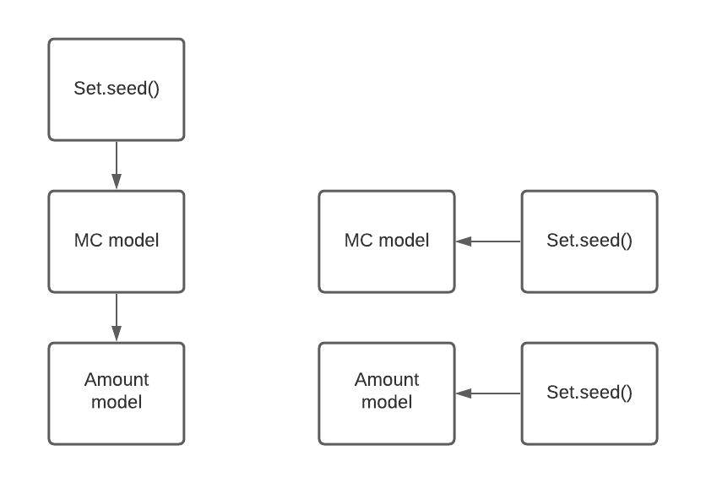
 | 0.16437093783 | 0.54022835109 | 0.7515179198 | 1.6609652656
 | 0.3502409536 | 0.47113656579 | 1.4952255142 | 0.062175403611
 | 0.32638254767 | 0.54314563698 | 2.8945975655 | 0.3353762213
 | 0.46494525928 | 0.61026477948 | 2.0340518334 | 2.3913450354
 | 0.34137738583 | 0.58193769869 | 3.0363374066 | 0.1510326393
 | 0.39366082978 | 0.5436410309 | 1.2851384768 | 0.51783621487
 | 0.29076926902 | 0.62670234391 | 1.6778108281 | 1.7370719229
 | 0.30596583123 | 0.6112039664 | 3.3130295812 | 0.1543849826
 | 0.38366314137 | 0.4865990236 | 1.2133472266 | 2.4629029508

Alpha
Beta

PDW
PWW
All parameters - trial 20 with new code | PDW | PWW | alpha | beta
 | 0.24168126095 | 0.53456998314 | 0.37931377859 | 0.045872878146
 | 0.22709163347 | 0.60311958406 | 0.3626170611 | 0.053681764228
 | 0.20782608696 | 0.56678700361 | 0.25301044237 | 0.03419727361
 | 0.2076852699 | 0.59352517986 | 0.30863162569 | 0.042982326668
 | 0.26035502959 | 0.61739130435 | 0.34381481385 | 0.059210456677
 | 0.4797715606 | 0.072042306774 | 10.508165933 | 7.8598162541
 | 0.64926486612 | 0.98756506875 | 11.172273976 | 4.6097902792
 | 0.099913538195 | 0.67826445131 | 9.5950041866 | 0.28863674896
 | 0.34189031505 | 0.64355231144 | 0.48803436337 | 0.067854780313
 | 0.29009193054 | 0.62301587302 | 0.48943238561 | 0.065917993928
 | 0.29184549356 | 0.6358768407 | 0.51578566363 | 0.072744489855
 | 0.26524953789 | 0.56202143951 | 0.38876075513 | 0.054817605022

Alpha
Beta

Benchmark
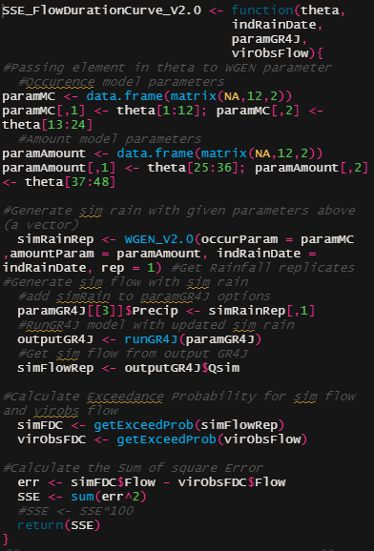
Original OF | Description | Runtime (ms)
1 | pass occur para | min | 57.5824 |  |  |  |  | significant
2 | pass amount para | lq | 60.8811 |  |  |  |  | insignificant
3 | run WGEN | mean | 65.8964
4 | make GR4J runoption | median | 67.1894
5 | run GR4J | uq | 67.7727
6 | extract simflow | max | 93.1677
7 | get simFDC | No. Evaluation | 100
8 | get voFDC
9 | get SSE

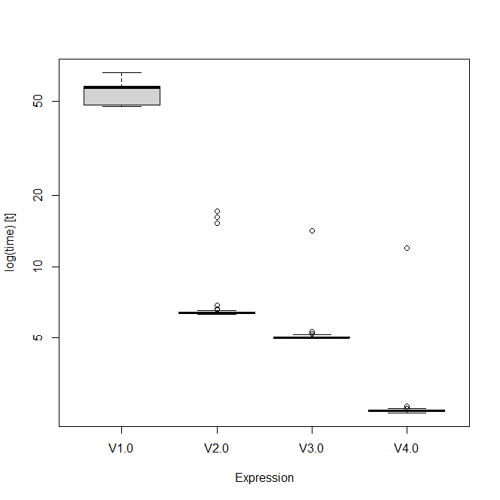
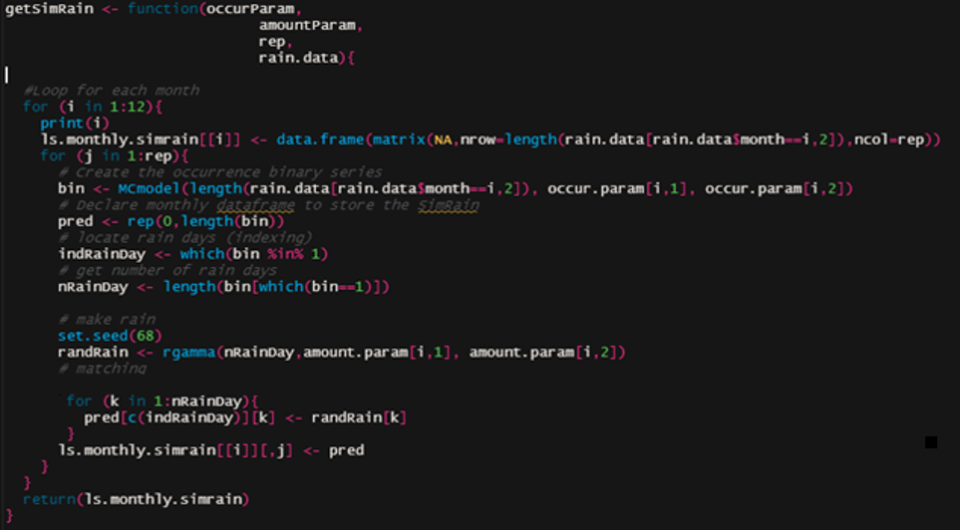
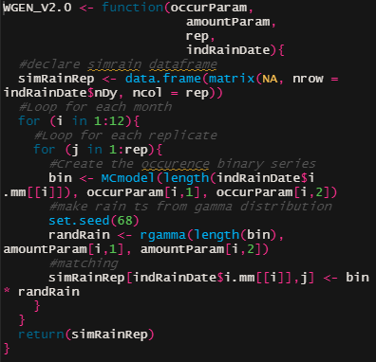
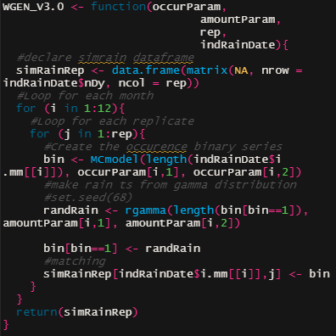
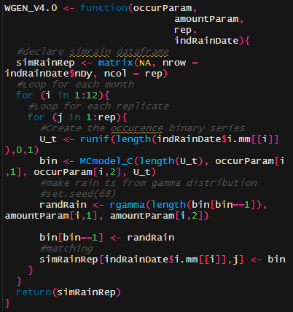
1 | run WGEN | Runtime (ms) | V1.0 | V2.0 | V3.0 | V4.0
 |  | min | 47.557 | 6.311 | 4.971 | 2.417
 |  | lq | 48.69 | 6.364 | 5.021 | 2.448
 |  | mean | 54.465 | 6.729 | 5.261 | 3.38
 |  | median | 57.314 | 6.403 | 5.046 | 2.456
 |  | uq | 58.416 | 6.486 | 5.105 | 2.484
 |  | max | 68.209 | 15.85 | 22.23 | 11.951
 |  | No. Evaluation | 100 | 100 | 100 | 100

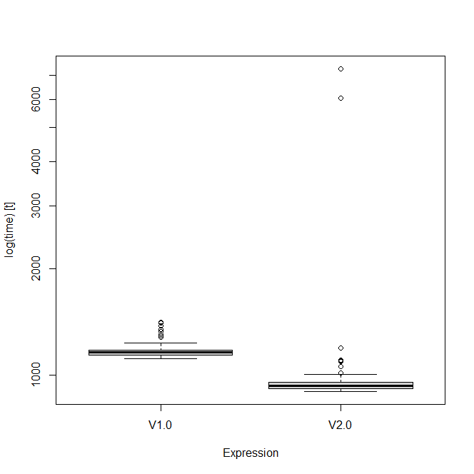
2 | get FDC | Runtime (ms) | V1.0 | V2.0
 |  | min | 1.116 | 0.9
 |  | lq | 1.138 | 0.919
 |  | mean | 1.1175 | 1.065
 |  | median | 1.162 | 0.933
 |  | uq | 1.178 | 0.957
 |  | max | 1.414 | 7.297
 |  | No. Evaluation | 100 | 100

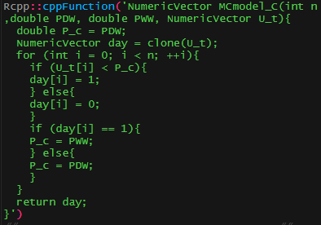
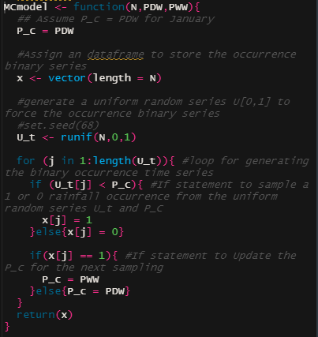
3 | MC model | Runtime (us) | in R | in C
 |  | min | 85.9 | 2.5
 |  | lq | 86.75 | 2.9
 |  | mean | 87.56 | 12.75
 |  | median | 87.1 | 3
 |  | uq | 87.45 | 3.4
 |  | max | 112.7 | 964.8
 |  | No. Evaluation | 100 | 100

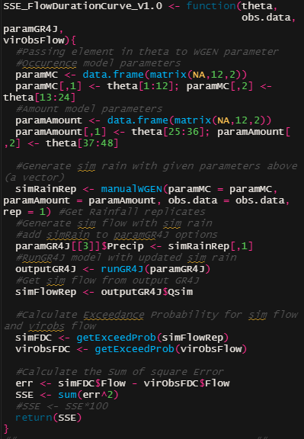
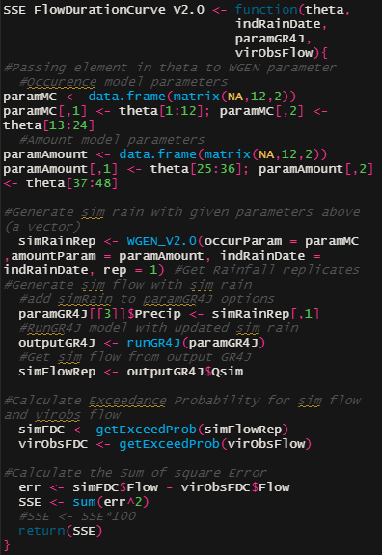
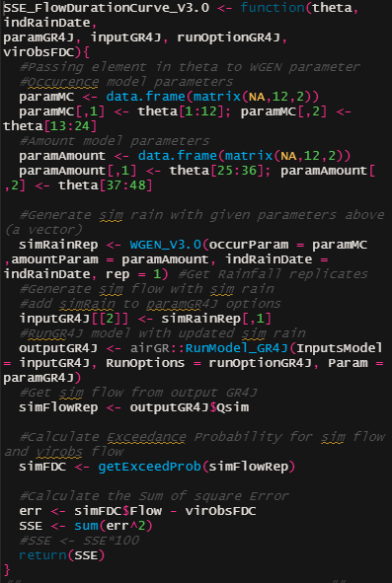
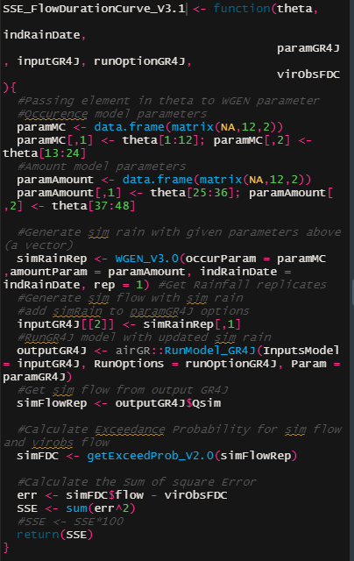
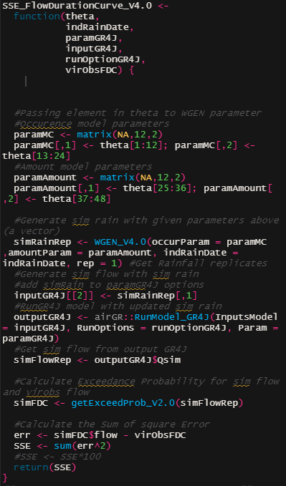
4 | Overall | Runtime (ms) | V1.0 | V.2.0 | V3.0 | V3.1 | V4.0
 |  | min | 58.06 | 15.86 | 13.16 | 13.08 | 9.89
 |  | lq | 66.74 | 16.47 | 13.93 | 13.71 | 10.44
 |  | mean | 67.87 | 18.06 | 15.37 | 15.06 | 11.48
 |  | median | 67.39 | 16.77 | 14.22 | 14.08 | 10.79
 |  | uq | 68.44 | 17.29 | 14.66 | 14.49 | 11.05
 |  | max | 149.09 | 36.04 | 23.44 | 24.21 | 19.48
 |  | No. Evaluation | 100 | 100 | 100 | 100 | 100

Monthly Optim
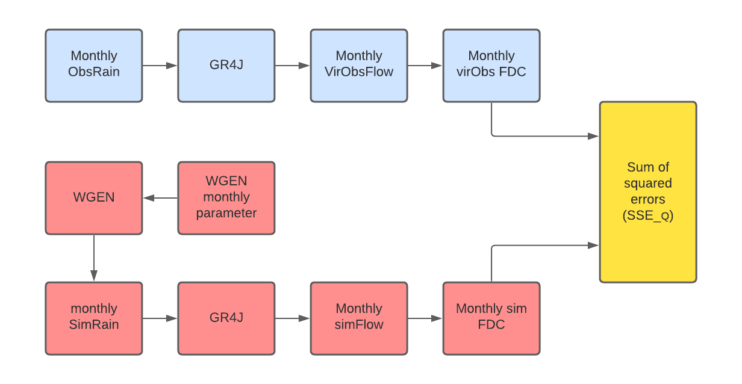
 |  | Objective Function
 | 1 | SSE flow duration curve
 | 2 | SSE flow duration curve disaggregate | 0.1H+0.3M+0.6L | H = high(prob<0.05); M = high(0.05<prob<0.5); L = low(prob>0.5)
 | 3 | SSE flow duration curve & SSE rainfall | 0.5Q^2+0.5R | 0.5Q+0.5R
 | 4 | SSE flow duration curve & SSE mean rainfall | 0.5Q + 0.5R
1
2

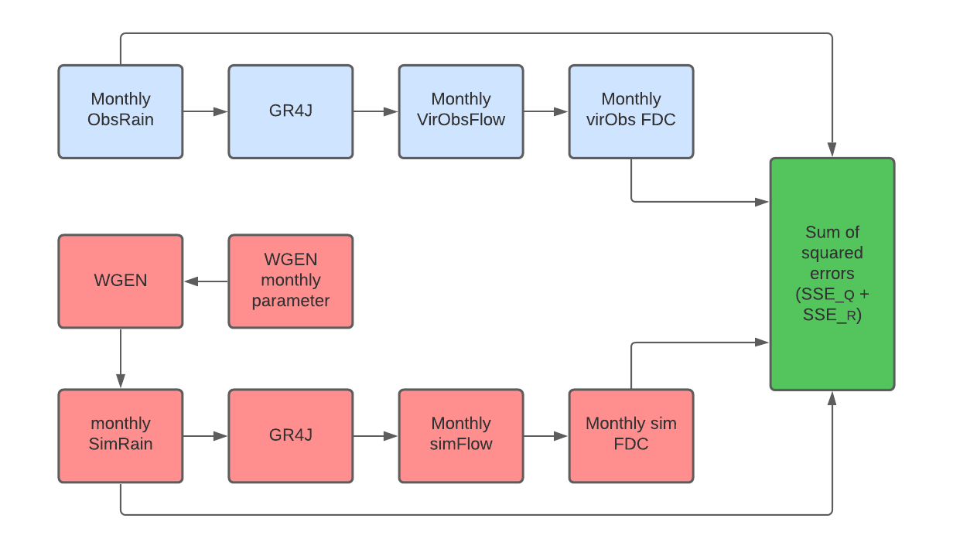

3
4

Outline Map
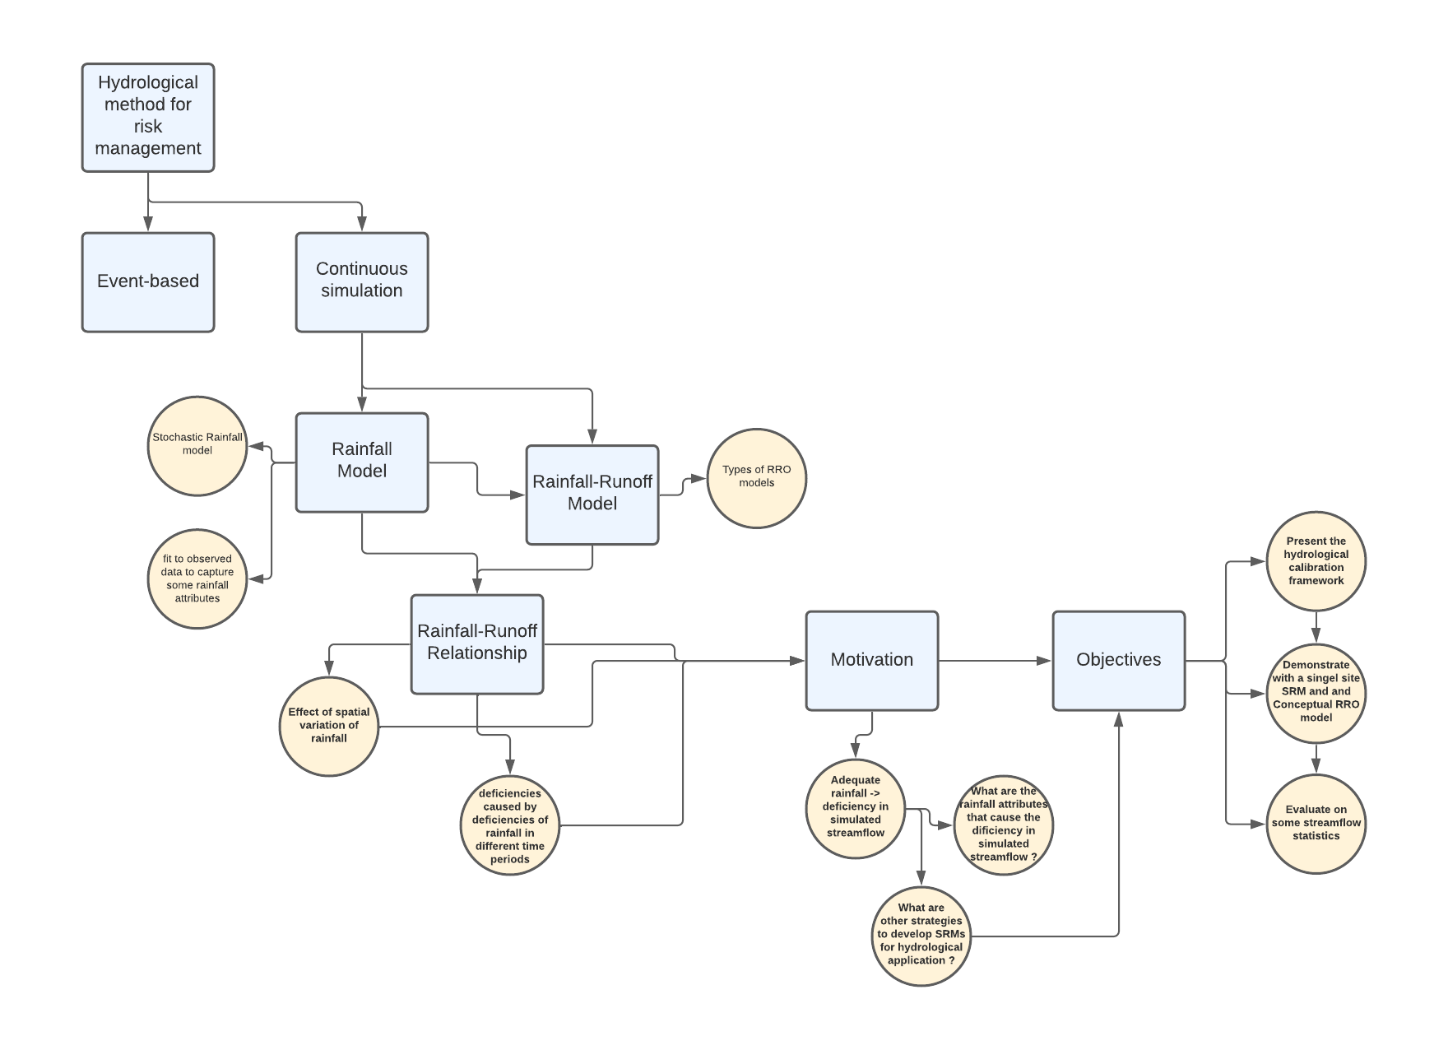

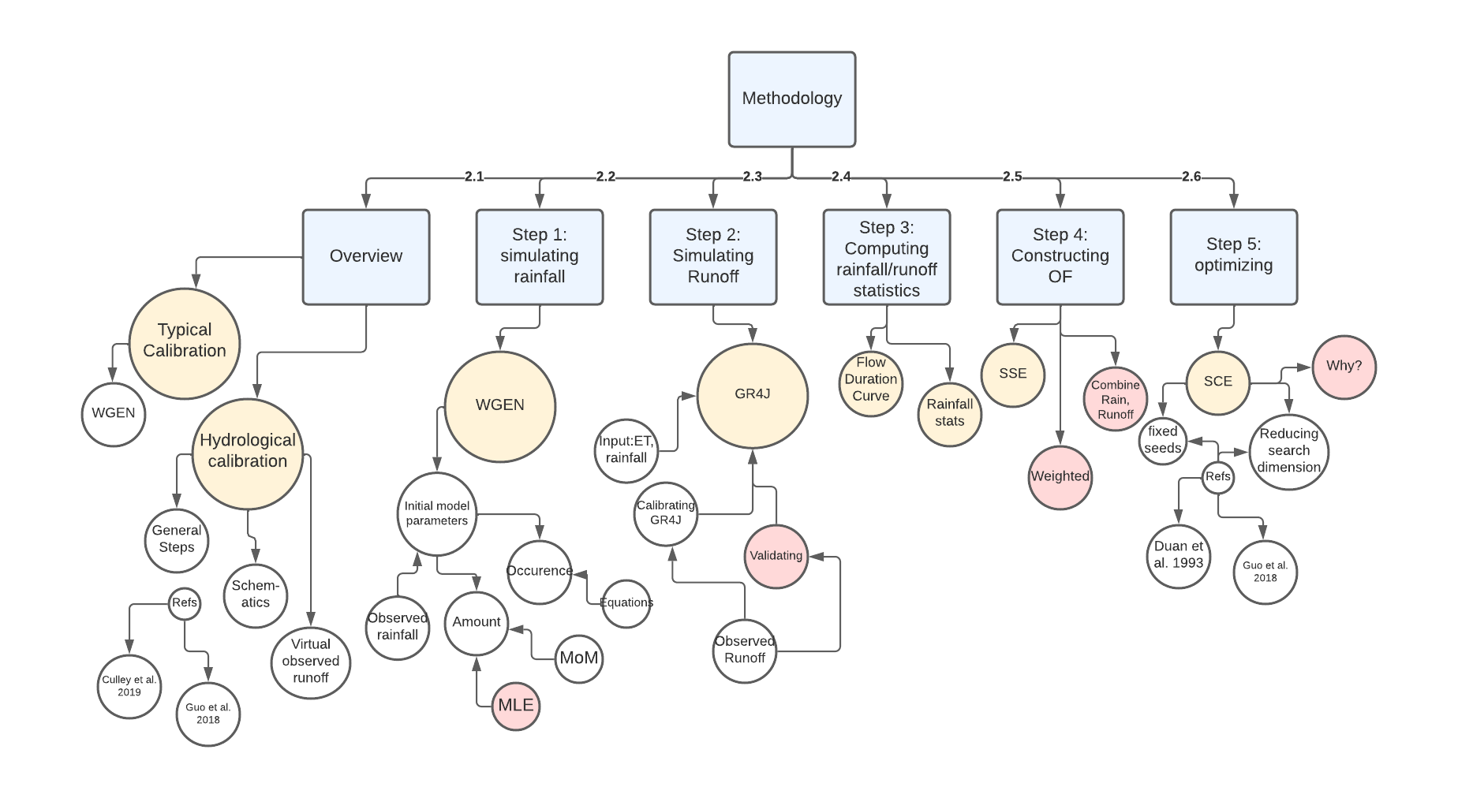

timeline
 |  | Febuary |  |  |  | March |  |  |  | April
 |  | 1 | 2 | 3 | 4 | 1 | 2 | 3 | 4 | 1 | 2 | 3 | 4
 |  | 31/01 - 04/02 | 07/02 - 11/02 | 14/02 - 18/02 | 21/02 - 25/02 | 28/02 - 04/03 | 07/03 - 11/03 | 14/03 - 18/03 | 21/03 - 25/03 | 28/03 - 01/04 | 04/04 - 08/04 | 11/04 - 15/04 | 18/04 - 22/04
 | Major Review
 | Presentation
 | Introduction
 | Methodology
 | Case study
 | Simulation
 | Result
 | Discussion
 | Conclusion
 | Draft for feedback
 | Draft presentation

Checklist

Coding and simulation plan:
1. Summary evaluation (similar to CASE) (2-3 days)
2. Calculate and plots other flow stats (mean, sd monthly) (1 day)
3. get figures for sites (0.5 day)
4. which combination for current OFs, other OFs?
5. Run on other sites
6. Run with synthetic data
7. Testing the procedure on one single month at a time (12 FDC plot)
plan for results
Introduction paragrpah
literature review
Research gap
Objectives
Methodology
Case Study
Results
Discussion
Conclusion
Gantt chart
40hrs of CARST

TableMaker
Rainfall Original |  |  |  |  |  |  |  |  |  |  |  |  | Rainfall Optimised
Observed rainfall evaluation | Jan | Feb | Mar | Apr | May | Jun | Jul | Aug | Sep | Oct | Nov | Dec | Observed rainfall evaluation | Jan | Feb | Mar | Apr | May | Jun | Jul | Aug | Sep | Oct | Nov | Dec
Wet day amounts -mean | Good | Good | Good | Good | Good | Good | Good | Good | Good | Good | Good | Good | Wet day amounts -mean | Good | Good | Good | Good | Good | Good | Good | Poor | Good | Poor | Good | Good
Wet day amounts -SD | Fair | Good | Good | Good | Good | Good | Good | Good | Good | Good | Good | Good | Wet day amounts -SD | Good | Good | Fair | Good | Fair | Fair | Fair | Good | Fair | Fair | Good | Good
Wet day amounts -skew | Good | Good | Good | Good | Good | Good | Good | Good | Good | Good | Good | Good | Wet day amounts -skew | Good | Good | Good | Good | Good | Good | Good | Good | Good | Poor | Good | Good
Total rainfall - mean | Good | Good | Good | Good | Good | Good | Good | Good | Good | Good | Good | Good | Total rainfall - mean | Good | Good | Good | Good | Good | Good | Good | Good | Good | Good | Good | Good
Total rainfall - SD | Fair | Fair | Fair | Poor | Good | Fair | Fair | Good | Fair | Good | Good | Fair | Total rainfall - SD | Fair | Good | Good | Good | Good | Fair | Good | Good | Good | Poor | Good | Good
Total rainfall - 5th | Poor | Good | Good | Good | Good | Good | Good | Good | Good | Good | Fair | Good | Total rainfall - 5th | Poor | Poor | Poor | Poor | Good | Poor | Good | Fair | Good | Fair | Good | Good
Total rainfall - 95th | Fair | Good | Good | Good | Good | Fair | Good | Good | Good | Good | Good | Good | Total rainfall - 95th | Good | Good | Good | Good | Good | Good | Fair | Good | Good | Poor | Good | Good
No. wet days - mean | Good | Good | Good | Good | Good | Good | Good | Good | Good | Good | Good | Good | No. wet days - mean | Good | Good | Good | Good | Good | Good | Good | Poor | Fair | Poor | Good | Good
No. wet days - SD | Poor | Poor | Poor | Good | Good | Good | Good | Good | Poor | Fair | Fair | Good | No. wet days - SD | Good | Good | Good | Good | Fair | Good | Fair | Poor | Good | Fair | Good | Good
Mean3DayTotal | Good | Good | Good | Good | Good | Good | Good | Good | Good | Good | Good | Good | Mean3DayTotal | Good | Good | Good | Good | Good | Good | Good | Good | Good | Good | Good | Good
Mean5DayTotal | Good | Good | Good | Good | Good | Good | Good | Good | Good | Good | Good | Good | Mean5DayTotal | Good | Good | Good | Good | Good | Good | Good | Good | Good | Good | Good | Good

Percentage |  |  |  |  |  |  |  |  |  |  |  |  | Percentage
 | Good | Fair | Poor | Performance |  |  |  |  |  |  |  |  |  | Good | Fair | Poor | Performance
Wet day amounts -mean | 100% | 0% | 0% | Overall Good |  |  |  |  |  |  |  |  | Wet day amounts -mean | 83% | 0% | 17% | Overall Good
Wet day amounts -SD | 92% | 8% | 0% | Overall Good |  |  |  |  |  |  |  |  | Wet day amounts -SD | 50% | 50% | 0% | Overall Fair-Good
Wet day amounts -skew | 100% | 0% | 0% | Overall Good |  |  |  |  |  |  |  |  | Wet day amounts -skew | 92% | 0% | 8% | Overall Good
Total rainfall - mean | 100% | 0% | 0% | Overall Good |  |  |  |  |  |  |  |  | Total rainfall - mean | 100% | 0% | 0% | Overall Good
Total rainfall - SD | 33% | 58% | 8% | Overall Fair |  |  |  |  |  |  |  |  | Total rainfall - SD | 75% | 17% | 8% | Overall Good
Total rainfall - 5th | 83% | 8% | 8% | Overall Good |  |  |  |  |  |  |  |  | Total rainfall - 5th | 42% | 17% | 42% | Overall Fair-Good
Total rainfall - 95th | 83% | 17% | 0% | Overall Good |  |  |  |  |  |  |  |  | Total rainfall - 95th | 83% | 8% | 8% | Overall Good
No. wet days - mean | 100% | 0% | 0% | Overall Good |  |  |  |  |  |  |  |  | No. wet days - mean | 75% | 8% | 17% | Overall Good
No. wet days - SD | 50% | 17% | 33% | Overall Fair-Good |  |  |  |  |  |  |  |  | No. wet days - SD | 67% | 25% | 8% | Overall Good
Mean3DayTotal | 100% | 0% | 0% | Overall Good |  |  |  |  |  |  |  |  | Mean3DayTotal | 100% | 0% | 0% | Overall Good
Mean5DayTotal | 100% | 0% | 0% | Overall Good |  |  |  |  |  |  |  |  | Mean5DayTotal | 100% | 0% | 0% | Overall Good

Runoff Original |  |  |  |  |  |  |  |  |  |  |  |  | Runoff Optimised
Virtual hydrologic evaluation | Jan | Feb | Mar | Apr | May | Jun | Jul | Aug | Sep | Oct | Nov | Dec | Virtual hydrologic evaluation | Jan | Feb | Mar | Apr | May | Jun | Jul | Aug | Sep | Oct | Nov | Dec
5th | Good | Good | Good | Fair | Poor | Poor | Poor | Poor | Poor | Poor | Poor | Good | 5th | Good | Fair | Good | Good | Good | Good | Good | Good | Good | Good | Good | Good
50th | Good | Good | Good | Good | Poor | Poor | Fair | Fair | Good | Good | Fair | Good | 50th | Good | Good | Good | Good | Good | Good | Good | Good | Good | Good | Fair | Fair
95th | Good | Poor | Good | Fair | Good | Good | Good | Good | Poor | Good | Good | Good | 95th | Fair | Good | Fair | Good | Good | Good | Good | Good | Good | Fair | Poor | Good
Mean | Fair | Fair | Good | Poor | Fair | Fair | Good | Good | Good | Good | Fair | Good | Mean | Good | Good | Poor | Poor | Good | Good | Good | Good | Good | Good | Poor | Good
SD | Poor | Fair | Good | Poor | Poor | Poor | Good | Good | Good | Fair | Good | Fair | SD | Good | Good | Poor | Poor | Poor | Fair | Good | Good | Good | Good | Fair | Fair

Percentage |  |  |  |  |  |  |  |  |  |  |  |  | Percentage
 | Good | Fair | Poor | Performance |  |  |  |  |  |  |  |  |  | Good | Fair | Poor | Performance
5th | 33% | 8% | 58% | Overall Poor |  |  |  |  |  |  |  |  | 5th | 92% | 8% | 0% | Overall Good
50th | 58% | 25% | 17% | Overall Good |  |  |  |  |  |  |  |  | 50th | 83% | 17% | 0% | Overall Good
95th | 75% | 8% | 17% | Overall Good |  |  |  |  |  |  |  |  | 95th | 67% | 25% | 8% | Overall Good
Mean | 50% | 42% | 8% | Overall Fair-Good |  |  |  |  |  |  |  |  | Mean | 75% | 0% | 25% | Overall Good
SD | 42% | 25% | 33% | Overall Fair-Good |  |  |  |  |  |  |  |  | SD | 50% | 25% | 25% | Overall Fair-Good

CASEResult
Site 8

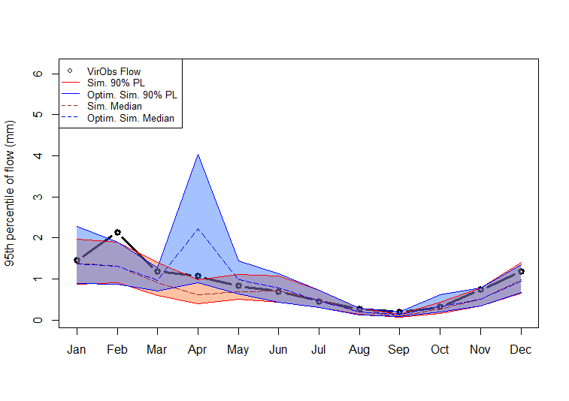
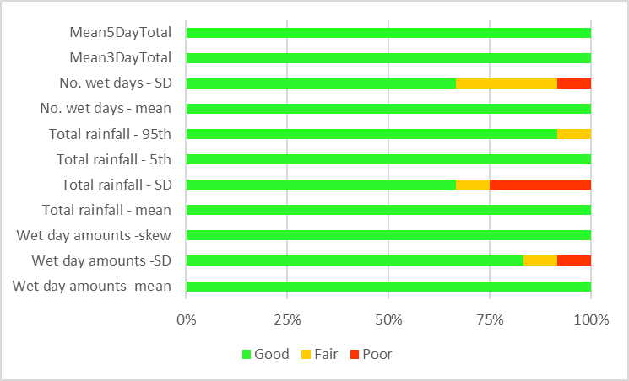
 | Good | Fair | Poor
Wet day amounts -mean | 83% | 0% | 17%
Wet day amounts -SD | 50% | 50% | 0%
Wet day amounts -skew | 92% | 0% | 8%
Total rainfall - mean | 100% | 0% | 0%
Total rainfall - SD | 75% | 17% | 8%
Total rainfall - 5th | 42% | 17% | 42%
Total rainfall - 95th | 83% | 8% | 8%
No. wet days - mean | 75% | 8% | 17%
No. wet days - SD | 67% | 25% | 8%
Mean3DayTotal | 100% | 0% | 0%
Mean5DayTotal | 100% | 0% | 0%
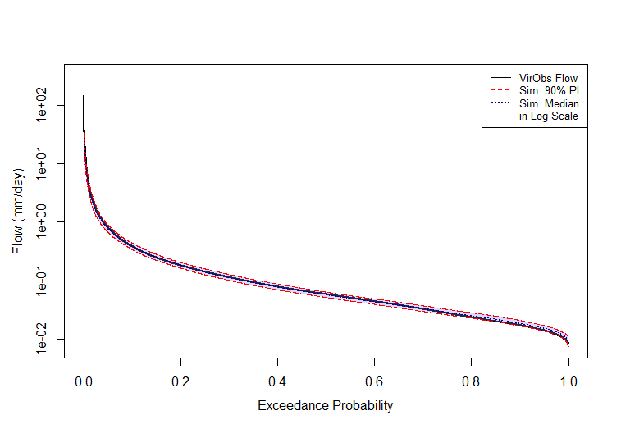
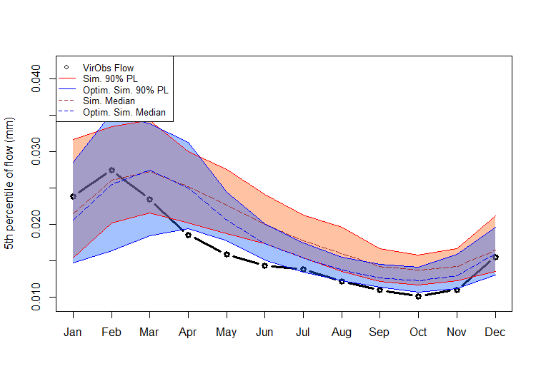
Before |  |  |  |  | After
Rainfall | Good | Fair | Poor | Performance |  | Good | Fair | Poor | Performance
Wet day amounts -mean | 100% | 0% | 0% | Overall Good | Wet day amounts -mean | 67% | 17% | 17% | Overall Good
Wet day amounts -SD | 83% | 8% | 8% | Overall Good | Wet day amounts -SD | 33% | 33% | 33% | Overall Fair-Good
Wet day amounts -skew | 100% | 0% | 0% | Overall Good | Wet day amounts -skew | 58% | 0% | 42% | Overall Good
Total rainfall - mean | 100% | 0% | 0% | Overall Good | Total rainfall - mean | 83% | 0% | 17% | Overall Good
Total rainfall - SD | 67% | 8% | 25% | Overall Good | Total rainfall - SD | 75% | 8% | 17% | Overall Good
Total rainfall - 5th | 100% | 0% | 0% | Overall Good | Total rainfall - 5th | 50% | 8% | 42% | Overall Fair-Good
Total rainfall - 95th | 92% | 8% | 0% | Overall Good | Total rainfall - 95th | 75% | 0% | 25% | Overall Good
No. wet days - mean | 100% | 0% | 0% | Overall Good | No. wet days - mean | 58% | 8% | 33% | Overall Good
No. wet days - SD | 67% | 25% | 8% | Overall Good | No. wet days - SD | 58% | 25% | 17% | Overall Good
Mean3DayTotal | 100% | 0% | 0% | Overall Good | Mean3DayTotal | 83% | 0% | 17% | Overall Good
Mean5DayTotal | 100% | 0% | 0% | Overall Good | Mean5DayTotal | 83% | 0% | 17% | Overall Good

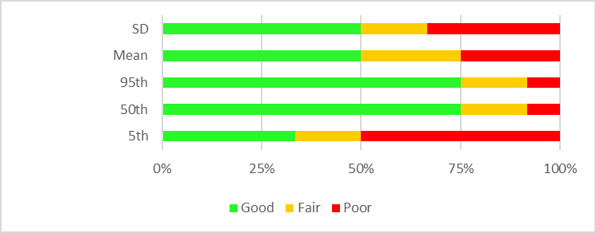
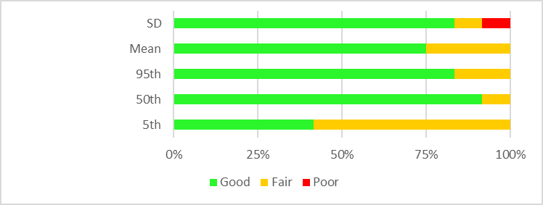
Runoff | Good | Fair | Poor | Performance |  | Good | Fair | Poor | Performance
5th | 33% | 17% | 50% | Overall Fair-Poor | 5th | 42% | 58% | 0% | Overall Fair
50th | 75% | 17% | 8% | Overall Good | 50th | 92% | 8% | 0% | Overall Good
95th | 75% | 17% | 8% | Overall Good | 95th | 83% | 17% | 0% | Overall Good
Total runoff - mean | 50% | 25% | 25% | Overall Fair-Good | Total runoff - mean | 75% | 25% | 0% | Overall Good
Total runoff - SD | 50% | 17% | 33% | Overall Fair-Good | Total runoff - SD | 83% | 8% | 8% | Overall Good

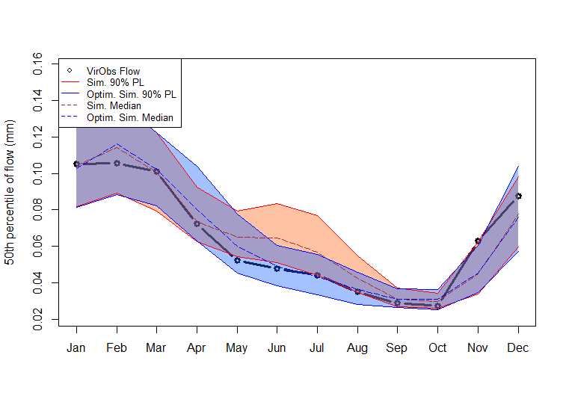
Site 19

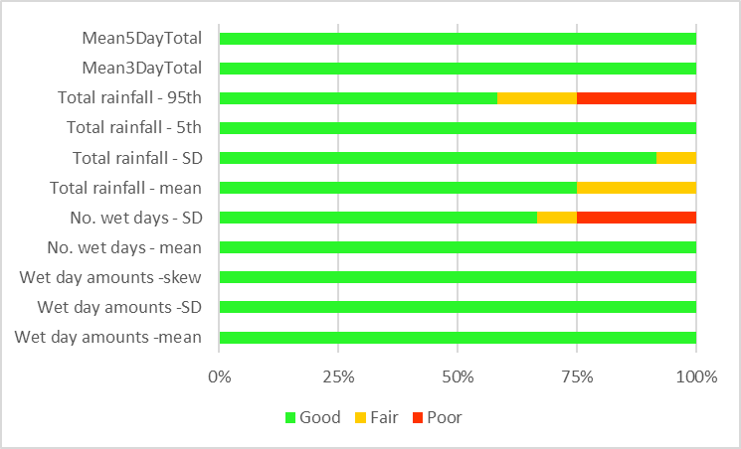
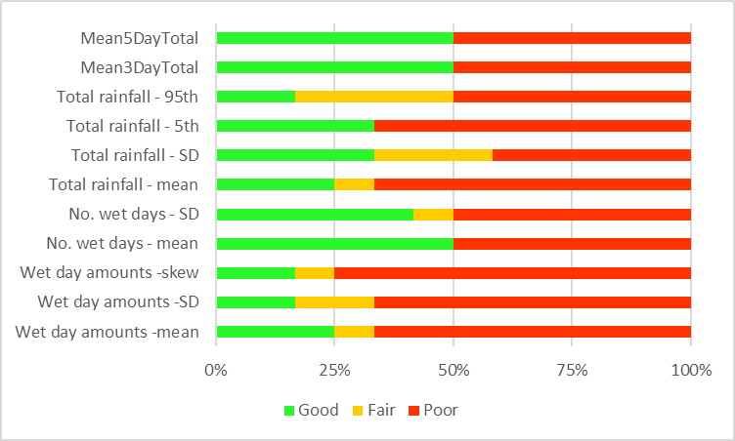
Before |  |  |  |  | After
Rainfall | Good | Fair | Poor | Performance |  | Good | Fair | Poor | Performance
Wet day amounts -mean | 100% | 0% | 0% | Overall Good | Wet day amounts -mean | 25% | 8% | 67% | Overall Poor
Wet day amounts -SD | 100% | 0% | 0% | Overall Good | Wet day amounts -SD | 17% | 17% | 67% | Overall Poor
Wet day amounts -skew | 100% | 0% | 0% | Overall Good | Wet day amounts -skew | 17% | 8% | 75% | Overall Poor
No. wet days - mean | 100% | 0% | 0% | Overall Good | No. wet days - mean | 50% | 0% | 50% | Overall Variable
No. wet days - SD | 67% | 8% | 25% | Overall Good | No. wet days - SD | 42% | 8% | 50% | Overall Fair-Poor
Total rainfall - mean | 75% | 25% | 0% | Overall Good | Total rainfall - mean | 25% | 8% | 67% | Overall Poor
Total rainfall - SD | 92% | 8% | 0% | Overall Good | Total rainfall - SD | 33% | 25% | 42% | Overall Fair-Good
Total rainfall - 5th | 100% | 0% | 0% | Overall Good | Total rainfall - 5th | 33% | 0% | 67% | Overall Poor
Total rainfall - 95th | 58% | 17% | 25% | Overall Good | Total rainfall - 95th | 17% | 33% | 50% | Overall Fair-Poor
Mean3DayTotal | 100% | 0% | 0% | Overall Good | Mean3DayTotal | 50% | 0% | 50% | Overall Variable
Mean5DayTotal | 100% | 0% | 0% | Overall Good | Mean5DayTotal | 50% | 0% | 50% | Overall Variable

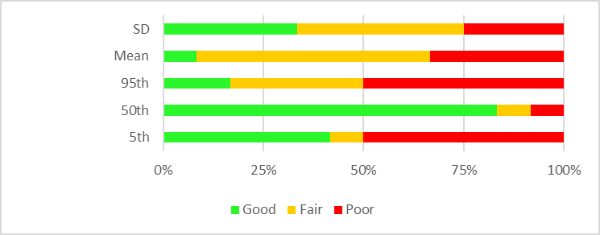
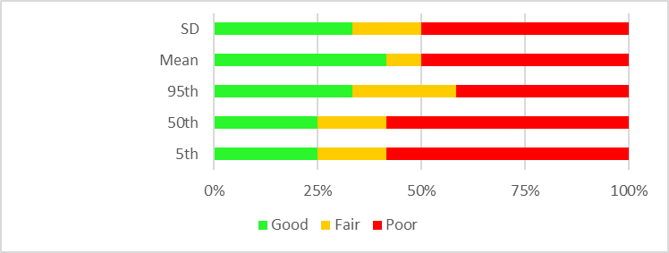
Runoff | Good | Fair | Poor | Performance |  | Good | Fair | Poor | Performance
5th | 42% | 8% | 50% | Overall Fair-Poor | 5th | 25% | 17% | 58% | Overall Poor
50th | 83% | 8% | 8% | Overall Good | 50th | 25% | 17% | 58% | Overall Poor
95th | 17% | 33% | 50% | Overall Fair-Poor | 95th | 33% | 25% | 42% | Overall Fair-Good
Total runoff - mean | 8% | 58% | 33% | Overall Fair | Total runoff - mean | 42% | 8% | 50% | Overall Fair-Poor
Total runoff - SD | 33% | 42% | 25% | Overall Fair-Good | Total runoff - SD | 33% | 17% | 50% | Overall Fair-Poor

Site 1

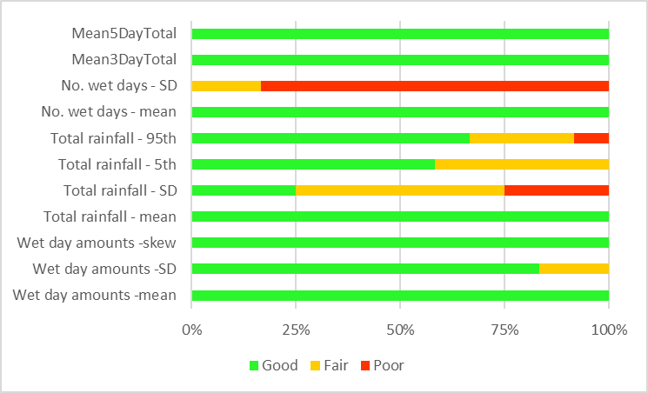
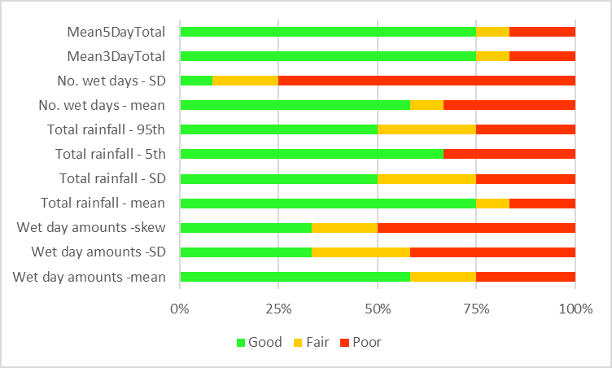
Before |  |  |  |  | After
Rainfall | Good | Fair | Poor | Performance |  | Good | Fair | Poor | Performance
Wet day amounts -mean | 100% | 0% | 0% | Overall Good | Wet day amounts -mean | 58% | 17% | 25% | Overall Good
Wet day amounts -SD | 83% | 17% | 0% | Overall Good | Wet day amounts -SD | 33% | 25% | 42% | Overall Fair-Good
Wet day amounts -skew | 100% | 0% | 0% | Overall Good | Wet day amounts -skew | 33% | 17% | 50% | Overall Fair-Poor
Total rainfall - mean | 100% | 0% | 0% | Overall Good | Total rainfall - mean | 75% | 8% | 17% | Overall Good
Total rainfall - SD | 25% | 50% | 25% | Overall Fair-Good | Total rainfall - SD | 50% | 25% | 25% | Overall Fair-Good
Total rainfall - 5th | 58% | 42% | 0% | Overall Good | Total rainfall - 5th | 67% | 0% | 33% | Overall Good
Total rainfall - 95th | 67% | 25% | 8% | Overall Good | Total rainfall - 95th | 50% | 25% | 25% | Overall Fair-Good
No. wet days - mean | 100% | 0% | 0% | Overall Good | No. wet days - mean | 58% | 8% | 33% | Overall Good
No. wet days - SD | 0% | 17% | 83% | Overall Poor | No. wet days - SD | 8% | 17% | 75% | Overall Poor
Mean3DayTotal | 100% | 0% | 0% | Overall Good | Mean3DayTotal | 75% | 8% | 17% | Overall Good
Mean5DayTotal | 100% | 0% | 0% | Overall Good | Mean5DayTotal | 75% | 8% | 17% | Overall Good

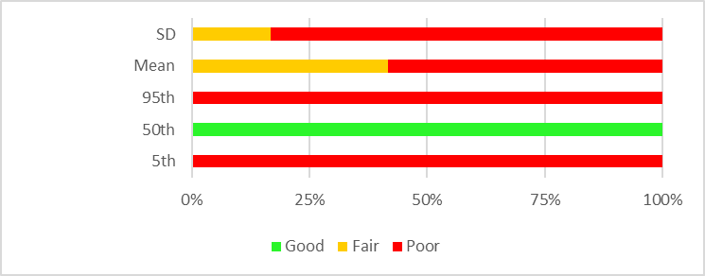
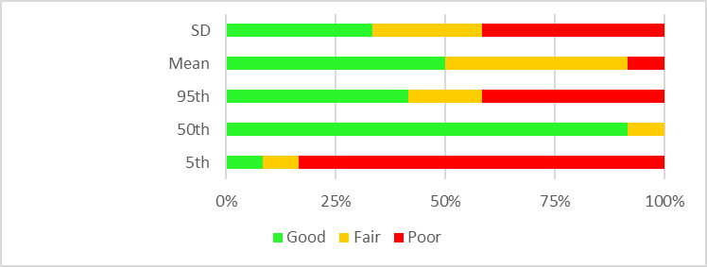
Runoff | Good | Fair | Poor | Performance |  | Good | Fair | Poor | Performance
5th | 0% | 0% | 100% | Overall Poor | 5th | 8% | 8% | 83% | Overall Poor
50th | 100% | 0% | 0% | Overall Good | 50th | 92% | 8% | 0% | Overall Good
95th | 0% | 0% | 100% | Overall Poor | 95th | 42% | 17% | 42% | Overall Fair-Good
Total runoff - mean | 0% | 42% | 58% | Overall Poor | Total runoff - mean | 50% | 42% | 8% | Overall Fair-Good
Total runoff - SD | 0% | 17% | 83% | Overall Poor | Total runoff - SD | 33% | 25% | 42% | Overall Fair-Good

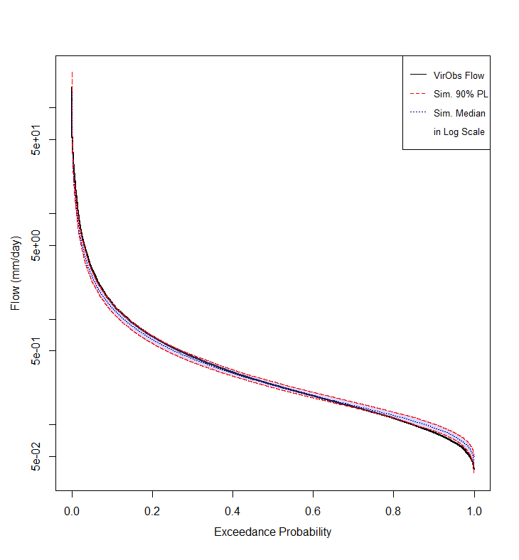
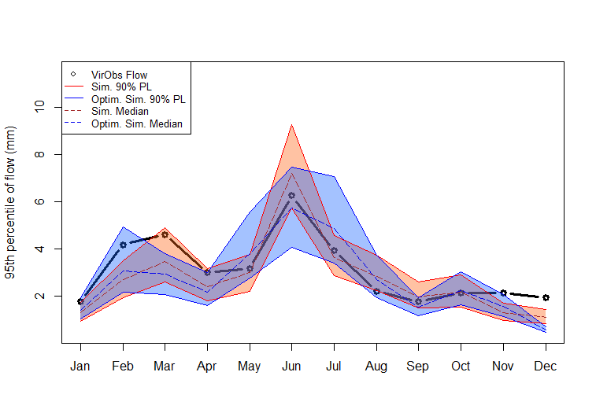
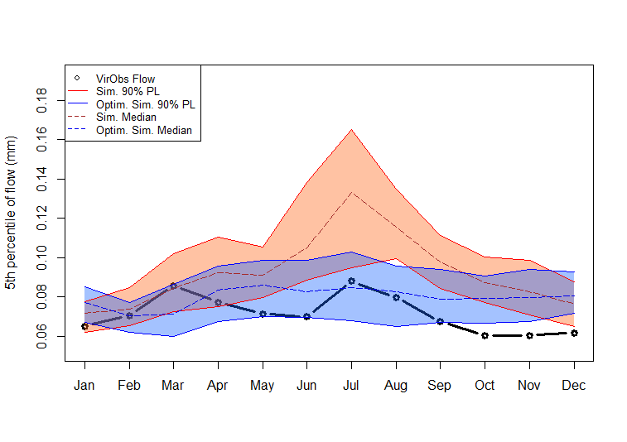

Site 2

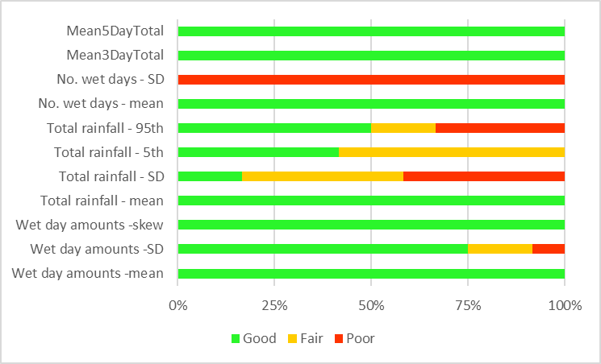
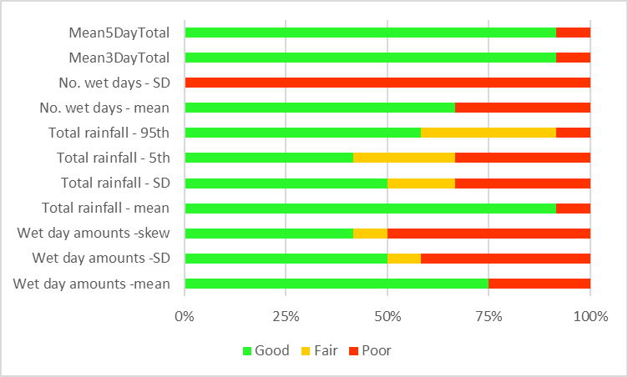
Before |  |  |  |  | After
Rainfall | Good | Fair | Poor | Performance |  | Good | Fair | Poor | Performance
Wet day amounts -mean | 100% | 0% | 0% | Overall Good | Wet day amounts -mean | 75% | 0% | 25% | Overall Good
Wet day amounts -SD | 75% | 17% | 8% | Overall Good | Wet day amounts -SD | 50% | 8% | 42% | Overall Fair-Good
Wet day amounts -skew | 100% | 0% | 0% | Overall Good | Wet day amounts -skew | 42% | 8% | 50% | Overall Fair-Poor
Total rainfall - mean | 100% | 0% | 0% | Overall Good | Total rainfall - mean | 92% | 0% | 8% | Overall Good
Total rainfall - SD | 17% | 42% | 42% | Overall Fair-Good | Total rainfall - SD | 50% | 17% | 33% | Overall Fair-Good
Total rainfall - 5th | 42% | 58% | 0% | Overall Fair | Total rainfall - 5th | 42% | 25% | 33% | Overall Fair-Good
Total rainfall - 95th | 50% | 17% | 33% | Overall Fair-Good | Total rainfall - 95th | 58% | 33% | 8% | Overall Good
No. wet days - mean | 100% | 0% | 0% | Overall Good | No. wet days - mean | 67% | 0% | 33% | Overall Good
No. wet days - SD | 0% | 0% | 100% | Overall Poor | No. wet days - SD | 0% | 0% | 100% | Overall Poor
Mean3DayTotal | 100% | 0% | 0% | Overall Good | Mean3DayTotal | 92% | 0% | 8% | Overall Good
Mean5DayTotal | 100% | 0% | 0% | Overall Good | Mean5DayTotal | 92% | 0% | 8% | Overall Good

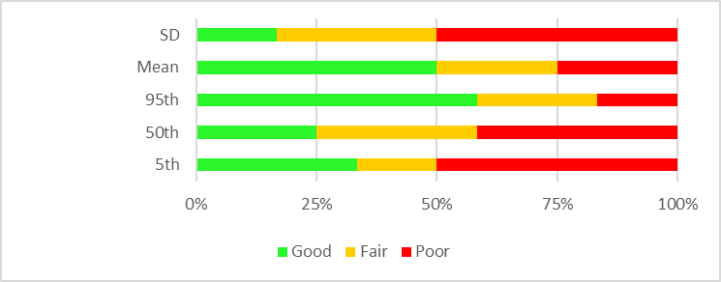
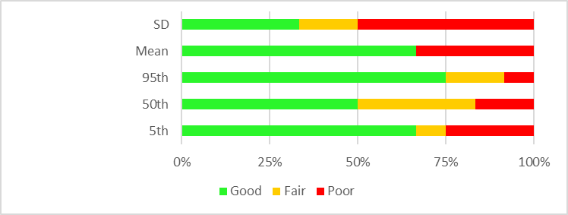
Runoff | Good | Fair | Poor | Performance |  | Good | Fair | Poor | Performance
5th | 33% | 17% | 50% | Overall Fair-Poor | 5th | 67% | 8% | 25% | Overall Good
50th | 25% | 33% | 42% | Overall Fair-Good | 50th | 50% | 33% | 17% | Overall Fair-Good
95th | 58% | 25% | 17% | Overall Good | 95th | 75% | 17% | 8% | Overall Good
Total runoff - mean | 50% | 25% | 25% | Overall Fair-Good | Total runoff - mean | 67% | 0% | 33% | Overall Good
Total runoff - SD | 17% | 33% | 50% | Overall Fair-Poor | Total runoff - SD | 33% | 17% | 50% | Overall Fair-Poor

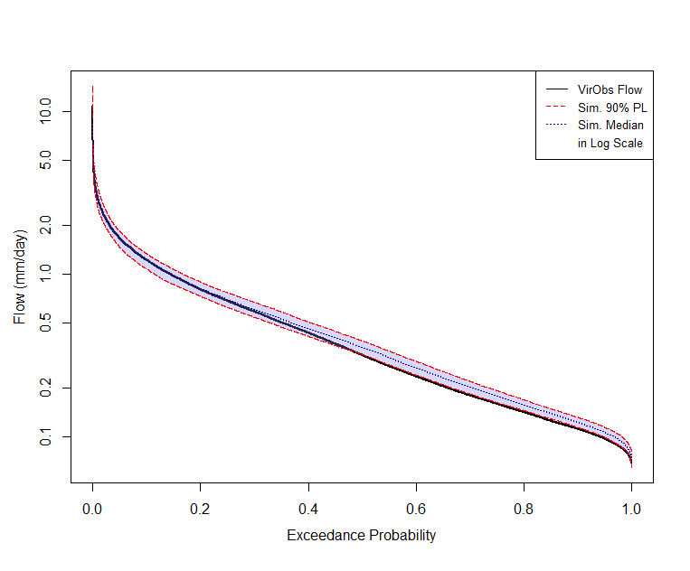
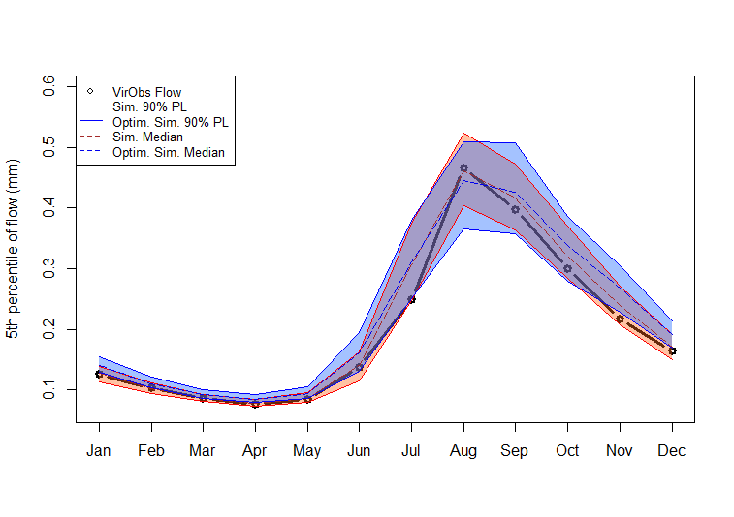
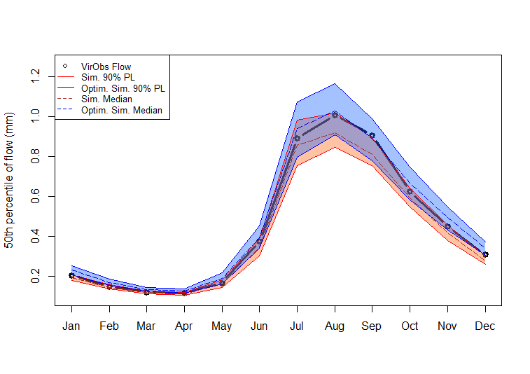
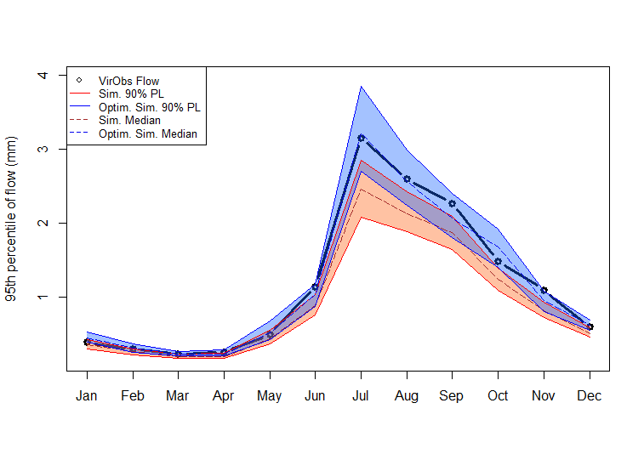
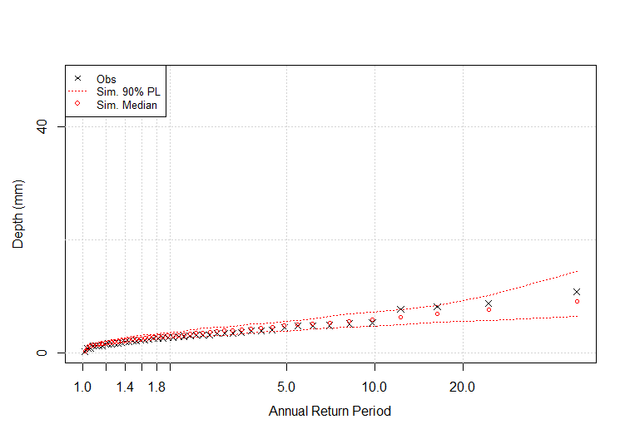
Site 23

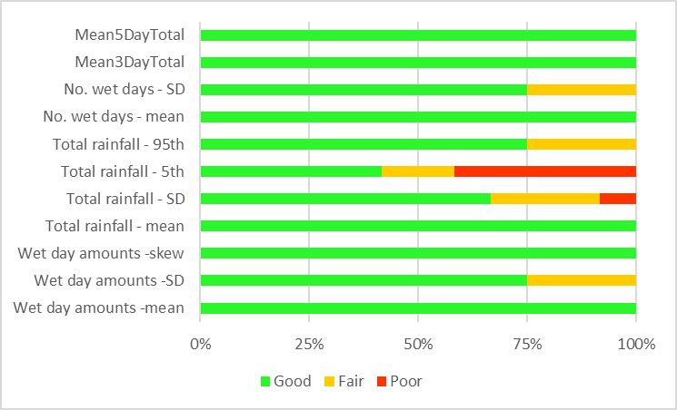
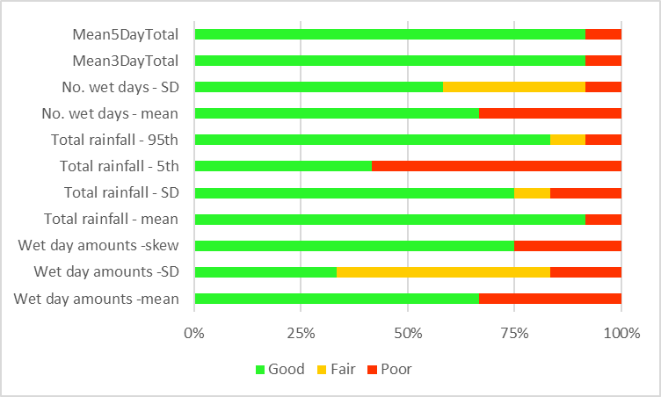
Before |  |  |  |  | After
Rainfall | Good | Fair | Poor | Performance |  | Good | Fair | Poor | Performance
Wet day amounts -mean | 100% | 0% | 0% | Overall Good | Wet day amounts -mean | 67% | 0% | 33% | Overall Good
Wet day amounts -SD | 75% | 25% | 0% | Overall Good | Wet day amounts -SD | 33% | 50% | 17% | Overall Fair-Good
Wet day amounts -skew | 100% | 0% | 0% | Overall Good | Wet day amounts -skew | 75% | 0% | 25% | Overall Good
Total rainfall - mean | 100% | 0% | 0% | Overall Good | Total rainfall - mean | 92% | 0% | 8% | Overall Good
Total rainfall - SD | 67% | 25% | 8% | Overall Good | Total rainfall - SD | 75% | 8% | 17% | Overall Good
Total rainfall - 5th | 42% | 17% | 42% | Overall Fair-Good | Total rainfall - 5th | 42% | 0% | 58% | Overall Poor
Total rainfall - 95th | 75% | 25% | 0% | Overall Good | Total rainfall - 95th | 83% | 8% | 8% | Overall Good
No. wet days - mean | 100% | 0% | 0% | Overall Good | No. wet days - mean | 67% | 0% | 33% | Overall Good
No. wet days - SD | 75% | 25% | 0% | Overall Good | No. wet days - SD | 58% | 33% | 8% | Overall Good
Mean3DayTotal | 100% | 0% | 0% | Overall Good | Mean3DayTotal | 92% | 0% | 8% | Overall Good
Mean5DayTotal | 100% | 0% | 0% | Overall Good | Mean5DayTotal | 92% | 0% | 8% | Overall Good

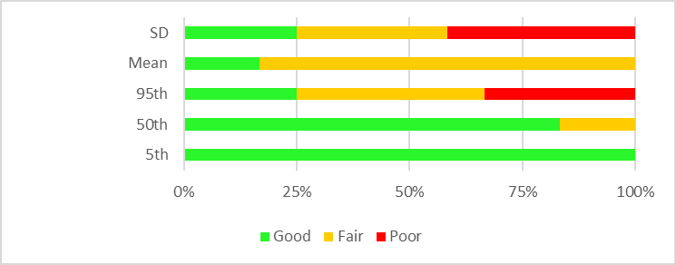
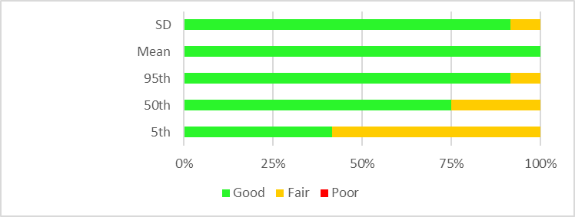
Runoff | Good | Fair | Poor | Performance |  | Good | Fair | Poor | Performance
5th | 100% | 0% | 0% | Overall Good | 5th | 42% | 58% | 0% | Overall Fair
50th | 83% | 17% | 0% | Overall Good | 50th | 75% | 25% | 0% | Overall Good
95th | 25% | 42% | 33% | Overall Fair-Good | 95th | 92% | 8% | 0% | Overall Good
Total runoff - mean | 17% | 83% | 0% | Overall Fair | Total runoff - mean | 100% | 0% | 0% | Overall Good
Total runoff - SD | 25% | 33% | 42% | Overall Fair-Good | Total runoff - SD | 92% | 8% | 0% | Overall Good

 |  |  |  |  |  |  |  |  |  | zz

CASEDraft


 |  |  |  |  |  |  |  |  |  |  |  |  | ID | Lat | Long | Juradiction | Area(Km^2) | Start (YYYYMMDD) | End (YYYYMMDD) | Nyear | x1 | x2 | x3 | x4 | NSE | NearestSilo
 |  |  |  |  |  |  |  |  |  |  |  |  | 410730 | -35.59 | 148.82 | ACT | 130 | 19630705 | 20190228 | 55 | 1015.79 | 1.784 | 66.726 | 1.216 | 0.736 | 70317
 |  |  |  |  |  |  |  |  |  |  |  |  | 215004 | -35.15 | 150.03 | NSW | 165.6 | 19500101 | 20190228 | 69 | 33.925 | 0.79 | 28.836 | 1.225 | 0.721 | 69049
 |  |  |  |  |  |  |  |  |  |  |  |  | 143107A | -27.6 | 152.69 | QLD | 628.1 | 19611003 | 20190228 | 57 | 162.39 | 0.242 | 12.68 | 1.427 | 0.764 | 40004
 |  |  |  |  |  |  |  |  |  |  |  |  | 136202D | -26.3 | 152.04 | QLD | 646.6 | 19641002 | 20190228 | 55 | 149.905 | 0.232 | 13.736 | 1.691 | 0.709 | 40010
 |  |  |  |  |  |  |  |  |  |  |  |  | 405219 | -37.33 | 146.13 | VIC | 700.2 | 19671214 | 20190228 | 51 | 358.717 | 1.093 | 145.236 | 2.21 | 0.828 | 83017 |  |  |  |  |  |  |  |  |  |  |  |  |  |  |  |  | OF1 | No weight | OF2 | weighted


 |  |  |  |  |  |  |  |  |  |  |  |  | 403214 | -36.58 | 146.82 | VIC | 138 | 19610630 | 20190228 | 57 | 456.031 | -2.643 | 76.491 | 1.099 | 0.775 | 83057


 |  |  |  |  |  |  |  |  |  |  |  |  | 314207 | -41.25 | 146.09 | TAS | 499.3 | 19630620 | 20190228 | 55 | 479.091 | 2.159 | 26.535 | 1.34 | 0.72 | 91017
 |  |  |  |  |  |  |  |  |  |  |  |  | A5030502 | -35.1 | 138.67 | SA | 29 | 19690329 | 20190228 | 49 | 349.668 | -0.568 | 16.78 | 1.131 | 0.759 | 23734
 |  |  |  |  |  |  |  |  |  |  |  |  | 613002 | -33.09 | 116.04 | WA | 148 | 19700320 | 20190228 | 48 | 2520.154 | 1.083 | 26.776 | 1.859 | 0.82 | 9580



 |  |  |  |  |  |  |  |  |  |  |  |  |  |  |  |  |  |  |  |  |  |  | AU_0001468
Catchment 1 - Rainfall | Jan | Feb | Mar | Apr | May | Jun | Jul | Aug | Sep | Oct | Nov | Dec | Overall
Wet day amounts -mean | Good | Good | Good | Good | Good | Good | Good | Good | Good | Good | Good | Good | Good |  |  |  |  |  |  |  |  |  |  |  |  |  |  |  | Catchment 1 - Flow | Jan | Feb | Mar | Apr | May | Jun | Jul | Aug | Sep | Oct | Nov | Dec | Overall
Wet day amounts -SD | Good | Good | Good | Good | Good | Good | Fair | Good | Good | Good | Good | Good | Good |  |  |  |  |  |  |  |  |  |  |  |  |  |  |  | 10th | Poor | Fair | Fair | Fair | Poor | Poor | Poor | Poor | Poor | Poor | Poor | Poor | Poor
Wet day amounts -skew | Good | Good | Good | Good | Good | Good | Good | Good | Good | Good | Good | Good | Good |  |  |  |  |  |  |  |  |  |  |  |  |  |  |  | 25th | Fair | Fair | Poor | Fair | Fair | Fair | Poor | Fair | Fair | Poor | Poor | Poor | Fair
No. wet days - mean | Good | Good | Good | Good | Good | Good | Good | Good | Good | Good | Good | Good | Good |  |  |  |  |  |  |  |  |  |  |  |  |  |  |  | 50th | Good | Good | Good | Good | Good | Good | Good | Good | Good | Good | Good | Good | Good
No. wet days - SD | Poor | Poor | Poor | Poor | Poor | Poor | Poor | Poor | Fair | Poor | Fair | Poor | Poor |  |  |  |  |  |  |  |  |  |  |  |  |  |  |  | 75th | Good | Fair | Poor | Fair | Fair | Fair | Good | Fair | Poor | Fair | Poor | Poor | Fair-Poor
Total rainfall - mean | Good | Good | Good | Good | Good | Good | Good | Good | Good | Good | Good | Good | Good |  |  |  |  |  |  |  |  |  |  |  |  |  |  |  | 90th | Poor | Fair | Poor | Poor | Poor | Fair | Fair | Poor | Poor | Poor | Poor | Poor | Poor
Total rainfall - SD | Poor | Fair | Fair | Fair | Fair | Poor | Poor | Good | Good | Poor | Good | Fair | Fair-Poor |  |  |  |  |  |  |  |  |  |  |  |  |  |  |  | 95th | Poor | Poor | Poor | Poor | Poor | Poor | Poor | Fair | Poor | Poor | Poor | Poor | Poor
Total rainfall - 5th | Good | Poor | Good | Good | Good | Fair | Good | Good | Good | Good | Fair | Fair | Good |  |  |  |  |  |  |  |  |  |  |  |  |  |  |  | 99th | Poor | Poor | Fair | Poor | Fair | Fair | Poor | Good | Fair | Poor | Poor | Poor | Poor
Total rainfall - 95th | Good | Fair | Good | Good | Poor | Good | Fair | Good | Good | Fair | Good | Good | Good
Mean3DayTotal | Good | Good | Good | Good | Good | Good | Good | Good | Good | Good | Good | Good | Good
Mean5DayTotal | Good | Good | Good | Good | Good | Good | Good | Good | Good | Good | Good | Good | Good

 |  |  |  |  |  |  |  |  |  |  |  |  |  |  |  |  |  |  |  |  |  |  |  |  |  |  |  |  |  |  |  |  |  |  |  |  |  |  |  |  |  |  | OF1 | No weight | OF2 | weighted







Catchment 2 - Rainfall | Jan | Feb | Mar | Apr | May | Jun | Jul | Aug | Sep | Oct | Nov | Dec | Overall |  |  |  |  |  |  |  |  |  | AU_0000603
Wet day amounts -mean | Good | Good | Good | Good | Good | Good | Good | Good | Good | Good | Good | Good | Good
Wet day amounts -SD | Good | Good | Fair | Good | Good | Good | Good | Good | Poor | Fair | Good | Good | Good |  |  |  |  |  |  |  |  |  |  |  |  |  |  |  | Catchment 2 - Flow | Jan | Feb | Mar | Apr | May | Jun | Jul | Aug | Sep | Oct | Nov | Dec | Overall
Wet day amounts -skew | Good | Good | Good | Good | Good | Good | Good | Good | Good | Good | Good | Good | Good |  |  |  |  |  |  |  |  |  |  |  |  |  |  |  | 10th | Good | Good | Good | Fair | Poor | Poor | Poor | Poor | Poor | Poor | Poor | Fair | Poor
No. wet days - mean | Good | Good | Good | Good | Good | Good | Good | Good | Good | Good | Good | Good | Good |  |  |  |  |  |  |  |  |  |  |  |  |  |  |  | 25th | Good | Good | Good | Poor | Poor | Poor | Poor | Poor | Poor | Poor | Fair | Good | Poor
No. wet days - SD | Poor | Poor | Poor | Poor | Poor | Poor | Poor | Poor | Poor | Poor | Poor | Poor | Poor |  |  |  |  |  |  |  |  |  |  |  |  |  |  |  | 50th | Fair | Good | Good | Poor | Poor | Poor | Poor | Poor | Fair | Fair | Good | Fair | Fair-Poor
Total rainfall - mean | Good | Good | Good | Good | Good | Good | Good | Good | Good | Good | Good | Good | Good |  |  |  |  |  |  |  |  |  |  |  |  |  |  |  | 75th | Fair | Good | Good | Fair | Good | Poor | Fair | Poor | Good | Fair | Fair | Poor | Fair-Good
Total rainfall - SD | Good | Fair | Poor | Poor | Fair | Poor | Good | Fair | Good | Poor | Poor | Fair | Fair-Poor |  |  |  |  |  |  |  |  |  |  |  |  |  |  |  | 90th | Good | Fair | Good | Good | Good | Fair | Good | Poor | Good | Good | Poor | Poor | Good
Total rainfall - 5th | Fair | Poor | Fair | Good | Good | Poor | Good | Good | Good | Fair | Poor | Fair | Fair-Good |  |  |  |  |  |  |  |  |  |  |  |  |  |  |  | 95th | Fair | Poor | Good | Good | Good | Good | Good | Fair | Good | Good | Poor | Poor | Good
Total rainfall - 95th | Good | Good | Fair | Poor | Poor | Poor | Fair | Fair | Good | Good | Good | Good | Fair-Good |  |  |  |  |  |  |  |  |  |  |  |  |  |  |  | 99th | Good | Poor | Fair | Poor | Fair | Poor | Fair | Poor | Good | Fair | Poor | Poor | Fair-Poor
Mean3DayTotal | Good | Good | Good | Good | Good | Good | Good | Good | Good | Good | Good | Good | Good
Mean5DayTotal | Good | Good | Good | Good | Good | Good | Good | Good | Good | Good | Good | Good | Good |  |  |  |  |  |  |  |  | \









 |  |  |  |  |  |  |  |  |  |  |  |  |  |  |  |  |  |  |  |  |  |  | AU_0000302 |  |  |  |  |  | Catchment 8 - Flow | Jan | Feb | Mar | Apr | May | Jun | Jul | Aug | Sep | Oct | Nov | Dec | Overall
Catchment 8 - Rainfall | Jan | Feb | Mar | Apr | May | Jun | Jul | Aug | Sep | Oct | Nov | Dec | Overall |  |  |  |  |  |  |  |  |  |  |  |  |  |  |  | 10th | Good | Good | Good | Fair | Poor | Poor | Poor | Poor | Poor | Poor | Good | Good | Fair-Poor
Wet day amounts -mean | Good | Good | Good | Good | Good | Good | Good | Good | Good | Good | Good | Good | Good |  |  |  |  |  |  |  |  |  |  |  |  |  |  |  | 25th | Good | Good | Fair | Fair | Poor | Poor | Poor | Poor | Poor | Fair | Good | Fair | Fair-Poor
Wet day amounts -SD | Fair | Good | Good | Good | Good | Good | Fair | Good | Good | Fair | Good | Fair | Good |  |  |  |  |  |  |  |  |  |  |  |  |  |  |  | 50th | Good | Good | Good | Good | Fair | Fair | Fair | Fair | Good | Good | Fair | Good | Fair-Good
Wet day amounts -skew | Good | Good | Good | Good | Good | Good | Good | Good | Good | Good | Good | Good | Good |  |  |  |  |  |  |  |  |  |  |  |  |  |  |  | 75th | Good | Good | Good | Good | Fair | Good | Fair | Fair | Poor | Good | Good | Good | Fair-Good
No. wet days - mean | Good | Good | Good | Good | Good | Good | Good | Good | Good | Good | Good | Good | Good |  |  |  |  |  |  |  |  |  |  |  |  |  |  |  | 90th | Good | Good | Good | Good | Good | Good | Good | Good | Poor | Good | Good | Good | Good
No. wet days - SD | Fair | Good | Fair | Good | Good | Good | Good | Good | Fair | Fair | Good | Good | Good |  |  |  |  |  |  |  |  |  |  |  |  |  |  |  | 95th | Good | Fair | Good | Fair | Good | Good | Good | Good | Poor | Good | Fair | Good | Good
Total rainfall - mean | Good | Good | Good | Good | Good | Good | Good | Good | Good | Good | Good | Good | Good |  |  |  |  |  |  |  |  |  |  |  |  |  |  |  | 99th | Good | Fair | Fair | Poor | Poor | Fair | Good | Good | Good | Good | Good | Good | Good
Total rainfall - SD | Fair | Good | Good | Poor | Fair | Fair | Good | Good | Good | Good | Good | Good | Good
Total rainfall - 5th | Good | Good | Good | Good | Fair | Good | Fair | Good | Good | Good | Good | Good | Good
Total rainfall - 95th | Good | Good | Good | Good | Fair | Good | Good | Good | Fair | Good | Good | Good | Good





Catchment 9 - Rainfall | Jan | Feb | Mar | Apr | May | Jun | Jul | Aug | Sep | Oct | Nov | Dec | Overall |  |  |  |  |  |  |  |  |  | AU_0000222
Wet day amounts -mean | Good | Good | Good | Good | Good | Good | Good | Good | Good | Good | Good | Good | Good |  |  |  |  |  |  |  |  |  |  |  |  |  |  |  | Catchment 9 - Flow | Jan | Feb | Mar | Apr | May | Jun | Jul | Aug | Sep | Oct | Nov | Dec | Overall
Wet day amounts -SD | Poor | Good | Good | Good | Good | Good | Good | Fair | Good | Good | Good | Good | Good |  |  |  |  |  |  |  |  |  |  |  |  |  |  |  | 10th | Good | Good | Good | Fair | Poor | Good | Fair | Fair | Fair | Good | Fair | Good | Fair-Good
Wet day amounts -skew | Good | Good | Good | Good | Good | Good | Good | Good | Good | Good | Good | Good | Good |  |  |  |  |  |  |  |  |  |  |  |  |  |  |  | 25th | Good | Good | Fair | Good | Good | Good | Good | Fair | Good | Good | Poor | Poor | Good
No. wet days - mean | Good | Good | Good | Good | Good | Good | Good | Good | Good | Good | Good | Good | Good |  |  |  |  |  |  |  |  |  |  |  |  |  |  |  | 50th | Good | Good | Good | Good | Good | Good | Good | Good | Good | Good | Poor | Poor | Good
No. wet days - SD | Fair | Fair | Fair | Good | Good | Good | Good | Good | Poor | Fair | Fair | Good | Fair-Good |  |  |  |  |  |  |  |  |  |  |  |  |  |  |  | 75th | Good | Good | Good | Good | Good | Good | Good | Good | Fair | Good | Poor | Poor | Good
Total rainfall - mean | Good | Good | Good | Good | Good | Good | Good | Good | Good | Good | Good | Good | Good |  |  |  |  |  |  |  |  |  |  |  |  |  |  |  | 90th | Good | Fair | Good | Fair | Good | Good | Good | Good | Fair | Fair | Poor | Fair | Fair-Good
Total rainfall - SD | Fair | Good | Fair | Poor | Good | Poor | Fair | Good | Fair | Good | Good | Poor | Fair-Good |  |  |  |  |  |  |  |  |  |  |  |  |  |  |  | 95th | Good | Poor | Fair | Good | Fair | Good | Good | Good | Fair | Fair | Fair | Fair | Fair-Good
Total rainfall - 5th | Poor | Fair | Good | Fair | Good | Good | Good | Good | Good | Fair | Fair | Good | Good |  |  |  |  |  |  |  |  |  |  |  |  |  |  |  | 99th | Poor | Poor | Poor | Fair | Poor | Fair | Fair | Good | Fair | Fair | Good | Poor | Fair-Poor
Total rainfall - 95th | Fair | Good | Good | Good | Good | Poor | Good | Good | Good | Good | Good | Good | Good
Mean3DayTotal | Good | Good | Good | Good | Good | Good | Good | Good | Good | Good | Good | Good | Good
Mean5DayTotal | Good | Good | Good | Good | Good | Good | Good | Good | Good | Good | Good | Good | Good





Catchment 13 - Rainfall | Jan | Feb | Mar | Apr | May | Jun | Jul | Aug | Sep | Oct | Nov | Dec | Overall |  |  |  |  |  |  |  |  |  | AU_0001136
Wet day amounts -mean | Good | Good | Good | Good | Good | Good | Good | Good | Good | Good | Good | Good | Good |  |  |  |  |  |  |  |  |  |  |  |  |  |  |  | Catchment 13 - Flow | Jan | Feb | Mar | Apr | May | Jun | Jul | Aug | Sep | Oct | Nov | Dec | Overall
Wet day amounts -SD | Good | Good | Good | Good | Fair | Good | Good | Good | Good | Good | Good | Poor | Good |  |  |  |  |  |  |  |  |  |  |  |  |  |  |  | 10th | Fair | Fair | Fair | Good | Good | Good | Poor | Poor | Poor | Poor | Poor | Poor | Fair-Poor
Wet day amounts -skew | Good | Good | Good | Good | Good | Good | Good | Good | Good | Good | Good | Good | Good |  |  |  |  |  |  |  |  |  |  |  |  |  |  |  | 25th | Good | Good | Good | Good | Good | Good | Good | Good | Poor | Poor | Poor | Fair | Good
No. wet days - mean | Good | Good | Good | Good | Good | Good | Good | Good | Good | Good | Good | Good | Good |  |  |  |  |  |  |  |  |  |  |  |  |  |  |  | 50th | Good | Good | Good | Good | Good | Good | Good | Good | Good | Good | Good | Good | Good
No. wet days - SD | Good | Good | Good | Good | Good | Good | Good | Fair | Good | Good | Good | Good | Good |  |  |  |  |  |  |  |  |  |  |  |  |  |  |  | 75th | Good | Good | Good | Good | Good | Good | Good | Fair | Fair | Fair | Good | Good | Good
Total rainfall - mean | Good | Good | Good | Good | Good | Good | Good | Good | Good | Good | Good | Good | Good |  |  |  |  |  |  |  |  |  |  |  |  |  |  |  | 90th | Good | Good | Poor | Poor | Fair | Good | Poor | Poor | Poor | Poor | Good | Good | Fair-Poor
Total rainfall - SD | Good | Good | Good | Good | Poor | Good | Fair | Poor | Good | Poor | Good | Good | Good |  |  |  |  |  |  |  |  |  |  |  |  |  |  |  | 95th | Fair | Fair | Poor | Poor | Fair | Good | Poor | Fair | Poor | Poor | Good | Poor | Fair-Poor
Total rainfall - 5th | Good | Good | Good | Good | Good | Good | Good | Good | Good | Good | Good | Good | Good |  |  |  |  |  |  |  |  |  |  |  |  |  |  |  | 99th | Good | Fair | Fair | Good | Good | Good | Fair | Good | Fair | Poor | Good | Fair | Fair-Good
Total rainfall - 95th | Good | Good | Good | Good | Good | Good | Fair | Fair | Good | Fair | Good | Good | Good
Mean3DayTotal | Good | Good | Good | Good | Good | Good | Good | Good | Good | Good | Good | Good | Good
Mean5DayTotal | Good | Good | Good | Good | Good | Good | Good | Good | Good | Good | Good | Good | Good





Catchment 15 - Rainfall | Jan | Feb | Mar | Apr | May | Jun | Jul | Aug | Sep | Oct | Nov | Dec | Overall |  |  |  |  |  |  |  |  |  | AU_0001076
Wet day amounts -mean | Good | Good | Good | Good | Good | Good | Good | Good | Good | Good | Good | Good | Good |  |  |  |  |  |  |  |  |  |  |  |  |  |  |  | Catchment 15 - Flow | Jan | Feb | Mar | Apr | May | Jun | Jul | Aug | Sep | Oct | Nov | Dec | Overall
Wet day amounts -SD | Good | Good | Good | Good | Good | Good | Good | Fair | Good | Good | Good | Good | Good |  |  |  |  |  |  |  |  |  |  |  |  |  |  |  | 10th | Poor | Poor | Poor | Good | Good | Good | Fair | Poor | Poor | Poor | Poor | Poor | Poor
Wet day amounts -skew | Good | Good | Good | Good | Good | Good | Good | Good | Good | Good | Good | Good | Good |  |  |  |  |  |  |  |  |  |  |  |  |  |  |  | 25th | Good | Good | Good | Good | Good | Good | Good | Good | Good | Poor | Poor | Fair | Good
No. wet days - mean | Good | Good | Good | Good | Good | Good | Good | Good | Good | Good | Good | Good | Good |  |  |  |  |  |  |  |  |  |  |  |  |  |  |  | 50th | Good | Fair | Fair | Good | Good | Good | Good | Good | Good | Good | Good | Fair | Good
No. wet days - SD | Good | Good | Fair | Good | Good | Good | Good | Poor | Poor | Poor | Good | Fair | Good |  |  |  |  |  |  |  |  |  |  |  |  |  |  |  | 75th | Poor | Poor | Poor | Good | Fair | Fair | Fair | Fair | Fair | Poor | Poor | Poor | Fair-Poor
Total rainfall - mean | Good | Good | Good | Good | Good | Good | Good | Good | Good | Good | Good | Good | Good |  |  |  |  |  |  |  |  |  |  |  |  |  |  |  | 90th | Poor | Poor | Poor | Poor | Fair | Fair | Poor | Poor | Poor | Poor | Poor | Poor | Poor
Total rainfall - SD | Good | Poor | Good | Good | Fair | Fair | Fair | Fair | Good | Fair | Good | Good | Fair-Good |  |  |  |  |  |  |  |  |  |  |  |  |  |  |  | 95th | Poor | Poor | Poor | Poor | Poor | Poor | Poor | Poor | Poor | Poor | Poor | Poor | Poor
Total rainfall - 5th | Good | Good | Good | Good | Fair | Good | Good | Fair | Good | Fair | Good | Fair | Fair-Good |  |  |  |  |  |  |  |  |  |  |  |  |  |  |  | 99th | Fair | Poor | Poor | Fair | Poor | Fair | Poor | Fair | Poor | Fair | Fair | Poor | Fair-Poor
Total rainfall - 95th | Good | Fair | Good | Good | Good | Good | Poor | Fair | Good | Good | Good | Good | Good
Mean3DayTotal | Good | Good | Good | Good | Good | Good | Good | Good | Good | Good | Good | Good | Good
Mean5DayTotal | Good | Good | Good | Good | Good | Good | Good | Good | Good | Good | Good | Good | Good





Catchment 18 - Rainfall | Jan | Feb | Mar | Apr | May | Jun | Jul | Aug | Sep | Oct | Nov | Dec | Overall |  |  |  |  |  |  |  |  |  | AU_0000270
Wet day amounts -mean | Good | Good | Good | Good | Good | Good | Good | Good | Good | Good | Good | Good | Good
Wet day amounts -SD | Good | Good | Good | Fair | Good | Poor | Good | Good | Good | Good | Good | Good | Good |  |  |  |  |  |  |  |  |  |  |  |  |  |  |  | Catchment 18 - Flow | Jan | Feb | Mar | Apr | May | Jun | Jul | Aug | Sep | Oct | Nov | Dec | Overall
Wet day amounts -skew | Good | Good | Good | Good | Good | Good | Good | Good | Good | Good | Good | Good | Good |  |  |  |  |  |  |  |  |  |  |  |  |  |  |  | 10th | Poor | Fair | Good | Good | Fair | Poor | Fair | Poor | Poor | Poor | Poor | Poor | Poor
No. wet days - mean | Good | Good | Good | Good | Good | Good | Good | Good | Good | Good | Good | Good | Good |  |  |  |  |  |  |  |  |  |  |  |  |  |  |  | 25th | Poor | Fair | Fair | Fair | Fair | Fair | Poor | Poor | Poor | Poor | Poor | Fair | Fair-Poor
No. wet days - SD | Good | Fair | Good | Good | Good | Good | Good | Good | Poor | Good | Good | Fair | Good |  |  |  |  |  |  |  |  |  |  |  |  |  |  |  | 50th | Fair | Good | Fair | Good | Good | Good | Fair | Good | Fair | Fair | Good | Good | Good
Total rainfall - mean | Good | Good | Good | Good | Good | Good | Good | Good | Good | Good | Good | Good | Good |  |  |  |  |  |  |  |  |  |  |  |  |  |  |  | 75th | Good | Good | Good | Good | Good | Good | Good | Good | Good | Good | Good | Good | Good
Total rainfall - SD | Fair | Fair | Good | Good | Fair | Fair | Poor | Poor | Fair | Poor | Good | Fair | Fair-Good |  |  |  |  |  |  |  |  |  |  |  |  |  |  |  | 90th | Good | Good | Good | Good | Fair | Good | Good | Fair | Good | Good | Fair | Poor | Good
Total rainfall - 5th | Good | Good | Poor | Good | Fair | Poor | Good | Poor | Fair | Poor | Good | Good | Fair-Good |  |  |  |  |  |  |  |  |  |  |  |  |  |  |  | 95th | Good | Fair | Good | Good | Good | Fair | Good | Fair | Good | Good | Fair | Poor | Good
Total rainfall - 95th | Good | Good | Good | Good | Good | Good | Good | Good | Good | Good | Good | Fair | Good |  |  |  |  |  |  |  |  |  |  |  |  |  |  |  | 99th | Good | Poor | Fair | Fair | Good | Good | Good | Poor | Good | Poor | Fair | Fair | Fair-Good
Mean3DayTotal | Good | Good | Good | Good | Good | Good | Good | Good | Good | Good | Good | Good | Good
Mean5DayTotal | Good | Good | Good | Good | Good | Good | Good | Good | Good | Good | Good | Good | Good


Catchment 19 - Rainfall | Jan | Feb | Mar | Apr | May | Jun | Jul | Aug | Sep | Oct | Nov | Dec | Overall |  |  |  |  |  |  |  |  |  | AU_0002781
Wet day amounts -mean | Good | Good | Good | Good | Good | Good | Good | Good | Good | Good | Good | Good | Good
Wet day amounts -SD | Good | Good | Good | Good | Good | Good | Good | Good | Good | Good | Good | Good | Good



Wet day amounts -skew | Good | Good | Good | Good | Good | Good | Good | Good | Good | Good | Good | Good | Good
No. wet days - mean | Good | Good | Good | Good | Good | Good | Good | Good | Good | Good | Good | Good | Good |  |  |  |  |  |  |  |  |  |  |  |  |  |  |  | Catchment 19 - Flow | Jan | Feb | Mar | Apr | May | Jun | Jul | Aug | Sep | Oct | Nov | Dec | Overall
No. wet days - SD | Poor | Good | Good | Good | Good | Fair | Fair | Fair | Good | Fair | Good | Good | Good |  |  |  |  |  |  |  |  |  |  |  |  |  |  |  | 10th | Fair | Good | Good | Good | Good | Good | Good | Fair | Poor | Poor | Poor | Fair | Variable
Total rainfall - mean | Good | Good | Good | Good | Good | Good | Good | Good | Good | Good | Good | Good | Good |  |  |  |  |  |  |  |  |  |  |  |  |  |  |  | 25th | Good | Good | Fair | Good | Good | Good | Good | Good | Good | Good | Good | Good | Good
Total rainfall - SD | Good | Good | Fair | Good | Good | Fair | Good | Fair | Good | Poor | Good | Good | Good |  |  |  |  |  |  |  |  |  |  |  |  |  |  |  | 50th | Good | Good | Poor | Fair | Good | Good | Good | Good | Good | Good | Good | Good | Good
Total rainfall - 5th | Good | Fair | Good | Good | Good | Fair | Good | Fair | Good | Fair | Good | Fair | Good |  |  |  |  |  |  |  |  |  |  |  |  |  |  |  | 75th | Good | Good | Poor | Good | Fair | Good | Good | Fair | Good | Fair | Fair | Fair | Fair-Good
Total rainfall - 95th | Good | Good | Good | Good | Good | Good | Good | Good | Good | Fair | Good | Good | Good |  |  |  |  |  |  |  |  |  |  |  |  |  |  |  | 90th | Poor | Poor | Poor | Good | Good | Good | Good | Fair | Poor | Poor | Poor | Fair | Fair-Poor
Mean3DayTotal | Good | Good | Good | Good | Good | Good | Good | Good | Good | Good | Good | Good | Good |  |  |  |  |  |  |  |  |  |  |  |  |  |  |  | 95th | Poor | Poor | Fair | Good | Good | Fair | Fair | Fair | Poor | Poor | Poor | Fair | Fair-Poor
Mean5DayTotal | Good | Good | Good | Good | Good | Good | Good | Good | Good | Good | Good | Good | Good |  |  |  |  |  |  |  |  |  |  |  |  |  |  |  | 99th | Poor | Fair | Good | Good | Fair | Fair | Good | Fair | Poor | Poor | Poor | Poor | Fair-Poor





Catchment 23 - Rainfall | Jan | Feb | Mar | Apr | May | Jun | Jul | Aug | Sep | Oct | Nov | Dec | Overall |  |  |  |  |  |  |  |  |  | AU_0002256
Wet day amounts -mean | Good | Good | Good | Good | Good | Good | Good | Good | Good | Good | Good | Good | Good
Wet day amounts -SD | Good | Good | Good | Good | Poor | Fair | Fair | Good | Good | Good | Good | Good | Good

Wet day amounts -skew | Good | Good | Good | Good | Good | Good | Good | Good | Good | Good | Good | Good | Good |  |  |  |  |  |  |  |  |  |  |  |  |  |  |  | Catchment 23 - Flow | Jan | Feb | Mar | Apr | May | Jun | Jul | Aug | Sep | Oct | Nov | Dec | Overall
No. wet days - mean | Good | Good | Good | Good | Good | Good | Good | Good | Good | Good | Good | Good | Good |  |  |  |  |  |  |  |  |  |  |  |  |  |  |  | 10th | Good | Good | Good | Good | Good | Good | Good | Good | Good | Good | Good | Good | Good
No. wet days - SD | Good | Good | Good | Good | Good | Fair | Fair | Good | Good | Good | Good | Good | Good |  |  |  |  |  |  |  |  |  |  |  |  |  |  |  | 25th | Good | Good | Good | Good | Good | Good | Good | Good | Good | Good | Good | Good | Good
Total rainfall - mean | Good | Good | Good | Good | Good | Good | Good | Good | Good | Good | Good | Good | Good |  |  |  |  |  |  |  |  |  |  |  |  |  |  |  | 50th | Good | Good | Good | Good | Good | Good | Good | Good | Good | Good | Good | Good | Good
Total rainfall - SD | Fair | Good | Good | Good | Good | Poor | Fair | Good | Good | Good | Good | Good | Good |  |  |  |  |  |  |  |  |  |  |  |  |  |  |  | 75th | Fair | Good | Fair | Fair | Good | Fair | Good | Fair | Poor | Fair | Fair | Fair | Fair
Total rainfall - 5th | Poor | Poor | Poor | Poor | Good | Poor | Good | Fair | Fair | Good | Good | Good | Fair-Poor |  |  |  |  |  |  |  |  |  |  |  |  |  |  |  | 90th | Good | Good | Fair | Fair | Good | Good | Fair | Poor | Poor | Fair | Poor | Fair | Fair-Poor
Total rainfall - 95th | Good | Good | Good | Fair | Good | Good | Poor | Good | Good | Good | Good | Good | Good |  |  |  |  |  |  |  |  |  |  |  |  |  |  |  | 95th | Good | Good | Good | Fair | Good | Fair | Poor | Fair | Fair | Poor | Poor | Fair | Fair-Poor
Mean3DayTotal | Good | Good | Good | Good | Good | Good | Good | Good | Good | Good | Good | Good | Good |  |  |  |  |  |  |  |  |  |  |  |  |  |  |  | 99th | Good | Good | Good | Good | Good | Fair | Fair | Fair | Good | Fair | Fair | Good | Good
Mean5DayTotal | Good | Good | Good | Good | Good | Good | Good | Good | Good | Good | Good | Good | Good

Catchment 10 - Rainfall |  |  |  |  |  |  |  |  |  |  |  |  |  |  |  | Catchment 10 - Runoff
Wet day amounts -mean | Good | Good | Good | Good | Good | Good | Good | Good | Good | Good | Good | Good |  |  |  | 5th | Poor | Poor | Poor | Poor | Poor | Poor | Poor | Poor | Poor | Poor | Poor | Poor
Wet day amounts -SD | Fair | Good | Good | Good | Poor | Poor | Fair | Good | Fair | Fair | Good | Good |  |  |  | 10th | Poor | Poor | Poor | Poor | Poor | Fair | Fair | Poor | Poor | Poor | Poor | Poor
Wet day amounts -skew | Good | Good | Good | Good | Good | Good | Good | Good | Good | Good | Good | Good |  |  |  | 25th | Poor | Poor | Poor | Poor | Poor | Good | Fair | Poor | Poor | Poor | Poor | Poor
Total rainfall - mean | Good | Good | Good | Good | Good | Good | Good | Good | Good | Good | Good | Good |  |  |  | 50th | Fair | Fair | Poor | Fair | Good | Fair | Fair | Fair | Fair | Fair | Poor | Poor
Total rainfall - SD | Poor | Poor | Poor | Poor | Poor | Good | Fair | Poor | Fair | Poor | Poor | Poor |  |  |  | 75th | Good | Good | Good | Fair | Good | Good | Good | Good | Good | Good | Poor | Fair
Total rainfall - 5th | Poor | Poor | Poor | Good | Fair | Good | Good | Good | Good | Good | Fair | Good |  |  |  | 90th | Fair | Fair | Good | Good | Good | Good | Good | Good | Fair | Good | Poor | Poor
Total rainfall - 95th | Fair | Fair | Fair | Fair | Good | Good | Poor | Good | Fair | Good | Poor | Poor |  |  |  | 95th | Good | Poor | Poor | Poor | Good | Good | Good | Good | Fair | Good | Poor | Poor
No. wet days - mean | Good | Good | Good | Good | Good | Good | Good | Good | Good | Good | Good | Good |  |  |  | 99th | Poor | Poor | Fair | Poor | Good | Poor | Poor | Fair | Poor | Poor | Poor | Poor
No. wet days - SD | Poor | Good | Fair | Fair | Good | Good | Good | Poor | Fair | Poor | Poor | Good |  |  |  | Mean | Fair | Good | Good | Good | Good | Good | Good | Good | Good | Good | Poor | Poor
Mean3DayTotal | Good | Good | Good | Good | Good | Good | Good | Good | Good | Good | Good | Good |  |  |  | SD | Poor | Poor | Poor | Poor | Fair | Poor | Poor | Poor | Poor | Fair | Poor | Poor
Mean5DayTotal | Good | Good | Good | Good | Good | Good | Good | Good | Good | Good | Good | Good

Catchment 11 - Rainfall |  |  |  |  |  |  |  |  |  |  |  |  |  |  |  | Catchment 11 - Runoff
Wet day amounts -mean | Good | Good | Good | Good | Good | Good | Good | Good | Good | Good | Good | Good |  |  |  | 5th | Fair | Poor | Poor | Poor | Poor | Poor | Fair | Fair | Fair | Fair | Fair | Fair
Wet day amounts -SD | Fair | Good | Fair | Poor | Fair | Fair | Fair | Poor | Good | Fair | Fair | Fair |  |  |  | 10th | Fair | Poor | Poor | Poor | Poor | Poor | Fair | Fair | Fair | Fair | Fair | Fair
Wet day amounts -skew | Good | Good | Good | Good | Good | Good | Good | Good | Good | Good | Good | Good |  |  |  | 25th | Poor | Poor | Poor | Poor | Poor | Poor | Fair | Fair | Fair | Fair | Fair | Fair
Total rainfall - mean | Good | Good | Good | Good | Good | Good | Good | Good | Good | Good | Good | Good |  |  |  | 50th | Poor | Poor | Poor | Poor | Poor | Poor | Fair | Fair | Fair | Fair | Fair | Fair
Total rainfall - SD | Poor | Poor | Poor | Poor | Poor | Fair | Fair | Poor | Poor | Fair | Poor | Poor |  |  |  | 75th | Good | Good | Poor | Fair | Fair | Good | Good | Fair | Good | Good | Good | Good
Total rainfall - 5th | Fair | Poor | Poor | Good | Fair | Good | Poor | Good | Fair | Good | Poor | Fair |  |  |  | 90th | Poor | Fair | Good | Good | Good | Good | Good | Good | Fair | Good | Good | Fair
Total rainfall - 95th | Poor | Fair | Poor | Poor | Fair | Good | Good | Poor | Poor | Good | Poor | Fair |  |  |  | 95th | Poor | Poor | Fair | Good | Fair | Fair | Fair | Good | Poor | Good | Good | Poor
No. wet days - mean | Good | Good | Good | Good | Good | Good | Good | Good | Good | Good | Good | Good |  |  |  | 99th | Poor | Poor | Poor | Poor | Poor | Poor | Poor | Good | Fair | Poor | Poor | Poor
No. wet days - SD | Poor | Poor | Poor | Poor | Poor | Poor | Poor | Poor | Poor | Poor | Poor | Poor |  |  |  | Mean | Fair | Good | Good | Good | Good | Good | Good | Good | Good | Fair | Fair | Poor
Mean3DayTotal | Good | Good | Good | Good | Good | Good | Good | Good | Good | Good | Good | Good |  |  |  | SD | Poor | Poor | Poor | Poor | Poor | Poor | Fair | Good | Fair | Poor | Poor | Poor
Mean5DayTotal | Good | Good | Good | Good | Good | Good | Good | Good | Good | Good | Good | Good

Catchment 12 - Rainfall |  |  |  |  |  |  |  |  |  |  |  |  |  |  |  | Catchment 12 - Runoff
Wet day amounts -mean | Good | Good | Good | Good | Good | Good | Good | Good | Good | Good | Good | Good |  |  |  | 5th | Good | Fair | Fair | Fair | Poor | Poor | Poor | Poor | Poor | Poor | Poor | Poor
Wet day amounts -SD | Fair | Good | Good | Good | Good | Good | Good | Good | Fair | Fair | Good | Good |  |  |  | 10th | Fair | Poor | Poor | Poor | Poor | Poor | Poor | Poor | Poor | Poor | Poor | Poor
Wet day amounts -skew | Good | Good | Good | Good | Good | Good | Good | Good | Good | Good | Good | Good |  |  |  | 25th | Fair | Poor | Poor | Poor | Poor | Poor | Poor | Poor | Poor | Poor | Poor | Fair
Total rainfall - mean | Good | Good | Good | Good | Good | Good | Good | Good | Good | Good | Good | Good |  |  |  | 50th | Poor | Poor | Fair | Poor | Fair | Good | Good | Good | Good | Good | Good | Poor
Total rainfall - SD | Poor | Poor | Poor | Good | Fair | Good | Good | Good | Good | Good | Fair | Fair |  |  |  | 75th | Good | Good | Good | Good | Good | Good | Good | Good | Good | Good | Good | Good
Total rainfall - 5th | Good | Poor | Good | Good | Good | Poor | Poor | Poor | Poor | Poor | Good | Good |  |  |  | 90th | Good | Fair | Good | Good | Good | Good | Good | Good | Good | Good | Poor | Good
Total rainfall - 95th | Fair | Fair | Fair | Fair | Fair | Good | Good | Good | Good | Good | Good | Good |  |  |  | 95th | Good | Poor | Good | Good | Good | Good | Good | Good | Good | Good | Fair | Good
No. wet days - mean | Good | Good | Good | Good | Good | Good | Good | Good | Good | Good | Good | Good |  |  |  | 99th | Fair | Poor | Poor | Fair | Good | Good | Good | Good | Fair | Good | Fair | Fair
No. wet days - SD | Poor | Poor | Fair | Fair | Fair | Fair | Good | Good | Poor | Poor | Poor | Poor |  |  |  | Mean | Good | Poor | Fair | Fair | Good | Fair | Good | Good | Fair | Fair | Fair | Fair
Mean3DayTotal | Good | Good | Good | Good | Good | Good | Good | Good | Good | Good | Good | Good |  |  |  | SD | Fair | Poor | Fair | Fair | Good | Fair | Good | Good | Fair | Fair | Good | Fair
Mean5DayTotal | Good | Good | Good | Good | Good | Good | Good | Good | Good | Good | Good | Good

Catchment 14 - Rainfall |  |  |  |  |  |  |  |  |  |  |  |  |  |  |  | Catchment 14 - Runoff
Wet day amounts -mean | Good | Good | Good | Good | Good | Good | Good | Good | Good | Good | Good | Good |  |  |  | 5th | Poor | Poor | Poor | Poor | Good | Good | Good | Fair | Good | Fair | Poor | Poor
Wet day amounts -SD | Good | Good | Fair | Fair | Good | Good | Good | Good | Fair | Good | Good | Fair |  |  |  | 10th | Good | Good | Good | Good | Good | Good | Good | Fair | Good | Fair | Fair | Good
Wet day amounts -skew | Good | Good | Good | Good | Good | Good | Good | Good | Good | Good | Good | Good |  |  |  | 25th | Good | Good | Good | Good | Good | Good | Good | Good | Good | Good | Good | Good
Total rainfall - mean | Good | Good | Good | Good | Good | Good | Good | Good | Good | Good | Good | Good |  |  |  | 50th | Good | Good | Good | Good | Good | Good | Good | Good | Good | Good | Fair | Good
Total rainfall - SD | Good | Good | Good | Good | Good | Good | Good | Fair | Good | Fair | Good | Good |  |  |  | 75th | Good | Good | Good | Good | Good | Good | Good | Fair | Fair | Fair | Fair | Good
Total rainfall - 5th | Good | Fair | Good | Good | Good | Good | Good | Poor | Good | Good | Good | Good |  |  |  | 90th | Good | Good | Good | Good | Good | Good | Good | Good | Good | Fair | Fair | Fair
Total rainfall - 95th | Good | Good | Good | Good | Good | Good | Good | Good | Good | Good | Good | Good |  |  |  | 95th | Fair | Fair | Good | Good | Good | Good | Good | Good | Good | Poor | Good | Good
No. wet days - mean | Good | Good | Good | Good | Good | Good | Good | Good | Good | Good | Good | Good |  |  |  | 99th | Fair | Fair | Fair | Good | Good | Good | Good | Good | Poor | Poor | Good | Good
No. wet days - SD | Good | Good | Good | Good | Good | Good | Good | Fair | Good | Good | Good | Good |  |  |  | Mean | Poor | Good | Good | Good | Good | Good | Good | Good | Fair | Poor | Good | Good
Mean3DayTotal | Good | Good | Good | Good | Good | Good | Good | Good | Good | Good | Good | Good |  |  |  | SD | Poor | Fair | Fair | Good | Good | Good | Good | Good | Poor | Poor | Good | Good
Mean5DayTotal | Good | Good | Good | Good | Good | Good | Good | Good | Good | Good | Good | Good

Catchment 16 - Rainfall |  |  |  |  |  |  |  |  |  |  |  |  |  |  |  | Catchment 16 - Runoff
Wet day amounts -mean | Good | Good | Good | Good | Good | Good | Good | Good | Good | Good | Good | Good |  |  |  | 5th | Fair | Good | Good | Good | Good | Good | Good | Good | Good | Good | Good | Fair
Wet day amounts -SD | Good | Good | Good | Good | Good | Good | Good | Good | Good | Good | Good | Good |  |  |  | 10th | Good | Good | Good | Good | Good | Good | Fair | Good | Good | Good | Good | Good
Wet day amounts -skew | Good | Good | Good | Good | Good | Good | Good | Good | Good | Good | Good | Good |  |  |  | 25th | Good | Good | Good | Good | Good | Good | Poor | Good | Good | Good | Good | Good
Total rainfall - mean | Good | Good | Good | Good | Good | Good | Good | Good | Good | Good | Good | Good |  |  |  | 50th | Good | Good | Good | Good | Good | Good | Good | Good | Good | Fair | Fair | Fair
Total rainfall - SD | Good | Fair | Good | Good | Good | Good | Good | Fair | Good | Fair | Good | Good |  |  |  | 75th | Fair | Fair | Good | Fair | Good | Good | Good | Good | Good | Fair | Fair | Poor
Total rainfall - 5th | Good | Good | Good | Good | Good | Poor | Good | Good | Good | Good | Good | Good |  |  |  | 90th | Fair | Poor | Poor | Fair | Fair | Good | Fair | Good | Good | Fair | Poor | Poor
Total rainfall - 95th | Good | Good | Good | Good | Good | Good | Good | Good | Good | Good | Good | Good |  |  |  | 95th | Fair | Poor | Fair | Fair | Fair | Poor | Poor | Good | Fair | Fair | Fair | Fair
No. wet days - mean | Good | Good | Good | Good | Good | Good | Good | Good | Good | Good | Good | Good |  |  |  | 99th | Good | Fair | Fair | Fair | Poor | Poor | Fair | Fair | Good | Good | Fair | Good
No. wet days - SD | Good | Good | Good | Good | Good | Good | Good | Fair | Fair | Fair | Good | Good |  |  |  | Mean | Fair | Poor | Fair | Fair | Poor | Good | Good | Good | Good | Fair | Fair | Fair
Mean3DayTotal | Good | Good | Good | Good | Good | Good | Good | Good | Good | Good | Good | Good |  |  |  | SD | Good | Fair | Fair | Fair | Poor | Poor | Poor | Fair | Good | Good | Good | Good
Mean5DayTotal | Good | Good | Good | Good | Good | Good | Good | Good | Good | Good | Good | Good

Catchment 17 - Rainfall |  |  |  |  |  |  |  |  |  |  |  |  |  |  |  | Catchment 17 - Runoff
Wet day amounts -mean | Good | Good | Good | Good | Good | Good | Good | Good | Good | Good | Good | Good |  |  |  | 5th | Poor | Fair | Fair | Poor | Poor | Poor | Poor | Poor | Poor | Poor | Poor | Poor
Wet day amounts -SD | Good | Good | Good | Good | Good | Good | Good | Good | Fair | Good | Good | Good |  |  |  | 10th | Poor | Poor | Fair | Poor | Poor | Poor | Poor | Poor | Poor | Poor | Poor | Poor
Wet day amounts -skew | Good | Good | Good | Good | Good | Good | Good | Good | Good | Good | Good | Good |  |  |  | 25th | Poor | Fair | Fair | Fair | Poor | Poor | Poor | Poor | Poor | Poor | Poor | Fair
Total rainfall - mean | Good | Good | Good | Good | Good | Good | Good | Good | Good | Good | Good | Good |  |  |  | 50th | Good | Good | Good | Good | Fair | Poor | Poor | Fair | Poor | Good | Good | Good
Total rainfall - SD | Good | Fair | Good | Fair | Poor | Poor | Poor | Poor | Poor | Poor | Poor | Fair |  |  |  | 75th | Good | Fair | Good | Good | Good | Good | Good | Good | Good | Fair | Good | Good
Total rainfall - 5th | Good | Good | Good | Good | Poor | Poor | Poor | Poor | Poor | Poor | Poor | Fair |  |  |  | 90th | Fair | Fair | Good | Fair | Poor | Fair | Poor | Poor | Poor | Poor | Fair | Poor
Total rainfall - 95th | Good | Good | Good | Good | Poor | Poor | Poor | Poor | Poor | Fair | Poor | Good |  |  |  | 95th | Poor | Fair | Good | Poor | Poor | Poor | Poor | Poor | Poor | Poor | Poor | Poor
No. wet days - mean | Good | Good | Good | Good | Good | Good | Good | Good | Good | Good | Good | Good |  |  |  | 99th | Poor | Poor | Fair | Fair | Poor | Poor | Poor | Poor | Poor | Poor | Poor | Poor
No. wet days - SD | Good | Good | Poor | Good | Poor | Fair | Good | Good | Fair | Poor | Fair | Fair |  |  |  | Mean | Good | Fair | Good | Good | Good | Good | Good | Good | Good | Good | Good | Good
Mean3DayTotal | Good | Good | Good | Good | Good | Good | Good | Good | Good | Good | Good | Good |  |  |  | SD | Poor | Fair | Fair | Poor | Poor | Poor | Poor | Poor | Poor | Poor | Poor | Poor
Mean5DayTotal | Good | Good | Good | Good | Good | Good | Good | Good | Good | Good | Good | Good

Catchment 24 - Rainfall |  |  |  |  |  |  |  |  |  |  |  |  |  |  |  | Catchment 24 - Runoff
Wet day amounts -mean | Good | Good | Good | Good | Good | Good | Good | Good | Good | Good | Good | Good |  |  |  | 5th | Good | Good | Good | Good | Good | Fair | Good | Good | Good | Good | Good | Good
Wet day amounts -SD | Good | Good | Good | Good | Good | Good | Good | Good | Good | Good | Good | Fair |  |  |  | 10th | Good | Good | Good | Good | Good | Good | Good | Good | Good | Good | Good | Good
Wet day amounts -skew | Good | Good | Good | Good | Good | Good | Good | Good | Good | Good | Good | Good |  |  |  | 25th | Good | Good | Good | Fair | Good | Good | Good | Good | Good | Good | Good | Good
Total rainfall - mean | Good | Good | Good | Good | Good | Good | Good | Good | Good | Good | Good | Good |  |  |  | 50th | Good | Fair | Fair | Fair | Good | Good | Good | Good | Good | Good | Fair | Good
Total rainfall - SD | Good | Good | Good | Poor | Good | Good | Good | Good | Fair | Good | Good | Good |  |  |  | 75th | Good | Good | Fair | Poor | Good | Good | Good | Good | Fair | Good | Good | Good
Total rainfall - 5th | Fair | Good | Good | Poor | Good | Good | Good | Good | Good | Good | Good | Good |  |  |  | 90th | Good | Good | Fair | Fair | Good | Good | Fair | Good | Fair | Good | Fair | Good
Total rainfall - 95th | Good | Good | Good | Fair | Good | Good | Good | Good | Good | Good | Good | Good |  |  |  | 95th | Good | Good | Good | Good | Good | Good | Fair | Good | Fair | Fair | Fair | Good
No. wet days - mean | Good | Good | Good | Good | Good | Good | Good | Good | Good | Good | Good | Good |  |  |  | 99th | Good | Good | Good | Good | Good | Good | Good | Good | Good | Fair | Good | Fair
No. wet days - SD | Good | Good | Good | Fair | Good | Poor | Good | Poor | Poor | Poor | Poor | Poor |  |  |  | Mean | Good | Good | Fair | Fair | Good | Good | Good | Good | Good | Good | Good | Good
Mean3DayTotal | Good | Good | Good | Good | Good | Good | Good | Good | Good | Good | Good | Good |  |  |  | SD | Good | Good | Good | Good | Good | Good | Good | Good | Fair | Fair | Good | Good
Mean5DayTotal | Good | Good | Good | Good | Good | Good | Good | Good | Good | Good | Good | Good

Catchment 25 - Rainfall |  |  |  |  |  |  |  |  |  |  |  |  |  |  |  | Catchment 25 - Runoff
Wet day amounts -mean | Good | Good | Good | Good | Good | Good | Good | Good | Good | Good | Good | Good |  |  |  | 5th | Fair | Fair | Poor | Poor | Poor | Fair | Good | Good | Good | Good | Good | Good
Wet day amounts -SD | Fair | Fair | Fair | Fair | Good | Good | Fair | Good | Fair | Good | Good | Fair |  |  |  | 10th | Poor | Good | Fair | Fair | Poor | Poor | Fair | Good | Good | Good | Good | Good
Wet day amounts -skew | Good | Good | Good | Good | Good | Good | Good | Good | Good | Good | Good | Good |  |  |  | 25th | Good | Good | Poor | Good | Good | Good | Good | Good | Good | Good | Good | Good
Total rainfall - mean | Good | Good | Fair | Fair | Good | Good | Good | Good | Good | Good | Good | Good |  |  |  | 50th | Good | Good | Fair | Good | Good | Good | Good | Good | Good | Good | Good | Good
Total rainfall - SD | Good | Good | Good | Good | Good | Good | Good | Good | Fair | Fair | Good | Good |  |  |  | 75th | Good | Fair | Fair | Good | Good | Fair | Poor | Poor | Poor | Poor | Poor | Good
Total rainfall - 5th | Good | Good | Good | Good | Good | Good | Good | Good | Good | Good | Good | Good |  |  |  | 90th | Poor | Poor | Good | Fair | Fair | Poor | Fair | Fair | Fair | Fair | Fair | Good
Total rainfall - 95th | Good | Good | Good | Good | Good | Good | Good | Good | Good | Good | Good | Good |  |  |  | 95th | Poor | Poor | Good | Fair | Fair | Poor | Fair | Good | Good | Good | Good | Good
No. wet days - mean |  |  |  |  |  |  |  |  |  |  |  |  |  |  |  | 99th | Poor | Poor | Fair | Fair | Fair | Fair | Good | Good | Good | Good | Good | Good
No. wet days - SD |  |  |  |  |  |  |  |  |  |  |  |  |  |  |  | Mean | Poor | Poor | Fair | Fair | Fair | Fair | Good | Good | Good | Fair | Fair | Fair
Mean3DayTotal |  |  |  |  |  |  |  |  |  |  |  |  |  |  |  | SD | Fair | Poor | Fair | Fair | Fair | Good | Good | Good | Good | Good | Good | Poor
Mean5DayTotal

CachmentInfo
Column1 | ID | Lat | Long | Juradiction | Area(Km^2) | Start (YYYYMMDD) | End (YYYYMMDD) | Nyear | x1 | x2 | x3 | x4 | NSE | NearestSilo | CASE | Potential |  | Optim | Catchment outlet | Latitude | Longitude | Jurisdiction | Catchment Area (Km2) | Record Length
1 | 410730 | -35.59 | 148.82 | ACT | 130 | 19630705 | 20190228 | 55 | 1015.79 | 1.784 | 66.726 | 1.216 | 0.736 | 70317 |  |  |  |  | Cotter River at Gingera | -35.59 | 148.82 | ACT | 130 | 1963-2019 | 55
2 | 215004 | -35.15 | 150.03 | NSW | 165.6 | 19500101 | 20190228 | 69 | 33.925 | 0.79 | 28.836 | 1.225 | 0.721 | 69049 |  |  | 2 |  | Corang River at Hockeys | -35.15 | 150.03 | NSW | 165.6 | 1950-2019 | 69
3 | 206018 | -31.05 | 151.77 | NSW | 851.9 | 19600330 | 20190228 | 58 | 354.249 | 0.03 | 7.029 | 1.378 | 0.489 | 57037 | Low NSE (<0.5) |  |  |  | Bremer River at Walloon | -27.6 | 152.69 | QLD | 628.1 | 1961-2019 | 57
4 | 210040 | -32.27 | 150.63 | NSW | 670.8 | 19550615 | 20190228 | 63 | 377.706 | 0.12 | 1.446 | 1.199 | 0.259 | 61317 | Low NSE (<0.5) |  |  |  | Barambah Creek at Litzows | -26.3 | 152.04 | QLD | 646.6 | 1964-2019 | 55
5 | G8140063 | -13.8 | 131.34 | NT | 831.1 | 19570907 | 20190228 | 61 | 325.433 | -6.192 | 133.672 | 1.342 | 0.6 | 14901 | No rainfall in some months |  |  |  | Goulburn River at Dohertys | -37.33 | 146.13 | VIC | 700.2 | 1967-2019 | 51
6 | G8170002 | -13.24 | 131.11 | NT | 638.4 | 19641029 | 20190228 | 54 | 288.009 | -2.908 | 75.872 | 1.291 | 0.73 | 14092 | No rainfall in some months |  |  |  | Happy Valley Creek at Rosewhite | -36.58 | 146.82 | VIC | 138 | 1961-2019 | 57
7 | 915206A | -20.2 | 140.22 | QLD | 658.8 | 19691003 | 20190228 | 49 | 305.867 | -6.571 | 0.377 | 1.277 | 0.404 | 29022 | Very low runoff value |  |  |  | Leven River at Bannons Bridge | -41.25 | 146.09 | TAS | 499.3 | 1963-2019 | 55
8 | 143107A | -27.6 | 152.69 | QLD | 628.1 | 19611003 | 20190228 | 57 | 162.39 | 0.242 | 12.68 | 1.427 | 0.764 | 40004 |  |  | 8 |  | Scott Creek at Scott Bottom | -35.1 | 138.67 | SA | 29 | 1969-2019 | 49
9 | 136202D | -26.3 | 152.04 | QLD | 646.6 | 19641002 | 20190228 | 55 | 149.905 | 0.232 | 13.736 | 1.691 | 0.709 | 40010 |  |  | 9 |  | Harvey River at Dingo Road | -33.09 | 116.04 | WA | 148 | 1970-2019 | 48
10 | 108002A | -16.18 | 145.28 | QLD | 907.3 | 19680927 | 20190228 | 50 | 3530.79 | -16.393 | 111.906 | 1.208 | 0.588 | 31102

11 | 111005A | -17.18 | 145.72 | QLD | 358.2 | 19661030 | 20190228 | 52 | 320.538 | 3.589 | 20.905 | 1.154 | 0.686 | 31020
12 | 121002A | -19.94 | 147.84 | QLD | 279.6 | 19730314 | 20190228 | 45 | 239.847 | -0.987 | 5.769 | 1.122 | 0.527 | 33150 |  |  | 12
13 | 405219 | -37.33 | 146.13 | VIC | 700.2 | 19671214 | 20190228 | 51 | 358.717 | 1.093 | 145.236 | 2.21 | 0.828 | 83017 |  |  | 13
14 | 238204 | -37.63 | 142.34 | VIC | 384.9 | 19701015 | 20190228 | 48 | 470.966 | -0.027 | 42.086 | 5.545 | 0.544 | 89011 |  |  | 14
15 | 403214 | -36.58 | 146.82 | VIC | 138 | 19610630 | 20190228 | 57 | 456.031 | -2.643 | 76.491 | 1.099 | 0.775 | 83057 |  |  | 15
16 | 226209 | -38.21 | 146 | VIC | 208.3 | 19601021 | 20190228 | 58 | 336.972 | 0.201 | 20.086 | 1.3 | 0.815 | 85093 |  |  | 16
17 | 304040 | -42.44 | 146.52 | TAS | 445 | 19510120 | 20190228 | 67 | 900.521 | 1.812 | 18.315 | 2.482 | 0.69 | 95027
18 | 314207 | -41.25 | 146.09 | TAS | 499.3 | 19630620 | 20190228 | 55 | 479.091 | 2.159 | 26.535 | 1.34 | 0.72 | 91017
19 | A5030502 | -35.1 | 138.67 | SA | 29 | 19690329 | 20190228 | 49 | 349.668 | -0.568 | 16.78 | 1.131 | 0.759 | 23734
20 | A5060500 | -34.13 | 138.63 | SA | 500.9 | 19710916 | 20190228 | 47 | 341.41 | -0.358 | 3.759 | 1.263 | 0.328 | 23039 | Low NSE (<0.5)
21 | A5090503 | -32.09 | 138.29 | SA | 175.7 | 19770920 | 20190228 | 41 | 88.017 | -30.487 | 9.378 | 0.85 | 0.53 | 19015 | Very low runoff value
22 | 616216 | -31.97 | 116.29 | WA | 593.8 | 19660527 | 20190228 | 52 | 637.057 | -30.222 | 60.656 | 1.401 | 0.839 | 9007 | Very low runoff value
23 | 613002 | -33.09 | 116.04 | WA | 148 | 19700320 | 20190228 | 48 | 2520.154 | 1.083 | 26.776 | 1.859 | 0.82 | 9580 |  |  | 23
24 | 609002 | -34.28 | 115.3 | WA | 640.9 | 19690419 | 20190228 | 49 | 480.124 | -2.389 | 70.719 | 2.458 | 0.815 | 9926
25 | 709010 | -21.23 | 118.83 | WA | 907.2 | 19850114 | 20190228 | 33 | 45.976 | -28.316 | 99.097 | 1.051 | 0.616 | 4079

