Site 1_410730
Outlet ID: | 410730 | SILO ID: | 70317
Juradiction: | ACT | Juradiction: | NSW
Area: | 130 km2 | Elevation: | 962
Lat: | -35.59 | Lat: | -35.537
Long: | 148.82 | Long: | 148.838
Record: | 05/07/1963 - 28/02/2019

 |  | SSE.SetSeed | Average SSE of 100 replicates
 | Baseline | 2374.2292 | 4854.5852
 | with occurrence parameter only | 243.6298 | 1711.7556
 | with amount parameters only (and optimised occurrence parameters) | 234.1466 | 1607.0691
 | All parameter | 77.96991 | 2750.512

Optimising ocurence parameters only
occurrence only | set.seed SSE | Iterations | time (s) |  | Baseline | PDW | PWW | alpha | beta | All parameters - trial 08 | PDW | PWW | alpha | beta
trial 1 | 354.9671 | 14 | 1815.162 |  |  | 0.24168126095 | 0.53456998314 | 0.37931377859 | 0.045872878146 |  | 0.24281535469 | 0.53325985052 | 0.40824169531 | 0.061420815696
trial 2 | 354.0064 | 10 | 1543.285 |  |  | 0.22709163347 | 0.60311958406 | 0.3626170611 | 0.053681764228 |  | 0.22770702117 | 0.60256606187 | 0.39265060622 | 0.063188097283
trial 3 | 352.5916 | 11 | 1329.685 |  |  | 0.20782608696 | 0.56678700361 | 0.25301044237 | 0.03419727361 |  | 0.20785623774 | 0.56679160253 | 0.23331007299 | 0.061255094262
trial 4 | 351.3746 | 12 | 1825.407 |  |  | 0.2076852699 | 0.59352517986 | 0.30863162569 | 0.042982326668 |  | 0.20657197432 | 0.59166397945 | 0.33389346008 | 0.032088769938
trial 5 | 349.5103 | 10 | 1507.505 |  |  | 0.26035502959 | 0.61739130435 | 0.34381481385 | 0.059210456677 |  | 0.26147096995 | 0.61742869752 | 0.36422287249 | 0.055542939586
trial 6 | 349.2191 | 10 | 1288.292 |  |  | 0.3135391924 | 0.67286245353 | 0.37169872104 | 0.063839423232 |  | 0.31385655016 | 0.67351014676 | 0.38477223684 | 0.05604829323
trial 7 | 278.5722 | 15 | 2177.873 |  |  | 0.34696406444 | 0.69805194805 | 0.31474906698 | 0.050543007649 |  | 0.34663647214 | 0.69602736561 | 0.32076259017 | 0.04965265735
trial 8 | 263.6926 | 14 | 2067.934 |  |  | 0.35272277228 | 0.6925566343 | 0.43065860751 | 0.06378091091 |  | 0.35022641404 | 0.69261371258 | 0.45344004612 | 0.06018078323
trial 9 | 257.4966 | 9 | 1173.951 |  |  | 0.34189031505 | 0.64355231144 | 0.48803436337 | 0.067854780313 |  | 0.34127643219 | 0.64059196027 | 0.50114026609 | 0.077706160363
trial 10 | 257.124 | 8 | 994.1867 |  |  | 0.29009193054 | 0.62301587302 | 0.48943238561 | 0.065917993928 |  | 0.29131824789 | 0.62045221441 | 0.5034627432 | 0.10287354777
trial 11 | 254.3227 | 11 | 1263.023 |  |  | 0.29184549356 | 0.6358768407 | 0.51578566363 | 0.072744489855 |  | 0.29296704913 | 0.63593131593 | 0.53712509265 | 0.079403280861
trial 12 | 245.437 | 12 | 1473.625 |  |  | 0.26524953789 | 0.56202143951 | 0.38876075513 | 0.054817605022 |  | 0.26784852857 | 0.56349167075 | 0.40411384759 | 0.07727035519
trial 13 | 244.5725 | 13 | 2025.889
trial 14 | 244.1312 | 10 | 1619.303 |  | Occurrence only - trial 19 | PDW | PWW | alpha | beta | Amount only with optimised occurrence - trial 10 | PDW | PWW | alpha | beta
Optimising amount parameters only (with optimised occurence parameters)
trial 15 | 243.6298 | 9 | 1146.146 |  |  | 0.132010832 | 0.43829205924 | 0.37931377859 | 0.045872878146 |  | 0.132010832 | 0.43829205924 | 0.3831851725 | 0.044849062502
trial 16 | 243.6298 | 6 | 986.2813 |  |  | 0.62926703108 | 0.39492163194 | 0.3626170611 | 0.053681764228 |  | 0.62926703108 | 0.39492163194 | 0.36301316159 | 0.052585054692
trial 17 | 243.6298 | 6 | 987.8146 |  |  | 0.18298639086 | 0.870882072 | 0.25301044237 | 0.03419727361 |  | 0.18298639086 | 0.870882072 | 0.2519989738 | 0.033840258593
trial 18 | 243.6298 | 6 | 987.7216 |  |  | 0.24938685687 | 0.29740313542 | 0.30863162569 | 0.042982326668 |  | 0.24938685687 | 0.29740313542 | 0.3086449542 | 0.043509566409
trial 19 | 243.6298 | 6 | 993.1152 |  |  | 0.79922256284 | 0.055932533419 | 0.34381481385 | 0.059210456677 |  | 0.79922256284 | 0.055932533419 | 0.34462635646 | 0.059723047808
 |  | Total | 27206.1994 |  |  | 0.53752346644 | 0.47113270964 | 0.37169872104 | 0.063839423232 |  | 0.53752346644 | 0.47113270964 | 0.3716874603 | 0.06088637736
amount only | set.seed SSE | Iterations | time (s) |  |  | 0.34931168231 | 0.43801298451 | 0.31474906698 | 0.050543007649 |  | 0.34931168231 | 0.43801298451 | 0.31490477339 | 0.05246799005
trial 1 | 235.9324 | 17 | 2788.313 |  |  | 0.10756037512 | 0.22742968627 | 0.43065860751 | 0.06378091091 |  | 0.10756037512 | 0.22742968627 | 0.43095798562 | 0.064520612487
trial2 | 235.2542 | 34 | 5354.376 |  |  | 0.36498075977 | 0.39745220509 | 0.48803436337 | 0.067854780313 |  | 0.36498075977 | 0.39745220509 | 0.4880906957 | 0.068529390364
trial 3 | 235.2499 | 6 | 2056.951 |  |  | 0.58906938258 | 0.3497763554 | 0.48943238561 | 0.065917993928 |  | 0.58906938258 | 0.3497763554 | 0.48922570931 | 0.066835554522
trial 4 | 235.2438 | 9 | 2598.294 |  |  | 0.55962485802 | 0.060110071169 | 0.51578566363 | 0.072744489855 |  | 0.55962485802 | 0.060110071169 | 0.51627818475 | 0.074780814111
trial 5 | 235.2385 | 6 | 1862.563 |  |  | 0.64629375665 | 0.38318917619 | 0.38876075513 | 0.054817605022 |  | 0.64629375665 | 0.38318917619 | 0.38863223719 | 0.055237993935
trial 6 | 234.2723 | 24 | 4145.701
PDW
PWW
trial 7 | 234.2513 | 15 | 3727.182
trial 8 | 234.2214 | 13 | 2138.33
Optimising all parameters at once
trial 9 | 234.1543 | 18 | 3041.925
trial 10 | 234.1466 | 10 | 2488.364
 |  | Total | 30201.999

All parameters | set.seed SSE | Iterations | time (s) | min/iter
trial 1 | 125.3005 | 19 | 18461.3 | 16.2
trial2 | 95.78974 | 14 | 21109.31 | 25.1
trial 3 | 81.90327 | 14 | 13545.45 | 16.1
trial 4 | 81.69838 | 27 | 12554.09 | 7.7
trial 5 | 81.69202 | 8 | 10146.68 | 21.1
trial 6 | 81.68417 | 12 | 9867.723 | 13.7
trial 7 | 78.6864 | 17 | 13429.76 | 13.2
trial 8 | 77.96991 | 19 | 6464.049 | 5.7
Alpha
Beta
 |  | Total (hours) | 29.327322778 | average
 |  |  |  | 14.9

Optimising all parameters at once with WGEN 2.0
All parameters | set.seed SSE | Iterations | time (s) | min/iter
trial 1 | 1347.631 | 17 | 3616.75 | 3.5
trial2 | 1239.013 | 15 | 2918.272 | 3.2
trial 3 | 1131.615 | 11 | 2396.625 | 3.6
trial 4 | 1076.588 | 13 | 2739.782 | 3.5
trial 5 | 1076.099 | 11 | 2102 | 3.2
trial 6 | 425.4949 | 38 | 3844.068 | 1.7
trial 7 | 412.9163 | 21 | 3743.274 | 3.0
trial 8 | 384.4039 | 12 | 3168.778 | 4.4
trial 9 | 381.7979 | 19 | 3770.641 | 3.3
trial 10 | 381.7014 | 11 | 2563.113 | 3.9
trial 11 | 369.6609 | 22 | 3658.383 | 2.8
trial 12 | 366.9047 | 15 | 3278.039 | 3.6
trial 13 | 366.9028 | 6 | 1554.403 | 4.3
trial 14 | 365.7359 | 17 | 3499.928 | 3.4
trial 15 | 365.5666 | 10 | 2476.582 | 4.1
trial 16 | 364.1391 | 15 | 3677.603 | 4.1
trial 17 | 361.1774 | 21 | 3795.725 | 3.0
trial 18 | 359.7806 | 12 | 3170.496 | 4.4
trial 19 | 353.3642 | 17 | 3683.445 | 3.6
trial 20 | 328.8221 | 16 | 2711.471 | 2.8
 |  | Total (hours) | 17.324827222 | Average
 |  |  |  | 3.5

PDW
PWW
All parameters - trial 20 with new code | PDW | PWW | alpha | beta
 | 0.24876353457 | 0.52163003705 | 0.64646630067 | 0.020126088798
 | 0.21998742905 | 0.59064730834 | 0.2815023009 | 0.2471830149
 | 0.20708869718 | 0.567288932 | 0.14707739681 | 0.19397772412
 | 0.20282760809 | 0.58774772932 | 0.26083014191 | 0.22211561352
 | 0.25821864807 | 0.61908888705 | 0.33957360635 | 0.10896758472
 | 0.31357578247 | 0.67128770237 | 0.60211184127 | 0.040976784158
 | 0.33305348334 | 0.68341384062 | 0.44121011534 | 0.11020750112
 | 0.33830389218 | 0.67893625142 | 0.47235056341 | 0.05802572553
 | 0.32122943103 | 0.65233449779 | 0.57819645635 | 0.074423204799
 | 0.2976590793 | 0.63284919541 | 0.52266486822 | 0.23763216074
 | 0.29113640522 | 0.64202807112 | 0.48023682869 | 0.25297020592
 | 0.25230062337 | 0.57313638241 | 0.49197669235 | 0.16891964148

Alpha
Beta

Optimising all parameters at once with WGEN 4.0
All parameters | set.seed SSE | Iterations | time (s) | min/iter
trial 1 | 219.9187 | 37 | 1581.262 | 0.7
trial2 | 201.2222 | 30 | 1556.271 | 0.9
trial 3 | 201.1959 | 14 | 1203.18 | 1.4
trial 4 | 201.1875 | 10 | 1083.055 | 1.8
trial 5 | 199.4412 | 20 | 1035.52 | 0.9
trial 6 | 195.4011 | 26 | 1847.273 | 1.2
trial 7 | 193.3907 | 17 | 783.9482 | 0.8
trial 8 | 193.364 | 11 | 750.2606 | 1.1
trial 9 | 193.3153 | 10 | 797.4065 | 1.3
trial 10 | 193.1554 | 15 | 986.8275 | 1.1
trial 11 | 193.018 | 10 | 889.8817 | 1.5
trial 12 | 192.8124 | 20 | 1008.507 | 0.8
trial 13 | 192.4724 | 25 | 1393.837 | 0.9
trial 14 | 192.4721 | 6 | 479.1699 | 1.3
trial 15 | 192.4718 | 6 | 488.6006 | 1.4
trial 16 | 192.4718 | 6 | 674.454 | 1.9
trial 17 | 192.4697 | 6 | 543.4172 | 1.5
trial 18 | 192.422 | 20 | 1442.276 | 1.2
trial 19 | 191.81 | 18 | 872.8198 | 0.8
trial 20 | 191.7911 | 11 | 725.8782 | 1.1
 |  | Total (hours) | 5.5955125556 | Average
 |  |  |  | 1.2

PDW
PWW
All parameters - trial 20 with new code | PDW | PWW | alpha | beta
 | 0.38368211461 | 0.48903912495 | 0.44847326473 | 2.1482723521
 | 0.20605651219 | 0.49524576069 | 1.815411767 | 0.4770691933
 | 0.22396731802 | 0.65826563213 | 2.9775102986 | 2.1946445976
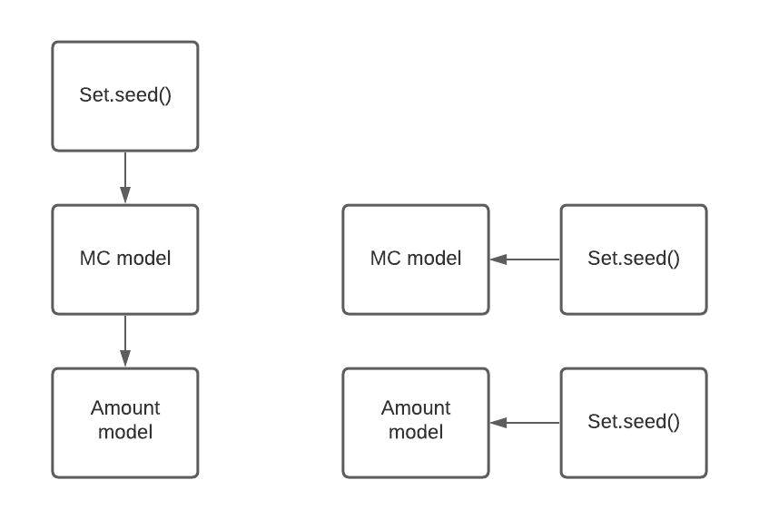
 | 0.16437093783 | 0.54022835109 | 0.7515179198 | 1.6609652656
 | 0.3502409536 | 0.47113656579 | 1.4952255142 | 0.062175403611
 | 0.32638254767 | 0.54314563698 | 2.8945975655 | 0.3353762213
 | 0.46494525928 | 0.61026477948 | 2.0340518334 | 2.3913450354
 | 0.34137738583 | 0.58193769869 | 3.0363374066 | 0.1510326393
 | 0.39366082978 | 0.5436410309 | 1.2851384768 | 0.51783621487
 | 0.29076926902 | 0.62670234391 | 1.6778108281 | 1.7370719229
 | 0.30596583123 | 0.6112039664 | 3.3130295812 | 0.1543849826
 | 0.38366314137 | 0.4865990236 | 1.2133472266 | 2.4629029508

Alpha
Beta

PDW
PWW
All parameters - trial 20 with new code | PDW | PWW | alpha | beta
 | 0.24168126095 | 0.53456998314 | 0.37931377859 | 0.045872878146
 | 0.22709163347 | 0.60311958406 | 0.3626170611 | 0.053681764228
 | 0.20782608696 | 0.56678700361 | 0.25301044237 | 0.03419727361
 | 0.2076852699 | 0.59352517986 | 0.30863162569 | 0.042982326668
 | 0.26035502959 | 0.61739130435 | 0.34381481385 | 0.059210456677
 | 0.4797715606 | 0.072042306774 | 10.508165933 | 7.8598162541
 | 0.64926486612 | 0.98756506875 | 11.172273976 | 4.6097902792
 | 0.099913538195 | 0.67826445131 | 9.5950041866 | 0.28863674896
 | 0.34189031505 | 0.64355231144 | 0.48803436337 | 0.067854780313
 | 0.29009193054 | 0.62301587302 | 0.48943238561 | 0.065917993928
 | 0.29184549356 | 0.6358768407 | 0.51578566363 | 0.072744489855
 | 0.26524953789 | 0.56202143951 | 0.38876075513 | 0.054817605022

Alpha
Beta

Benchmark
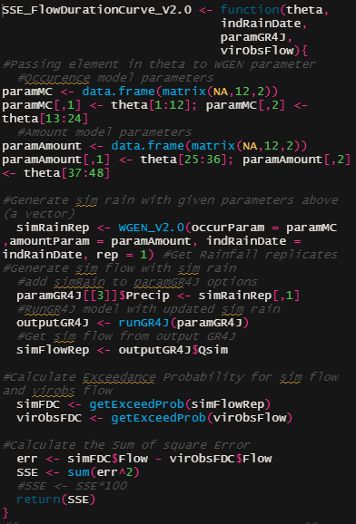
Original OF | Description | Runtime (ms)
1 | pass occur para | min | 57.5824 |  |  |  |  | significant
2 | pass amount para | lq | 60.8811 |  |  |  |  | insignificant
3 | run WGEN | mean | 65.8964
4 | make GR4J runoption | median | 67.1894
5 | run GR4J | uq | 67.7727
6 | extract simflow | max | 93.1677
7 | get simFDC | No. Evaluation | 100
8 | get voFDC
9 | get SSE

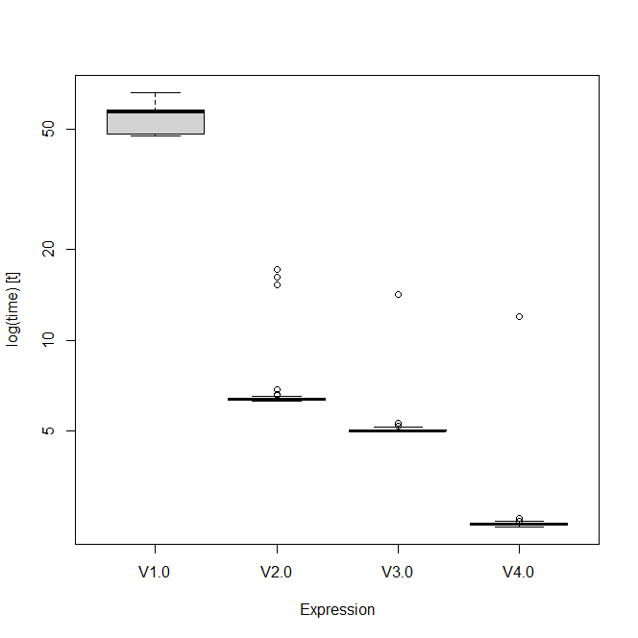
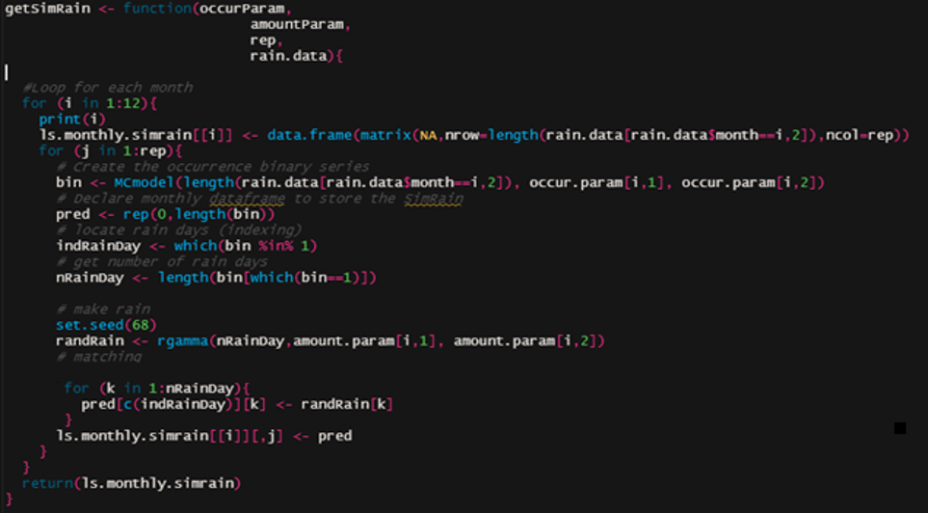
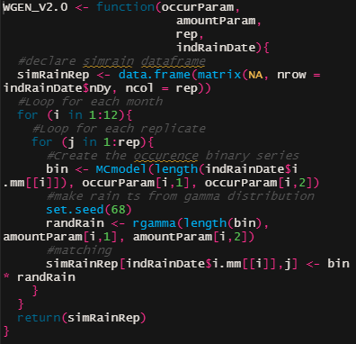
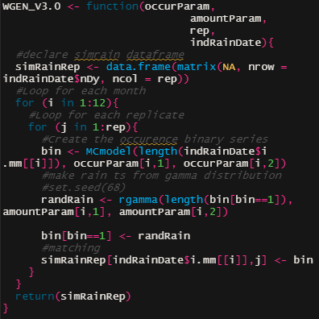
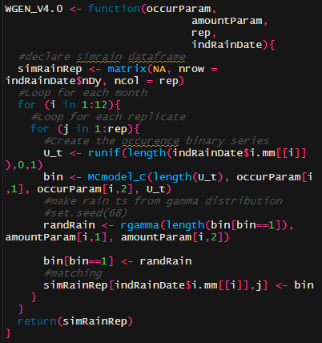
1 | run WGEN | Runtime (ms) | V1.0 | V2.0 | V3.0 | V4.0
 |  | min | 47.557 | 6.311 | 4.971 | 2.417
 |  | lq | 48.69 | 6.364 | 5.021 | 2.448
 |  | mean | 54.465 | 6.729 | 5.261 | 3.38
 |  | median | 57.314 | 6.403 | 5.046 | 2.456
 |  | uq | 58.416 | 6.486 | 5.105 | 2.484
 |  | max | 68.209 | 15.85 | 22.23 | 11.951
 |  | No. Evaluation | 100 | 100 | 100 | 100

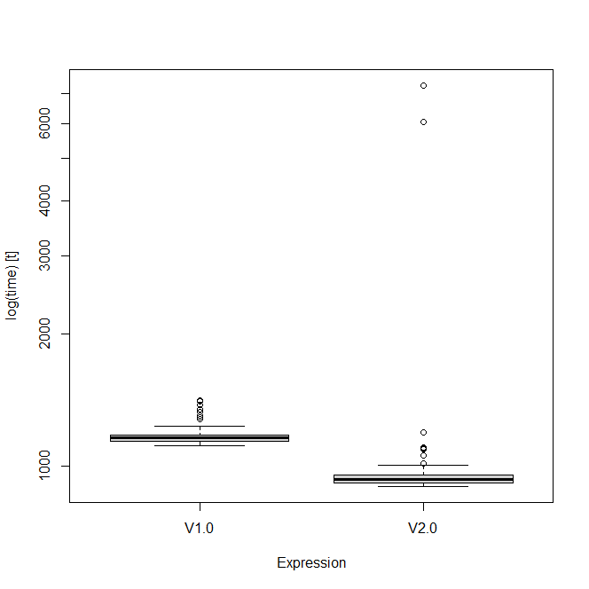
2 | get FDC | Runtime (ms) | V1.0 | V2.0
 |  | min | 1.116 | 0.9
 |  | lq | 1.138 | 0.919
 |  | mean | 1.1175 | 1.065
 |  | median | 1.162 | 0.933
 |  | uq | 1.178 | 0.957
 |  | max | 1.414 | 7.297
 |  | No. Evaluation | 100 | 100

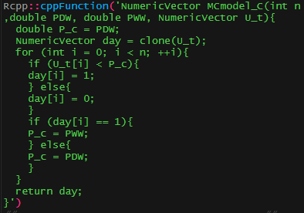
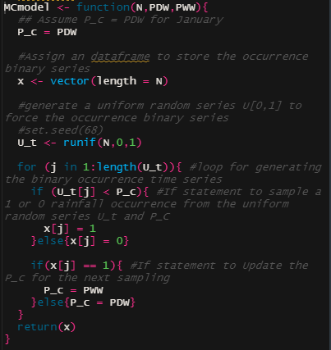
3 | MC model | Runtime (us) | in R | in C
 |  | min | 85.9 | 2.5
 |  | lq | 86.75 | 2.9
 |  | mean | 87.56 | 12.75
 |  | median | 87.1 | 3
 |  | uq | 87.45 | 3.4
 |  | max | 112.7 | 964.8
 |  | No. Evaluation | 100 | 100

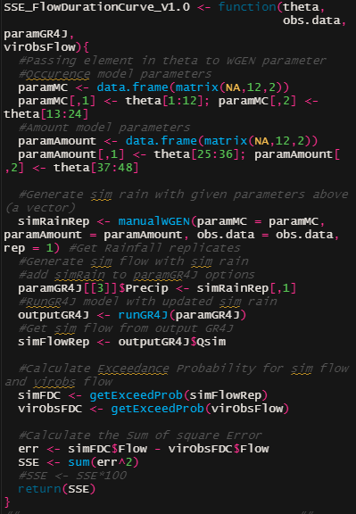
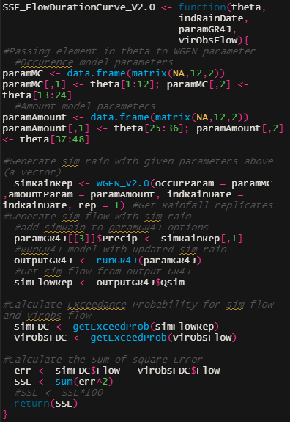
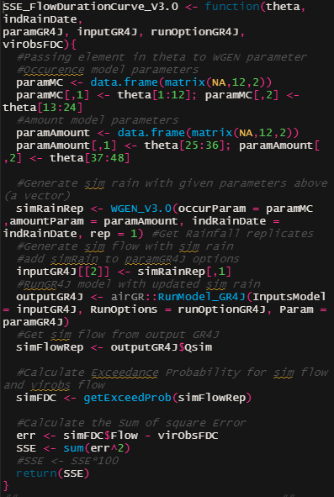
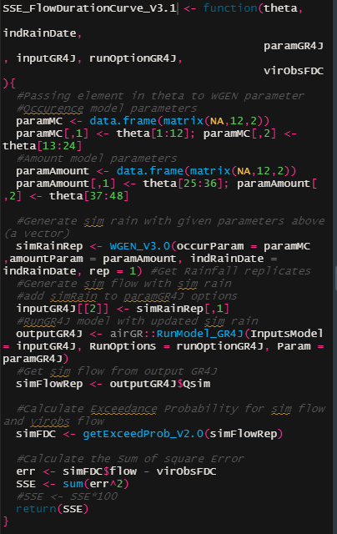
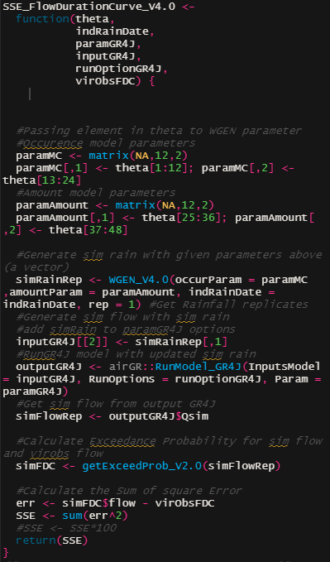
4 | Overall | Runtime (ms) | V1.0 | V.2.0 | V3.0 | V3.1 | V4.0
 |  | min | 58.06 | 15.86 | 13.16 | 13.08 | 9.89
 |  | lq | 66.74 | 16.47 | 13.93 | 13.71 | 10.44
 |  | mean | 67.87 | 18.06 | 15.37 | 15.06 | 11.48
 |  | median | 67.39 | 16.77 | 14.22 | 14.08 | 10.79
 |  | uq | 68.44 | 17.29 | 14.66 | 14.49 | 11.05
 |  | max | 149.09 | 36.04 | 23.44 | 24.21 | 19.48
 |  | No. Evaluation | 100 | 100 | 100 | 100 | 100

timeline
 |  | Febuary |  |  |  | March |  |  |  | April
 |  | 1 | 2 | 3 | 4 | 1 | 2 | 3 | 4 | 1 | 2 | 3 | 4
 |  | 31/01 - 04/02 | 07/02 - 11/02 | 14/02 - 18/02 | 21/02 - 25/02 | 28/02 - 04/03 | 07/03 - 11/03 | 14/03 - 18/03 | 21/03 - 25/03 | 28/03 - 01/04 | 04/04 - 08/04 | 11/04 - 15/04 | 18/04 - 22/04
 | Major Review
 | Presentation
 | Introduction
 | Methodology
 | Case study
 | Simulation
 | Result
 | Discussion
 | Conclusion
 | Draft for feedback
 | Draft presentation

SImulation plan:
- Calibrate & Validate GR4J
- Fit WGEN to observed rainfall data
- Calibrate WGEN with Flow Duration Curve: all parameter or selected month or monthly
- Validation with split sample.
Checklist
Run optim site 1
plan for results
Introduction paragrpah
literature review
Research gap
Objectives
40hrs of CARST

Monthly Optim
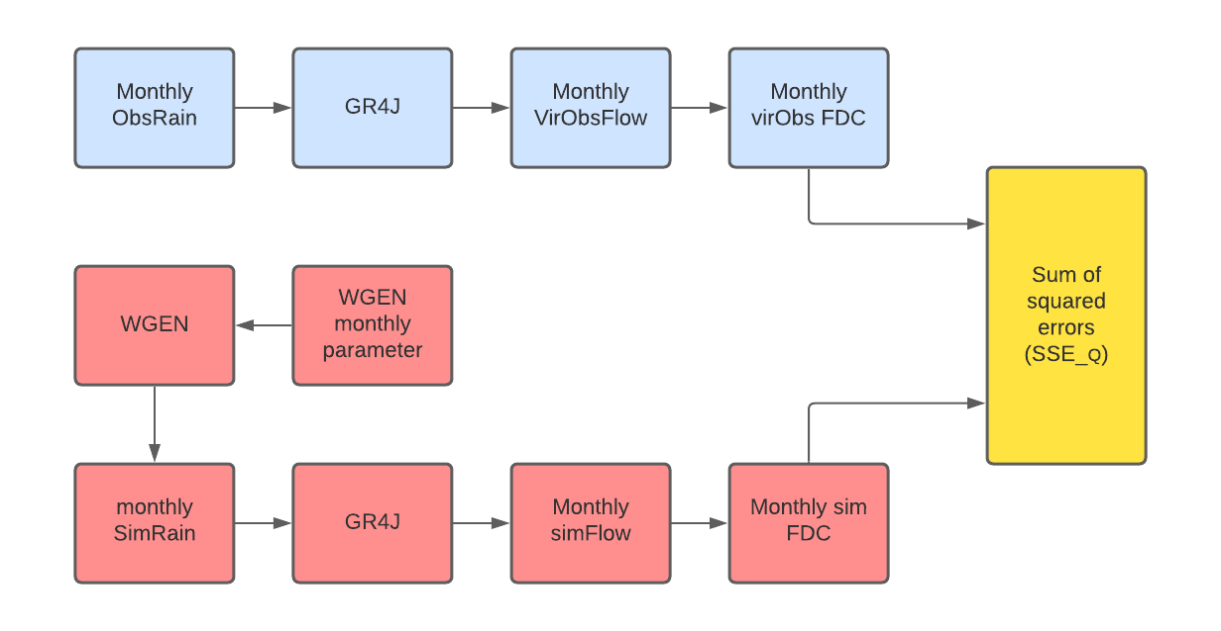
 |  | Objective Function
 | 1 | SSE flow duration curve
 | 2 | SSE flow duration curve disaggregate | 0.1H+03.M+0.6L | H = high(prob<0.05); M = high(0.05<prob<0.5); L = low(prob>0.5)
 | 3 | SSE flow duration curve & SSE rainfall | 0.5Q^2+0.5R | 0.5Q+0.5R
 | 4 | SSE flow duration curve & SSE mean rainfall | 0.5Q + 0.5R
1
2

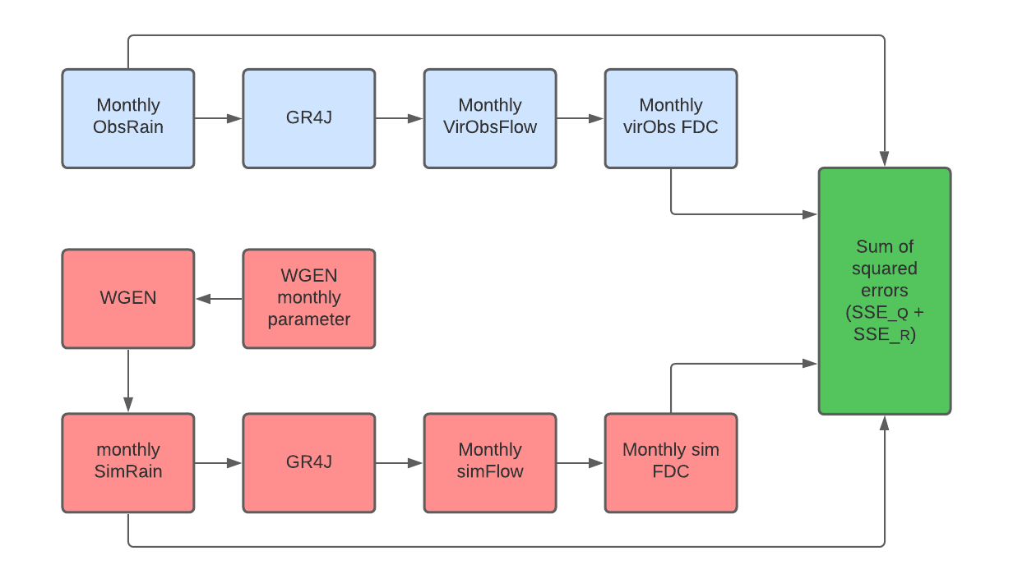

3
4

