Azure Functions
Azure Functions is a serverless solution that allows you to write less code, maintain less infrastructure, and save on costs.

Compare Azure Functions and Azure Logic Apps
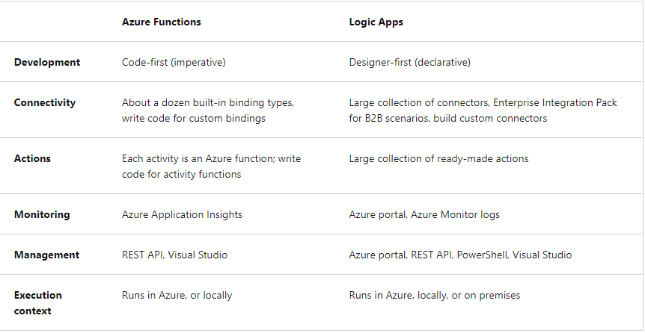

Compare Functions and WebJobs
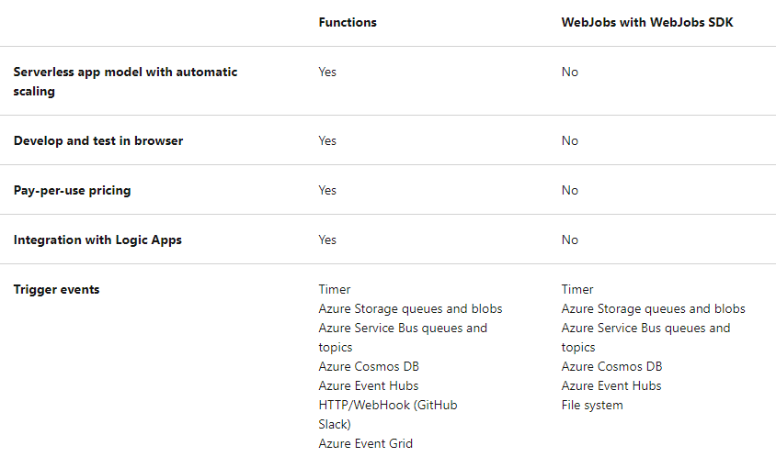

3 main hosting plans
 | Consumption plan: default (scale out automaitcally)
 | Premium plan: Highest cost,runs on more powerful instances, and connects to virtual networks. (scale out automaitcally)
 | Dedicated plan: Cost normal, Best for long-running scenarios where Durable Functions can't be used. (Manual/autoscale)

2 other hosting options (top tier)
 | ASE (Manual/autoscale)
 | Kubernetes (Event-driven autoscale for Kubernetes clusters using KEDA.)

Scaling
 | A single function app only scales out to a maximum of 200 instances
 | For HTTP triggers, new instances are allocated, at most, once per second. For non-HTTP triggers, new instances are allocated, at most, once every 30 seconds.
 | The functionAppScaleLimit can be set to 0 or null for unrestricted, or a valid value between 1 and the app maximum.

Azure Functions development
 | A function contains 2 important pieces:
 |  | Code
 |  | Config (function.json)

 | Config (function.json)
 |  | type: type of binding
 |  | direction: in or out
 |  |  | For triggers, the direction is always in
 |  |  | Input and output bindings use in and out
 |  |  | Some bindings support a special direction inout. If you use inout, only the Advanced editor is available via the Integrate tab in the portal.
 |  | name: name of parameter

Trigger and binding definitions
 | C#: using method + attributes
 | Java: method + annotations
 | Other: function.json

** Identity-based connections are not supported with Durable Functions.
** A trigger defines how a function is invoked and a function must have exactly one trigger.

