Minh
BÁO CÁO THĂNG CHỨC/PROMOTION REPORT (For Officer below - both Grade-up and Rank-up Promotion)

■ Họ tên/Full name | : | Nghiem Nhu Minh | ■ Vị trí cũ/Curent Position | : | Officer | ■ Vị trí mới/ New Position | : | Officer
■ Số ID/ID Number | : | 2012757 | ■ Bậc cũ/ Current Rank | : | V12 | ■ Bậc mới/ New Rank | : | V13
■ Bộ phận/Section | : | ISD | ■ Loại/ Promotion type | : | Nâng bậc/Rank-up | ■ Ngày vào | : | 12-Feb-2019

A. CÔNG VIỆC HIỆN TẠI/ CURRENT JOBS:
1. Giới thiệu công việc và thành tích chung/ Introduce current jobs and achievements:
1.1.Introduce current jobs.
Main Job: Develop software, support user using software, study system of company production to make software
- Develop software when department request .
- Research and analysis some old system to reduction time / cost or increase quality
- Support all software system in PSNV : Auto Kittiing, Weight check, Foss system, Panacim system, Traceability FA, Tally Sheet …
- Research new technology replace for currently technology :VBA, VB6, Access Database.
- Research new language, and new techonology relate Artificial intelligence
1.2. Achievements.
1.2.1. Cost
-Sound Business shipping control -->Saving 3,9K$/Year |  |  |  |  |  | Dec-21
- Sound Business Adding Serial Outer Weight Check & Shrink system --> Saving 3,9K/Year |  |  |  |  |  | Jan-22
- MCS Free location program --> Reduce 2pax |  |  |  |  |  | Dec-21
- Develop atuo kitting SAP system for MCS -->Reduce: 2pax |  |  |  |  |  | Apr-21
- Develop System software about Resin Warehouse for PMD -->Reduce: 2pax |  |  |  |  |  | Jun-21
- Develop Printing Lable Doorphone & DectPhone for Malaysia. --> Saving 1,21K/Year |  |  |  |  |  | Jun-21
1.2.2 Quality
- Develop weight check for new categogy : Projector,Microwave,Sound Bussiness.
- Modify Foss System for new cate VG01. (divided clearly type of material).
- Develop software trace serial on PalletID system for SCM department. (Reduce time to find serial .No on code PalletID)
- Develop function Control for " Market stock control" for MCS department.(display Market stock on stock card. Reduce lost cost)
- Add function weight check compare serial product between Charger,cartion box, inner box, outer box…
Some achievements FY2021
Free Location project for MCS and QC department, Auto kitting project for MCS.
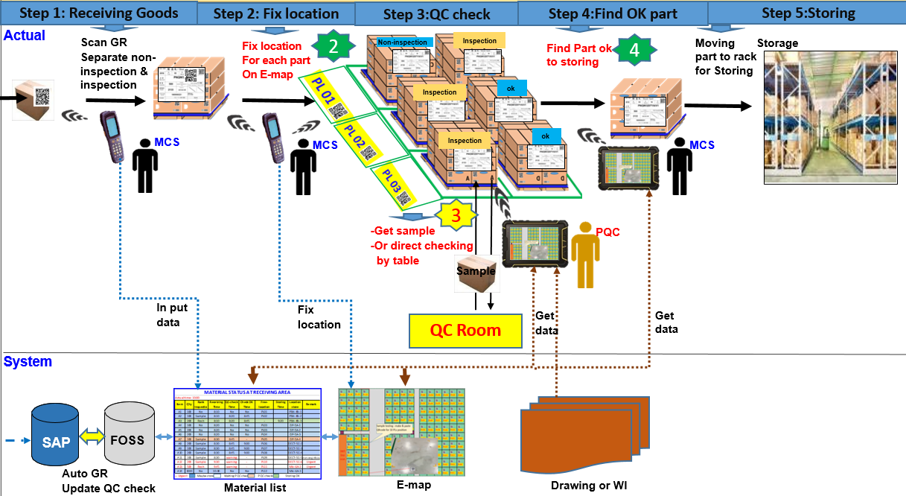
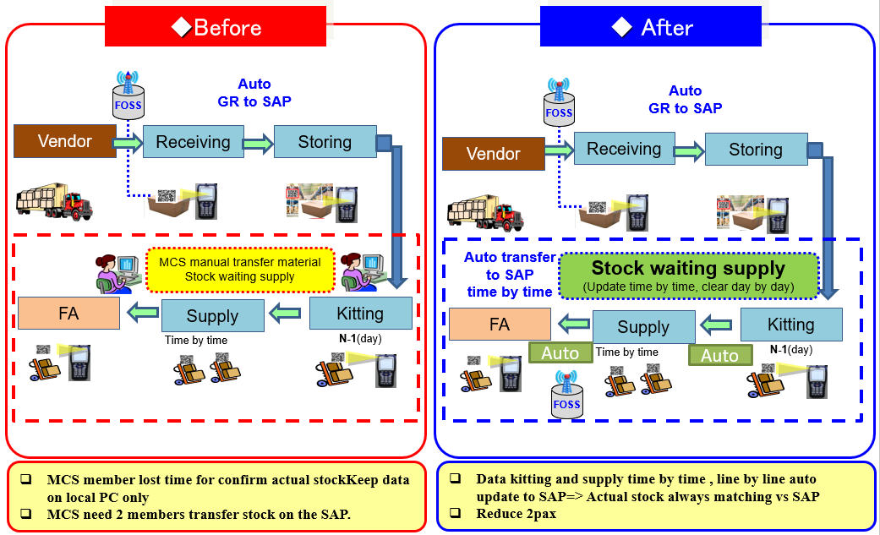

2. Những khó khăn trong công việc hiện tại/Difficulties in current jobs:
2.1 Many request from all department need to solve not enough time create a software efficiency.
2.2 The data increases daily, which means that the time to support users increases. Lead to not enough time to develop software.
2.3 English communication has limited.
3. Phương pháp cải tiến của bản thân/ Kaizen methods of individual jobs:
3.1 Sharing experience my self for other member to support user of all system.
3.2 Study new technology suitable with jobs to develop software for department.
3.3 Practice English with other member. Especially foreigner.
B. KẾ HOẠCH PHÁT TRIỂN BẢN THÂN/DEVELOPMENT PLAN
1. Kế hoạch phát triển công việc & bản thân sau khi thăng chức/ Development plan in job & yourself after promotion
- Auto input Data to SAP system.
GR MCS
SAP
kitting line production

Recycle Resin and NG Resin
free location
PMG system

PQC inspection
Back flus

-Modify weight check system for cate DP, Sound Business to Prevent Double ID & Serial No
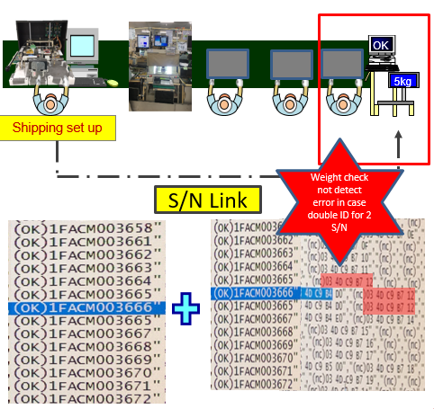
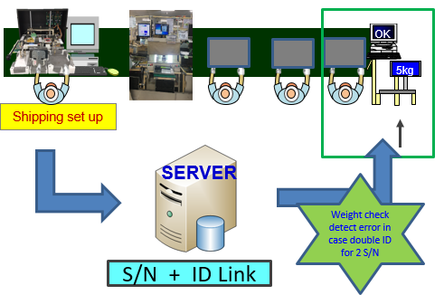

- Improve Support user skill, Join coursera English, Coding skill, Analysis skill factory operation .


suport user
Develop soft ware

Learn english
Analysis Skill

Plan
Implement
Target

2. Kiến thức, kỹ năng mong muốn được nâng cao thêm/Skills & knowledge expected to develop more:
- Attend training new technology course
- Improve my soft skill: communication, managerment, presentation…
- Improve skill teamwork.
- Research new technologies such as artificial intelligence, Reactive, Signal, websocket...

Notes: - Leader trở xuống: 01 trang ( (ưu tiên English), Officer: 02 trang bằng English. 3 bản copy: Bản gốc nộp GA, 1 Bộ phận và 1 cá nhân giữ để theo dõi và đánh giá. - Leader below: 01 page (English prefer); Officer: 02 English pages. Report of 3 copies: Original to GA, Section 1 & candidate 1 to follow & evaluate development.

 |  |  |  |  | PANASONIC SYSTEM NETWORKS VIETNAM CO., LTD.

