Class Diagram
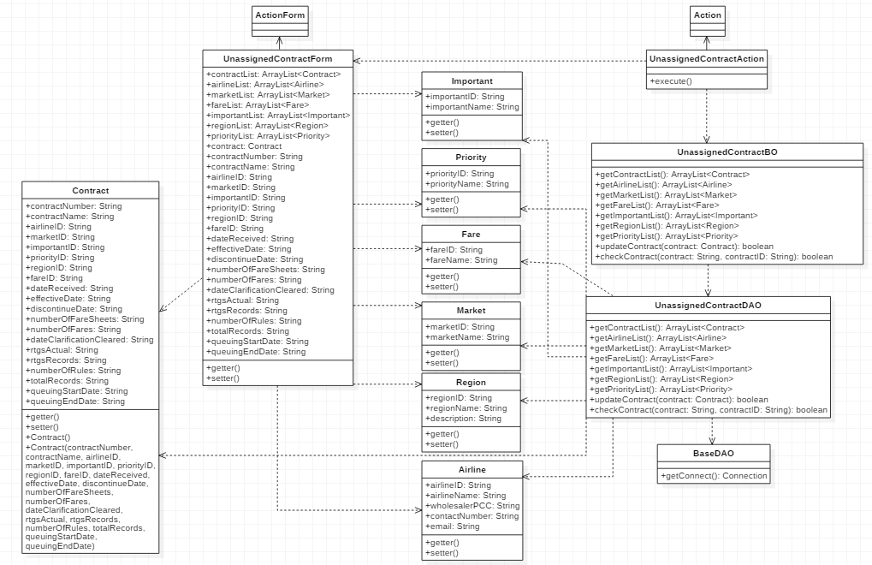
Class Diagram

Sequence Diagram
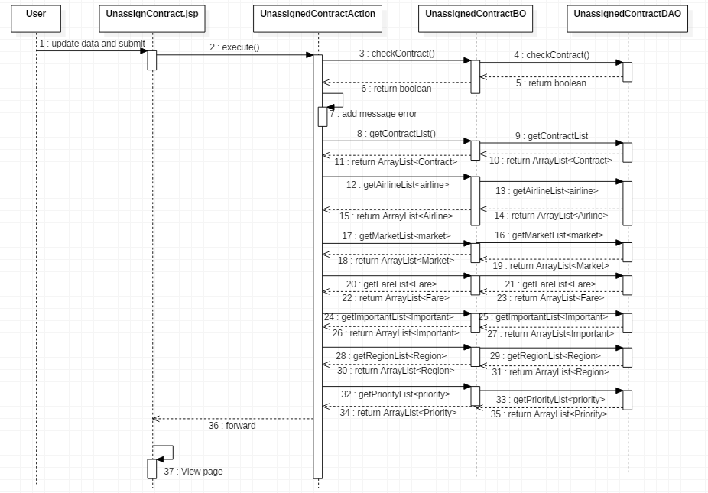
Update Unassigned Contracts

